Sheet1
 | ChEMBL ID | Molecular Weight | Polar Surface Area | Smiles | Tanimoto_Similarity (ECFP4)
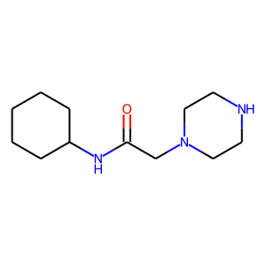 | CHEMBL1983100 | 225.34 | 44.37 | O=C(CN1CCNCC1)NC1CCCCC1 | 0.22727272727
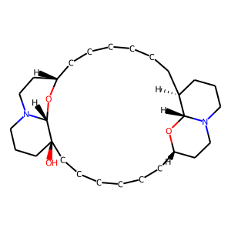 | CHEMBL25317 | 462.72 | 45.17 | O[C@@]12CCCCCC[C@H]3CCN4CCC[C@H](CCCCCC[C@H]5CCN(CCC1)[C@@H]2O5)[C@H]4O3 | 0.19607843137
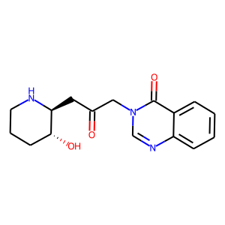 | CHEMBL479432 | 301.35 | 84.22 | O=C(C[C@@H]1NCCC[C@H]1O)Cn1cnc2ccccc2c1=O | 0.18032786885
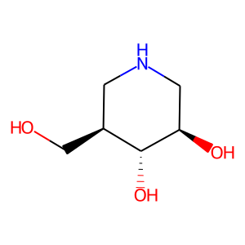 | CHEMBL206468 | 147.17 | 72.72 | OC[C@H]1CNC[C@@H](O)[C@@H]1O | 0.15789473684
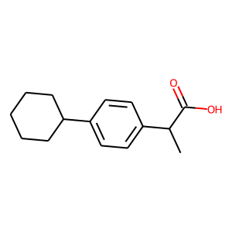 | CHEMBL244138 | 232.32 | 37.30 | CC(C(=O)O)c1ccc(C2CCCCC2)cc1 | 0.15217391304
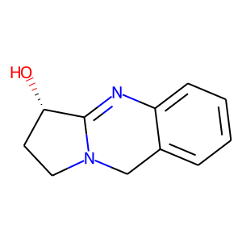 | CHEMBL2163791 | 188.23 | 35.83 | O[C@H]1CCN2Cc3ccccc3N=C12 | 0.14583333333
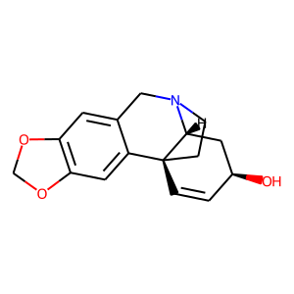 | CHEMBL1221864 | 271.32 | 41.93 | O[C@H]1C=C[C@@]23CCN(Cc4cc5c(cc42)OCO5)[C@@H]3C1 | 0.13793103448
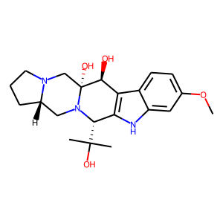 | CHEMBL1090129 | 387.48 | 92.19 | COc1ccc2c3c([nH]c2c1)[C@H](C(C)(C)O)N1C[C@@H]2CCCN2C[C@@]1(O)[C@H]3O | 0.13698630137
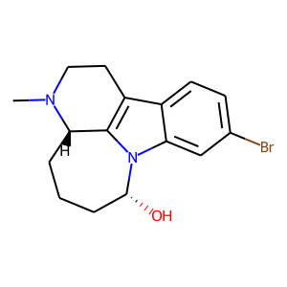 | CHEMBL483416 | 335.25 | 28.40 | CN1CCc2c3n(c4cc(Br)ccc24)[C@H](O)CCC[C@@H]31 | 0.13559322034
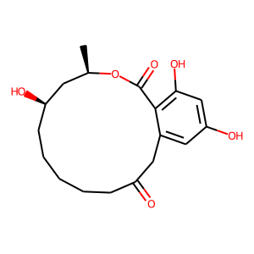 | CHEMBL491176 | 336.38 | 104.06 | C[C@@H]1C[C@H](O)CCCCCC(=O)Cc2cc(O)cc(O)c2C(=O)O1 | 0.13114754098
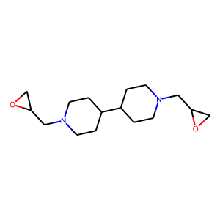 | CHEMBL462393 | 280.41 | 31.54 | C1OC1CN1CCC(C2CCN(CC3CO3)CC2)CC1 | 0.12820512821
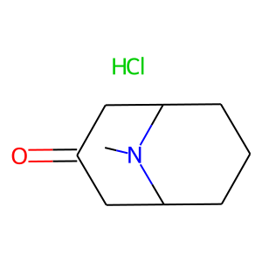 | CHEMBL2165590 | 189.69 | 20.31 | CN1C2CCCC1CC(=O)C2.Cl | 0.125
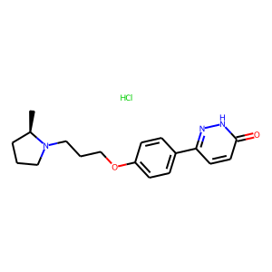 | CHEMBL1813067 | 349.86 | 58.22 | C[C@@H]1CCCN1CCCOc1ccc(-c2ccc(=O)[nH]n2)cc1.Cl | 0.125
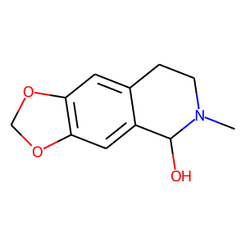 | CHEMBL1623232 | 207.23 | 41.93 | CN1CCc2cc3c(cc2C1O)OCO3 | 0.12244897959
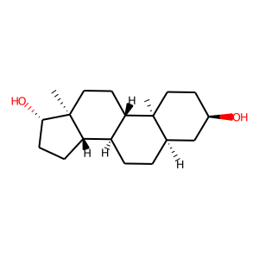 | CHEMBL410494 | 292.46 | 40.46 | C[C@]12CC[C@H]3[C@@H](CC[C@@H]4C[C@H](O)CC[C@]34C)[C@@H]1CC[C@@H]2O | 0.12244897959
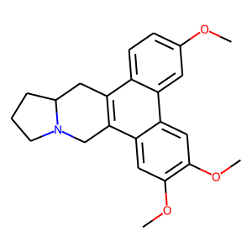 | CHEMBL497756 | 363.46 | 30.93 | COc1ccc2c3c(c4cc(OC)c(OC)cc4c2c1)CN1CCCC1C3 | 0.1186440678
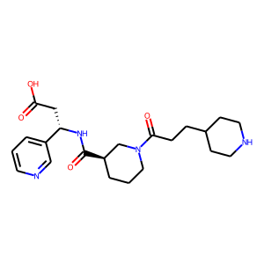 | CHEMBL87728 | 416.52 | 111.63 | O=C(O)C[C@H](NC(=O)[C@@H]1CCCN(C(=O)CCC2CCNCC2)C1)c1cccnc1 | 0.11842105263
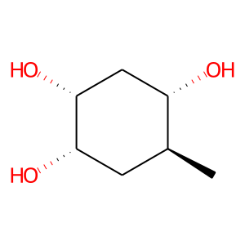 | CHEMBL539892 | 146.19 | 60.69 | C[C@H]1C[C@H](O)[C@H](O)C[C@@H]1O | 0.11764705882
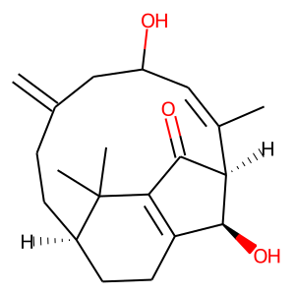 | CHEMBL485068 | 316.44 | 57.53 | C=C1CC[C@@H]2CCC3=C(C(=O)[C@@H](/C(C)=C/C(O)C1)[C@H]3O)C2(C)C | 0.11666666667
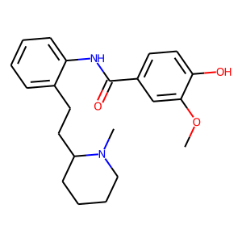 | CHEMBL2106770 | 368.48 | 61.80 | COc1cc(C(=O)Nc2ccccc2CCC2CCCCN2C)ccc1O | 0.11594202899

