Sheet1
 | ChEMBL ID | Molecular Weight | Polar Surface Area | Smiles | Tanimoto_Similarity (ECFP4)
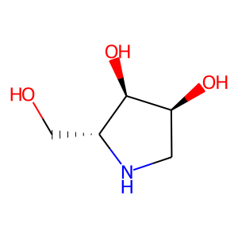 | CHEMBL261634 | 133.15 | 72.72 | OC[C@H]1NC[C@H](O)[C@@H]1O | 0.19444444444
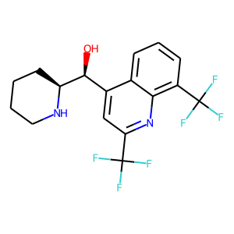 | CHEMBL411685 | 378.32 | 45.15 | O[C@@H](c1cc(C(F)(F)F)nc2c(C(F)(F)F)cccc12)[C@@H]1CCCCN1 | 0.18644067797
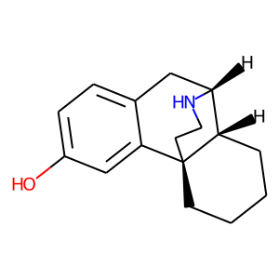 | CHEMBL3989483 | 243.35 | 32.26 | Oc1ccc2c(c1)[C@@]13CCCC[C@H]1[C@@H](C2)NCC3 | 0.16981132075
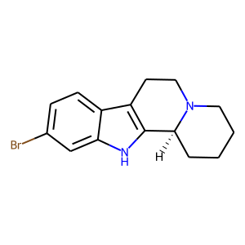 | CHEMBL563450 | 305.22 | 19.03 | Brc1ccc2c3c([nH]c2c1)[C@@H]1CCCCN1CC3 | 0.16666666667
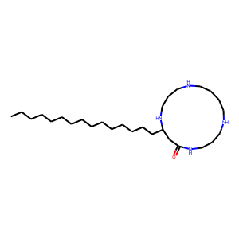 | CHEMBL1173580 | 466.8 | 65.19 | CCCCCCCCCCCCCCCC1CC(=O)NCCCNCCCCNCCCN1 | 0.15384615385
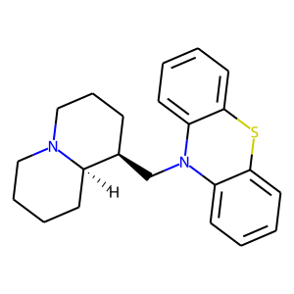 | CHEMBL1782708 | 350.53 | 6.48 | c1ccc2c(c1)Sc1ccccc1N2C[C@@H]1CCCN2CCCC[C@H]12 | 0.15384615385
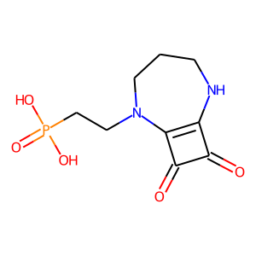 | CHEMBL452461 | 260.19 | 106.94 | O=c1c2c(c1=O)N(CCP(=O)(O)O)CCCN2 | 0.14
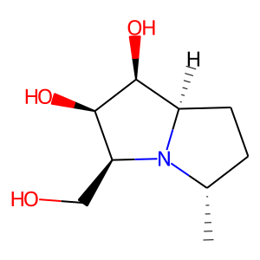 | CHEMBL496698 | 187.24 | 63.93 | C[C@H]1CC[C@@H]2[C@H](O)[C@H](O)[C@H](CO)N12 | 0.13953488372
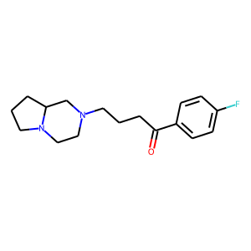 | CHEMBL1965536 | 290.38 | 23.55 | O=C(CCCN1CCN2CCCC2C1)c1ccc(F)cc1 | 0.13793103448
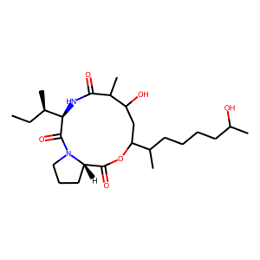 | CHEMBL255677 | 468.64 | 116.17 | CC[C@@H](C)[C@H]1NC(=O)C(C)C(O)CC(C(C)CCCCC(C)O)OC(=O)[C@@H]2CCCN2C1=O | 0.13698630137
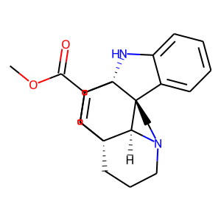 | CHEMBL251487 | 336.44 | 41.57 | COC(=O)C1=C[C@@]23CCCN4CC[C@@]5(c6ccccc6N[C@]15CC2)[C@@H]43 | 0.13432835821
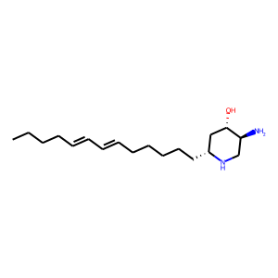 | CHEMBL456860 | 294.48 | 58.28 | CCCC/C=C/C=C/CCCCC[C@@H]1C[C@H](O)[C@@H](N)CN1 | 0.12727272727
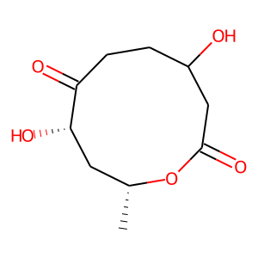 | CHEMBL404087 | 216.23 | 83.83 | C[C@@H]1C[C@H](O)C(=O)CCC(O)CC(=O)O1 | 0.125
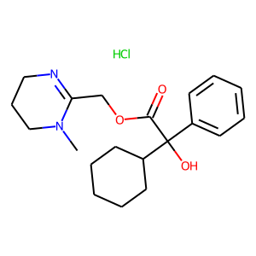 | CHEMBL1200891 | 380.92 | 62.13 | CN1CCCN=C1COC(=O)C(O)(c1ccccc1)C1CCCCC1.Cl | 0.12307692308
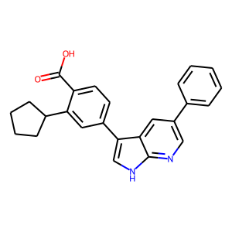 | CHEMBL558642 | 382.46 | 65.98 | O=C(O)c1ccc(-c2c[nH]c3ncc(-c4ccccc4)cc23)cc1C1CCCC1 | 0.12307692308
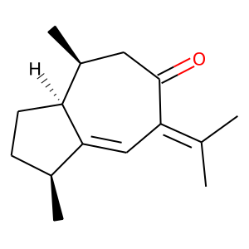 | CHEMBL503279 | 218.34 | 17.07 | CC(C)=C1C=C2[C@@H](C)CC[C@H]2[C@@H](C)CC1=O | 0.12244897959
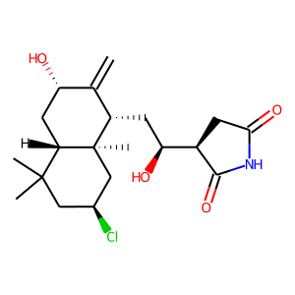 | CHEMBL514096 | 383.92 | 86.63 | C=C1[C@@H](O)C[C@H]2C(C)(C)C[C@H](Cl)C[C@]2(C)[C@H]1C[C@H](O)[C@H]1CC(=O)NC1=O | 0.12121212121
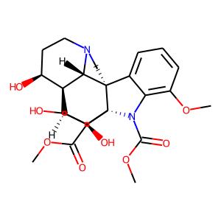 | CHEMBL253773 | 474.51 | 129.00 | COC(=O)N1c2c(OC)cccc2[C@@]23CCN4CC[C@H](O)[C@@]5(CC[C@]12[C@](O)(C(=O)OC)[C@H]5O)[C@H]43 | 0.11842105263
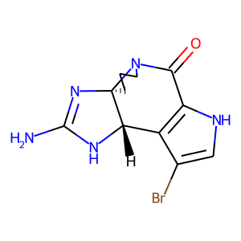 | CHEMBL2205095 | 310.16 | 86.51 | NC1=N[C@@]23CCCN2C(=O)c2[nH]cc(Br)c2[C@@H]3N1 | 0.11666666667
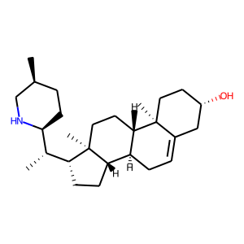 | CHEMBL463130 | 399.66 | 32.26 | C[C@H]1CC[C@@H]([C@@H](C)[C@H]2CC[C@H]3[C@@H]4CC=C5C[C@@H](O)CC[C@]5(C)[C@H]4CC[C@@]32C)NC1 | 0.11594202899

