Sheet1
 | ChEMBL ID | Molecular Weight | Polar Surface Area | Smiles | Tanimoto_Similarity (ECFP4)
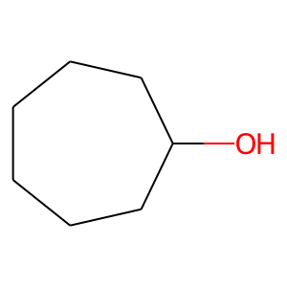 | CHEMBL503332 | 114.19 | 20.23 | OC1CCCCCC1 | 0.34615384615
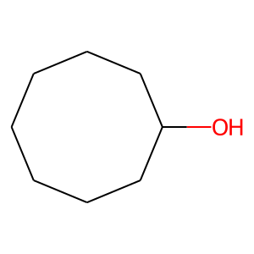 | CHEMBL457729 | 128.22 | 20.23 | OC1CCCCCCC1 | 0.34615384615
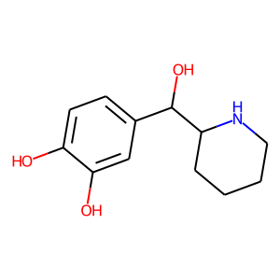 | CHEMBL88055 | 223.27 | 72.72 | Oc1ccc(C(O)C2CCCCN2)cc1O | 0.25
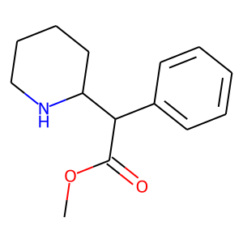 | CHEMBL796 | 233.31 | 38.33 | COC(=O)C(c1ccccc1)C1CCCCN1 | 0.25
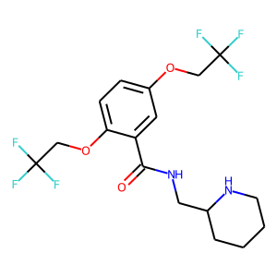 | CHEMBL652 | 414.35 | 59.59 | O=C(NCC1CCCCN1)c1cc(OCC(F)(F)F)ccc1OCC(F)(F)F | 0.17741935484
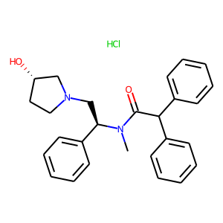 | CHEMBL540342 | 451.01 | 43.78 | CN(C(=O)C(c1ccccc1)c1ccccc1)[C@H](CN1CC[C@H](O)C1)c1ccccc1.Cl | 0.17543859649
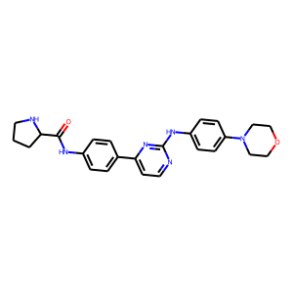 | CHEMBL3545328 | 444.54 | 91.41 | O=C(Nc1ccc(-c2ccnc(Nc3ccc(N4CCOCC4)cc3)n2)cc1)C1CCCN1 | 0.15942028986
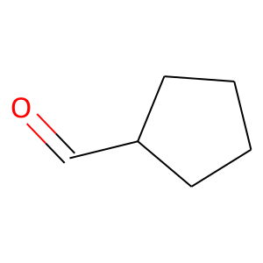 | CHEMBL274711 | 98.14 | 17.07 | O=CC1CCCC1 | 0.15625
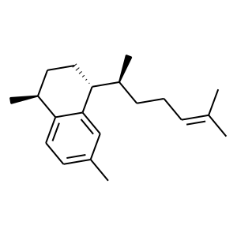 | CHEMBL507106 | 270.46 | 0.00 | CC(C)=CCC[C@H](C)[C@H]1CC[C@H](C)c2ccc(C)cc21 | 0.14285714286
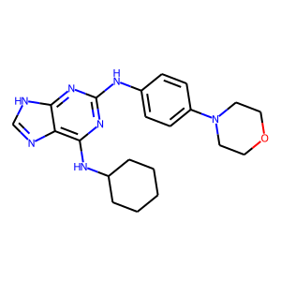 | CHEMBL188343 | 393.5 | 90.99 | c1nc2c(NC3CCCCC3)nc(Nc3ccc(N4CCOCC4)cc3)nc2[nH]1 | 0.13846153846
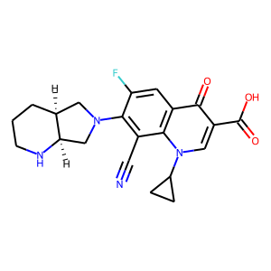 | CHEMBL1256815 | 396.42 | 98.36 | N#Cc1c(N2C[C@@H]3CCCN[C@@H]3C2)c(F)cc2c(=O)c(C(=O)O)cn(C3CC3)c12 | 0.13513513514
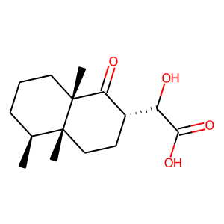 | CHEMBL1934276 | 268.35 | 74.60 | C[C@H]1CCC[C@]2(C)C(=O)[C@H](C(O)C(=O)O)CC[C@]12C | 0.1320754717
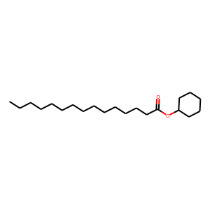 | CHEMBL592232 | 324.55 | 26.30 | CCCCCCCCCCCCCCC(=O)OC1CCCCC1 | 0.13043478261
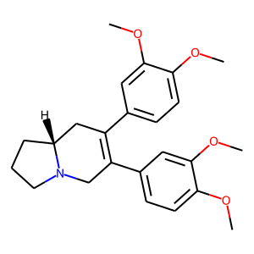 | CHEMBL1092163 | 395.5 | 40.16 | COc1ccc(C2=C(c3ccc(OC)c(OC)c3)CN3CCC[C@@H]3C2)cc1OC | 0.12962962963
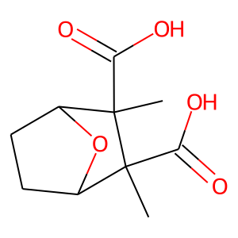 | CHEMBL275516 | 214.22 | 83.83 | CC1(C(=O)O)C2CCC(O2)C1(C)C(=O)O | 0.12820512821
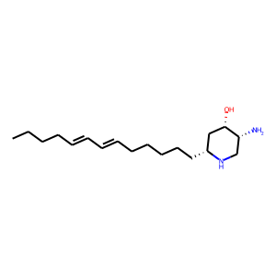 | CHEMBL456861 | 294.48 | 58.28 | CCCC/C=C/C=C/CCCCC[C@@H]1C[C@H](O)[C@H](N)CN1 | 0.12727272727
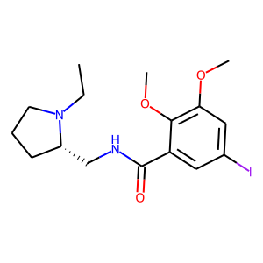 | CHEMBL44237 | 418.28 | 50.80 | CCN1CCC[C@H]1CNC(=O)c1cc(I)cc(OC)c1OC | 0.12698412698
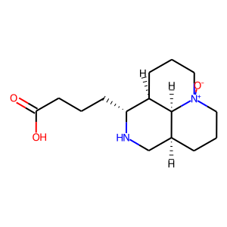 | CHEMBL1818507 | 282.38 | 72.39 | O=C(O)CCC[C@H]1NC[C@@H]2CCC[N+]3([O-])CCC[C@H]1[C@H]23 | 0.125
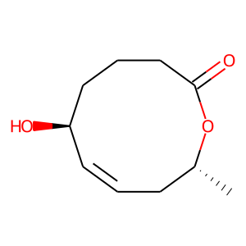 | CHEMBL256130 | 184.24 | 46.53 | C[C@@H]1C/C=C/[C@@H](O)CCCC(=O)O1 | 0.12244897959
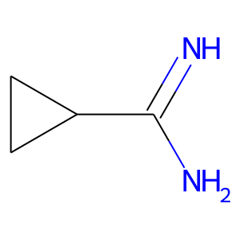 | CHEMBL1783071 | 84.12 | 49.87 | N=C(N)C1CC1 | 0.12121212121

