Sheet1
 | ChEMBL ID | Molecular Weight | Polar Surface Area | Smiles | Tanimoto_Similarity (ECFP4)
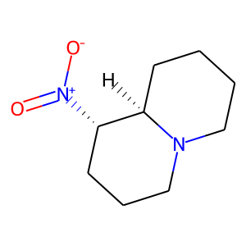 | CHEMBL553659 | 184.24 | 46.38 | O=[N+]([O-])[C@H]1CCCN2CCCC[C@H]12 | 0.19512195122
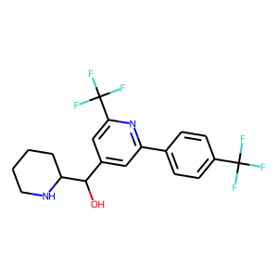 | CHEMBL1327821 | 404.35 | 45.15 | OC(c1cc(-c2ccc(C(F)(F)F)cc2)nc(C(F)(F)F)c1)C1CCCCN1 | 0.18965517241
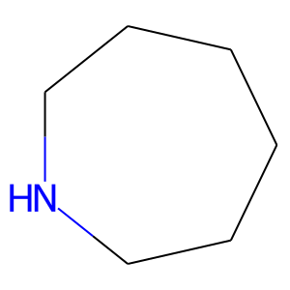 | CHEMBL1375444 | 99.18 | 12.03 | C1CCCNCC1 | 0.17857142857
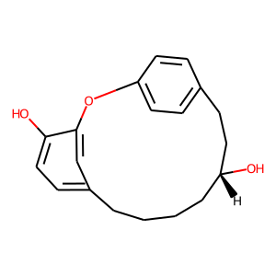 | CHEMBL516665 | 298.38 | 49.69 | Oc1ccc2cc1Oc1ccc(cc1)CC[C@H](O)CCCC2 | 0.17647058824
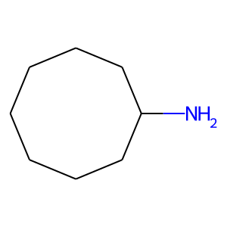 | CHEMBL1170791 | 127.23 | 26.02 | NC1CCCCCCC1 | 0.16666666667
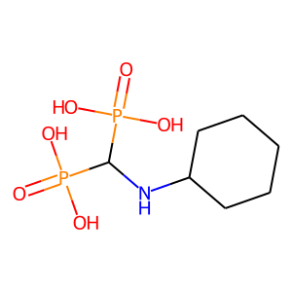 | CHEMBL56253 | 273.16 | 127.09 | O=P(O)(O)C(NC1CCCCC1)P(=O)(O)O | 0.15
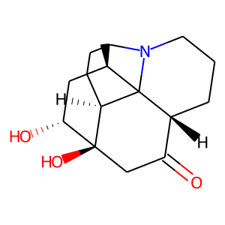 | CHEMBL551359 | 279.38 | 60.77 | C[C@@H]1C[C@@H](O)[C@@]2(O)CC(=O)[C@H]3CCCN4CCC[C@H]2C314 | 0.14814814815
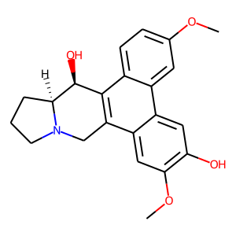 | CHEMBL250854 | 365.43 | 62.16 | COc1ccc2c3c(c4cc(OC)c(O)cc4c2c1)CN1CCC[C@H]1[C@H]3O | 0.14754098361
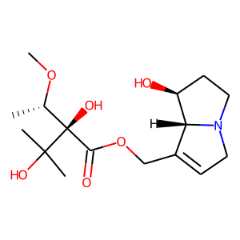 | CHEMBL526357 | 329.39 | 99.46 | CO[C@@H](C)[C@](O)(C(=O)OCC1=CCN2CC[C@H](O)[C@@H]12)C(C)(C)O | 0.14285714286
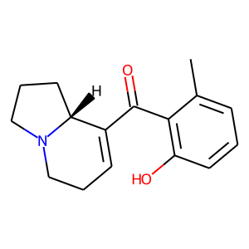 | CHEMBL608815 | 257.33 | 40.54 | Cc1cccc(O)c1C(=O)C1=CCCN2CCC[C@H]12 | 0.14035087719
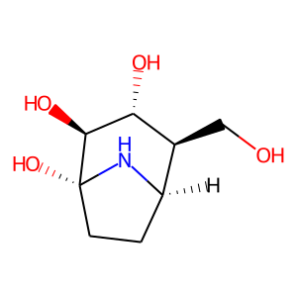 | CHEMBL1682493 | 189.21 | 92.95 | OC[C@H]1[C@H]2CC[C@](O)(N2)[C@@H](O)[C@@H]1O | 0.13333333333
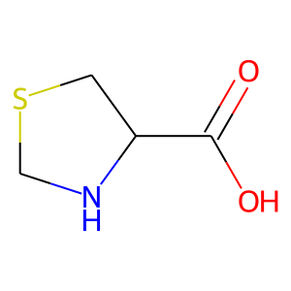 | CHEMBL358722 | 133.17 | 49.33 | O=C(O)C1CSCN1 | 0.12820512821
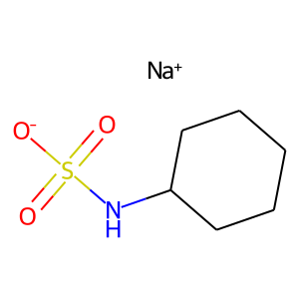 | CHEMBL273977 | 201.22 | None | O=S(=O)([O-])NC1CCCCC1.[Na+] | 0.12820512821
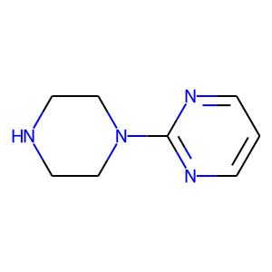 | CHEMBL724 | 164.21 | 41.05 | c1cnc(N2CCNCC2)nc1 | 0.125
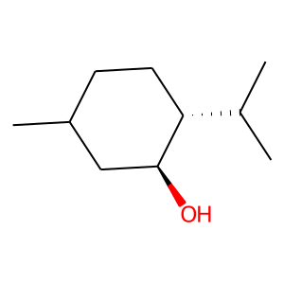 | CHEMBL41763 | 156.27 | 20.23 | CC1CC[C@H](C(C)C)[C@@H](O)C1 | 0.125
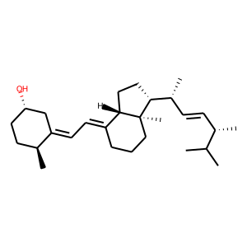 | CHEMBL2356023 | 398.68 | 20.23 | CC(C)[C@@H](C)/C=C/[C@@H](C)[C@H]1CC[C@H]2/C(=C/C=C3\C[C@@H](O)CC[C@@H]3C)CCC[C@@]21C | 0.12307692308
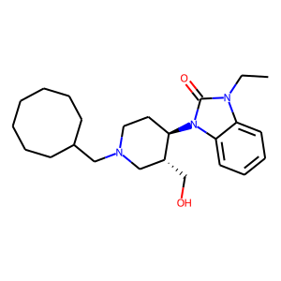 | CHEMBL357076 | 399.58 | 50.40 | CCn1c(=O)n([C@@H]2CCN(CC3CCCCCCC3)C[C@H]2CO)c2ccccc21 | 0.12307692308
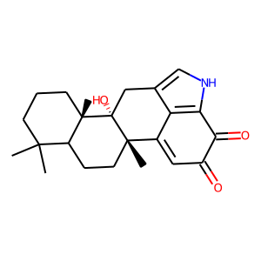 | CHEMBL2333072 | 367.49 | 70.16 | CC1(C)CCC[C@@]2(C)C1CC[C@@]1(C)C3=CC(=O)C(=O)c4[nH]cc(c43)C[C@@]12O | 0.12121212121
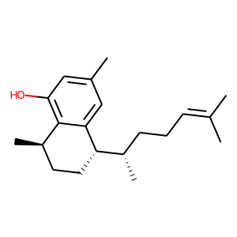 | CHEMBL1822510 | 286.46 | 20.23 | CC(C)=CCC[C@H](C)[C@@H]1CC[C@@H](C)c2c(O)cc(C)cc21 | 0.1186440678
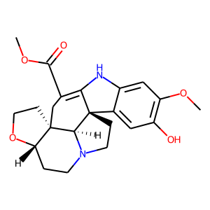 | CHEMBL524840 | 398.46 | 80.26 | COC(=O)C1=C2Nc3cc(OC)c(O)cc3[C@@]23CCN2CC[C@@H]4OCC[C@]4(C1)[C@H]23 | 0.11842105263

