Sheet1
 | ChEMBL ID | Molecular Weight | Polar Surface Area | Smiles | Tanimoto_Similarity (ECFP4)
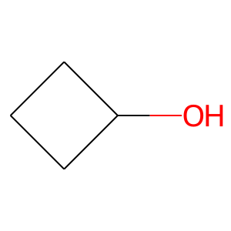 | CHEMBL449234 | 72.11 | 20.23 | OC1CCC1 | 0.32
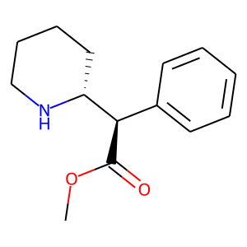 | CHEMBL827 | 233.31 | 38.33 | COC(=O)[C@H](c1ccccc1)[C@H]1CCCCN1 | 0.25
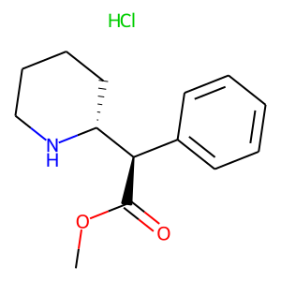 | CHEMBL904 | 269.77 | 38.33 | COC(=O)[C@H](c1ccccc1)[C@H]1CCCCN1.Cl | 0.24489795918
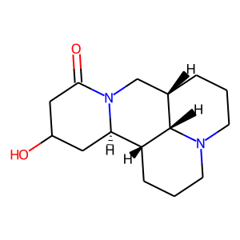 | CHEMBL1672133 | 264.37 | 43.78 | O=C1CC(O)C[C@@H]2[C@H]3CCCN4CCC[C@@H](CN12)[C@@H]34 | 0.19607843137
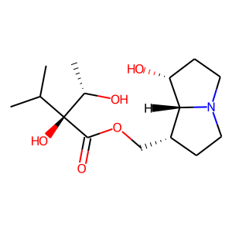 | CHEMBL506349 | 301.38 | 90.23 | CC(C)[C@@](O)(C(=O)OC[C@H]1CCN2CC[C@@H](O)[C@@H]12)[C@H](C)O | 0.18518518519
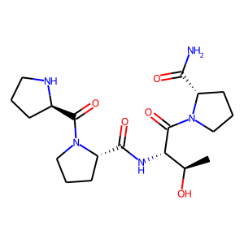 | CHEMBL420584 | 409.49 | 145.07 | C[C@@H](O)[C@H](NC(=O)[C@@H]1CCCN1C(=O)[C@H]1CCCN1)C(=O)N1CCC[C@H]1C(N)=O | 0.18032786885
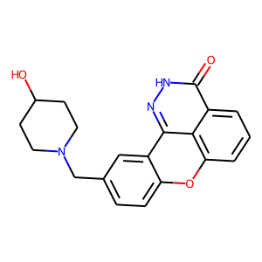 | CHEMBL3527000 | 349.39 | 78.45 | O=c1[nH]nc2c3c(cccc13)Oc1ccc(CN3CCC(O)CC3)cc1-2 | 0.16666666667
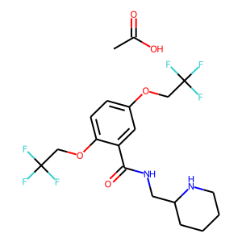 | CHEMBL1200822 | 474.4 | 59.59 | CC(=O)O.O=C(NCC1CCCCN1)c1cc(OCC(F)(F)F)ccc1OCC(F)(F)F | 0.16666666667
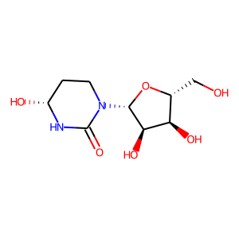 | CHEMBL1236475 | 248.24 | 122.49 | O=C1N[C@H](O)CCN1[C@@H]1O[C@H](CO)[C@@H](O)[C@H]1O | 0.16326530612
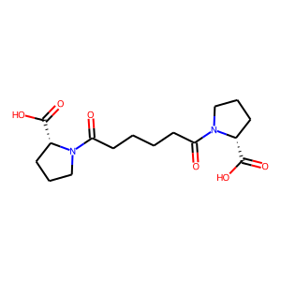 | CHEMBL25263 | 340.38 | 115.22 | O=C(O)[C@H]1CCCN1C(=O)CCCCC(=O)N1CCC[C@@H]1C(=O)O | 0.16279069767
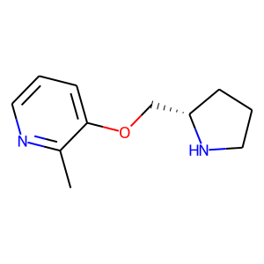 | CHEMBL127071 | 192.26 | 34.15 | Cc1ncccc1OC[C@@H]1CCCN1 | 0.16
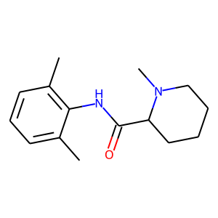 | CHEMBL1087 | 246.35 | 32.34 | Cc1cccc(C)c1NC(=O)C1CCCCN1C | 0.1568627451
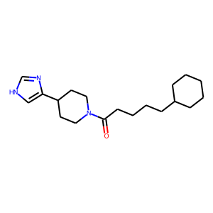 | CHEMBL14812 | 317.48 | 48.99 | O=C(CCCCC1CCCCC1)N1CCC(c2c[nH]cn2)CC1 | 0.15254237288
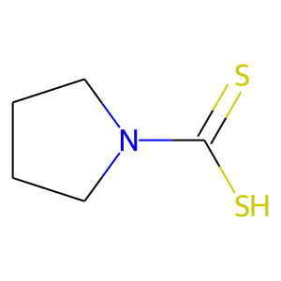 | CHEMBL399491 | 147.27 | 3.24 | S=C(S)N1CCCC1 | 0.15151515152
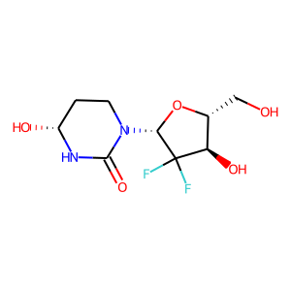 | CHEMBL3237547 | 268.22 | 102.26 | O=C1N[C@H](O)CCN1[C@@H]1O[C@H](CO)[C@@H](O)C1(F)F | 0.15094339623
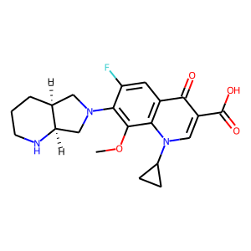 | CHEMBL32 | 401.44 | 83.80 | COc1c(N2C[C@@H]3CCCN[C@@H]3C2)c(F)cc2c(=O)c(C(=O)O)cn(C3CC3)c12 | 0.15068493151
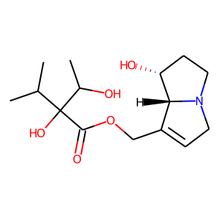 | CHEMBL445876 | 299.37 | 90.23 | CC(C)C(O)(C(=O)OCC1=CCN2CC[C@@H](O)[C@@H]12)C(C)O | 0.15
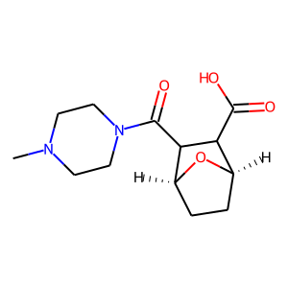 | CHEMBL4297300 | 268.31 | 70.08 | CN1CCN(C(=O)C2C(C(=O)O)[C@H]3CC[C@@H]2O3)CC1 | 0.14893617021
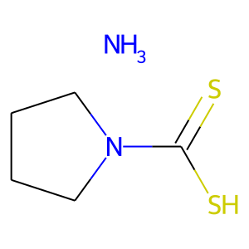 | CHEMBL1449651 | 164.3 | 3.24 | N.S=C(S)N1CCCC1 | 0.14705882353
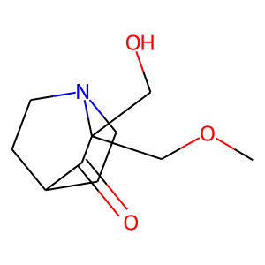 | CHEMBL3186011 | 199.25 | 49.77 | COCC1(CO)C(=O)C2CCN1CC2 | 0.14583333333

