Sheet1
 | ChEMBL ID | Molecular Weight | Polar Surface Area | Smiles | Tanimoto_Similarity (ECFP4)
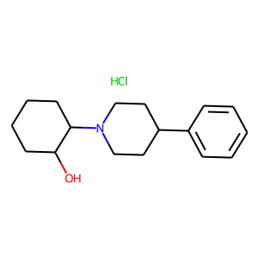 | CHEMBL1256846 | 295.85 | 23.47 | Cl.OC1CCCCC1N1CCC(c2ccccc2)CC1 | 0.25581395349
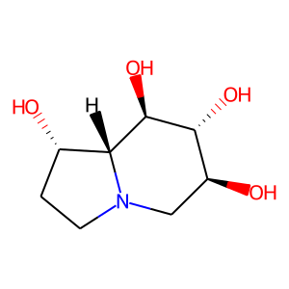 | CHEMBL311226 | 189.21 | 84.16 | O[C@H]1CN2CC[C@H](O)[C@@H]2[C@@H](O)[C@@H]1O | 0.25
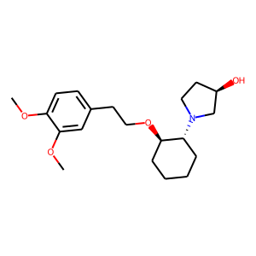 | CHEMBL2111112 | 349.47 | 51.16 | COc1ccc(CCO[C@@H]2CCCC[C@H]2N2CC[C@@H](O)C2)cc1OC | 0.22807017544
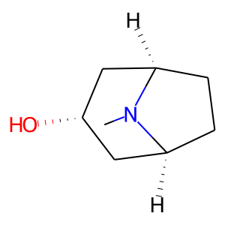 | CHEMBL1235490 | 141.21 | 23.47 | CN1[C@H]2CC[C@@H]1C[C@@H](O)C2 | 0.20588235294
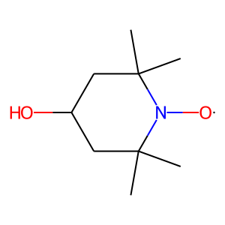 | CHEMBL607023 | 172.25 | 43.37 | CC1(C)CC(O)CC(C)(C)N1[O] | 0.2
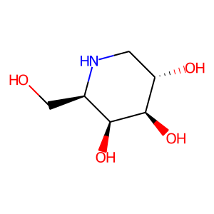 | CHEMBL110458 | 163.17 | 92.95 | OC[C@H]1NC[C@H](O)[C@@H](O)[C@H]1O | 0.18918918919
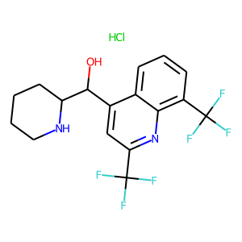 | CHEMBL535650 | 414.78 | 45.15 | Cl.OC(c1cc(C(F)(F)F)nc2c(C(F)(F)F)cccc12)C1CCCCN1 | 0.18333333333
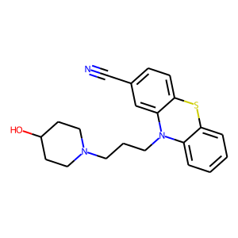 | CHEMBL251940 | 365.5 | 50.50 | N#Cc1ccc2c(c1)N(CCCN1CCC(O)CC1)c1ccccc1S2 | 0.18333333333
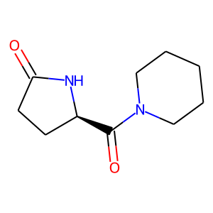 | CHEMBL2106179 | 196.25 | 49.41 | O=C1CC[C@H](C(=O)N2CCCCC2)N1 | 0.18181818182
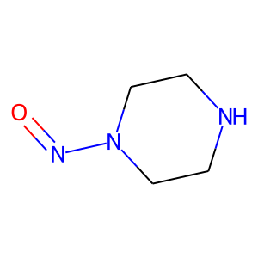 | CHEMBL1333 | 115.14 | 44.70 | O=NN1CCNCC1 | 0.17647058824
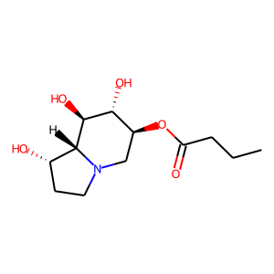 | CHEMBL2110737 | 259.3 | 90.23 | CCCC(=O)O[C@H]1CN2CC[C@H](O)[C@@H]2[C@@H](O)[C@@H]1O | 0.17647058824
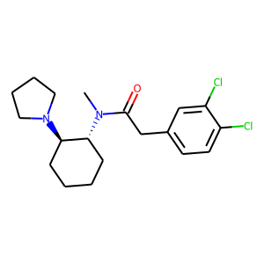 | CHEMBL441765 | 369.34 | 23.55 | CN(C(=O)Cc1ccc(Cl)c(Cl)c1)[C@@H]1CCCC[C@H]1N1CCCC1 | 0.17543859649
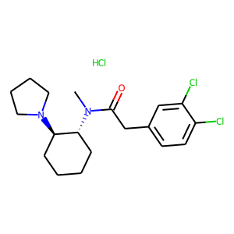 | CHEMBL1256834 | 405.8 | 23.55 | CN(C(=O)Cc1ccc(Cl)c(Cl)c1)[C@@H]1CCCC[C@H]1N1CCCC1.Cl | 0.1724137931
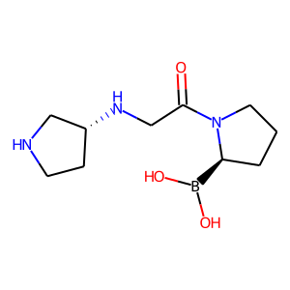 | CHEMBL4296719 | 241.1 | None | O=C(CN[C@@H]1CCNC1)N1CCC[C@H]1B(O)O | 0.16981132075
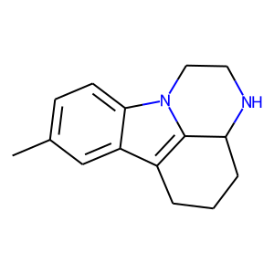 | CHEMBL32350 | 226.32 | 16.96 | Cc1ccc2c(c1)c1c3n2CCNC3CCC1 | 0.16666666667
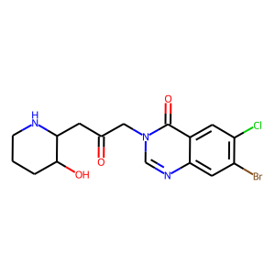 | CHEMBL1197091 | 414.69 | 84.22 | O=C(CC1NCCCC1O)Cn1cnc2cc(Br)c(Cl)cc2c1=O | 0.16417910448
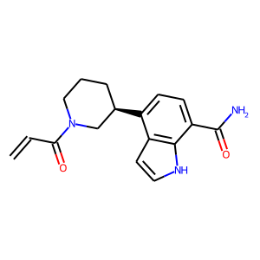 | CHEMBL4594348 | 297.36 | 79.19 | C=CC(=O)N1CCC[C@@H](c2ccc(C(N)=O)c3[nH]ccc23)C1 | 0.16393442623
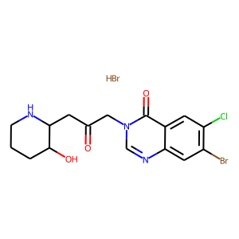 | CHEMBL559362 | 495.6 | 84.22 | Br.O=C(CC1NCCCC1O)Cn1cnc2cc(Br)c(Cl)cc2c1=O | 0.16176470588
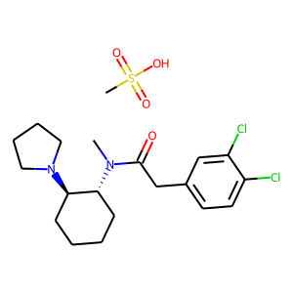 | CHEMBL482811 | 465.44 | 23.55 | CN(C(=O)Cc1ccc(Cl)c(Cl)c1)[C@@H]1CCCC[C@H]1N1CCCC1.CS(=O)(=O)O | 0.16129032258
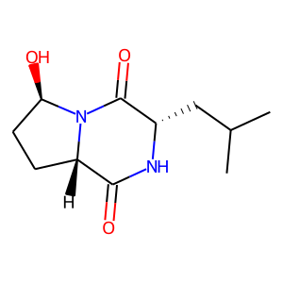 | CHEMBL1822158 | 226.28 | 69.64 | CC(C)C[C@@H]1NC(=O)[C@@H]2CC[C@@H](O)N2C1=O | 0.16

