Sheet1
 | ChEMBL ID | Molecular Weight | Polar Surface Area | Smiles | Tanimoto_Similarity (ECFP4)
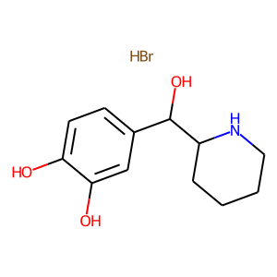 | CHEMBL2000813 | 304.18 | 72.72 | Br.Oc1ccc(C(O)C2CCCCN2)cc1O | 0.24444444444
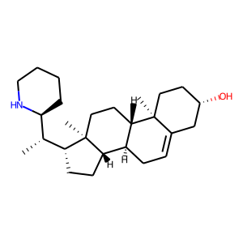 | CHEMBL1803109 | 385.64 | 32.26 | C[C@H]([C@@H]1CCCCN1)[C@H]1CC[C@H]2[C@@H]3CC=C4C[C@@H](O)CC[C@]4(C)[C@H]3CC[C@@]21C | 0.20634920635
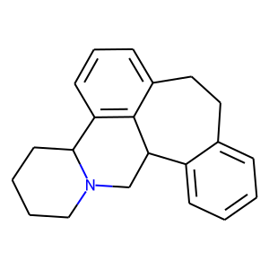 | CHEMBL2111072 | 289.42 | 3.24 | c1ccc2c(c1)CCc1cccc3c1C2CN1CCCCC31 | 0.15384615385
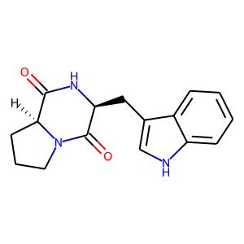 | CHEMBL563557 | 283.33 | 65.20 | O=C1N[C@@H](Cc2c[nH]c3ccccc23)C(=O)N2CCC[C@@H]12 | 0.15254237288
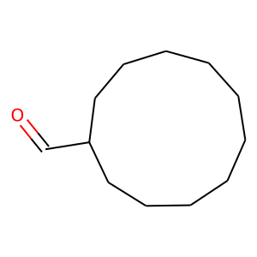 | CHEMBL279363 | 182.31 | 17.07 | O=CC1CCCCCCCCCC1 | 0.15151515152
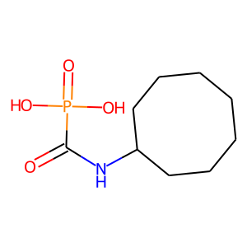 | CHEMBL97709 | 235.22 | 86.63 | O=C(NC1CCCCCCC1)P(=O)(O)O | 0.15
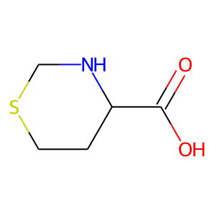 | CHEMBL2105362 | 147.2 | 49.33 | O=C(O)C1CCSCN1 | 0.15
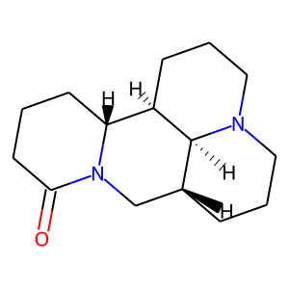 | CHEMBL1824581 | 248.37 | 23.55 | O=C1CCC[C@@H]2[C@H]3CCCN4CCC[C@H](CN12)[C@@H]34 | 0.14285714286
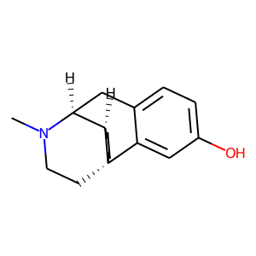 | CHEMBL1254766 | 257.38 | 23.47 | CN1CC[C@@]23CCCC[C@@H]2[C@@H]1Cc1ccc(O)cc13 | 0.14285714286
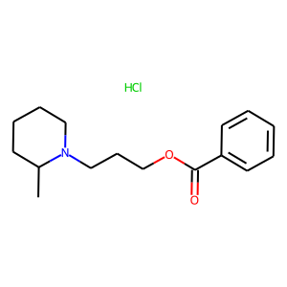 | CHEMBL2107171 | 297.83 | 29.54 | CC1CCCCN1CCCOC(=O)c1ccccc1.Cl | 0.14035087719
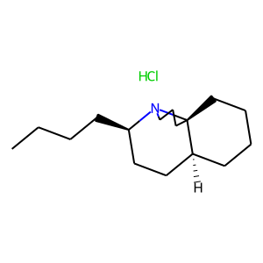 | CHEMBL517699 | 271.88 | 3.24 | CCCC[C@@H]1CC[C@@H]2CCCC[C@]23CCCN13.Cl | 0.13725490196
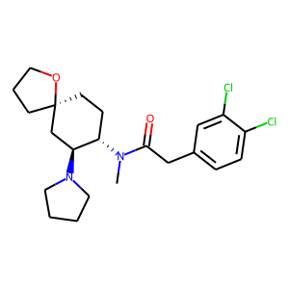 | CHEMBL70586 | 425.4 | 32.78 | CN(C(=O)Cc1ccc(Cl)c(Cl)c1)[C@H]1CC[C@@]2(CCCO2)C[C@@H]1N1CCCC1 | 0.13235294118
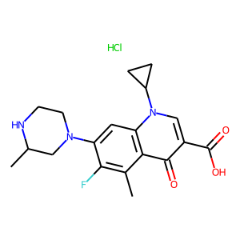 | CHEMBL1200393 | 395.86 | 74.57 | Cc1c(F)c(N2CCNC(C)C2)cc2c1c(=O)c(C(=O)O)cn2C1CC1.Cl | 0.13043478261
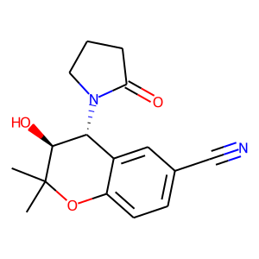 | CHEMBL100 | 286.33 | 73.56 | CC1(C)Oc2ccc(C#N)cc2[C@@H](N2CCCC2=O)[C@@H]1O | 0.12903225806
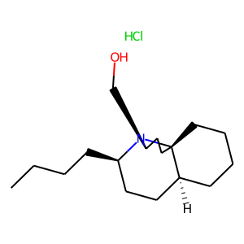 | CHEMBL481444 | 301.9 | 23.47 | CCCC[C@@H]1CC[C@@H]2CCCC[C@]23CC[C@@H](CO)N13.Cl | 0.12727272727
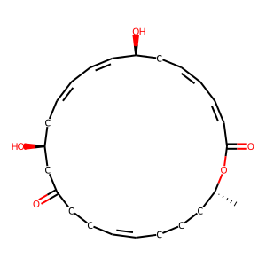 | CHEMBL503476 | 402.53 | 83.83 | C[C@@H]1CCC/C=C/CCC(=O)C[C@@H](O)C/C=C\C=C\[C@@H](O)C/C=C/C=C\C(=O)O1 | 0.125
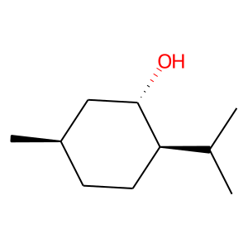 | CHEMBL1907990 | 156.27 | 20.23 | CC(C)[C@H]1CC[C@@H](C)C[C@@H]1O | 0.125
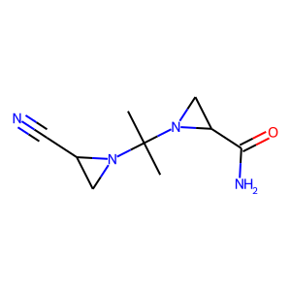 | CHEMBL149579 | 194.24 | 72.90 | CC(C)(N1CC1C#N)N1CC1C(N)=O | 0.125
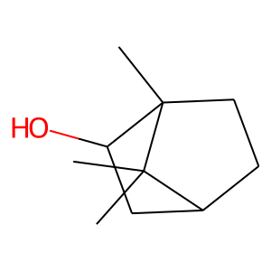 | CHEMBL1097205 | 154.25 | 20.23 | CC1(C)C2CCC1(C)C(O)C2 | 0.125
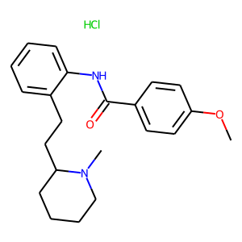 | CHEMBL2106155 | 388.94 | 41.57 | COc1ccc(C(=O)Nc2ccccc2CCC2CCCCN2C)cc1.Cl | 0.12307692308

