Sheet1
 | ChEMBL ID | Molecular Weight | Polar Surface Area | Smiles | Tanimoto_Similarity (ECFP4)
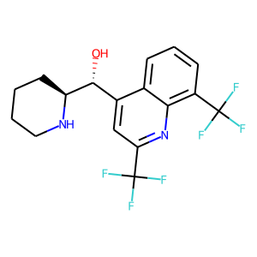 | CHEMBL411329 | 378.32 | 45.15 | O[C@H](c1cc(C(F)(F)F)nc2c(C(F)(F)F)cccc12)[C@@H]1CCCCN1 | 0.18644067797
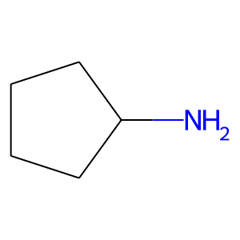 | CHEMBL1171859 | 85.15 | 26.02 | NC1CCCC1 | 0.1724137931
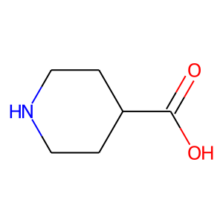 | CHEMBL279998 | 129.16 | 49.33 | O=C(O)C1CCNCC1 | 0.17142857143
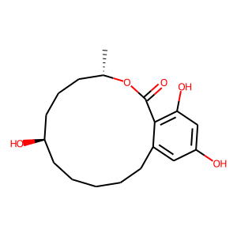 | CHEMBL450613 | 322.4 | 86.99 | C[C@H]1CCC[C@H](O)CCCCCc2cc(O)cc(O)c2C(=O)O1 | 0.16071428571
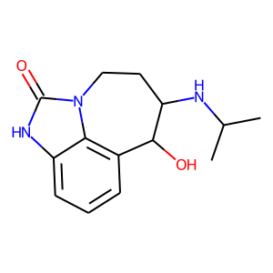 | CHEMBL2218907 | 261.32 | 70.05 | CC(C)NC1CCn2c(=O)[nH]c3cccc(c32)C1O | 0.15517241379
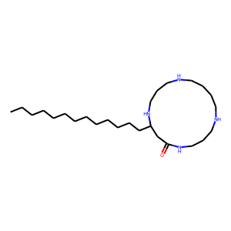 | CHEMBL562156 | 438.75 | 65.19 | CCCCCCCCCCCCCC1CC(=O)NCCCNCCCCNCCCN1 | 0.15384615385
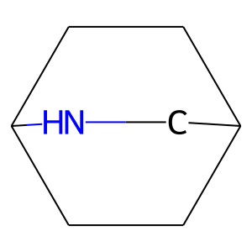 | CHEMBL1214433 | 111.19 | 12.03 | C1CC2CCC1CN2 | 0.15151515152
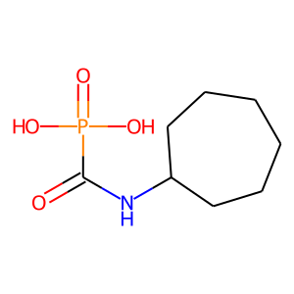 | CHEMBL97614 | 221.19 | 86.63 | O=C(NC1CCCCCC1)P(=O)(O)O | 0.15
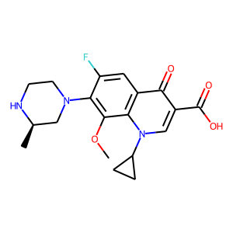 | CHEMBL251670 | 375.4 | 83.80 | COc1c(N2CCN[C@H](C)C2)c(F)cc2c(=O)c(C(=O)O)cn(C3CC3)c12 | 0.14285714286
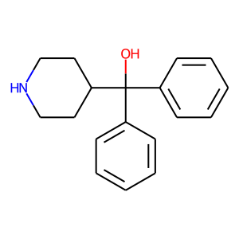 | CHEMBL127508 | 267.37 | 32.26 | OC(c1ccccc1)(c1ccccc1)C1CCNCC1 | 0.13953488372
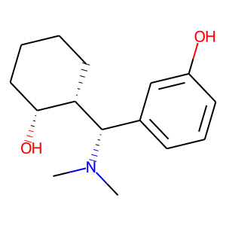 | CHEMBL2104132 | 249.35 | 43.70 | CN(C)[C@@H](c1cccc(O)c1)[C@H]1CCCC[C@H]1O | 0.13725490196
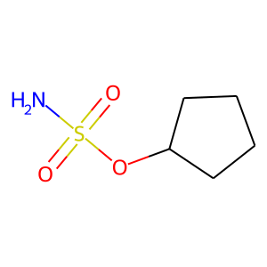 | CHEMBL150300 | 165.21 | 69.39 | NS(=O)(=O)OC1CCCC1 | 0.13513513514
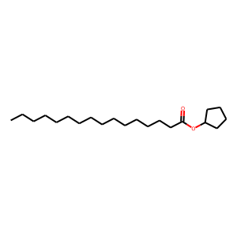 | CHEMBL590884 | 324.55 | 26.30 | CCCCCCCCCCCCCCCC(=O)OC1CCCC1 | 0.13333333333
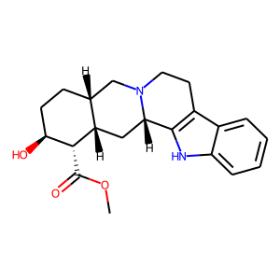 | CHEMBL10347 | 354.45 | 65.56 | COC(=O)[C@@H]1[C@@H](O)CC[C@@H]2CN3CCc4c([nH]c5ccccc45)[C@@H]3C[C@@H]21 | 0.13043478261
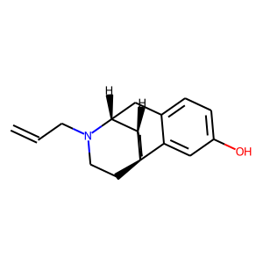 | CHEMBL1254682 | 283.41 | 23.47 | C=CCN1CC[C@]23CCCC[C@H]2[C@H]1Cc1ccc(O)cc13 | 0.12903225806
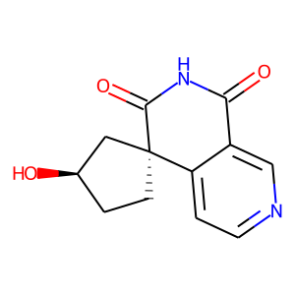 | CHEMBL445548 | 232.24 | 79.29 | O=C1NC(=O)[C@@]2(CC[C@@H](O)C2)c2ccncc21 | 0.12727272727
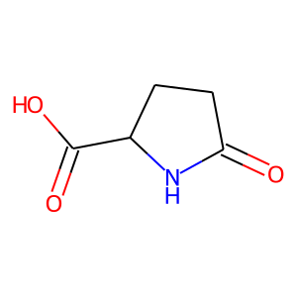 | CHEMBL284718 | 129.12 | 66.40 | O=C1CCC(C(=O)O)N1 | 0.125
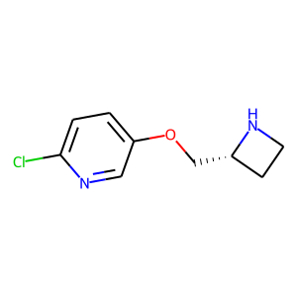 | CHEMBL430497 | 198.65 | 34.15 | Clc1ccc(OC[C@H]2CCN2)cn1 | 0.12244897959
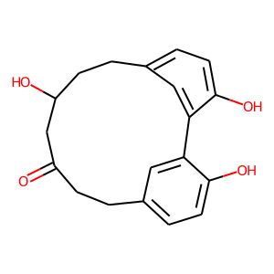 | CHEMBL483034 | 312.37 | 77.76 | O=C1CCc2ccc(O)c(c2)-c2cc(ccc2O)CCC(O)C1 | 0.12
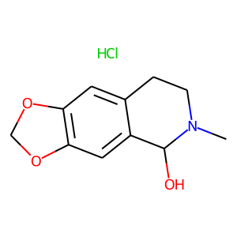 | CHEMBL1517651 | 243.69 | 41.93 | CN1CCc2cc3c(cc2C1O)OCO3.Cl | 0.12

