Sheet1
 | ChEMBL ID | Molecular Weight | Polar Surface Area | Smiles | Tanimoto_Similarity (ECFP4)
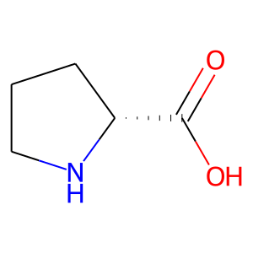 | CHEMBL80257 | 115.13 | 49.33 | O=C(O)[C@H]1CCCN1 | 0.26470588235
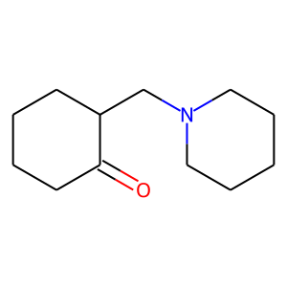 | CHEMBL2005520 | 195.31 | 20.31 | O=C1CCCCC1CN1CCCCC1 | 0.19047619048
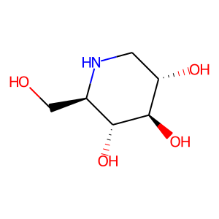 | CHEMBL307429 | 163.17 | 92.95 | OC[C@H]1NC[C@H](O)[C@@H](O)[C@@H]1O | 0.18918918919
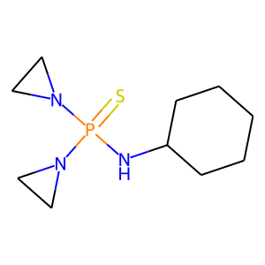 | CHEMBL451261 | 245.33 | 18.05 | S=P(NC1CCCCC1)(N1CC1)N1CC1 | 0.18421052632
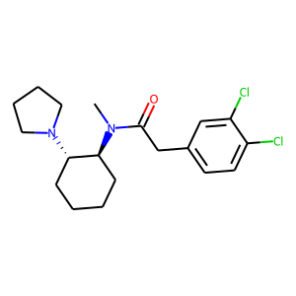 | CHEMBL58033 | 369.34 | 23.55 | CN(C(=O)Cc1ccc(Cl)c(Cl)c1)[C@H]1CCCC[C@@H]1N1CCCC1 | 0.17543859649
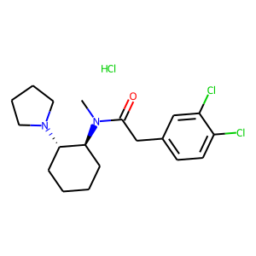 | CHEMBL593781 | 405.8 | 23.55 | CN(C(=O)Cc1ccc(Cl)c(Cl)c1)[C@H]1CCCC[C@@H]1N1CCCC1.Cl | 0.1724137931
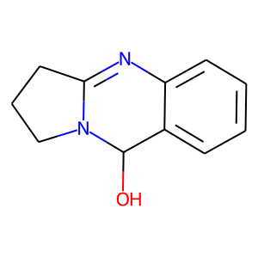 | CHEMBL2165578 | 188.23 | 35.83 | OC1c2ccccc2N=C2CCCN21 | 0.17021276596
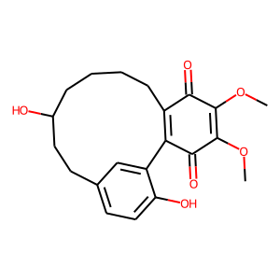 | CHEMBL483238 | 372.42 | 93.06 | COC1=C(OC)C(=O)C2=C(CCCCC(O)CCc3ccc(O)c2c3)C1=O | 0.16949152542
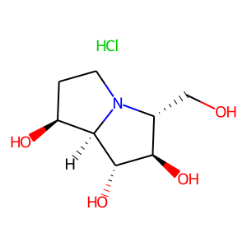 | CHEMBL2163789 | 225.67 | 84.16 | Cl.OC[C@@H]1[C@@H](O)[C@H](O)[C@H]2[C@@H](O)CCN12 | 0.16666666667
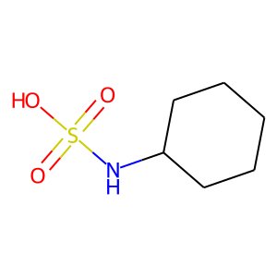 | CHEMBL1206440 | 179.24 | 66.40 | O=S(=O)(O)NC1CCCCC1 | 0.16216216216
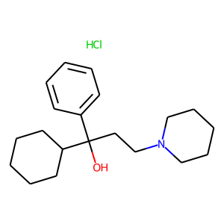 | CHEMBL1092 | 337.94 | 23.47 | Cl.OC(CCN1CCCCC1)(c1ccccc1)C1CCCCC1 | 0.1568627451
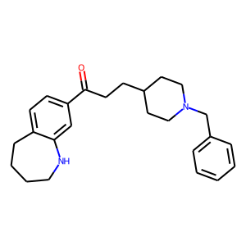 | CHEMBL75013 | 376.54 | 32.34 | O=C(CCC1CCN(Cc2ccccc2)CC1)c1ccc2c(c1)NCCCC2 | 0.15151515152
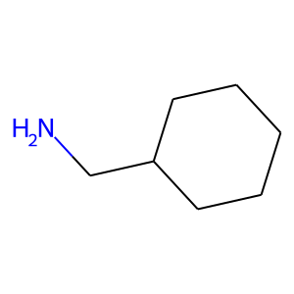 | CHEMBL1049 | 113.2 | 26.02 | NCC1CCCCC1 | 0.15151515152
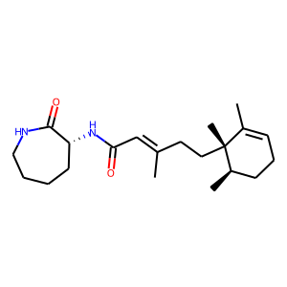 | CHEMBL520635 | 346.52 | 58.20 | CC1=CCC[C@@H](C)[C@]1(C)CC/C(C)=C/C(=O)N[C@@H]1CCCCNC1=O | 0.14925373134
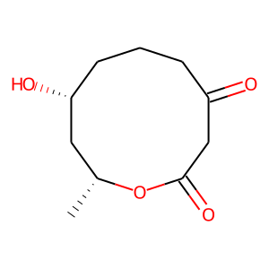 | CHEMBL468861 | 200.23 | 63.60 | C[C@@H]1C[C@H](O)CCCC(=O)CC(=O)O1 | 0.14893617021
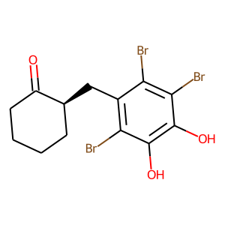 | CHEMBL490356 | 456.96 | 57.53 | O=C1CCCC[C@@H]1Cc1c(Br)c(O)c(O)c(Br)c1Br | 0.14583333333
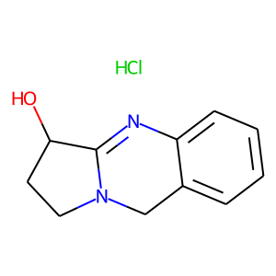 | CHEMBL468337 | 224.69 | 35.83 | Cl.OC1CCN2Cc3ccccc3N=C12 | 0.14285714286
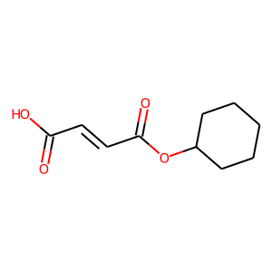 | CHEMBL1771643 | 198.22 | 63.60 | O=C(O)/C=C/C(=O)OC1CCCCC1 | 0.14285714286
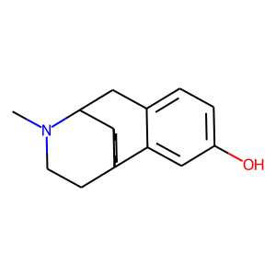 | CHEMBL20803 | 257.38 | 23.47 | CN1CCC23CCCCC2C1Cc1ccc(O)cc13 | 0.14285714286
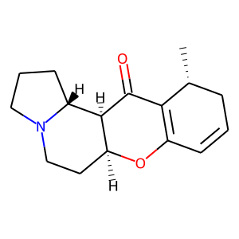 | CHEMBL484849 | 259.35 | 29.54 | C[C@@H]1CC=CC2=C1C(=O)[C@H]1[C@H](CCN3CCC[C@H]13)O2 | 0.14035087719

