Sheet1
 | ChEMBL ID | Molecular Weight | Polar Surface Area | Smiles | Tanimoto_Similarity (ECFP4)
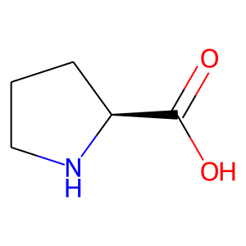 | CHEMBL54922 | 115.13 | 49.33 | O=C(O)[C@@H]1CCCN1 | 0.26470588235
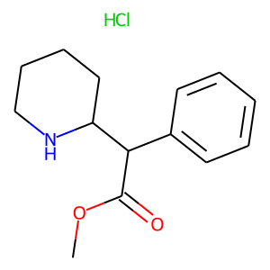 | CHEMBL1722 | 269.77 | 38.33 | COC(=O)C(c1ccccc1)C1CCCCN1.Cl | 0.24489795918
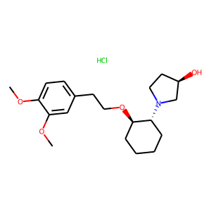 | CHEMBL2107383 | 385.93 | 51.16 | COc1ccc(CCO[C@@H]2CCCC[C@H]2N2CC[C@@H](O)C2)cc1OC.Cl | 0.22413793103
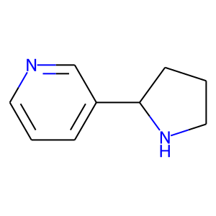 | CHEMBL1132 | 148.21 | 24.92 | c1cncc(C2CCCN2)c1 | 0.18604651163
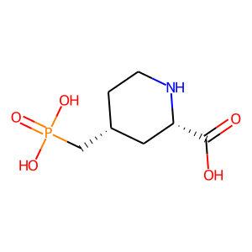 | CHEMBL39664 | 223.16 | 106.86 | O=C(O)[C@@H]1C[C@H](CP(=O)(O)O)CCN1 | 0.15217391304
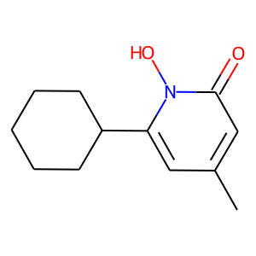 | CHEMBL1413 | 207.27 | 42.23 | Cc1cc(C2CCCCC2)n(O)c(=O)c1 | 0.15217391304
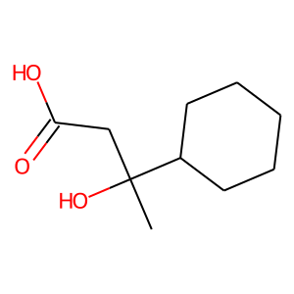 | CHEMBL52091 | 186.25 | 57.53 | CC(O)(CC(=O)O)C1CCCCC1 | 0.14634146341
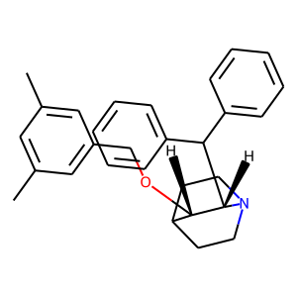 | CHEMBL283356 | 411.59 | 12.47 | Cc1cc(C)cc(CO[C@H]2C3CCN(CC3)[C@H]2C(c2ccccc2)c2ccccc2)c1 | 0.14035087719
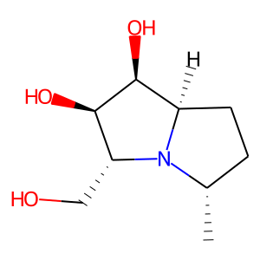 | CHEMBL505166 | 187.24 | 63.93 | C[C@H]1CC[C@@H]2[C@H](O)[C@H](O)[C@@H](CO)N12 | 0.13953488372
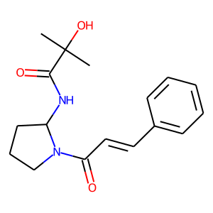 | CHEMBL448832 | 302.37 | 69.64 | CC(C)(O)C(=O)NC1CCCN1C(=O)/C=C/c1ccccc1 | 0.13559322034
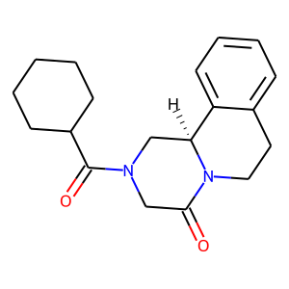 | CHEMBL1235551 | 312.41 | 40.62 | O=C(C1CCCCC1)N1CC(=O)N2CCc3ccccc3[C@@H]2C1 | 0.13559322034
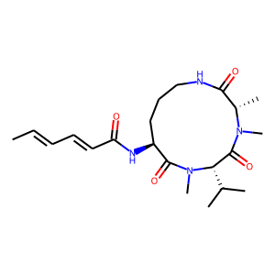 | CHEMBL1164384 | 406.53 | 98.82 | C/C=C/C=C/C(=O)N[C@H]1CCCNC(=O)[C@H](C)N(C)C(=O)[C@H](C(C)C)N(C)C1=O | 0.13432835821
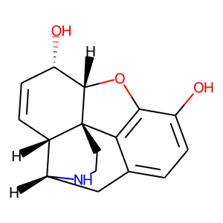 | CHEMBL1227 | 271.32 | 61.72 | Oc1ccc2c3c1O[C@H]1[C@@H](O)C=C[C@H]4[C@@H](C2)NCC[C@]314 | 0.13333333333
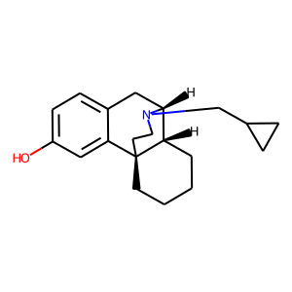 | CHEMBL49269 | 297.44 | 23.47 | Oc1ccc2c(c1)[C@@]13CCCC[C@H]1[C@@H](C2)N(CC1CC1)CC3 | 0.13333333333
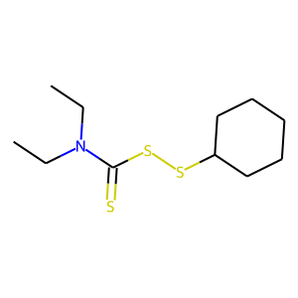 | CHEMBL1099261 | 263.5 | 3.24 | CCN(CC)C(=S)SSC1CCCCC1 | 0.13333333333
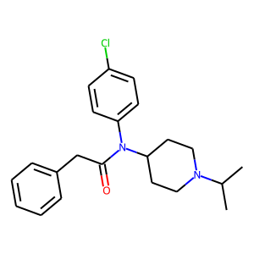 | CHEMBL87543 | 370.92 | 23.55 | CC(C)N1CCC(N(C(=O)Cc2ccccc2)c2ccc(Cl)cc2)CC1 | 0.13333333333
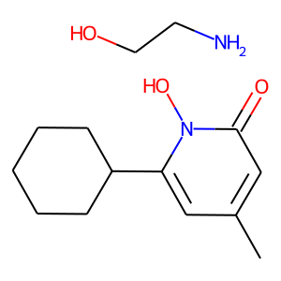 | CHEMBL242580 | 268.36 | 42.23 | Cc1cc(C2CCCCC2)n(O)c(=O)c1.NCCO | 0.1320754717
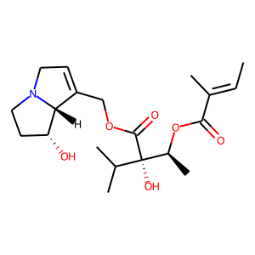 | CHEMBL486394 | 381.47 | 96.30 | C/C=C(\C)C(=O)O[C@@H](C)[C@](O)(C(=O)OCC1=CCN2CC[C@@H](O)[C@@H]12)C(C)C | 0.13043478261
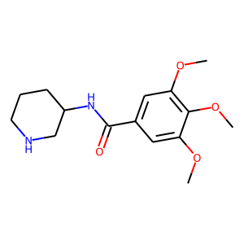 | CHEMBL1566956 | 294.35 | 68.82 | COc1cc(C(=O)NC2CCCNC2)cc(OC)c1OC | 0.12727272727
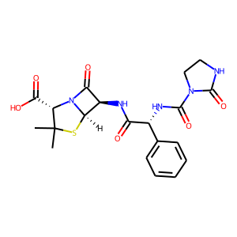 | CHEMBL1537 | 461.5 | 148.15 | CC1(C)S[C@@H]2[C@H](NC(=O)[C@H](NC(=O)N3CCNC3=O)c3ccccc3)C(=O)N2[C@H]1C(=O)O | 0.125

