Sheet1
 | ChEMBL ID | Molecular Weight | Polar Surface Area | Smiles | Tanimoto_Similarity (ECFP4)
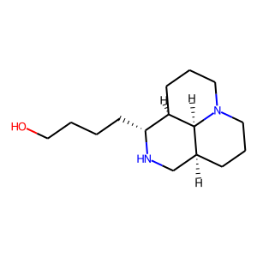 | CHEMBL1818589 | 252.4 | 35.50 | OCCCC[C@H]1NC[C@@H]2CCCN3CCC[C@H]1[C@H]23 | 0.20408163265
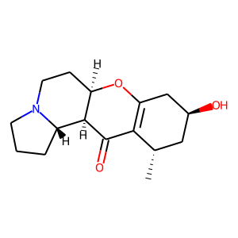 | CHEMBL509995 | 277.36 | 49.77 | C[C@H]1C[C@H](O)CC2=C1C(=O)[C@H]1[C@@H]3CCCN3CC[C@H]1O2 | 0.2
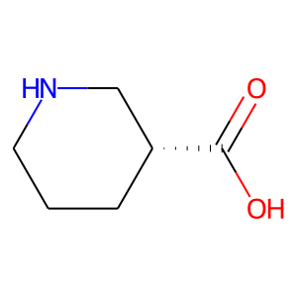 | CHEMBL77575 | 129.16 | 49.33 | O=C(O)[C@@H]1CCCNC1 | 0.18421052632
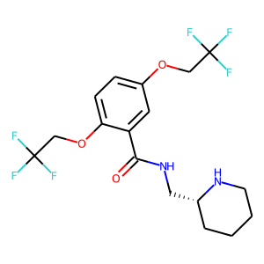 | CHEMBL398673 | 414.35 | 59.59 | O=C(NC[C@H]1CCCCN1)c1cc(OCC(F)(F)F)ccc1OCC(F)(F)F | 0.17741935484
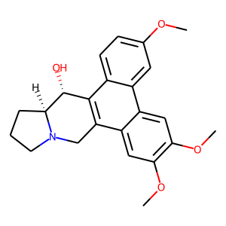 | CHEMBL398325 | 379.46 | 51.16 | COc1ccc2c3c(c4cc(OC)c(OC)cc4c2c1)CN1CCC[C@H]1[C@@H]3O | 0.15789473684
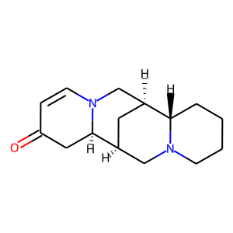 | CHEMBL517095 | 246.35 | 23.55 | O=C1C=CN2C[C@@H]3C[C@@H](CN4CCCC[C@@H]34)[C@H]2C1 | 0.1568627451
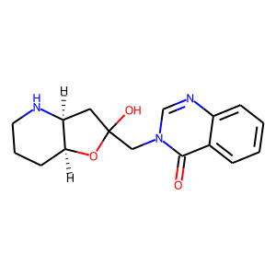 | CHEMBL105789 | 301.35 | 76.38 | O=c1c2ccccc2ncn1CC1(O)C[C@@H]2NCCC[C@@H]2O1 | 0.15384615385
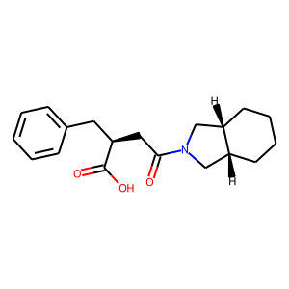 | CHEMBL471498 | 315.41 | 57.61 | O=C(O)[C@H](CC(=O)N1C[C@H]2CCCC[C@H]2C1)Cc1ccccc1 | 0.15094339623
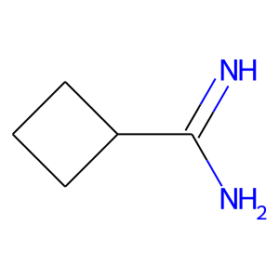 | CHEMBL1783072 | 98.15 | 49.87 | N=C(N)C1CCC1 | 0.14705882353
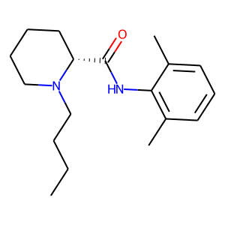 | CHEMBL189827 | 288.44 | 32.34 | CCCCN1CCCC[C@@H]1C(=O)Nc1c(C)cccc1C | 0.14035087719
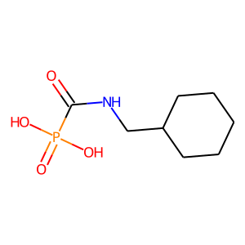 | CHEMBL97951 | 221.19 | 86.63 | O=C(NCC1CCCCC1)P(=O)(O)O | 0.13953488372
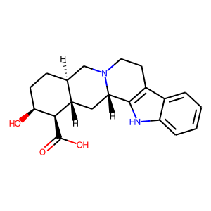 | CHEMBL148824 | 340.42 | 76.56 | O=C(O)[C@H]1[C@@H](O)CC[C@H]2CN3CCc4c([nH]c5ccccc45)[C@@H]3C[C@@H]21 | 0.13846153846
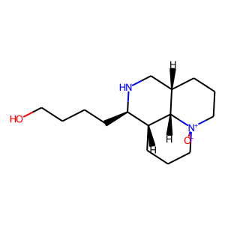 | CHEMBL1818588 | 268.4 | 55.32 | [O-][N+]12CCC[C@H]3CN[C@H](CCCCO)[C@@H](CCC1)[C@H]32 | 0.1320754717
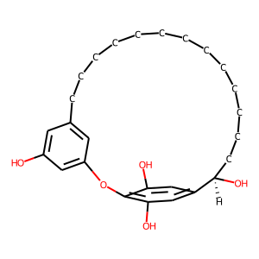 | CHEMBL386956 | 428.57 | 90.15 | Oc1cc2cc(c1)Oc1c(O)cc(cc1O)[C@H](O)CCCCCCCCCCCCC2 | 0.1320754717
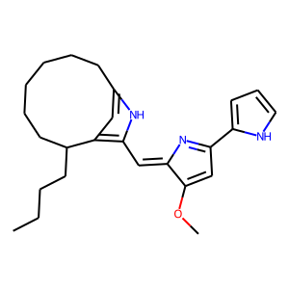 | CHEMBL1812867 | 391.56 | 53.17 | CCCCC1CCCCCCc2cc1c(/C=C1\N=C(c3ccc[nH]3)C=C1OC)[nH]2 | 0.13157894737
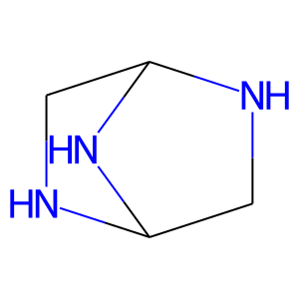 | CHEMBL450353 | 99.14 | 36.09 | C1NC2CNC1N2 | 0.12903225806
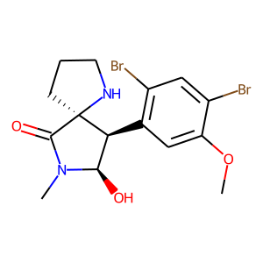 | CHEMBL523642 | 434.13 | 61.80 | COc1cc([C@H]2[C@@H](O)N(C)C(=O)[C@]23CCCN3)c(Br)cc1Br | 0.12698412698
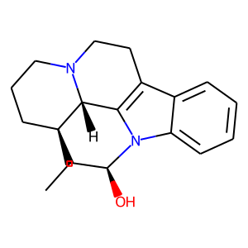 | CHEMBL2104946 | 296.41 | 28.40 | CC[C@]12CCCN3CCc4c(n(c5ccccc45)[C@@H](O)C1)[C@@H]32 | 0.12698412698
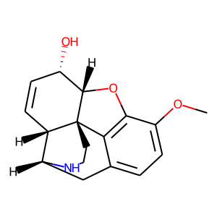 | CHEMBL1908321 | 285.34 | 50.72 | COc1ccc2c3c1O[C@H]1[C@@H](O)C=C[C@H]4[C@@H](C2)NCC[C@]314 | 0.125
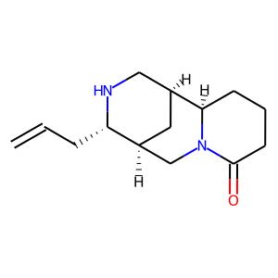 | CHEMBL459206 | 234.34 | 32.34 | C=CC[C@@H]1NC[C@@H]2C[C@H]1CN1C(=O)CCC[C@H]21 | 0.125

