Sheet1
 | ChEMBL ID | Molecular Weight | Polar Surface Area | Smiles | Tanimoto_Similarity (ECFP4)
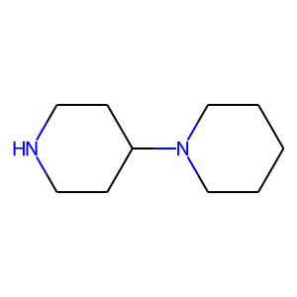 | CHEMBL174391 | 168.28 | 15.27 | C1CCN(C2CCNCC2)CC1 | 0.26470588235
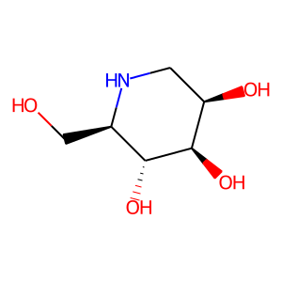 | CHEMBL84844 | 163.17 | 92.95 | OC[C@H]1NC[C@@H](O)[C@@H](O)[C@@H]1O | 0.18918918919
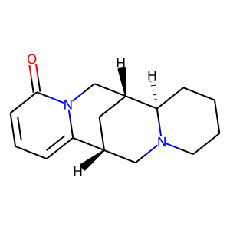 | CHEMBL509692 | 244.34 | 25.24 | O=c1cccc2n1C[C@H]1C[C@@H]2CN2CCCC[C@H]12 | 0.17307692308
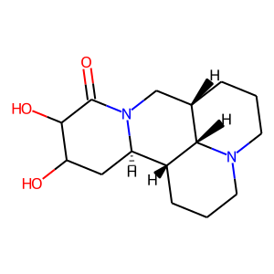 | CHEMBL1672140 | 280.37 | 64.01 | O=C1C(O)C(O)C[C@@H]2[C@H]3CCCN4CCC[C@@H](CN12)[C@@H]34 | 0.17307692308
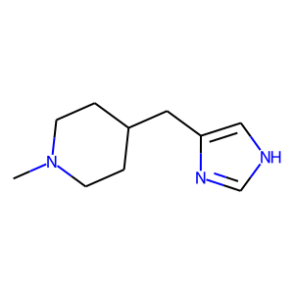 | CHEMBL175782 | 179.27 | 31.92 | CN1CCC(Cc2c[nH]cn2)CC1 | 0.15217391304
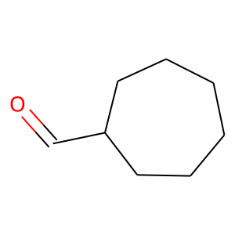 | CHEMBL277996 | 126.2 | 17.07 | O=CC1CCCCCC1 | 0.15151515152
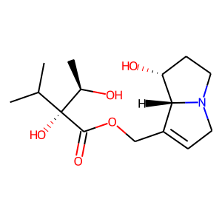 | CHEMBL450265 | 299.37 | 90.23 | CC(C)[C@](O)(C(=O)OCC1=CCN2CC[C@@H](O)[C@@H]12)[C@@H](C)O | 0.15
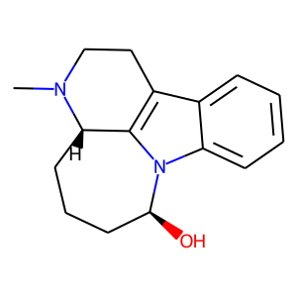 | CHEMBL561203 | 256.35 | 28.40 | CN1CCc2c3n(c4ccccc24)[C@@H](O)CCC[C@@H]31 | 0.14545454545
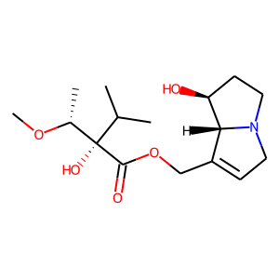 | CHEMBL2165593 | 313.39 | 79.23 | CO[C@H](C)[C@](O)(C(=O)OCC1=CCN2CC[C@H](O)[C@@H]12)C(C)C | 0.14516129032
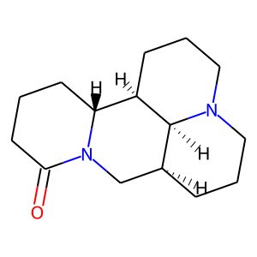 | CHEMBL204860 | 248.37 | 23.55 | O=C1CCC[C@@H]2[C@H]3CCCN4CCC[C@@H](CN12)[C@@H]34 | 0.14285714286
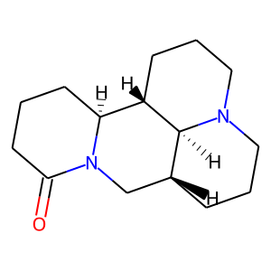 | CHEMBL525227 | 248.37 | 23.55 | O=C1CCC[C@H]2[C@@H]3CCCN4CCC[C@H](CN12)[C@@H]34 | 0.14285714286
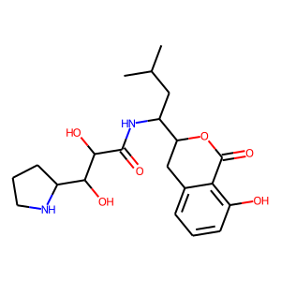 | CHEMBL522314 | 406.48 | 128.12 | CC(C)CC(NC(=O)C(O)C(O)C1CCCN1)C1Cc2cccc(O)c2C(=O)O1 | 0.14084507042
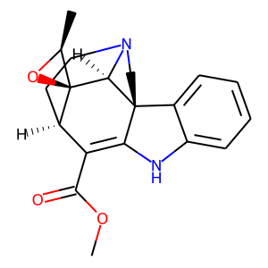 | CHEMBL1087384 | 338.41 | 54.10 | COC(=O)C1=C2Nc3ccccc3[C@]23CCN2CC[C@H]1[C@@]1(O[C@H]1C)[C@@H]23 | 0.13432835821
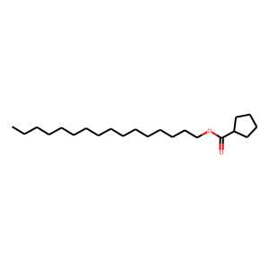 | CHEMBL590886 | 338.58 | 26.30 | CCCCCCCCCCCCCCCCOC(=O)C1CCCC1 | 0.13333333333
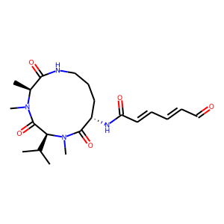 | CHEMBL1164758 | 420.51 | 115.89 | CC(C)[C@H]1C(=O)N(C)[C@@H](C)C(=O)NCCC[C@H](NC(=O)/C=C/C=C/C=O)C(=O)N1C | 0.13235294118
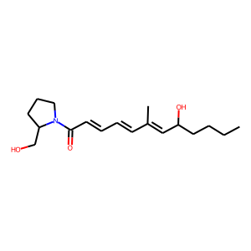 | CHEMBL520042 | 307.43 | 60.77 | CCCCC(O)/C=C(C)/C=C/C=C/C(=O)N1CCCC1CO | 0.13114754098
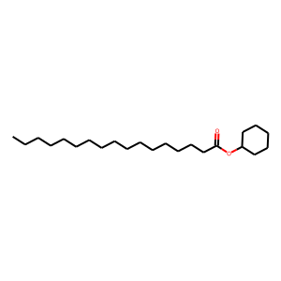 | CHEMBL590638 | 352.6 | 26.30 | CCCCCCCCCCCCCCCCC(=O)OC1CCCCC1 | 0.13043478261
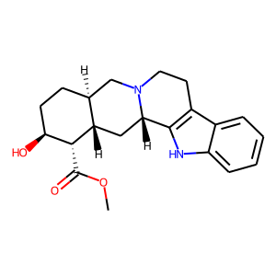 | CHEMBL31410 | 354.45 | 65.56 | COC(=O)[C@@H]1[C@@H](O)CC[C@H]2CN3CCc4c([nH]c5ccccc45)[C@@H]3C[C@H]12 | 0.13043478261
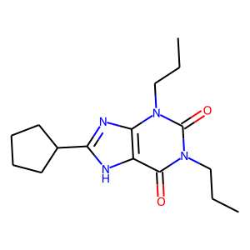 | CHEMBL183 | 304.39 | 72.68 | CCCn1c(=O)c2[nH]c(C3CCCC3)nc2n(CCC)c1=O | 0.12962962963
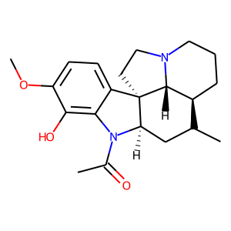 | CHEMBL1173074 | 370.49 | 53.01 | CC[C@@]12CCCN3CC[C@]4(c5ccc(OC)c(O)c5N(C(C)=O)[C@@H]4CC1)[C@H]32 | 0.12857142857

