Sheet1
 | ChEMBL ID | Molecular Weight | Polar Surface Area | Smiles | Tanimoto_Similarity (ECFP4)
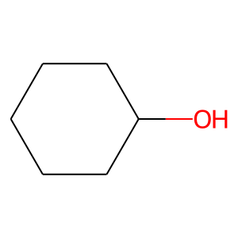 | CHEMBL32010 | 100.16 | 20.23 | OC1CCCCC1 | 0.34615384615
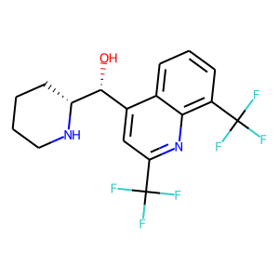 | CHEMBL411686 | 378.32 | 45.15 | O[C@H](c1cc(C(F)(F)F)nc2c(C(F)(F)F)cccc12)[C@H]1CCCCN1 | 0.18644067797
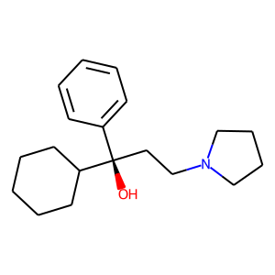 | CHEMBL251903 | 287.45 | 23.47 | O[C@](CCN1CCCC1)(c1ccccc1)C1CCCCC1 | 0.16
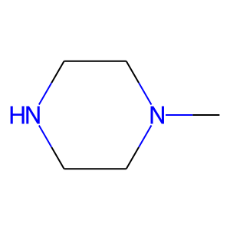 | CHEMBL1011 | 100.17 | 15.27 | CN1CCNCC1 | 0.15625
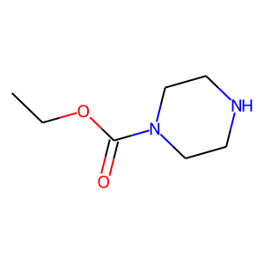 | CHEMBL213851 | 158.2 | 41.57 | CCOC(=O)N1CCNCC1 | 0.14634146341
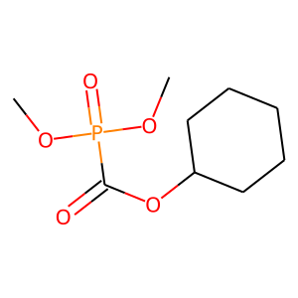 | CHEMBL91262 | 236.2 | 61.83 | COP(=O)(OC)C(=O)OC1CCCCC1 | 0.13953488372
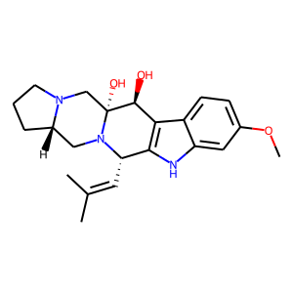 | CHEMBL1089971 | 383.49 | 71.96 | COc1ccc2c3c([nH]c2c1)[C@H](C=C(C)C)N1C[C@@H]2CCCN2C[C@@]1(O)[C@H]3O | 0.13698630137
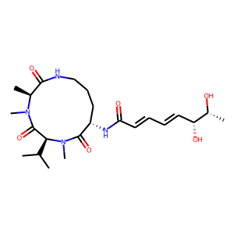 | CHEMBL1164866 | 466.58 | 139.28 | CC(C)[C@H]1C(=O)N(C)[C@@H](C)C(=O)NCCC[C@H](NC(=O)/C=C/C=C/[C@@H](O)[C@@H](C)O)C(=O)N1C | 0.12857142857
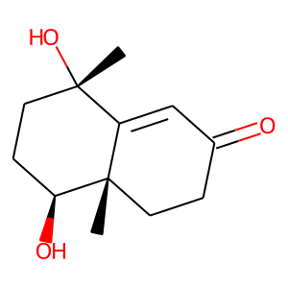 | CHEMBL2063125 | 210.27 | 57.53 | C[C@]1(O)CC[C@H](O)[C@@]2(C)CCC(=O)C=C12 | 0.12244897959
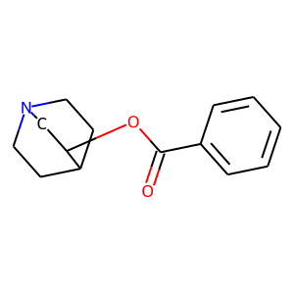 | CHEMBL121932 | 231.29 | 29.54 | O=C(OC1CN2CCC1CC2)c1ccccc1 | 0.12
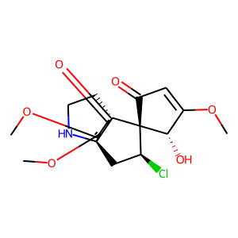 | CHEMBL237765 | 383.83 | 94.09 | COC1=CC(=O)[C@]2([C@@H](Cl)C[C@]34NCC[C@@]32CC(=O)C(OC)=C4OC)[C@H]1O | 0.11940298507
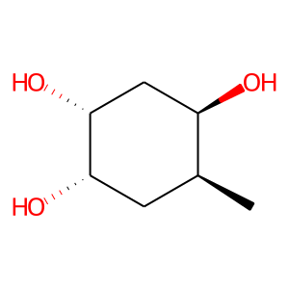 | CHEMBL550966 | 146.19 | 60.69 | C[C@H]1C[C@H](O)[C@H](O)C[C@H]1O | 0.11764705882
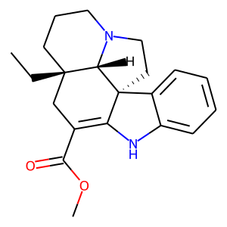 | CHEMBL251690 | 338.45 | 41.57 | CC[C@]12CCCN3CC[C@]4(C(=C(C(=O)OC)C1)Nc1ccccc14)[C@@H]32 | 0.11594202899
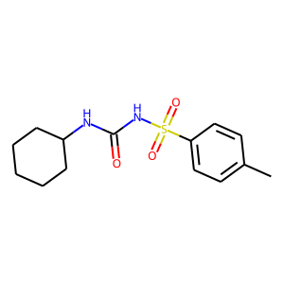 | CHEMBL312394 | 296.39 | 75.27 | Cc1ccc(S(=O)(=O)NC(=O)NC2CCCCC2)cc1 | 0.11538461538
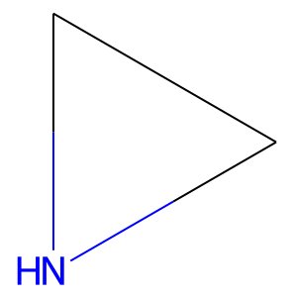 | CHEMBL540990 | 43.07 | 21.94 | C1CN1 | 0.11538461538
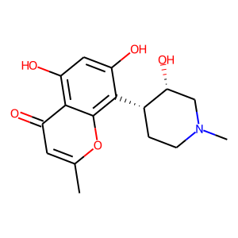 | CHEMBL1077604 | 305.33 | 94.14 | Cc1cc(=O)c2c(O)cc(O)c([C@H]3CCN(C)C[C@H]3O)c2o1 | 0.11475409836
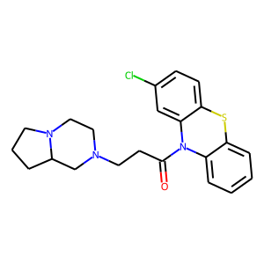 | CHEMBL1615867 | 413.97 | 26.79 | O=C(CCN1CCN2CCCC2C1)N1c2ccccc2Sc2ccc(Cl)cc21 | 0.11428571429
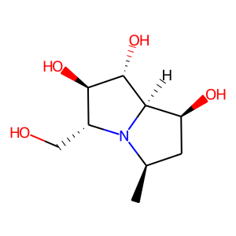 | CHEMBL523761 | 203.24 | 84.16 | C[C@@H]1C[C@H](O)[C@@H]2[C@@H](O)[C@H](O)[C@@H](CO)N12 | 0.11363636364
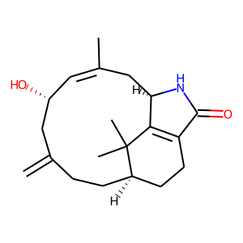 | CHEMBL251660 | 315.46 | 49.33 | C=C1CC[C@@H]2CCC3=C([C@@H](C/C(C)=C/[C@@H](O)C1)NC3=O)C2(C)C | 0.11290322581
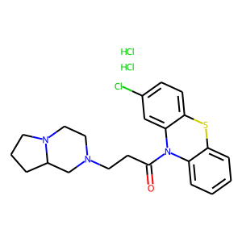 | CHEMBL1615352 | 486.9 | 26.79 | Cl.Cl.O=C(CCN1CCN2CCCC2C1)N1c2ccccc2Sc2ccc(Cl)cc21 | 0.11267605634

