wLTL
subject 5 |  |  |  |  | note: NO-K-fold
Calibrate_size (trials) ALL = 88 | noEA |  | EA
 | Source_ACC (wLTL) | Target_ACC (wLTL) | Source_ACC (wLTL) | Target_ACC (wLTL)
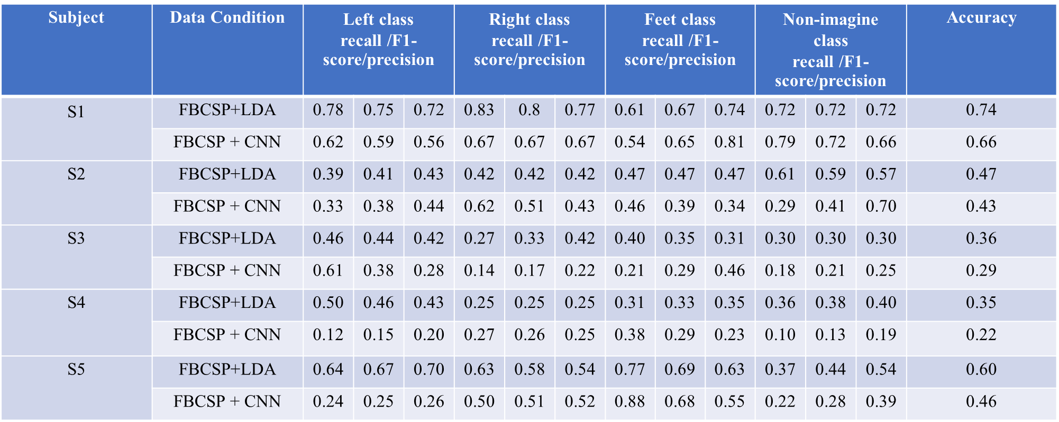
20 | 0.75 | 0.54 | 0.75 | 0.47
40 | 0.73 | 0.6 | 0.68 | 0.6
60 | 0.75 | 0.54 | 0.72 | 0.57

subject 1
Calibrate_size (trials) ALL = 120 | noEA |  | EA
 | Source_ACC (wLTL) | Target_ACC (wLTL) | Source_ACC (wLTL) | Target_ACC (wLTL)
20 | 0.75 | 0.7 | 0.7 | 0.68
40 | 0.8 | 0.74 | 0.8 | 0.78
60 | 0.77 | 0.72 | 0.75 | 0.7
80 | 0.74 | 0.78 | 0.75 | 0.78

subject 2
Calibrate_size (trials) ALL = 120 | noEA |  | EA
 | Source_ACC (wLTL) | Target_ACC (wLTL) | Source_ACC (wLTL) | Target_ACC (wLTL)
20 | 0.9 | 0.47 | 0.8 | 0.45
40 | 0.78 | 0.51 | 0.8 | 0.48
60 | 0.67 | 0.53 | 0.7 | 0.55
80 | 0.61 | 0.57 | 0.65 | 0.53

subject 3
Calibrate_size (trials) ALL = 118 | noEA |  | EA
 | Source_ACC (wLTL) | Target_ACC (wLTL) | Source_ACC (wLTL) | Target_ACC (wLTL)
20 | 0.65 | 0.24 | 0.65 | 0.23
40 | 0.42 | 0.27 | 0.4 | 0.23
60 | 0.38 | 0.31 | 0.47 | 0.31
80 | 0.41 | 0.26 | 0.42 | 0.21

subject 4
Calibrate_size (trials) ALL = 120 | noEA |  | EA
 | Source_ACC (LDA) | Target_ACC (LDA) | Source_ACC (LDA) | Target_ACC (LDA)
20 | 0.7 | 0.24 | 0.65 | 0.21
40 | 0.56 | 0.34 | 0.53 | 0.35
60 | 0.43 | 0.38 | 0.47 | 0.33
80 | 0.49 | 0.4 | 0.42 | 0.42

