Computer generated
GAS LIST Date Range:2022-01-01to2022-01-31
# | Vehicle | Amount | Odometer | OR | Entry By | Created At
4 | xxxxxxxx | 12 | 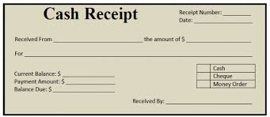 | 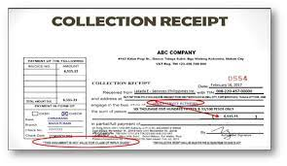 | AJ TAYLAN | 09-01-2022 08:05 PM
TOTAL: |  | 12
POWERED BY:GM GARVIDA CONSRUCTION SERVICES

