Sheet1
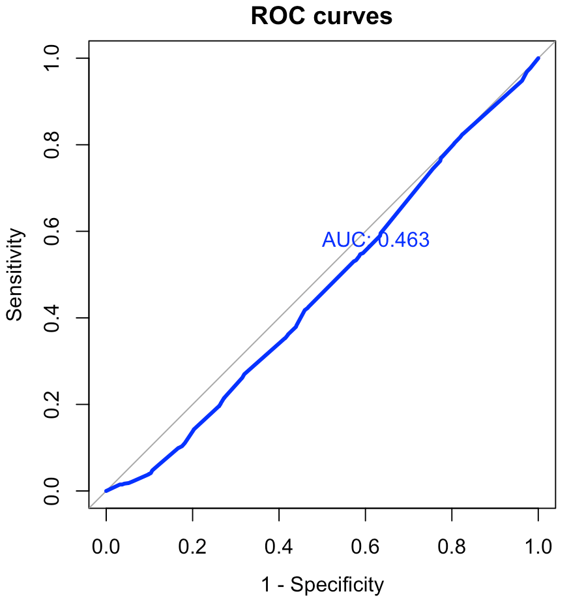
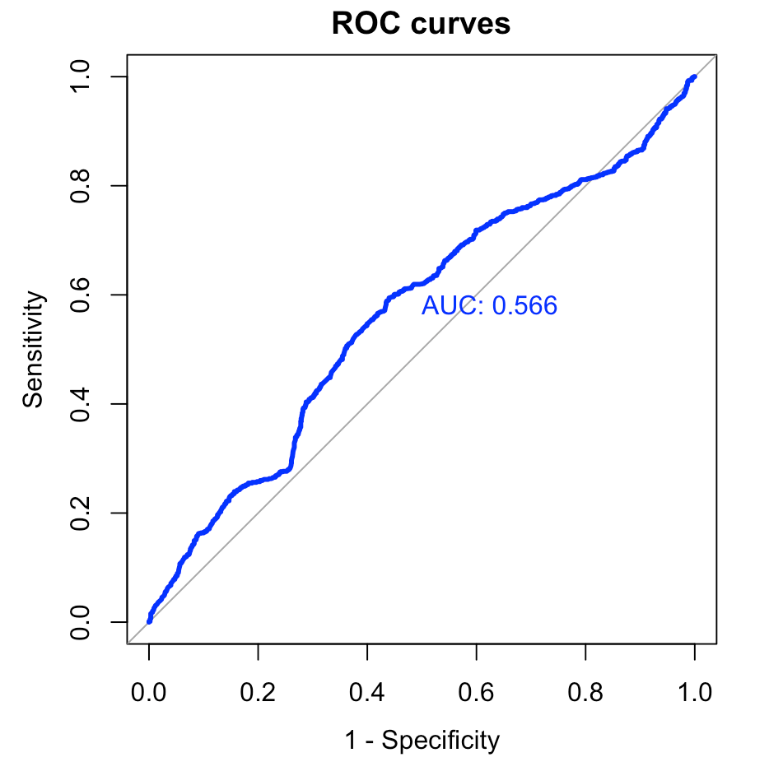
 | model | accuracy | sensitivity | specificity | auc
1 | Ensemble all 375 de-correlated models | 0.666 | 0.6909789 | 0.6388309 | 0.719
2 | Random forest | 0.67 | 0.7545639 | 0.5877712 | 0.711
3 | Boosting | 0.6303333 | 0.6301555 | 0.6305062 | 0.674
4 | Navie Bayes | 0.6283333 | 0.6693712 | 0.5884287 | 0.679
5 | XGB | 0.5876667 | 0.4225828 | 0.748192 | 0.64
6 | Prune classification tree | 0.675 | 0.749831 | 0.6022354 | 0.673
7 | Logistic Regression | 0.5563333 | 0.3908046 | 0.7172913 | 0.566
8 | KNN | 0.6363333 | 0.6612576 | 0.6120973 | 0.463

 | Ensemble all 375 de-correlated models |  |  |  |  | Random forest
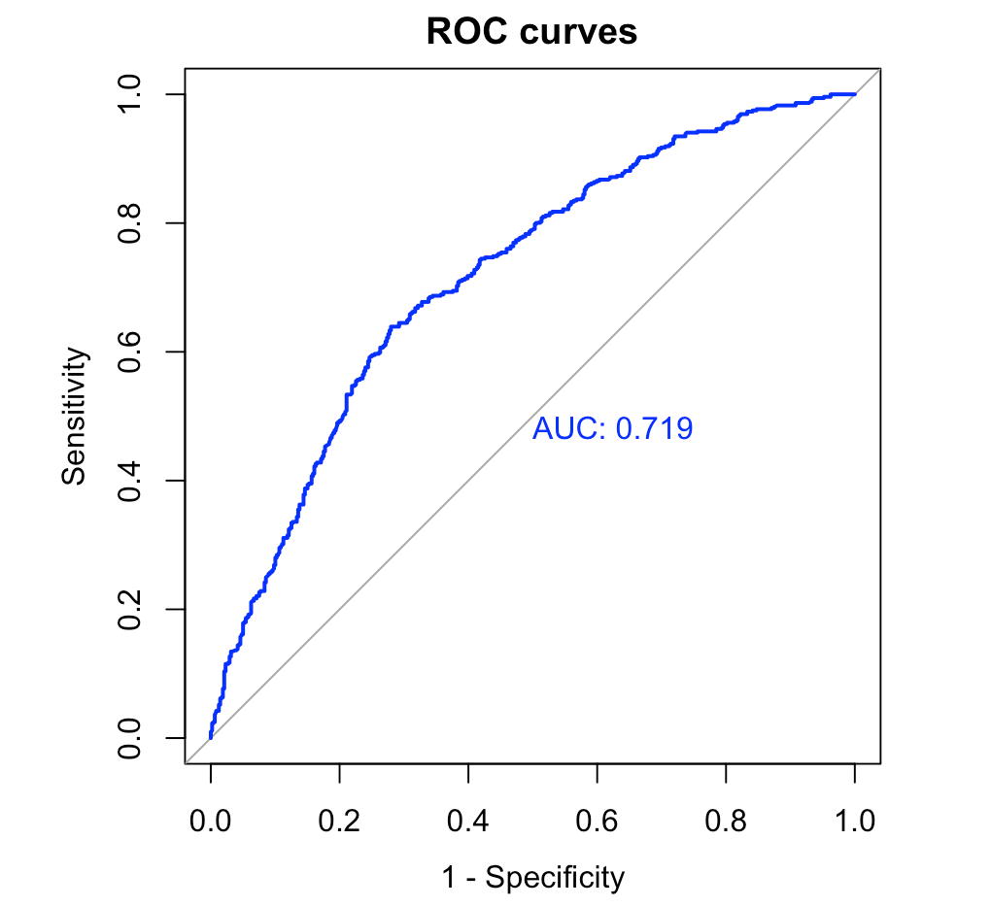
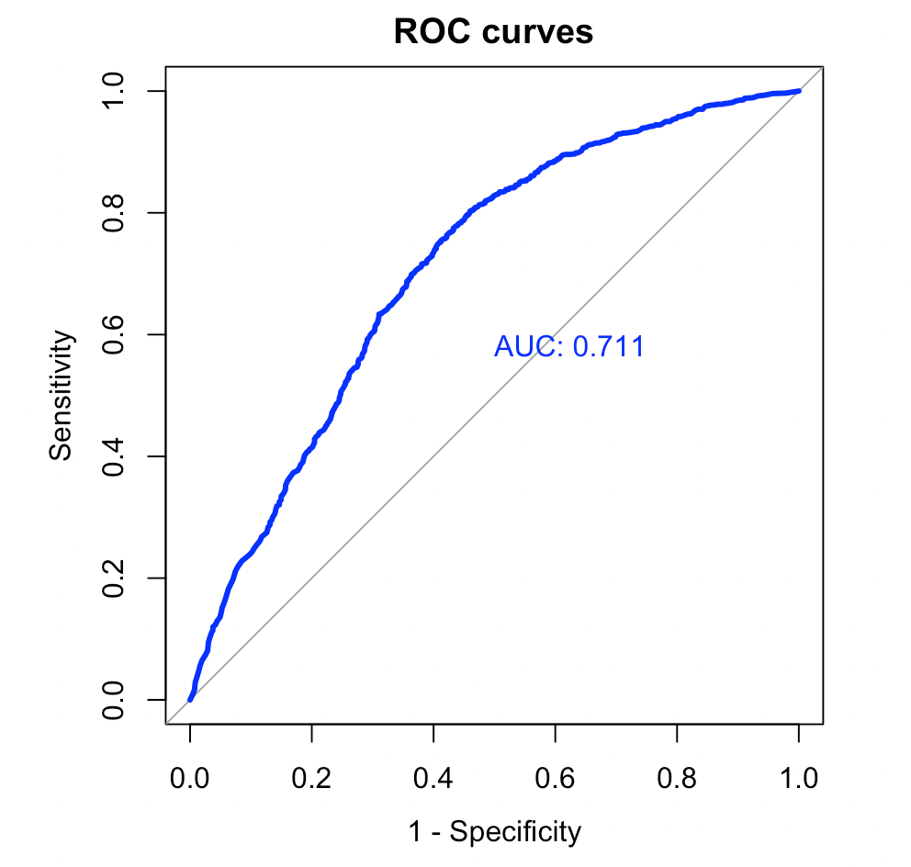

 | Boosting |  |  |  |  | Navie Bayes
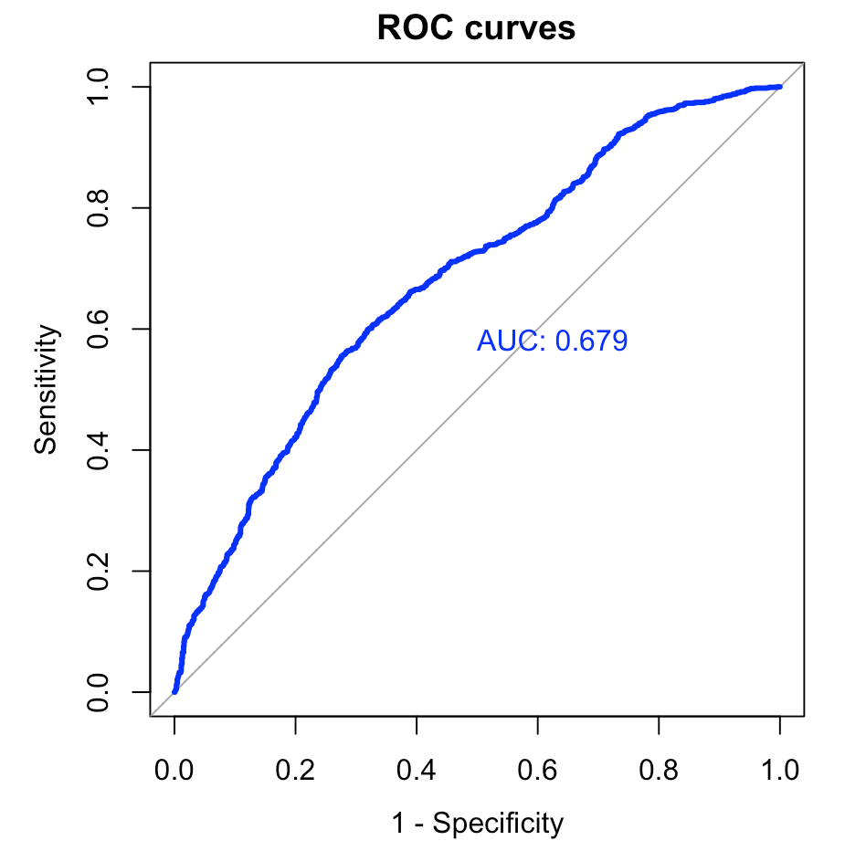
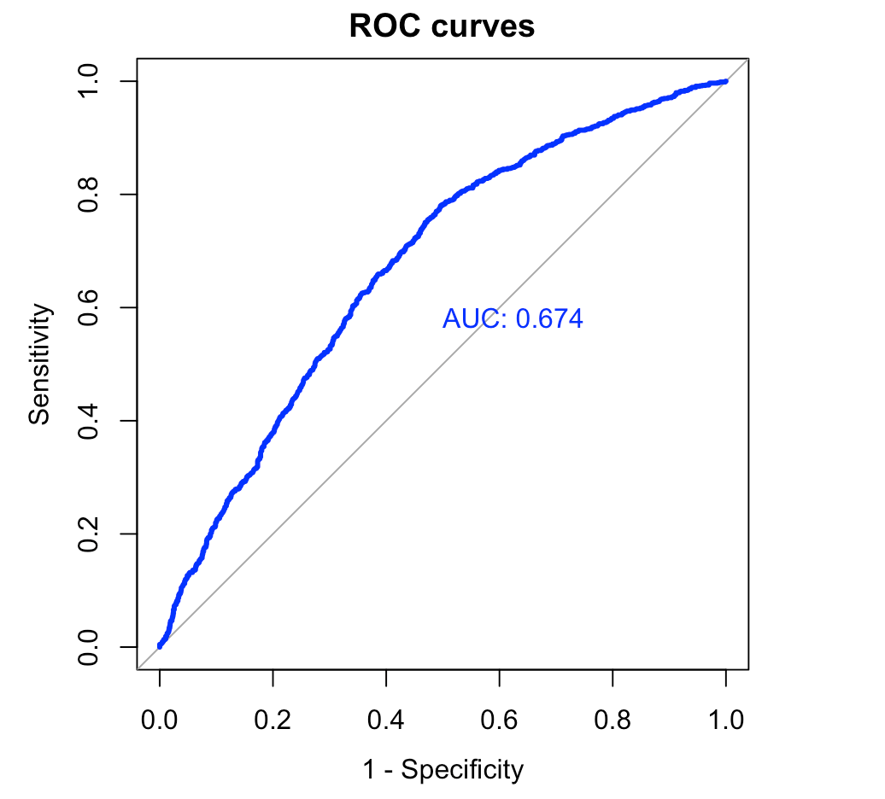

 | XGB |  |  |  |  | Prune classification tree
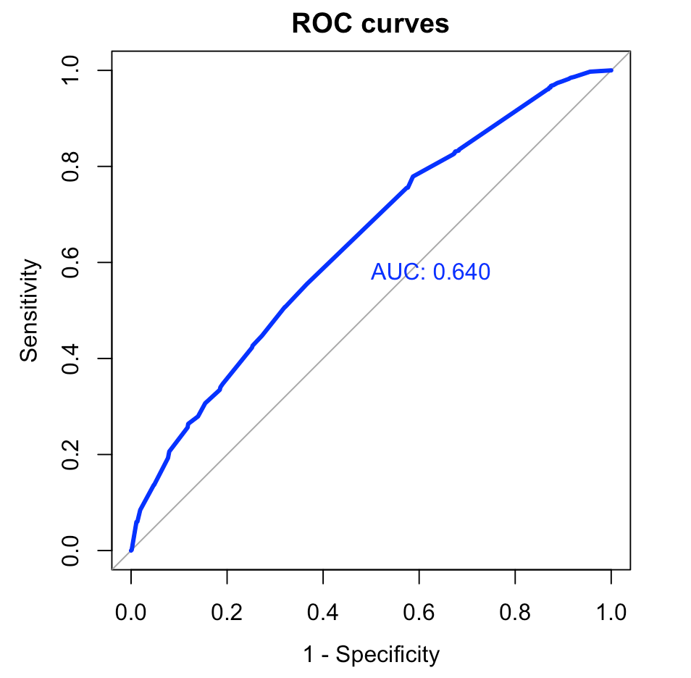
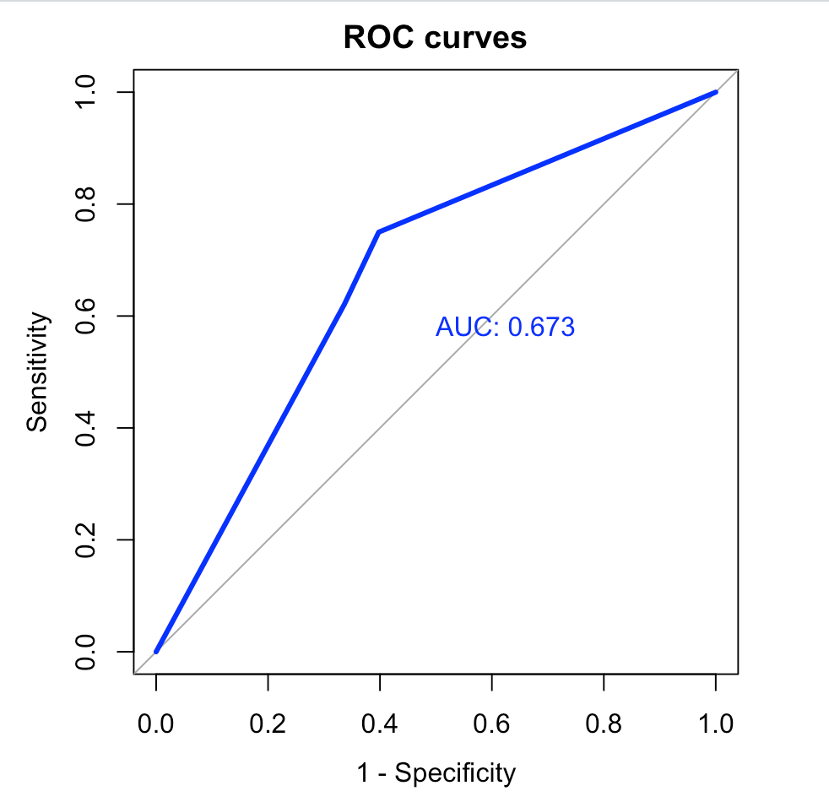

 | Logistic Regression |  |  |  |  | KNN

