Absorption_packed
 | y |  | yeq |  | yeq' |  | i1 |  | i2 |  | y1 |  | x1 |  | y2 |  | x2 |  | 0.1 |  | 0.2 |  | y'
0.000000 | 0.02 | 0.0000000 | 0.0000000 | 0.0005640 | 0.0057091413234 | 0.0000 | 0.0200 | 0.0036 | 0.2000 | 0.0036 | 0.2000 | 0.0036 | 0.1683 | 0.0000 | 0.0200 | 0.0000 | 0.0059 | 0.003557 | 0.2000 | 0.000000 | 0.0200 | 0.000000 | 0.02
0.000763 | 0.07 | 0.0000562 | 0.0006580 | 0.0008420 | 0.014766641493 | 0.0006 | 0.0059 | 0.0055 | 0.1683 | 0.0036 | 0.1683 | 0.0055 | 0.1683 | 0.0000 | 0.0059 | 0.0006 | 0.0059 | 0.006515 | 0.2000 | 0.001003 | 0.0200 | 0.000763 | 0.064322869868
0.001602 | 0.11 | 0.0001403 | 0.0015800 | 0.0014030 | 0.033049943956 |  |  |  |  |  |  |  |  |  |  |  |  |  |  |  |  | 0.001602 | 0.10969087679
0.002528 | 0.16 | 0.0002800 | 0.0042100 | 0.0019650 | 0.051373074323 |  |  |  |  |  |  |  |  |  |  |  |  |  |  |  |  | 0.002528 | 0.15571363228
0.003557 | 0.20 | 0.0004220 | 0.0076300 | 0.0027900 | 0.078284029856 |  |  |  |  |  |  |  |  |  |  |  |  |  |  |  |  | 0.003557 | 0.20178556321
 |  | 0.0005640 | 0.0112000 | 0.0042000 | 0.12431343697
 |  | 0.0008420 | 0.0185500 | 0.0069800 | 0.21520002648
 |  | 0.0014030 | 0.0342000 | 0.0138500 | 0.44056129298
 |  | 0.0019650 | 0.0513000
 |  | 0.0027900 | 0.0775000
 |  | 0.0042000 | 0.1210000
 |  | 0.0069800 | 0.2120000
 |  | 0.0138500 | 0.4430000
Initial Data:
V. | 0.000653 | kmol/s | S | 0.0929 | m² |  | Absorption Packed Tower
y1. | 0.2000 |  | P | 1 | atm |  | Concentrated mixture
y2. | 0.0200 |  | T | 293 | K
 |  |  | d | 25.4 | mm
L. | 0.042 | kmol/s
x2. | 0.0000 |  | MM_a | 64.1 | kg/kmol
x1/(1-x1) | 0.0036 |  | MM_b | 29 | kg/kmol
x1. | 0.0036 |  | MM_c | 18 | kg/kmol

y1* | 0.103314 |  | f(y) | z (m) |  | f(x) | z (m)
y2* | 0.000000 |  | 15.110543938 | 0 |  | 933.40120784 | 0
x1* | 0.006515 |  | 9.8534786285 | 0.56169050775 |  | 554.9097447 | 0.56776801128
x2* | 0.001003 |  | 7.7401588666 | 0.95754735138 |  | 395.60661697 | 0.96640419869
 |  |  | 6.726408686 | 1.2830451213 |  | 310.46913709 | 1.2934852764
 |  |  | 6.2814104772 | 1.576 |  | 260.39430462 | 1.587

Operating Curve:
y | x/(1-x) | xop |  | xeq | V | L | my | mx | Gy | Gx | k'y.a | k'x.a | (1-ya)iM | (1-xa)iM | yai | xai
0.02 | 0.000000 | 0.000000 |  | 0.000000 | 0.00066632653061 | 0.042 | 0.019791230612 | 0.756 | 0.21303800444 | 8.1377825619 | 0.033988572519 | 0.84812248035 | 0.9869864198 | 0.99971360015 | 0.0059 | 0.0006
0.07 | 0.000764 | 0.000763 |  | 0.000775 | 0.00069839572193 | 0.042032576417 | 0.021846865775 | 0.75808814832 | 0.23516540124 | 8.1602599389 | 0.036448011696 | 0.85004293528 | 0.9454713124 | 0.99874328196 | 0.0438 | 0.0017
0.11 | 0.001604 | 0.001602 |  | 0.001608 | 0.00073370786517 | 0.042067631928 | 0.024110374157 | 0.76033520659 | 0.25953039997 | 8.1844478642 | 0.03908099001 | 0.85210847525 | 0.90305697031 | 0.99771710768 | 0.0835 | 0.0030
0.16 | 0.002535 | 0.002528 |  | 0.002513 | 0.00077278106509 | 0.042105818956 | 0.026614966272 | 0.76278299505 | 0.28649048732 | 8.2107965021 | 0.041914077439 | 0.8543572804 | 0.85974799555 | 0.99662755555 | 0.1250 | 0.0042
0.20 | 0.003570 | 0.003557 |  | 0.003515 | 0.00081625 | 0.042148138849 | 0.029401325 | 0.7654957002 | 0.3164835845 | 8.2399967729 | 0.044979439318 | 0.85684795008 | 0.81553458892 | 0.99546263923 | 0.1683 | 0.0055
 |  |  |  |  | kmol/s | kmol/s | kg/s | kg/s | kg/m².s | kg/m².s | kmol/s.m³.mf | kmol/s.m³.mf

 | (1-ya)iM | (1-xa)iM | slope | y(0) | xai | yai
 | Iterations (1):
 | 0.98 | 1.0000 | -24.454102339 | 0.02 | 0.0006 | 0.0060
 | 0.9869864198 | 0.9997 | -24.635491231 | 0.02 | 0.0006 | 0.0059
 | Iterations (2):
 | 0.94 | 0.9992 | -21.823045202 | 0.081913467578 | 0.0017 | 0.0440
 | 0.9454713124 | 0.9987 | -22.078090307 | 0.082111134635 | 0.0017 | 0.0438
 | Iterations (3):
 | 0.89 | 0.9984 | -19.436502105 | 0.14124797026 | 0.0030 | 0.0838
 | 0.90305697031 | 0.9977 | -19.7349967 | 0.14172785857 | 0.0030 | 0.0835
 | Iterations (4):
 | 0.85 | 0.9975 | -17.267487508 | 0.19839608012 | 0.0042 | 0.1253
 | 0.85974799555 | 0.9966 | -17.584008881 | 0.19919155119 | 0.0042 | 0.1250
 | Iterations (5):
 | 0.80 | 0.9965 | -15.293568168 | 0.25375258889 | 0.0056 | 0.1687
 | 0.81553458892 | 0.9955 | -15.606558503 | 0.25485266186 | 0.0055 | 0.1683

Equilibrium
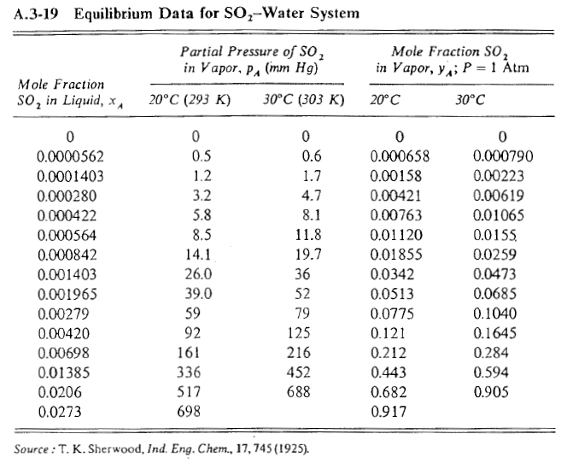
Equilibrium Curve: |  |  |  | Coefficients:
yeq | xeq | yeq' | E | D. | 11.467356902
0.0000000 | 0.0000000 | -0.012661060793 | 1.60E-04 | E. | 32.564812759
0.0006580 | 0.0000562 | -0.010830882097 | 1.32E-04 | F. | -0.012661060793
0.0015800 | 0.0001403 | -0.0080919918382 | 9.35E-05
0.0042100 | 0.0002800 | -0.0035420141796 | 6.01E-05
0.0076300 | 0.0004220 | 0.0010833323441 | 4.29E-05
0.0112000 | 0.0005640 | 0.0057091413234 | 3.01E-05
0.0185500 | 0.0008420 | 0.014766641493 | 1.43E-05
0.0342000 | 0.0014030 | 0.033049943956 | 1.32E-06
0.0513000 | 0.0019650 | 0.051373074323 | 5.34E-09
0.0775000 | 0.0027900 | 0.078284029856 | 6.15E-07
0.1210000 | 0.0042000 | 0.12431343697 | 1.10E-05
0.2120000 | 0.0069800 | 0.21520002648 | 1.02E-05
0.4430000 | 0.0138500 | 0.44056129298 | 5.95E-06
0.6820000 | 0.0206000 | 0.66304036961 | 3.59E-04
0.9170000 | 0.0273000 | 0.88490483394 | 1.03E-03
 |  | SE | 4.34E-05

