Energy Balance
Initial Data:
Solid properties |  |  |  | Air properties |  |  | Energy Balance
ms. | 453.6 | kg/h |  | ma. | 1170.9 | kg/h | Drying
X1. | 0.040 | kgH2O/kgSolid |  | H1. | 0.010 | kgH2O/kgBDA
X2. | 0.002 | kgH2O/kgSolid |  | H2. | 0.02472 | kgH2O/kgBDA
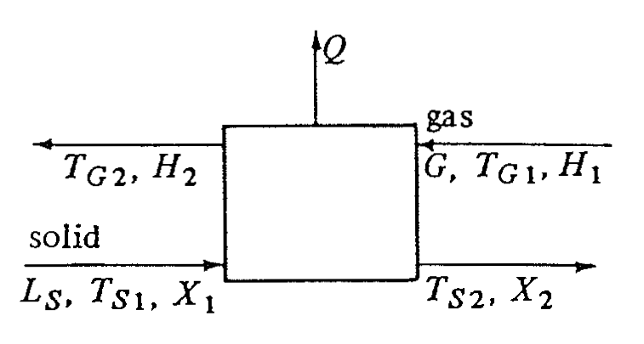
cps. | 1.465 | kJ/kg.K |  | cs1. | 1.024 | kJ/kg.K
Ts1. | 26.7 | °C |  | cs2. | 1.051 | kJ/kg.K
Ts2. | 62.8 | °C |  | Ta1. | 93.3 | °C
cpw. | 4.187 | kJ/kg.K |  | Ta2. | 37.8 | °C
 |  |  |  | ho. | 2501 | kJ/kg

hs1 | 43.587216 | kJ/kg |  | ha1 | 120.53054 | kJ/kg
hs2 | 92.5278872 | kJ/kg |  | ha2 | 101.57178634 | kJ/kg

 |  | Q | 4.9752998166E-08 | kJ/kg

