Fluidized Bed Drying
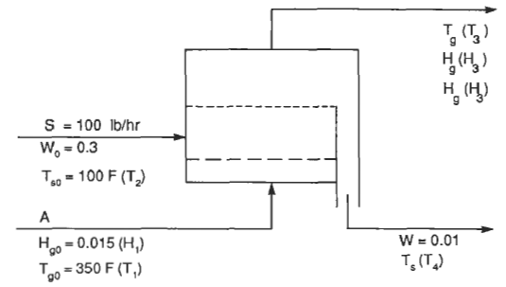
Initial Data:
ms | 100 | lb/hr |  | Fluidized Bed Drying
Ts1. | 100 | °F
X1. | 0.3 | lbH2O/lb dry
X2. | 0.01 | lbH2O/lb dry |  |  |  |  |  |  |  |  |  |  | Sizing:
Ta1. | 350 | °F | R = ma/ms | ma (lb/h) | H2 | ca | Ta2 | Tsat | Tsat' | E | Psat | Hsat | t (min) | A (ft²) | D (ft) | L (ft)
H1. | 0.015 | lbH2O/lb dry | 5 | 500 | 0.073 | 0.260 | 154.85 | 120.84 | 120.85 | 3.0E-05 | 0.11771917382 | 0.083 | 0.492 | 14.56 | 4.31 | 12.07
cs | 0.35 | Btu/lb.°F | 6 | 600 | 0.063 | 0.258 | 185.93 | 120.54 | 120.54 | 1.2E-06 | 0.11675929274 | 0.082 | 0.258 | 17.48 | 4.72 | 6.33
dp | 0.00787 | in | 7 | 700 | 0.056 | 0.256 | 208.48 | 120.33 | 120.33 | 2.1E-06 | 0.1160759551 | 0.082 | 0.193 | 20.39 | 5.10 | 4.72
visc | 0.023 | cP | 8 | 800 | 0.051 | 0.255 | 225.57 | 120.17 | 120.18 | 1.8E-04 | 0.11556055205 | 0.081 | 0.162 | 23.30 | 5.45 | 3.97
rho | 0.0501 | lb/ft³ | 9 | 900 | 0.047 | 0.254 | 238.98 | 120.05 | 120.05 | 3.3E-06 | 0.11516852534 | 0.081 | 0.144 | 26.21 | 5.78 | 3.53
hlv | 900 | Btu/lb | 10 | 1000 | 0.044 | 0.253 | 249.79 | 119.95 | 119.95 | 1.1E-05 | 0.11485431553 | 0.081 | 0.132 | 29.13 | 6.09 | 3.24
constant | 60 | (lbBDA/lb dry)/min | 11 | 1100 | 0.041 | 0.253 | 258.67 | 119.87 | 119.87 | 3.7E-05 | 0.11459330221 | 0.080 | 0.124 | 32.04 | 6.39 | 3.04
 |  |  | 12 | 1200 | 0.039 | 0.252 | 266.11 | 119.80 | 119.80 | 2.0E-05 | 0.11437925055 | 0.080 | 0.118 | 34.95 | 6.67 | 2.89
Gmf | 17.165781996 | lb/hr.ft² | 13 | 1300 | 0.037 | 0.252 | 272.43 | 119.74 | 119.75 | 1.2E-04 | 0.11419589481 | 0.080 | 0.113 | 37.87 | 6.94 | 2.77
Gf | 34.331563992 | lb/hr.ft² | 14 | 1400 | 0.036 | 0.251 | 277.86 | 119.69 | 119.70 | 5.4E-05 | 0.11404174666 | 0.080 | 0.109 | 40.78 | 7.21 | 2.68
L/Lo | 1.16 |  | 15 | 1500 | 0.034 | 0.251 | 282.58 | 119.65 | 119.66 | 9.5E-05 | 0.11390657491 | 0.080 | 0.106 | 43.69 | 7.46 | 2.61
emf | 0.40 |  |  |  |  |  |  |  | SE | 5.5E-04
ef | 0.47
u | 24.51 | ft/min

