Centrifugal Filter
Initial data:
A | 50 | m² | Qmin | 20 | m³/h |  | Variable P and Q
Cs | 10 | kg/m³ | Qmax | 43.63 | m³/h |  | Centrifugal filter
visc_w | 1.000E-03 | Pa.s |  |  |  |  | Incompressible Cake
alpha | 1.10E+11 | m/kg
Rf | 6.50E+10 | /m
 |  |  |  |  |  | Q (m³/h) | P (bar) | V (m³) | 1/Q | t (h)
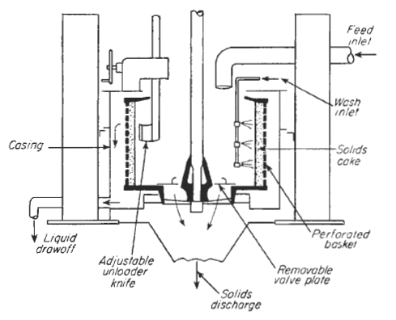
 |  |  |  |  |  | 20 | 1.9258 | 75.83 | 0.0500 | 2.66
 |  |  |  |  |  | 21 | 1.8879 | 70.60 | 0.0476 | 2.40
 |  |  |  |  |  | 22 | 1.8467 | 65.72 | 0.0455 | 2.17
 |  |  |  |  |  | 23 | 1.8022 | 61.16 | 0.0435 | 1.97
 |  |  |  |  |  | 24 | 1.7545 | 56.86 | 0.0417 | 1.79
 |  |  |  |  |  | 25 | 1.7035 | 52.80 | 0.0400 | 1.62
 |  |  |  |  |  | 26 | 1.6493 | 48.95 | 0.0385 | 1.47
 |  |  |  |  |  | 27 | 1.5918 | 45.28 | 0.0370 | 1.33
 |  |  |  |  |  | 28 | 1.5310 | 41.78 | 0.0357 | 1.21
 |  |  |  |  |  | 29 | 1.4670 | 38.43 | 0.0345 | 1.09
 |  |  |  |  |  | 30 | 1.3997 | 35.22 | 0.0333 | 0.98
 |  |  |  |  |  | 31 | 1.3292 | 32.13 | 0.0323 | 0.88
 |  |  |  |  |  | 32 | 1.2554 | 29.14 | 0.0313 | 0.78
 |  |  |  |  |  | 33 | 1.1783 | 26.26 | 0.0303 | 0.69
 |  |  |  |  |  | 34 | 1.0980 | 23.47 | 0.0294 | 0.61
 |  |  |  |  |  | 35 | 1.0144 | 20.76 | 0.0286 | 0.53
 |  |  |  |  |  | 36 | 0.9276 | 18.13 | 0.0278 | 0.46
 |  |  |  |  |  | 37 | 0.8375 | 15.56 | 0.0270 | 0.39
 |  |  |  |  |  | 38 | 0.7441 | 13.07 | 0.0263 | 0.32
 |  |  |  |  |  | 39 | 0.6475 | 10.63 | 0.0256 | 0.26
 |  |  |  |  |  | 40 | 0.5476 | 8.25 | 0.0250 | 0.20
 |  |  |  |  |  | 41 | 0.4445 | 5.91 | 0.0244 | 0.14
 |  |  |  |  |  | 42 | 0.3381 | 3.63 | 0.0238 | 0.08
 |  |  |  |  |  | 43 | 0.2284 | 1.39 | 0.0233 | 0.03
 |  |  |  |  |  | 43.63 | 0.1576 | 0.00 | 0.0229 | 0.00

