Plate-and-Frame Filter
Initial data: |  |  |  | Constants:
T | 298.2 | K |  | Kp/2 | 2.88E+06 | s/m^6 | Constant-Pressure Filtration
dP | 338 | kPa |  | alpha | 1.79E+11 | m/kg | Batch Plate and Frame filter
A | 0.0439 | m² |  | B | 6783.8 | s/m³ | Incompressible Cake
Cs | 23.47 | kg/m³ |  | Rm | 1.13E+11 | /m
visc_w | 8.937E-04 | Pa.s
Time required:
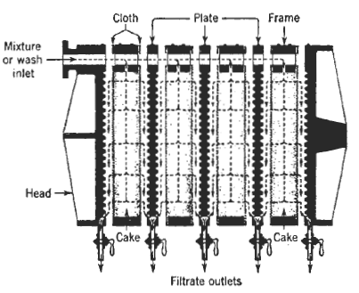
Vf | 3.37 | m³ |  | Kpnew | 36.48 | s/m^6
N | 20 | frames |  | Bnew | 17.06 | s/m³
Ai | 0.873 | m²
Atotal | 17.46 | m²

 | t (s) | V (L) | V (m³) | t/V
 | 4.4 | 0.498 | 0.000498 | 8835
 | 9.5 | 1.000 | 0.001000 | 9500 |  |  |  | Washing rate:
 | 16.3 | 1.501 | 0.001501 | 10859 |  |  |  | ratio | 0.1
 | 24.6 | 2.000 | 0.002000 | 12300 |  |  |  | Vwash | 0.337 | m³
 | 34.7 | 2.498 | 0.002498 | 13891 |  |  |  | (dV/dt)f | 0.0017859523848 | m³/s
 | 46.1 | 3.002 | 0.003002 | 15356
 | 59 | 3.506 | 0.003506 | 16828 |  |  |  | Washing time: |  |  | Filtering time:
 | 73.6 | 4.004 | 0.004004 | 18382 |  |  |  | tw | 188.69 | s | tf | 264.61 | s
 | 89.4 | 4.502 | 0.004502 | 19858
 | 107.3 | 5.009 | 0.005009 | 21421 |  |  |  | Filter Cleaning time: |  |  | TOTAL time:
 |  |  |  |  |  |  |  | tc | 1200.00 | s | t | 1653.30 | s
 |  |  |  |  |  |  |  |  |  |  |  | 27.56 | min

