Mind mapping
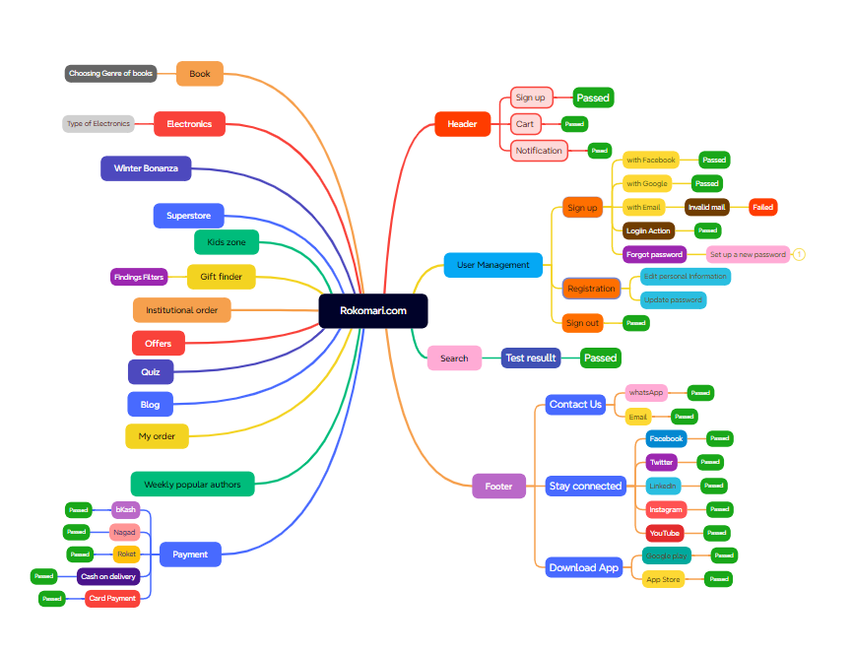

Test Summary Report
Test Case Report
Project Name | Rokomari.com
Module Name | Sign Up, Sign In and Add to Cart
Test Case Version |  |  |  |  | Total No. | Status
Written by | Farjana Binta Faruk |  |  |  | 47 | Pass | Result
Exceuted by | Farjana Binta Faruk |  |  |  | 2 | Fail
Reviewed by |  |  |  |  | 0 | Not Exceuted | New Features | Testing Scope
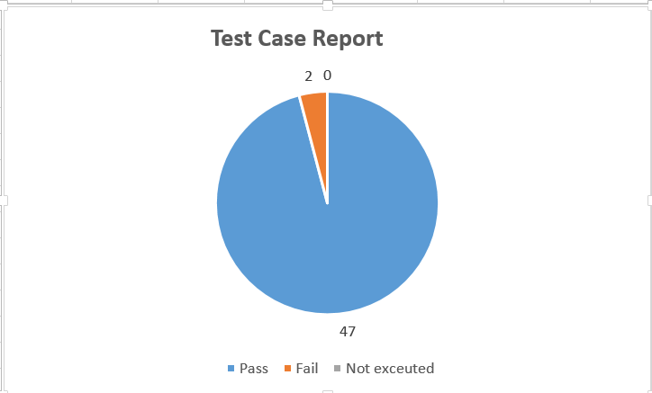
Test Exceution Report
Test Case | Pass | Fail | Not Exceuted | Total TC |  |  |  | Testing Environment | Google Crome Browser
 | 47 | 2 | 0 | 49
Grand Total | 47 | 2 | 0 | 49

Limitations
Documents |  |  | Received | Useful
PRD |  |  | No | No
USER STORY |  |  | No | No

 | Testing Type of Scope |  | Description
Yes/No Justification(If No): | Functionality Testing |  | This Type of testing ignores the internal parts and focuses only on the output to check if it is as per the requirement or not.
Yes/No Justification(If No): | Usuability Testing |  | Test Application from user frienliness perspective.
Yes/No Justfication(If No): | Browser Compatibility Testing |  | Browser Compatibility Testing is performed for web applications and it ensures that the software can run with the combination of different browser and operating system. This type of testing also validates whether web application runs on all versions of all browsers or not.
Yes/No Justification(If No): | Integration Testing |  | Testing of all integrated modules to verify the combined functionality after integration is termed as Integration Testing
Yes/No Justification(If No): | Native Testing |  | Testing having the mindset of "attitude to break" using incorrect data and invalid inputs.
Yes/No Justification(If No): | Boundary Value Testing |  | This is an upper and lower boundary for each range and testing is performed on those boundary values.
Yes/No Justification(If No): | Risk Based Testing or Regression Testing |  | Rak-Based Testing inclues testing of highly critical functionality. Which has the highest impact on business and in which the probability of failure is very high. Testing an application as a whole for the modification in any module or functionality is temed as Regression Testing

