If,else,while,do,for
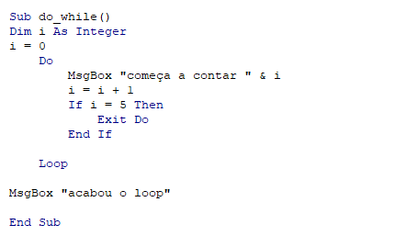
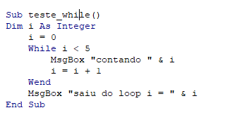
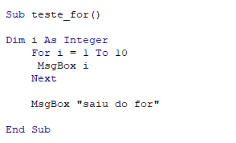
PARA RODAR OS CODIGOS CLIQUE NAS IMAGENS

Praticando usando Do
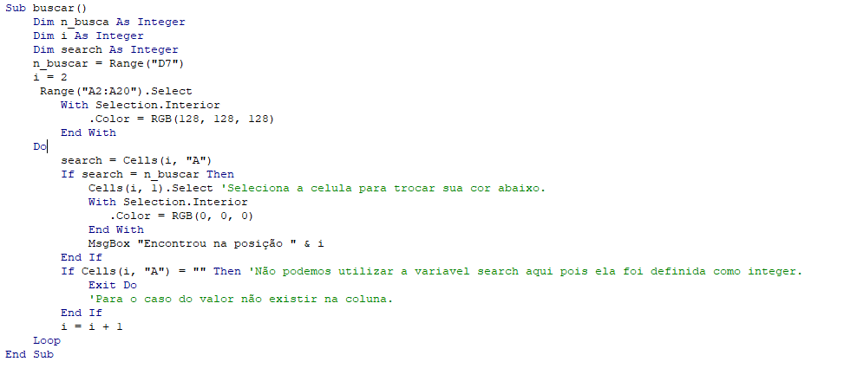
Números
12
45
4545
213
11 | BUSCAR
1
2
76
12
23
3
1
2
5
6
7
8
9
10
34

Praticando usando For
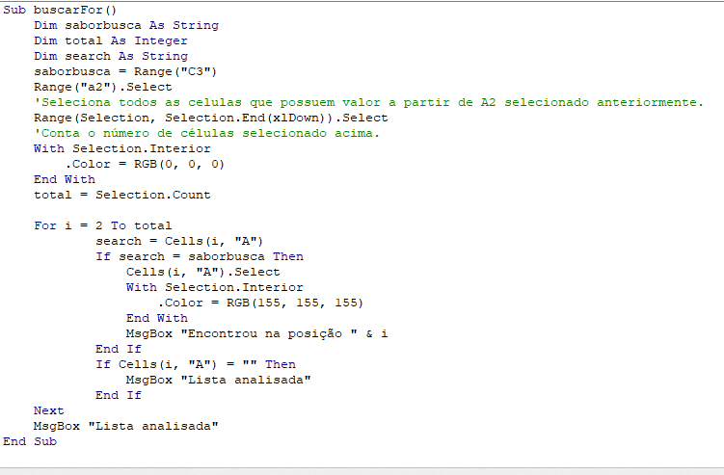
Sabores de sorvete | BUSCAR
Morango | Chocolate
Chocolate
Creme
Flocos
Nutella

Praticando usando while
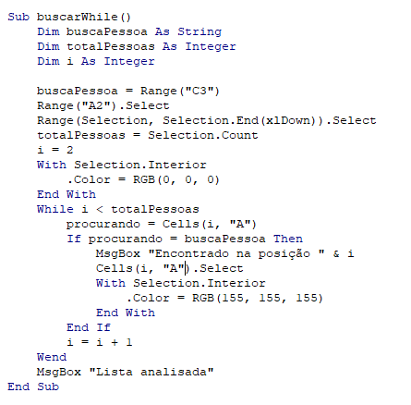
Pessoas Cadastradas
Pietro | BUSCAR
Porche | Gabriel
Gabriel
Correia
Pedro Wagner
Gabas
Lucas Andre
Morguinus
Lucca

Praticando usando while
Números | 41 | 28 | 12 | 32 | 44 | 11 | 1 | 2 | 34 | 27 | 58

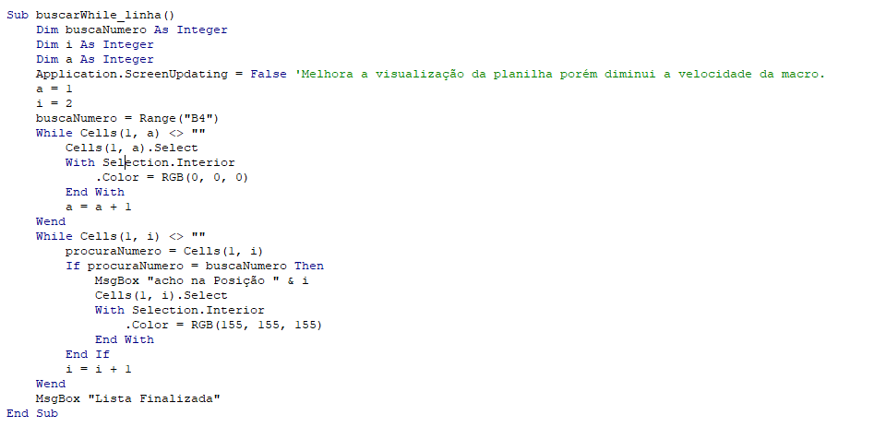
 | BUSCA
 | 1

Copia e Cola
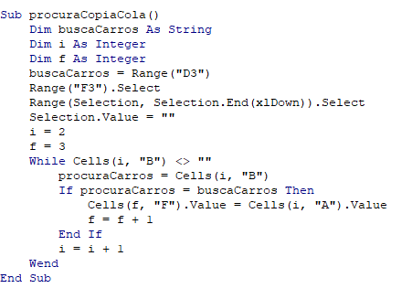
NOME | MARCA
Polo | Volkswagen | BUSCA NOMES POR MARCA | Nomes Encontrados
Up | Volkswagen | Porsche | 911
Civic | Honda |  | 917
911 | Porsche
917 | Porsche
Toro | FIAT
Supra | Toyota
GTR R34 | Nissan
GTR R35 | Nissan

