0972922107_鳥
*ID* | location | voltage | temperature | height | precision | shake | sync | System Record Time | Server RxTime |  | NO. | Period | D
1 | ( NA , NA ) | 3.934 | 0 | NA | 0 | 0 | 0 | NA - NA | Sat Feb 14 20:01:46 GMT+08:00 2015 | NA - NA
1 | ( NA , NA ) | 3.92 | 214 | NA | 0 | 0 | 0 | NA - NA | Wed Feb 18 20:46:15 GMT+08:00 2015 | NA - NA | 1
2 | ( 22.6239936 , 120.5929984 ) | 3.948 | 214 | 0 | 2.64 | 89 | 1 | 2015/02/17 - 12:08:29 | Wed Feb 18 20:46:11 GMT+08:00 2015 | 2/17/15 | 2
3 | ( 22.62408 , 120.59296 ) | 3.934 | 214 | 0 | 7.66 | 0 | 1 | 2015/02/17 - 16:00:24 | Wed Feb 18 20:45:56 GMT+08:00 2015 | 2/17/15 | 3 | 3.87 | 0.16
4 | ( 22.6239248 , 120.5929088 ) | 3.934 | 214 | 0 | 2.59 | 0 | 1 | 2015/02/17 - 19:51:23 | Wed Feb 18 20:45:52 GMT+08:00 2015 | 2/17/15 | 4 | 3.85 | 0.32
5 | ( 22.6239216 , 120.5929856 ) | 3.934 | 214 | 0 | 3.68 | 0 | 1 | 2015/02/17 - 23:30:29 | Wed Feb 18 20:45:47 GMT+08:00 2015 | 2/17/15 | 5 | 3.65 | 0.47
6 | ( 22.62404 , 120.5929216 ) | 3.934 | 214 | 0 | 1.5 | 0 | 1 | 2015/02/18 - 3:15:48 | Wed Feb 18 20:45:42 GMT+08:00 2015 | 2/18/15 | 6 | 3.76 | 0.63
7 | ( 22.6240176 , 120.5932288 ) | 3.907 | 214 | 0 | 8.27 | 0 | 1 | 2015/02/18 - 6:49:04 | Wed Feb 18 20:45:38 GMT+08:00 2015 | 2/18/15 | 7 | 3.55 | 0.78
8 | ( 22.6240592 , 120.5931264 ) | 3.92 | 214 | 0 | 3.15 | 0 | 1 | 2015/02/18 - 10:23:26 | Wed Feb 18 20:45:33 GMT+08:00 2015 | 2/18/15 | 1 | 3.57 | 0.93
9 | ( 22.6240656 , 120.5931136 ) | 3.907 | 214 | 0 | 3.95 | 0 | 1 | 2015/02/18 - 13:51:26 | Wed Feb 18 20:45:29 GMT+08:00 2015 | 2/18/15 | 2 | 3.47 | 1.07
10 | ( 22.6239872 , 120.5931008 ) | 3.907 | 214 | 0 | 1.81 | 0 | 1 | 2015/02/18 - 17:20:41 | Wed Feb 18 20:45:24 GMT+08:00 2015 | 2/18/15 | 3 | 3.49 | 1.22
11 | ( 22.62404 , 120.5930368 ) | 3.907 | 214 | 0 | 1.26 | 0 | 1 | 2015/02/18 - 20:42:04 | Wed Feb 18 20:45:20 GMT+08:00 2015 | 2/18/15 | 4 | 3.36 | 1.36
12 | ( 22.623984 , 120.5931136 ) | 3.893 | 214 | 0 | 4.35 | 0 | 1 | 2015/02/19 - 0:05:23 | Thu Feb 19 16:11:57 GMT+08:00 2015 | 2/19/15 | 1 | 3.39 | 1.50
13 | ( 22.6242512 , 120.5931264 ) | 3.893 | 214 | 0 | 7.32 | 0 | 1 | 2015/02/19 - 3:20:25 | Thu Feb 19 16:11:43 GMT+08:00 2015 | 2/19/15 | 2 | 3.25 | 1.63
14 | ( 22.6239568 , 120.5929856 ) | 3.893 | 214 | 0 | 2.04 | 0 | 1 | 2015/02/19 - 6:29:21 | Thu Feb 19 16:11:38 GMT+08:00 2015 | 2/19/15 | 3 | 3.15 | 1.76
15 | ( 22.6239456 , 120.5930112 ) | 3.893 | 214 | 0 | 4.41 | 0 | 1 | 2015/02/19 - 9:43:22 | Thu Feb 19 16:11:34 GMT+08:00 2015 | 2/19/15 | 4 | 3.23 | 1.90
16 | ( NA , NA ) | 3.907 | 214 | NA | 0 | 0 | 0 | 2015/02/19 - 13:39:53 | Thu Feb 19 16:11:29 GMT+08:00 2015 | 2/19/15 | 5 | 3.94 | 2.06
17 | ( 22.623976 , 120.5930368 ) | 3.893 | 214 | 0 | 2.57 | 0 | 1 | 2015/02/19 - 16:08:28 | Thu Feb 19 16:11:04 GMT+08:00 2015 | 2/19/15 | 6 | 2.48 | 2.17
18 | ( 22.6240736 , 120.5930496 ) | 3.893 | 214 | 0 | 6.24 | 0 | 1 | 2015/02/19 - 19:21:07 | Fri Feb 20 11:13:34 GMT+08:00 2015 | 2/19/15 | 7 | 3.21 | 2.30
19 | ( 22.624024 , 120.5930368 ) | 3.893 | 214 | 0 | 3.42 | 0 | 1 | 2015/02/19 - 22:33:22 | Fri Feb 20 11:13:29 GMT+08:00 2015 | 2/19/15 | 8 | 3.20 | 2.43
20 | ( 22.624056 , 120.5930112 ) | 3.893 | 214 | 0 | 8.06 | 0 | 1 | 2015/02/20 - 1:40:47 | Fri Feb 20 11:13:24 GMT+08:00 2015 | 2/20/15 | 1 | 3.12 | 2.56
21 | ( 22.623672 , 120.5930112 ) | 3.88 | 214 | 0 | 4.12 | 0 | 1 | 2015/02/20 - 4:54:22 | Fri Feb 20 11:13:19 GMT+08:00 2015 | 2/20/15 | 2 | 3.23 | 2.70
22 | ( 22.6241232 , 120.5930368 ) | 3.893 | 214 | 0 | 5.06 | 0 | 1 | 2015/02/20 - 8:02:22 | Fri Feb 20 11:13:15 GMT+08:00 2015 | 2/20/15 | 3 | 3.13 | 2.83
23 | ( 22.6240352 , 120.5929088 ) | 3.893 | 214 | 0 | 2.02 | 0 | 1 | 2015/02/20 - 11:11:23 | Fri Feb 20 11:13:10 GMT+08:00 2015 | 2/20/15 | 4 | 3.15 | 2.96
24 | ( 22.624144 , 120.5929856 ) | 3.893 | 214 | 0 | 6.04 | 0 | 1 | 2015/02/20 - 14:25:27 | Sat Feb 21 06:19:37 GMT+08:00 2015 | 2/20/15 | 5 | 3.23 | 3.10
25 | ( 22.624048 , 120.5930368 ) | 3.88 | 214 | 0 | 1.75 | 0 | 1 | 2015/02/20 - 17:34:23 | Sat Feb 21 06:19:33 GMT+08:00 2015 | 2/20/15 | 6 | 3.15 | 3.23
26 | ( 22.6245072 , 120.5927296 ) | 3.88 | 214 | 0 | 5.99 | 0 | 1 | 2015/02/20 - 20:47:11 | Sat Feb 21 06:19:28 GMT+08:00 2015 | 2/20/15 | 7 | 3.21 | 3.36
27 | ( 22.6239776 , 120.5930496 ) | 3.88 | 214 | 0 | 4.06 | 0 | 1 | 2015/02/20 - 23:55:04 | Sat Feb 21 06:19:24 GMT+08:00 2015 | 2/20/15 | 8 | 3.13 | 3.49
28 | ( 22.6240208 , 120.593088 ) | 3.867 | 214 | 0 | 5.23 | 0 | 1 | 2015/02/21 - 3:07:43 | Sat Feb 21 06:19:19 GMT+08:00 2015 | 2/21/15 | 1 | 3.21 | 3.62
29 | ( 22.6237616 , 120.5929216 ) | 3.867 | 214 | 0 | 15.51 | 0 | 1 | 2015/02/21 - 6:15:48 | Sat Feb 21 06:19:15 GMT+08:00 2015 | 2/21/15 | 2 | 3.13 | 3.76

System Record Time
*ID* | location | voltage | temperature | height | precision | shake | sync | System Record Time | Server RxTime |  | NO.
1 | ( 23.006208 , 120.2208512 ) | 4.137 | 0 | 0 | 1.94 | 0 | 1 | 2015/02/11 - 22:56:03 | Wed Feb 11 22:57:10 GMT+08:00 2015
2 | ( 23.0062176 , 120.2209536 ) | 4.152 | 0 | 0 | 4.32 | 11 | 1 | 2015/02/12 - 2:58:07 | Sat Feb 14 10:32:23 GMT+08:00 2015 |  | 1
3 | ( 23.0061152 , 120.2208896 ) | 4.137 | 0 | 0 | 4.98 | 0 | 1 | 2015/02/12 - 6:55:25 | Sat Feb 14 10:32:18 GMT+08:00 2015 |  | 2
4 | ( 23.0060832 , 120.2208256 ) | 4.152 | 0 | 0 | 3.17 | 0 | 1 | 2015/02/12 - 10:42:27 | Sat Feb 14 10:32:14 GMT+08:00 2015 |  | 3
5 | ( 23.0063456 , 120.2209152 ) | 5.161 | 0 | 0 | 5.23 | 0 | 1 | 2015/02/12 - 14:24:09 | Sat Feb 14 10:32:09 GMT+08:00 2015 |  | 4
6 | ( 23.0059296 , 120.2213504 ) | 4.395 | 0 | NA | 13.38 | 0 | 1 | 2015/02/12 - 18:07:15 | Sat Feb 14 10:32:05 GMT+08:00 2015 |  | 5
7 | ( 23.0062096 , 120.220928 ) | 4.246 | 0 | 0 | 2.8 | 0 | 1 | 2015/02/12 - 21:38:22 | Sat Feb 14 10:32:00 GMT+08:00 2015 |  | 6
8 | ( 23.0059456 , 120.22112 ) | 4.214 | 0 | 0 | 20.61 | 0 | 1 | 2015/02/13 - 1:04:08 | Sat Feb 14 10:31:56 GMT+08:00 2015 |  | 1
9 | ( 23.0061984 , 120.220928 ) | 4.198 | 0 | 0 | 3.76 | 0 | 1 | 2015/02/13 - 4:26:04 | Sat Feb 14 10:31:51 GMT+08:00 2015 |  | 2
10 | ( NA , NA ) | 4.198 | 0 | NA | 0 | 0 | 0 | 2015/02/13 - 8:29:39 | Sat Feb 14 10:31:47 GMT+08:00 2015 |  | 3
11 | ( NA , NA ) | 4.395 | 0 | NA | 0 | 0 | 0 | 2015/02/13 - 12:29:41 | Sat Feb 14 10:31:43 GMT+08:00 2015 |  | 4
12 | ( 23.0061024 , 120.221312 ) | 5.161 | 0 | NA | 4.91 | 0 | 1 | 2015/02/13 - 14:43:42 | Sat Feb 14 10:31:38 GMT+08:00 2015 |  | 5
13 | ( 23.0056496 , 120.2215296 ) | 4.395 | 0 | NA | 18.49 | 0 | 1 | 2015/02/13 - 18:05:31 | Sat Feb 14 10:31:34 GMT+08:00 2015 |  | 6
14 | ( 23.0061184 , 120.221056 ) | 4.246 | 0 | 0 | 9.71 | 0 | 1 | 2015/02/13 - 21:21:42 | Sat Feb 14 10:31:29 GMT+08:00 2015 |  | 7
15 | ( 23.0061728 , 120.2209792 ) | 4.214 | 0 | 0 | 10.41 | 0 | 1 | 2015/02/14 - 0:35:46 | Sat Feb 14 10:31:25 GMT+08:00 2015 |  | 1
16 | ( 23.0061376 , 120.220928 ) | 4.198 | 0 | 0 | 4.78 | 0 | 1 | 2015/02/14 - 3:52:03 | Sat Feb 14 10:31:20 GMT+08:00 2015 |  | 2
17 | ( 23.0061328 , 120.2209152 ) | 4.183 | 0 | 0 | 6.16 | 0 | 1 | 2015/02/14 - 7:11:29 | Sat Feb 14 10:31:16 GMT+08:00 2015 |  | 3
18 | ( NA , NA ) | 4.246 | 0 | NA | 0 | 41 | 0 | 2015/02/14 - 11:09:44 | Sat Feb 14 10:31:12 GMT+08:00 2015 |  | 4

 |  |  | 0972922107
*ID* | location | voltage | temperature | height | precision | shake | sync | System Record Time | Server RxTime
1 | ( NA , NA ) | 3.934 | 0 | NA | 0 | 0 | 0 | NA - NA | Sat Feb 14 20:01:46 GMT+08:00 2015
2 | ( NA , NA ) | 3.962 | 214 | NA | 0 | 0 | 0 | NA - NA | Sun Feb 15 19:29:50 GMT+08:00 2015
3 | ( NA , NA ) | 3.962 | 214 | NA | 0 | 0 | 0 | NA - NA | Sun Feb 15 19:29:45 GMT+08:00 2015
4 | ( NA , NA ) | 3.948 | 214 | NA | 0 | 0 | 0 | NA - NA | Sun Feb 15 19:29:41 GMT+08:00 2015
5 | ( NA , NA ) | 3.962 | 214 | NA | 0 | 12652 | 0 | NA - NA | Sun Feb 15 19:29:36 GMT+08:00 2015
6 | ( NA , NA ) | 3.962 | 214 | NA | 0 | 9 | 0 | NA - NA | Sun Feb 15 19:29:32 GMT+08:00 2015
7 | ( 22.9746416 , 120.215168 ) | 3.962 | 214 | 0 | 2.51 | 0 | 1 | 2015/02/15 - 19:26:41 | Sun Feb 15 19:29:27 GMT+08:00 2015

0965326122_鳥
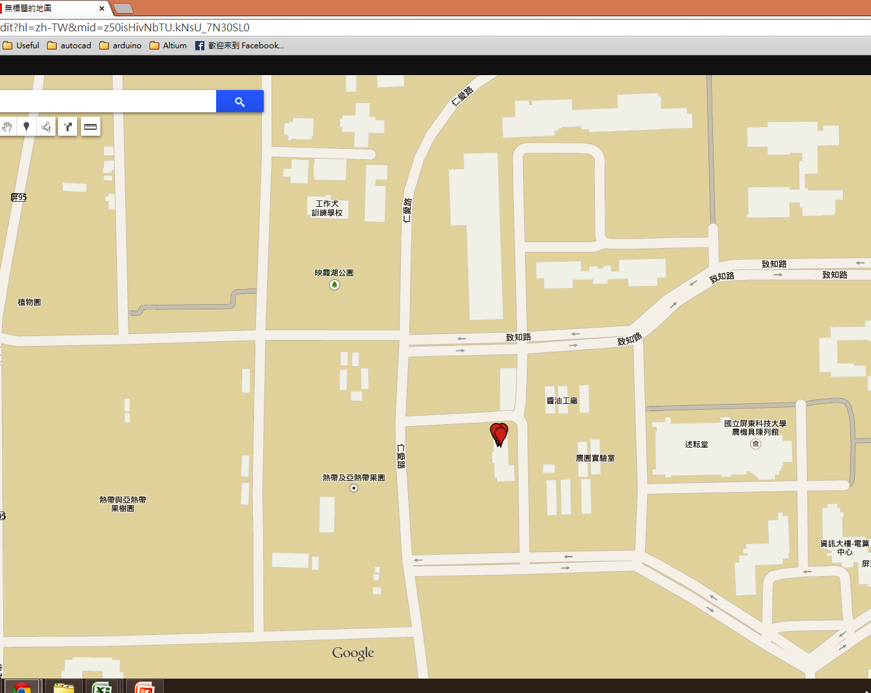
*ID* | System Record Time | location | voltage | temperature | height | precision | shake | sync | Server RxTime |  | NO. | P | D
13 | 2015/03/06, 8:45:03 | ( 22.6454416 , 120.606592 ) | 3.88 | 214 | 0 | 1.49 | 0 | 1 | Sat Mar 07 01:23:56 GMT+08:00 2015 | 3/6/15 | 1
14 | 2015/03/06, 12:12:04 | ( 22.6454256 , 120.606592 ) | 3.893 | 214 | 0 | 5.73 | 0 | 1 | Sat Mar 07 01:23:52 GMT+08:00 2015 | 3/6/15 | 2 | 3.45 | 0.14376157407
15 | 2015/03/06, 15:39:03 | ( 22.645424 , 120.6065792 ) | 3.88 | 214 | 0 | 1.93 | 0 | 1 | Sat Mar 07 01:23:47 GMT+08:00 2015 | 3/6/15 | 3 | 3.45 | 0.2875
16 | 2015/03/06, 18:52:22 | ( 22.6454464 , 120.6066176 ) | 3.88 | 214 | 0 | 2.93 | 0 | 1 | Sat Mar 07 01:23:42 GMT+08:00 2015 | 3/6/15 | 4 | 3.22 | 0.42174768518
17 | 2015/03/06, 22:06:28 | ( 22.6454464 , 120.6065664 ) | 3.867 | 214 | 0 | 1.59 | 0 | 1 | Sat Mar 07 01:23:37 GMT+08:00 2015 | 3/6/15 | 5 | 3.23 | 0.55653935185
18 | 2015/03/7, 1:21:22 | ( 22.6454176 , 120.6066048 ) | 3.867 | 214 | 0 | 1.16 | 0 | 1 | Sat Mar 07 01:23:32 GMT+08:00 2015 | 3/7/15 | 6 | 3.25 | 0.69188657407

*ID* | location | voltage | temperature | height | precision | shake | sync | System Record Time | Server RxTime |  | NO.
1 | ( 23.0060784 , 120.2213248 ) | 4.152 | 0 | 0 | 4.63 | 0 | 1 | 2015/02/10 - 15:02:05 | Wed Feb 11 11:15:37 GMT+08:00 2015 |  | 1
2 | ( 23.0065472 , 120.2207872 ) | 4.262 | 0 | 0 | 2.33 | 0 | 1 | 2015/02/10 - 19:14:22 | Wed Feb 11 11:15:02 GMT+08:00 2015 |  | 2
3 | ( 23.0062144 , 120.2208384 ) | 4.183 | 0 | 0 | 3.03 | 0 | 1 | 2015/02/10 - 23:11:27 | Wed Feb 11 11:14:57 GMT+08:00 2015 |  | 3
4 | ( 23.0062496 , 120.2208896 ) | 4.167 | 0 | 0 | 2.29 | 0 | 1 | 2015/02/11 - 3:11:46 | Wed Feb 11 11:14:52 GMT+08:00 2015 |  | 1
5 | ( 23.0059456 , 120.2208128 ) | 4.152 | 0 | 0 | 5.65 | 0 | 1 | 2015/02/11 - 7:10:48 | Wed Feb 11 11:14:48 GMT+08:00 2015 |  | 2
6 | ( 23.0061984 , 120.2209152 ) | 4.278 | 0 | 0 | 1.55 | 0 | 1 | 2015/02/11 - 11:13:22 | Wed Feb 11 11:14:43 GMT+08:00 2015 |  | 3
7 | ( 23.0062192 , 120.2209536 ) | 4.913 | 0 | 0 | 2.16 | 0 | 1 | 2015/02/11 - 15:13:03 | Thu Feb 12 11:26:08 GMT+08:00 2015 |  | 4
8 | ( NA , NA ) | 4.278 | 0 | NA | 0 | 0 | 0 | 2015/02/11 - 19:04:08 | Thu Feb 12 11:26:03 GMT+08:00 2015 |  | 5
9 | ( 23.0061376 , 120.2208128 ) | 4.167 | 0 | 0 | 3.38 | 0 | 1 | 2015/02/11 - 23:23:22 | Thu Feb 12 11:25:58 GMT+08:00 2015 |  | 6
10 | ( 23.0062048 , 120.2208128 ) | 4.167 | 0 | 0 | 5.64 | 0 | 1 | 2015/02/12 - 3:10:22 | Thu Feb 12 11:25:54 GMT+08:00 2015 |  | 1
11 | ( NA , NA ) | 4.152 | 0 | NA | 0 | 0 | 0 | 2015/02/12 - 7:04:07 | Thu Feb 12 11:25:49 GMT+08:00 2015 |  | 2
12 | ( NA , NA ) | 4.278 | 0 | NA | 0 | 0 | 0 | 2015/02/12 - 11:04:02 | Thu Feb 12 11:25:45 GMT+08:00 2015 |  | 3
13 | ( NA , NA ) | 4.688 | 0 | NA | 0 | 0 | 0 | 2015/02/12 - 15:04:06 | Fri Feb 13 11:24:35 GMT+08:00 2015 |  | 4
14 | ( NA , NA ) | 4.278 | 0 | NA | 0 | 0 | 0 | 2015/02/12 - 19:04:09 | Fri Feb 13 11:24:30 GMT+08:00 2015 |  | 5
15 | ( 23.0062064 , 120.2209024 ) | 4.167 | 0 | 0 | 2.88 | 0 | 1 | 2015/02/12 - 23:57:22 | Fri Feb 13 11:24:26 GMT+08:00 2015 |  | 6
16 | ( 23.0062032 , 120.2208512 ) | 4.167 | 0 | 0 | 2.22 | 0 | 1 | 2015/02/13 - 3:09:03 | Fri Feb 13 11:24:21 GMT+08:00 2015 |  | 1
17 | ( NA , NA ) | 4.152 | 0 | NA | 0 | 0 | 0 | 2015/02/13 - 7:04:08 | Fri Feb 13 11:24:16 GMT+08:00 2015 |  | 2
18 | ( 23.0062848 , 120.2208768 ) | 4.278 | 0 | 0 | 3.15 | 0 | 1 | 2015/02/13 - 11:23:03 | Fri Feb 13 11:24:12 GMT+08:00 2015 |  | 3

 |  |  | 0965326122
*ID* | location | voltage | temperature | height | precision | shake | sync | System Record Time | Server RxTime
1 | ( NA , NA ) | 3.893 | 0 | NA | 0 | 0 | 0 | NA - NA | Sat Feb 14 20:01:11 GMT+08:00 2015
2 | ( NA , NA ) | 3.907 | 214 | NA | 0 | 0 | 0 | NA - NA | Sun Feb 15 20:00:19 GMT+08:00 2015
3 | ( NA , NA ) | 3.907 | 214 | NA | 0 | 0 | 0 | NA - NA | Sun Feb 15 20:00:14 GMT+08:00 2015
4 | ( NA , NA ) | 3.907 | 214 | NA | 0 | 0 | 0 | NA - NA | Sun Feb 15 20:00:10 GMT+08:00 2015
5 | ( NA , NA ) | 3.92 | 214 | NA | 0 | 10024 | 0 | NA - NA | Sun Feb 15 20:00:05 GMT+08:00 2015
6 | ( 22.9746928 , 120.2152576 ) | 3.934 | 214 | 0 | 1.79 | 0 | 1 | 2015/02/15 - 16:00:23 | Sun Feb 15 20:00:00 GMT+08:00 2015
7 | ( 22.975128 , 120.2153088 ) | 3.92 | 214 | 0 | 1.98 | 0 | 1 | 2015/02/15 - 19:57:40 | Sun Feb 15 19:59:56 GMT+08:00 2015

0975873172 _鳥
*ID* | System Record Time | location | voltage | temperature | height | precision | shake | sync | Server RxTime
1 | NA, NA | ( NA , NA ) | 3.976 | 214 | NA | 0 | 0 | 0 | Thu Feb 26 08:23:33 GMT+08:00 2015
2 | NA, NA | ( NA , NA ) | 3.99 | 214 | NA | 0 | 0 | 0 | Thu Feb 26 08:23:29 GMT+08:00 2015
3 | NA, NA | ( NA , NA ) | 3.976 | 214 | NA | 0 | 0 | 0 | Thu Feb 26 08:23:25 GMT+08:00 2015
4 | NA, NA | ( NA , NA ) | 3.976 | 214 | NA | 0 | 0 | 0 | Thu Feb 26 08:23:20 GMT+08:00 2015
5 | NA, NA | ( NA , NA ) | 3.976 | 214 | NA | 0 | 0 | 0 | Thu Feb 26 08:23:16 GMT+08:00 2015
6 | NA, NA | ( NA , NA ) | 3.976 | 214 | NA | 0 | 0 | 0 | Thu Feb 26 08:23:11 GMT+08:00 2015

System Record Time
ID* | location | voltage | temperature | height | precision | shake | sync | System Record Time | Server RxTime | NO.
1 | ( 23.0061648 , 120.2208896 ) | 3.934 | 0 | 0 | 1.5 | 0 | 1 | 2015/02/11 - 22:57:22 | Wed Feb 11 22:59:02 GMT+08:00 2015
2 | ( 23.0062384 , 120.220928 ) | 3.92 | 0 | 0 | 14.29 | 0 | 1 | 2015/02/12 - 2:53:26 | Fri Feb 13 00:57:30 GMT+08:00 2015 | 1
3 | ( 23.0060432 , 120.2208896 ) | 3.92 | 0 | 0 | 6.99 | 0 | 1 | 2015/02/12 - 6:42:42 | Fri Feb 13 00:57:25 GMT+08:00 2015 | 2
4 | ( 23.0062064 , 120.2208512 ) | 3.948 | 0 | 0 | 2.58 | 0 | 1 | 2015/02/12 - 10:34:28 | Fri Feb 13 00:57:21 GMT+08:00 2015 | 3
5 | ( 23.0062192 , 120.2208896 ) | 3.976 | 0 | 0 | 1.63 | 0 | 1 | 2015/02/12 - 14:16:03 | Fri Feb 13 00:57:16 GMT+08:00 2015 | 4
6 | ( 23.006184 , 120.2210176 ) | 4.018 | 0 | NA | 7.12 | 0 | 1 | 2015/02/12 - 17:59:07 | Fri Feb 13 00:57:11 GMT+08:00 2015 | 5
7 | ( 23.006288 , 120.2208384 ) | 4.004 | 0 | 0 | 3.09 | 0 | 1 | 2015/02/12 - 21:30:22 | Fri Feb 13 00:57:07 GMT+08:00 2015 | 6
8 | ( 23.0061776 , 120.2209024 ) | 3.99 | 0 | 0 | 3.27 | 10 | 1 | 2015/02/13 - 0:55:22 | Fri Feb 13 00:57:02 GMT+08:00 2015 | 1
9 | ( 23.0061696 , 120.2209664 ) | 3.99 | 0 | 0 | 3.4 | 0 | 1 | 2015/02/13 - 4:16:03 | Sat Feb 14 10:03:53 GMT+08:00 2015 | 2
10 | ( 23.0059248 , 120.2208512 ) | 3.99 | 0 | 0 | 18.69 | 0 | 1 | 2015/02/13 - 7:41:27 | Sat Feb 14 10:03:48 GMT+08:00 2015 | 3
12 | ( 23.0062448 , 120.2208384 ) | 4.077 | 0 | 0 | 4.73 | 0 | 1 | 2015/02/13 - 14:26:00 | Fri Feb 13 20:59:44 GMT+08:00 2015 | 4
13 | ( 23.0062496 , 120.2209408 ) | 4.092 | 0 | NA | 4.67 | 0 | 1 | 2015/02/13 - 17:44:06 | Fri Feb 13 20:59:40 GMT+08:00 2015 | 5
14 | ( 23.0062032 , 120.2209664 ) | 4.062 | 0 | 0 | 5.31 | 0 | 1 | 2015/02/13 - 20:56:22 | Fri Feb 13 20:59:05 GMT+08:00 2015 | 6
15 | ( 23.0062096 , 120.2208768 ) | 4.062 | 0 | 0 | 5.77 | 0 | 1 | 2015/02/14 - 0:09:46 | Sat Feb 14 10:03:43 GMT+08:00 2015 | 1
16 | ( 23.0062448 , 120.2209024 ) | 4.047 | 0 | 0 | 1.91 | 0 | 1 | 2015/02/14 - 3:25:03 | Sat Feb 14 10:03:39 GMT+08:00 2015 | 2
17 | ( 23.0061584 , 120.2209536 ) | 4.047 | 0 | 0 | 3.67 | 0 | 1 | 2015/02/14 - 6:43:27 | Sat Feb 14 10:03:34 GMT+08:00 2015 | 3
18 | ( 22.9748608 , 120.2151296 ) | 4.077 | 0 | 0 | 5.71 | 634 | 1 | 2015/02/14 - 10:01:24 | Sat Feb 14 10:03:29 GMT+08:00 2015 | 4

0975859514_孝
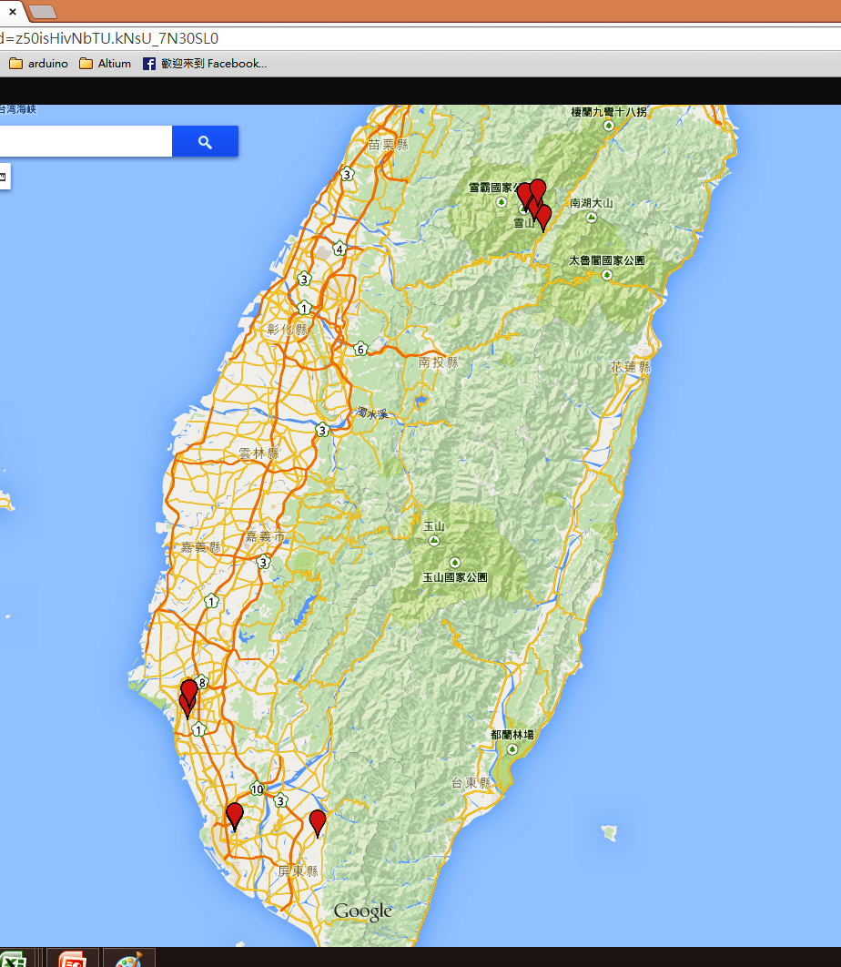
*ID* | location | voltage | temperature | height | precision | shake | sync | System Record Time | Server RxTime |  | NO. | Period /hr | hr | d
1 | ( 22.9744416 , 120.215168 ) | 4.183 | 0 | 0 | 3.42 | 0 | 1 | 2015/02/15 - 15:20:24 | Sun Feb 15 15:22:38 GMT+08:00 2015 | 2/15/15 | 1
2 | ( NA , NA ) | 4.246 | 214 | NA | 0 | 6 | 0 | 2015/02/15 - 19:22:06 | Mon Feb 16 22:46:36 GMT+08:00 2015 | 2/15/15 | 2 | 4.03 | 4.0 | 0.17
3 | ( 23.0060896 , 120.2208512 ) | 4.137 | 214 | 0 | 3.61 | 5387 | 1 | 2015/02/15 - 23:33:32 | Mon Feb 16 22:46:31 GMT+08:00 2015 | 2/15/15 | 3 | 4.71 | 8.2 | 0.34
4 | ( 23.006176 , 120.2208896 ) | 4.121 | 214 | 0 | 2.14 | 0 | 1 | 2015/02/16 - 3:25:22 | Mon Feb 16 22:46:27 GMT+08:00 2015 | 2/16/15 | 1 | 3.86 | 12.1 | 0.50
5 | ( NA , NA ) | 4.121 | 214 | NA | 0 | 0 | 0 | 2015/02/16 - 7:23:17 | Mon Feb 16 22:46:22 GMT+08:00 2015 | 2/16/15 | 2 | 4.46 | 16.0 | 0.67
6 | ( NA , NA ) | 4.106 | 214 | NA | 0 | 0 | 0 | 2015/02/16 - 11:23:13 | Mon Feb 16 22:46:18 GMT+08:00 2015 | 2/16/15 | 3 | 4.00 | 20.0 | 0.84
7 | ( 22.6452176 , 120.6065408 ) | 4.106 | 214 | 0 | 2.61 | 87 | 1 | 2015/02/16 - 15:00:29 | Mon Feb 16 22:46:13 GMT+08:00 2015 | 2/16/15 | 4 | 4.07 | 23.7 | 0.99
8 | ( NA , NA ) | 4.077 | 214 | NA | 0 | 6 | 0 | 2015/02/16 - 19:01:16 | Mon Feb 16 22:46:09 GMT+08:00 2015 | 2/16/15 | 5 | 4.01 | 27.7 | 1.15
9 | ( 22.6631856 , 120.3587968 ) | 4.077 | 214 | 0 | 2.64 | 3 | 1 | 2015/02/16 - 22:43:22 | Mon Feb 16 22:46:04 GMT+08:00 2015 | 2/16/15 | 6 | 4.16 | 31.4 | 1.31
10 | ( 22.6631088 , 120.358848 ) | 4.062 | 214 | 0 | 4.06 | 0 | 1 | 2015/02/17 - 2:34:25 | Tue Feb 17 21:28:02 GMT+08:00 2015 | 2/17/15 | 1 | 3.85 | 35.2 | 1.47
11 | ( 22.663264 , 120.3588736 ) | 4.047 | 214 | 0 | 2.7 | 0 | 1 | 2015/02/17 - 6:16:05 | Tue Feb 17 21:27:57 GMT+08:00 2015 | 2/17/15 | 2 | 4.16 | 38.9 | 1.62
12 | ( 22.6633728 , 120.35872 ) | 4.137 | 214 | NA | 2.33 | 0 | 1 | 2015/02/17 - 10:02:03 | Tue Feb 17 21:27:53 GMT+08:00 2015 | 2/17/15 | 3 | 3.77 | 42.7 | 1.78
13 | ( 22.66324 , 120.358848 ) | 4.501 | 214 | 0 | 2.19 | 0 | 1 | 2015/02/17 - 13:48:23 | Tue Feb 17 21:27:48 GMT+08:00 2015 | 2/17/15 | 4 | 4.24 | 46.5 | 1.94
14 | ( NA , NA ) | 4.311 | 214 | NA | 0 | 162 | 0 | 2015/02/17 - 17:50:23 | Tue Feb 17 21:27:44 GMT+08:00 2015 | 2/17/15 | 5 | 4.03 | 50.5 | 2.10
15 | ( 22.663328 , 120.3590272 ) | 4.152 | 214 | 0 | 2.14 | 128 | 1 | 2015/02/17 - 21:25:22 | Tue Feb 17 21:27:39 GMT+08:00 2015 | 2/17/15 | 6 | 4.03 | 54.1 | 2.25
16 | ( 22.663376 , 120.3588608 ) | 4.106 | 214 | 0 | 2.43 | 5 | 1 | 2015/02/18 - 0:59:29 | Wed Feb 18 19:19:50 GMT+08:00 2015 | 2/18/15 | 1 | 3.57 | 57.7 | 2.40
17 | ( NA , NA ) | 4.092 | 214 | NA | 0 | 0 | 0 | 2015/02/18 - 5:01:30 | Wed Feb 18 19:19:46 GMT+08:00 2015 | 2/18/15 | 2 | 4.54 | 61.7 | 2.57
18 | ( 22.6631424 , 120.358784 ) | 4.092 | 214 | 255 | 3.37 | 0 | 1 | 2015/02/18 - 8:16:07 | Wed Feb 18 19:19:41 GMT+08:00 2015 | 2/18/15 | 3 | 3.24 | 64.9 | 2.71
19 | ( 22.6633072 , 120.3588608 ) | 4.328 | 214 | 0 | 6.61 | 0 | 1 | 2015/02/18 - 11:56:44 | Wed Feb 18 19:19:36 GMT+08:00 2015 | 2/18/15 | 4 | 4.14 | 68.6 | 2.86
20 | ( NA , NA ) | 4.344 | 214 | NA | 0 | 0 | 0 | 2015/02/18 - 15:58:32 | Wed Feb 18 19:19:31 GMT+08:00 2015 | 2/18/15 | 5 | (5.97) | 62.6 | 2.61
21 | ( NA , NA ) | 4.295 | 214 | NA | 0 | 0 | 0 | 2015/02/18 - 19:58:33 | Wed Feb 18 19:19:26 GMT+08:00 2015 | 2/18/15 | 6 | 15.75 | 76.6 | 3.19
22 | ( 22.6631872 , 120.3589376 ) | 4.121 | 214 | 0 | 2.43 | 0 | 1 | 2015/02/18 - 22:52:40 | Thu Feb 19 23:43:02 GMT+08:00 2015 | 2/18/15 | 7 | 2.90 | 79.5 | 3.31
23 | ( 22.6632784 , 120.3588352 ) | 4.106 | 214 | 0 | 2.38 | 0 | 1 | 2015/02/19 - 2:28:22 | Thu Feb 19 23:42:57 GMT+08:00 2015 | 2/19/15 | 1 | 4.04 | 83.1 | 3.46
24 | ( 22.6632384 , 120.3588352 ) | 4.092 | 214 | NA | 3.08 | 0 | 1 | 2015/02/19 - 5:58:03 | Thu Feb 19 23:42:53 GMT+08:00 2015 | 2/19/15 | 2 | 3.49 | 86.6 | 3.61
25 | ( NA , NA ) | 4.106 | 214 | NA | 0 | 0 | 0 | 2015/02/19 - 10:00:34 | Thu Feb 19 23:42:48 GMT+08:00 2015 | 2/19/15 | 3 | 4.55 | 82.5 | 3.44
26 | ( 22.6634688 , 120.358976 ) | 4.728 | 214 | 0 | 2.08 | 0 | 1 | 2015/02/19 - 13:03:21 | Thu Feb 19 23:42:44 GMT+08:00 2015 | 2/19/15 | 4 | 3.05 | 93.7 | 3.90
27 | ( NA , NA ) | 4.311 | 214 | NA | 0 | 16 | 0 | 2015/02/19 - 17:05:40 | Thu Feb 19 23:42:40 GMT+08:00 2015 | 2/19/15 | 5 | 4.54 | 97.8 | 4.07
28 | ( NA , NA ) | 4.152 | 214 | NA | 0 | 3 | 0 | 2015/02/19 - 21:05:37 | Thu Feb 19 23:42:35 GMT+08:00 2015 | 2/19/15 | 6 | 4.00 | 101.8 | 4.24
29 | ( 23.006128 , 120.2208896 ) | 4.092 | 214 | 0 | 7.52 | 29 | 1 | 2015/02/19 - 23:40:24 | Thu Feb 19 23:42:31 GMT+08:00 2015 | 2/19/15 | 7 | 2.90 | 104.3 | 4.35
30 | ( 23.0060864 , 120.2207232 ) | 4.077 | 214 | 0 | 3.85 | 0 | 1 | 2015/02/20 - 3:10:06 | Fri Feb 20 20:08:34 GMT+08:00 2015 | 2/20/15 | 1 | 3.50 | 107.8 | 4.49
31 | ( 23.005984 , 120.2207872 ) | 4.077 | 214 | 0 | 5.61 | 0 | 1 | 2015/02/20 - 6:33:31 | Fri Feb 20 20:08:09 GMT+08:00 2015 | 2/20/15 | 2 | 3.81 | 111.2 | 4.63
32 | ( 23.0061248 , 120.2208256 ) | 4.137 | 214 | 0 | 3.27 | 0 | 1 | 2015/02/20 - 10:00:22 | Fri Feb 20 20:08:04 GMT+08:00 2015 | 2/20/15 | 3 | 3.45 | 114.7 | 4.78
33 | ( 23.0060112 , 120.2208896 ) | 4.501 | 214 | NA | 3.18 | 0 | 1 | 2015/02/20 - 13:18:27 | Fri Feb 20 20:08:00 GMT+08:00 2015 | 2/20/15 | 4 | 3.71 | 118.0 | 4.92
34 | ( NA , NA ) | 4.295 | 214 | NA | 0 | 87 | 0 | 2015/02/20 - 17:19:51 | Fri Feb 20 20:07:55 GMT+08:00 2015 | 2/20/15 | 5 | 4.02 | 122.0 | 5.08
35 | ( NA , NA ) | 4.137 | 214 | NA | 0 | 22 | 0 | 2015/02/20 - 21:19:56 | Fri Feb 20 20:07:51 GMT+08:00 2015 | 2/20/15 | 6 | 4.50 | 126.0 | 5.25
時間與電壓關係圖
36 | ( NA , NA ) | 4.092 | 214 | NA | 0 | 2 | 0 | 2015/02/21 - 1:19:51 | Mon Feb 23 14:45:09 GMT+08:00 2015 | 2/21/15 | 1 | 4.00 | 130.0 | 5.42
37 | ( NA , NA ) | 4.092 | 214 | NA | 0 | 3 | 0 | 2015/02/21 - 5:19:56 | Mon Feb 23 14:45:01 GMT+08:00 2015 | 2/21/15 | 2 | 4.50 | 134.0 | 5.58
38 | ( NA , NA ) | 4.077 | 214 | NA | 0 | 26 | 0 | 2015/02/21 - 9:19:51 | Mon Feb 23 14:44:54 GMT+08:00 2015 | 2/21/15 | 3 | 4.00 | 138.0 | 5.75
39 | ( 24.319864 , 121.2884352 ) | 4.062 | 214 | 0 | 4.35 | 10 | 1 | 2015/02/21 - 9:32:23 | Mon Feb 23 14:44:49 GMT+08:00 2015 | 2/21/15 | 4 | 0.23 | 138.2 | 5.76
40 | ( NA , NA ) | 4.062 | 214 | NA | 0 | 28 | 0 | 2015/02/21 - 13:30:51 | Mon Feb 23 14:44:41 GMT+08:00 2015 | 2/21/15 | 5 | 3.97 | 142.2 | 5.92
41 | ( NA , NA ) | 4.033 | 214 | NA | 0 | 13 | 0 | 2015/02/21 - 17:30:59 | Mon Feb 23 14:44:36 GMT+08:00 2015 | 2/21/15 | 6 | 4.50 | 146.2 | 6.09
42 | ( NA , NA ) | 4.018 | 214 | NA | 0 | 3 | 0 | 2015/02/21 - 21:31:08 | Mon Feb 23 14:44:28 GMT+08:00 2015 | 2/21/15 | 7 | 4.00 | 150.2 | 6.26
43 | ( 24.349432 , 121.2609664 ) | 4.018 | 214 | 10 | 4.7 | 0 | 1 | 2015/02/21 - 22:50:26 | Mon Feb 23 14:44:23 GMT+08:00 2015 | 2/21/15 | 8 | 1.49 | 151.5 | 6.31
44 | ( 24.3494064 , 121.260992 ) | 4.018 | 214 | 10 | 1.91 | 0 | 1 | 2015/02/22 - 2:04:05 | Mon Feb 23 14:44:15 GMT+08:00 2015 | 2/22/15 | 1 | 3.23 | 154.7 | 6.45
45 | ( 24.3494736 , 121.2610688 ) | 4.018 | 214 | 10 | 1.7 | 0 | 1 | 2015/02/22 - 5:26:23 | Mon Feb 23 14:43:34 GMT+08:00 2015 | 2/22/15 | 2 | 3.79 | 158.1 | 6.59
46 | ( NA , NA ) | 4.018 | 214 | NA | 0 | 7 | 0 | 2015/02/22 - 9:23:04 | Mon Feb 23 14:43:26 GMT+08:00 2015 | 2/22/15 | 3 | 3.94 | 162.0 | 6.75
47 | ( NA , NA ) | 4.018 | 214 | NA | 0 | 21 | 0 | 2015/02/22 - 13:23:02 | Mon Feb 23 14:43:20 GMT+08:00 2015 | 2/22/15 | 4 | 4.50 | 166.0 | 6.92
48 | ( NA , NA ) | 4.018 | 214 | NA | 0 | 11 | 0 | 2015/02/22 - 17:23:01 | Mon Feb 23 14:43:15 GMT+08:00 2015 | 2/22/15 | 5 | 4.00 | 170.0 | 7.09
49 | ( NA , NA ) | 4.004 | 214 | NA | 0 | 37 | 0 | 2015/02/22 - 21:22:59 | Mon Feb 23 14:43:09 GMT+08:00 2015 | 2/22/15 | 6 | 4.50 | 174.0 | 7.25
50 | ( NA , NA ) | 4.004 | 214 | NA | 0 | 6 | 0 | 2015/02/23 - 1:23:07 | Mon Feb 23 14:43:04 GMT+08:00 2015 | 2/23/15 | 1 | 4.00 | 178.0 | 7.42
51 | ( NA , NA ) | 4.004 | 214 | NA | 0 | 0 | 0 | 2015/02/23 - 5:23:06 | Mon Feb 23 14:42:59 GMT+08:00 2015 | 2/23/15 | 2 | 4.50 | 182.0 | 7.59
52 | ( 24.3757136 , 121.2372864 ) | 4.004 | 214 | 12 | 4.12 | 0 | 1 | 2015/02/23 - 4:40:04 | Mon Feb 23 14:42:54 GMT+08:00 2015 | 2/23/15 | 3 | (0.72) | 181.3 | 7.56
53 | ( 24.3806656 , 121.2332288 ) | 4.004 | 214 | 0 | 5.7 | 29 | 1 | 2015/02/23 - 8:04:23 | Mon Feb 23 14:42:50 GMT+08:00 2015 | 2/23/15 | 4 | 3.83 | 184.7 | 7.70
54 | ( NA , NA ) | 4.004 | 214 | NA | 0 | 70 | 0 | 2015/02/23 - 12:01:07 | Mon Feb 23 14:42:45 GMT+08:00 2015 | 2/23/15 | 5 | 3.95 | 188.7 | 7.86
55 | ( 24.3888752 , 121.2735104 ) | 4.004 | 214 | 0 | 2.45 | 1 | 1 | 2015/02/23 - 14:41:03 | Mon Feb 23 14:42:41 GMT+08:00 2015 | 2/23/15 | 6 | 3.00 | 191.3 | 7.97
56 | ( NA , NA ) | 4.018 | 214 | NA | 0 | 4 | 0 | 2015/02/23 - 18:43:01 | Tue Feb 24 14:08:01 GMT+08:00 2015 | 2/23/15 | 7 | 4.03 | 195.4 | 8.14
時間與震動關係圖
57 | ( NA , NA ) | 4.018 | 214 | NA | 0 | 0 | 0 | 2015/02/23 - 22:42:59 | Tue Feb 24 14:07:56 GMT+08:00 2015 | 2/23/15 | 8 | 4.50 | 199.4 | 8.31
58 | ( NA , NA ) | 4.033 | 214 | NA | 0 | 0 | 0 | 2015/02/24 - 2:42:57 | Tue Feb 24 14:07:52 GMT+08:00 2015 | 2/24/15 | 1 | 4.00 | 203.4 | 8.47
59 | ( NA , NA ) | 4.033 | 214 | NA | 0 | 0 | 0 | 2015/02/24 - 6:42:56 | Tue Feb 24 14:07:47 GMT+08:00 2015 | 2/24/15 | 2 | 4.50 | 207.4 | 8.64
60 | ( NA , NA ) | 4.033 | 214 | NA | 0 | 0 | 0 | 2015/02/24 - 10:42:54 | Tue Feb 24 14:07:43 GMT+08:00 2015 | 2/24/15 | 3 | 4.00 | 211.4 | 8.81
61 | ( NA , NA ) | 4.018 | 214 | NA | 0 | 0 | 0 | 2015/02/24 - 14:42:53 | Tue Feb 24 14:07:38 GMT+08:00 2015 | 2/24/15 | 4 | 4.50 | 215.4 | 8.97
62 | ( 23.0062448 , 120.2210944 ) | 4.106 | 214 | 0 | 3.27 | 16 | 1 | 2015/02/24 - 14:05:05 | Tue Feb 24 14:07:34 GMT+08:00 2015 | 2/24/15 | 5 | (0.63) | 214.7 | 8.95
63 | ( NA , NA ) | 4.262 | 214 | NA | 0 | 0 | 0 | 2015/02/24 - 18:07:57 | Wed Feb 25 10:07:55 GMT+08:00 2015 | 2/24/15 | 6 | 4.55 | 218.8 | 9.12
64 | ( 23.0062448 , 120.2208768 ) | 4.137 | 214 | 0 | 2.85 | 0 | 1 | 2015/02/24 - 20:48:03 | Wed Feb 25 10:07:50 GMT+08:00 2015 | 2/24/15 | 7 | 2.67 | 221.5 | 9.23
65 | ( 23.00616 , 120.2209024 ) | 4.121 | 214 | 0 | 13.99 | 0 | 1 | 2015/02/25 - 0:07:05 | Wed Feb 25 10:07:46 GMT+08:00 2015 | 2/25/15 | 1 | 3.73 | 224.8 | 9.37
66 | ( 23.0061936 , 120.2209152 ) | 4.106 | 214 | 0 | 2.42 | 0 | 1 | 2015/02/25 - 3:28:27 | Wed Feb 25 10:07:41 GMT+08:00 201 | 2/25/15 | 2 | 3.36 | 228.1 | 9.51
67 | ( 23.0060768 , 120.2209152 ) | 4.106 | 214 | NA | 14.65 | 0 | 1 | 2015/02/25 - 6:49:27 | Wed Feb 25 10:07:37 GMT+08:00 2015 | 2/25/15 | 3 | 3.77 | 231.5 | 9.65
68 | ( 23.0060576 , 120.2208896 ) | 4.167 | 214 | 0 | 3.22 | 0 | 1 | 2015/02/25 - 10:05:03 | Wed Feb 25 10:07:32 GMT+08:00 2015 | 2/25/15 | 4 | 3.26 | 234.7 | 9.78
69 | ( 23.0060256 , 120.2207616 ) | 4.85 | 214 | 0 | 2.6 | 0 | 1 | 2015/02/25 - 13:28:21 | Thu Feb 26 06:06:43 GMT+08:00 2015 | 2/25/15 | 5 | 3.39 | 238.1 | 9.92
70 | ( 23.00616 , 120.2210816 ) | 4.328 | 214 | NA | 4.35 | 0 | 1 | 2015/02/25 - 16:51:06 | Thu Feb 26 06:06:39 GMT+08:00 2015 | 2/25/15 | 6 | 3.38 | 241.5 | 10.06
71 | ( 23.006176 , 120.2209664 ) | 4.183 | 214 | 0 | 5.56 | 0 | 1 | 2015/02/25 - 20:08:28 | Thu Feb 26 06:06:35 GMT+08:00 2015 | 2/25/15 | 7 | 3.29 | 244.8 | 10.20
72 | ( 23.0056208 , 120.2214784 ) | 4.152 | 214 | 0 | 16.73 | 0 | 1 | 2015/02/25 - 23:28:17 | Thu Feb 26 06:06:30 GMT+08:00 2015 | 2/25/15 | 8 | 3.33 | 248.1 | 10.34
73 | ( 23.0059904 , 120.2208512 ) | 4.121 | 214 | 0 | 3.69 | 0 | 1 | 2015/02/26 - 2:48:43 | Thu Feb 26 06:06:26 GMT+08:00 2015 | 2/26/15 | 1 | 3.34 | 251.5 | 10.48
74 | ( 23.0062176 , 120.2208384 ) | 4.121 | 214 | 0 | 7.7 | 0 | 1 | 2015/02/26 - 6:04:31 | Thu Feb 26 06:06:12 GMT+08:00 2015 | 2/26/15 | 2 | 3.26 | 254.7 | 10.61
75 | ( 23.0061792 , 120.2210048 ) | 4.152 | 214 | 0 | 3.48 | 0 | 1 | 2015/02/26 - 9:24:46 | Fri Feb 27 02:06:31 GMT+08:00 2015 | 2/26/15 | 3 | 3.34 | 258.1 | 10.75
76 | ( 23.0062496 , 120.220864 ) | 4.935 | 214 | 0 | 2.02 | 0 | 1 | 2015/02/26 - 12:43:22 | Fri Feb 27 02:06:27 GMT+08:00 2015 | 2/26/15 | 4 | 3.31 | 261.4 | 10.89
77 | ( 23.0060528 , 120.2207744 ) | 4.574 | 214 | 0 | 3.06 | 0 | 1 | 2015/02/26 - 16:05:03 | Fri Feb 27 02:06:22 GMT+08:00 2015 | 2/26/15 | 5 | 3.36 | 264.7 | 11.03
78 | ( 23.0061584 , 120.2209536 ) | 4.295 | 214 | 0 | 2.73 | 0 | 1 | 2015/02/26 - 19:24:03 | Fri Feb 27 02:06:18 GMT+08:00 2015 | 2/26/15 | 6 | (6.68) | 258.1 | 10.75
79 | ( 23.0060384 , 120.2209152 ) | 4.183 | 214 | 0 | 3.27 | 0 | 1 | 2015/02/26 - 22:43:40 | Fri Feb 27 02:06:13 GMT+08:00 2015 | 2/26/15 | 7 | 13.33 | 271.4 | 11.31
80 | ( 23.0062176 , 120.2209024 ) | 4.137 | 214 | 0 | 2.57 | 0 | 1 | 2015/02/27 - 2:04:03 | Fri Feb 27 02:06:09 GMT+08:00 2015 | 2/27/15 | 1 | 3.34 | 274.7 | 11.45
81 | ( 23.0061296 , 120.2209152 ) | 4.106 | 214 | 0 | 2.66 | 0 | 1 | 2015/02/27 - 5:24:46 | Fri Feb 27 22:06:19 GMT+08:00 2015 | 2/27/15 | 2 | 3.35 | 278.1 | 11.59
82 | ( 23.006216 , 120.2208512 ) | 4.106 | 214 | 0 | 5.61 | 0 | 1 | 2015/02/27 - 8:41:22 | Fri Feb 27 22:06:14 GMT+08:00 2015 | 2/27/15 | 3 | 3.28 | 281.3 | 11.72
83 | ( 23.0061552 , 120.2210176 ) | 4.106 | 214 | NA | 3.71 | 0 | 1 | 2015/02/27 - 12:01:03 | Fri Feb 27 22:06:10 GMT+08:00 2015 | 2/27/15 | 4 | 3.33 | 284.7 | 11.86
84 | ( 23.006272 , 120.220864 ) | 4.106 | 214 | 0 | 1.31 | 0 | 1 | 2015/02/27 - 15:23:04 | Fri Feb 27 22:06:05 GMT+08:00 2015 | 2/27/15 | 5 | 3.37 | 288.0 | 12.00
85 | ( 23.0063216 , 120.2211328 ) | 4.092 | 214 | NA | 4.85 | 0 | 1 | 2015/02/27 - 18:45:26 | Fri Feb 27 22:06:01 GMT+08:00 2015 | 2/27/15 | 6 | 3.37 | 291.4 | 12.14
86 | ( 23.0061392 , 120.2209152 ) | 4.077 | 214 | 0 | 2.96 | 0 | 1 | 2015/02/27 - 22:04:03 | Fri Feb 27 22:05:56 GMT+08:00 2015 | 2/27/15 | 7 | 3.31 | 294.7 | 12.28
87 | ( 23.0062656 , 120.2208512 ) | 4.062 | 214 | 0 | 2.49 | 0 | 0 | 2015/02/28, 1:25:03 | Sat Feb 28 18:09:57 GMT+08:00 2015 | 2/28/15 |  | 3.35 | 298.1 | 12.42
88 | ( 23.0062064 , 120.2208256 ) | 4.062 | 214 | 0 | 3.84 | 0 | 0 | 2015/02/28, 4:45:47 | Sat Feb 28 18:09:52 GMT+08:00 2015 | 2/28/15 |  | 3.35 | 301.4 | 12.56
89 | ( 23.006024 , 120.2210944 ) | 4.062 | 214 | 0 | 7.5 | 0 | 0 | 2015/02/28, 8:03:25 | Sat Feb 28 18:09:48 GMT+08:00 2015 | 2/28/15 |  | 3.29 | 304.7 | 12.70
90 | ( 23.0060208 , 120.2208384 ) | 4.062 | 214 | 0 | 3.24 | 0 | 0 | 2015/02/28, 11:22:27 | Sat Feb 28 18:09:43 GMT+08:00 2015 | 2/28/15 |  | 3.32 | 308.0 | 12.83
91 | ( 23.0061392 , 120.220928 ) | 4.077 | 214 | 0 | 3.02 | 0 | 0 | 2015/02/28, 14:43:21 | Sat Feb 28 18:09:39 GMT+08:00 2015 | 2/28/15 |  | 3.35 | 311.4 | 12.97
92 | ( 23.0063664 , 120.220864 ) | 4.062 | 214 | NA | 2.13 | 0 | 0 | 2015/02/28, 18:06:46 | Sat Feb 28 18:09:34 GMT+08:00 2015 | 2/28/15 |  | 3.39 | 314.8 | 13.12
93 | ( 23.0061952 , 120.2209664 ) | 4.062 | 214 | 0 | 2.88 | 0 | 0 | 2015/02/28, 21:21:22 | Sun Mar 01 13:57:04 GMT+08:00 2015 | 2/28/15 |  | 3.24 | 318.0 | 13.25
94 | ( 23.0062592 , 120.2208128 ) | 4.047 | 214 | 0 | 16.61 | 0 | 0 | 2015/3/1, 0:39:25 | Sun Mar 01 13:57:00 GMT+08:00 2015 | 3/1/15 |  | 3.30 | 321.3 | 13.39
95 | ( 23.0062272 , 120.2212608 ) | 4.047 | 214 | 0 | 2.77 | 0 | 0 | 2015/3/1, 3:55:06 | Sun Mar 01 13:56:55 GMT+08:00 2015 | 3/1/15 |  | 3.26 | 324.6 | 13.52
96 | ( 23.006192 , 120.2209152 ) | 4.047 | 214 | 0 | 3.17 | 0 | 0 | 2015/3/1, 7:16:24 | Sun Mar 01 13:56:51 GMT+08:00 2015 | 3/1/15 |  | 3.35 | 327.9 | 13.66
97 | ( NA , NA ) | 4.047 | 214 | NA | 0 | 0 | 0 | 2015/03/29, 11:13:49 | Sun Mar 01 13:56:46 GMT+08:00 2015 | 3/29/15 |  | 675.96 | 1003.9 | 41.83
98 | ( 23.0060736 , 120.2212864 ) | 4.062 | 214 | NA | 4.1 | 0 | 0 | 2015/03/01, 13:54:05 | Sun Mar 01 13:56:42 GMT+08:00 2015 | 3/1/15 |  | (669.33) | 334.6 | 13.94
99 | ( 23.0067392 , 120.2205312 ) | 4.047 | 214 | NA | 8.11 | 0 | 0 | 2015/03/01, 17:18:46 | Mon Mar 02 09:52:33 GMT+08:00 2015 | 3/1/15 |  | 3.41 | 338.0 | 14.08
100 | ( 23.0062816 , 120.2209024 ) | 4.047 | 214 | 0 | 2.61 | 0 | 0 | 2015/03/01, 20:38:03 | Mon Mar 02 09:52:29 GMT+08:00 2015 | 3/1/15 |  | 3.32 | 341.3 | 14.22
101 | ( 23.0061504 , 120.220928 ) | 4.033 | 214 | 0 | 1.83 | 0 | 0 | 2015/03/01, 23:56:41 | Mon Mar 02 09:52:24 GMT+08:00 2015 | 3/1/15 |  | 3.31 | 344.6 | 14.36
102 | ( 23.0061792 , 120.2209664 ) | 4.033 | 214 | 0 | 2.45 | 0 | 0 | 2015/03/2, 3:12:03 | Mon Mar 02 09:52:20 GMT+08:00 2015 | 3/2/15 |  | 3.26 | 347.9 | 14.49
103 | ( 23.0061232 , 120.2208256 ) | 4.033 | 214 | 0 | 18.49 | 0 | 0 | 2015/03/2, 6:32:15 | Mon Mar 02 09:52:15 GMT+08:00 2015 | 3/2/15 |  | 3.34 | 351.2 | 14.63
104 | ( 23.0050704 , 120.2210816 ) | 4.047 | 214 | 0 | 13.2 | 0 | 0 | 2015/03/02, 9:50:26 | Mon Mar 02 09:52:10 GMT+08:00 2015 | 3/2/15 |  | 3.30 | 354.5 | 14.77
123 | ( 23.006216 , 120.2209152 ) | 4.018 | 214 | NA | 1.83 | 0 | 1 | 2015/03/5, 0:51:03 | Thu Mar 05 17:40:39 GMT+08:00 2015 | 3/5/15 |  | 63.01 | 417.5 | 17.40
124 | ( 23.0061344 , 120.2210048 ) | 4.018 | 214 | NA | 5.01 | 0 | 1 | 2015/03/5, 4:12:25 | Thu Mar 05 17:40:35 GMT+08:00 2015 | 3/5/15 |  | 3.36 | 420.9 | 17.54
125 | ( 23.0061536 , 120.2209536 ) | 4.004 | 214 | 0 | 2.5 | 0 | 1 | 2015/03/5, 7:28:22 | Thu Mar 05 17:40:30 GMT+08:00 2015 | 3/5/15 |  | 3.27 | 424.1 | 17.67
126 | ( 23.0061184 , 120.2208512 ) | 4.004 | 214 | 0 | 2.77 | 0 | 1 | 2015/03/05, 10:57:27 | Thu Mar 05 17:40:25 GMT+08:00 2015 | 3/5/15 |  | 3.48 | 427.6 | 17.82
127 | ( 23.0062592 , 120.2208768 ) | 4.018 | 214 | 0 | 2.28 | 0 | 1 | 2015/03/05, 14:15:03 | Thu Mar 05 17:40:21 GMT+08:00 2015 | 3/5/15 |  | 3.29 | 430.9 | 17.95
128 | ( NA , NA ) | 4.004 | 214 | NA | 0 | 0 | 0 | 2015/03/05, 18:16:55 | Thu Mar 05 17:40:16 GMT+08:00 2015 | 3/5/15 |  | 4.03 | 434.9 | 18.12
129 | ( 23.0063232 , 120.220928 ) | 4.004 | 214 | NA | 2.78 | 0 | 1 | 2015/03/05, 20:57:40 | Fri Mar 06 13:37:00 GMT+08:00 2015 | 3/5/15 |  | 2.68 | 437.6 | 18.23
130 | ( 23.0062336 , 120.2208512 ) | 3.99 | 214 | 0 | 3.71 | 0 | 1 | 2015/03/6, 0:16:28 | Fri Mar 06 13:36:55 GMT+08:00 2015 | 3/6/15 |  | 3.31 | 440.9 | 18.37
131 | ( 23.0061072 , 120.2208512 ) | 3.99 | 214 | NA | 3.93 | 0 | 1 | 2015/03/6, 3:36:43 | Fri Mar 06 13:36:51 GMT+08:00 2015 | 3/6/15 |  | 3.34 | 444.3 | 18.51
132 | ( 23.0061952 , 120.220928 ) | 3.99 | 214 | 0 | 3.19 | 0 | 1 | 2015/03/6, 6:56:48 | Fri Mar 06 13:36:36 GMT+08:00 2015 | 3/6/15 |  | 3.33 | 447.6 | 18.65
133 | ( 23.0061728 , 120.2204544 ) | 3.99 | 214 | 0 | 3.88 | 0 | 1 | 2015/03/06, 10:15:30 | Fri Mar 06 13:36:32 GMT+08:00 2015 | 3/6/15 |  | 3.31 | 450.9 | 18.79
134 | ( 23.0062656 , 120.2208128 ) | 3.99 | 214 | 0 | 2.48 | 0 | 1 | 2015/03/06, 13:34:27 | Fri Mar 06 13:36:27 GMT+08:00 2015 | 3/6/15 |  | 3.32 | 454.2 | 18.93

System Record Time
*ID* | location | voltage | temperature | height | precision | shake | sync | System Record Time | Server RxTime |  | NO.
1 | ( 23.006472 , 120.2204672 ) | 3.934 | 0 | 0 | 14.19 | 0 | 1 | 2015/02/12 - 21:31:05 | Thu Feb 12 21:32:32 GMT+08:00 2015
2 | ( 23.0062048 , 120.2208512 ) | 3.92 | 0 | 0 | 2.86 | 0 | 1 | 2015/02/13 - 1:32:22 | Fri Feb 13 20:55:34 GMT+08:00 2015 |  | 1
3 | ( 23.0063456 , 120.2208384 ) | 3.907 | 0 | 0 | 9.26 | 0 | 1 | 2015/02/13 - 5:29:23 | Fri Feb 13 20:55:29 GMT+08:00 2015 |  | 2
4 | ( 23.0061648 , 120.2208896 ) | 3.962 | 0 | 0 | 7.08 | 0 | 1 | 2015/02/13 - 9:16:04 | Fri Feb 13 20:55:24 GMT+08:00 2015 |  | 3
5 | ( 23.0061696 , 120.2210048 ) | 4.077 | 0 | 0 | 3.01 | 0 | 1 | 2015/02/13 - 13:10:28 | Fri Feb 13 20:55:20 GMT+08:00 2015 |  | 4
6 | ( 23.0060832 , 120.2207616 ) | 4.278 | 0 | 0 | 2.89 | 0 | 1 | 2015/02/13 - 17:05:03 | Fri Feb 13 20:55:15 GMT+08:00 2015 |  | 5
7 | ( 23.006136 , 120.2210688 ) | 4.137 | 0 | 0 | 3.68 | 0 | 1 | 2015/02/13 - 20:53:46 | Fri Feb 13 20:55:10 GMT+08:00 2015 |  | 6
8 | ( 23.006104 , 120.2208512 ) | 4.106 | 0 | 0 | 10.14 | 0 | 1 | 2015/02/14 - 0:35:25 | Sat Feb 14 19:08:36 GMT+08:00 2015 |  | 1
9 | ( 23.0062288 , 120.220864 ) | 4.092 | 0 | 0 | 3.62 | 0 | 1 | 2015/02/14 - 4:19:24 | Sat Feb 14 19:08:32 GMT+08:00 2015 |  | 2
10 | ( 23.0062464 , 120.2208896 ) | 4.106 | 0 | 0 | 2.94 | 0 | 1 | 2015/02/14 - 7:54:05 | Sat Feb 14 19:08:27 GMT+08:00 2015 |  | 3
11 | ( 22.9744112 , 120.215488 ) | 4.328 | 0 | NA | 3.52 | 131 | 1 | 2015/02/14 - 11:46:03 | Sat Feb 14 19:08:23 GMT+08:00 2015 |  | 4
12 | ( 22.9747728 , 120.215424 ) | 4.328 | 0 | 0 | 3.21 | 0 | 1 | 2015/02/14 - 15:30:46 | Sat Feb 14 19:08:18 GMT+08:00 2015 |  | 5
13 | ( 22.9743232 , 120.2152576 ) | 4.295 | 0 | NA | 4.31 | 62 | 1 | 2015/02/14 - 19:06:06 | Sat Feb 14 19:08:13 GMT+08:00 2015 |  | 6

System Record Time
*ID* | location | voltage | temperature | height | precision | shake | sync | System Record Time | Server RxTime
7 | ( 23.005888 , 120.2211584 ) | 4.018 | 0 | 0 | 1.45 | 9 | 1 | 2015/02/10 - 19:43:22 | Wed Feb 11 14:24:59 GMT+08:00 2015
8 | ( 23.0061376 , 120.2210944 ) | 4.018 | 0 | 0 | 1.35 | 0 | 1 | 2015/02/10 - 23:26:22 | Wed Feb 11 14:24:54 GMT+08:00 2015
9 | ( 23.005936 , 120.2211072 ) | 4.018 | 0 | 0 | 5.12 | 0 | 1 | 2015/02/11 - 3:10:22 | Wed Feb 11 14:24:49 GMT+08:00 2015
10 | ( 23.0058992 , 120.2210176 ) | 4.018 | 0 | 0 | 4.29 | 0 | 1 | 2015/02/11 - 6:54:27 | Wed Feb 11 14:24:45 GMT+08:00 2015
11 | ( 23.0060192 , 120.2213504 ) | 4.004 | 0 | 0 | 1.42 | 0 | 1 | 2015/02/11 - 10:39:03 | Wed Feb 11 14:24:40 GMT+08:00 2015
12 | ( 23.006008 , 120.2210432 ) | 4.018 | 0 | 0 | 3.07 | 0 | 1 | 2015/02/11 - 14:23:27 | Wed Feb 11 14:24:35 GMT+08:00 2015
13 | ( 23.0061088 , 120.2217216 ) | 4.004 | 0 | 255 | 1.55 | 0 | 1 | 2015/02/11 - 18:07:22 | Thu Feb 12 12:48:36 GMT+08:00 2015
14 | ( 23.0062544 , 120.2210048 ) | 4.004 | 0 | 0 | 2.18 | 0 | 1 | 2015/02/11 - 21:50:22 | Thu Feb 12 12:48:31 GMT+08:00 2015
15 | ( 23.006128 , 120.2210048 ) | 4.004 | 0 | 0 | 1.42 | 0 | 1 | 2015/02/12 - 1:34:22 | Thu Feb 12 12:48:26 GMT+08:00 2015
16 | ( 23.006096 , 120.2210944 ) | 4.004 | 0 | 0 | 1.97 | 0 | 1 | 2015/02/12 - 5:18:27 | Thu Feb 12 12:48:21 GMT+08:00 2015
17 | ( 23.0061376 , 120.2210176 ) | 4.004 | 0 | 0 | 2.24 | 0 | 1 | 2015/02/12 - 9:03:03 | Thu Feb 12 12:48:17 GMT+08:00 2015
18 | ( 23.0061168 , 120.2212992 ) | 4.004 | 0 | 0 | 2.72 | 0 | 1 | 2015/02/12 - 12:47:03 | Thu Feb 12 12:48:12 GMT+08:00 2015
NA | ( NA , NA ) | 0 | 0 | NA | 0 | 0 | 0 | NA - NA | Tue Feb 10 16:04:53 GMT+08:00 201
NA | ( NA , NA ) | 0 | 0 | NA | 0 | 0 | 0 | NA - NA | Tue Feb 10 16:03:33 GMT+08:00 2015
NA | ( 23.0057728 , 120.2212864 ) | 4.018 | 0 | 0 | 2.11 | 0 | 1 | 2015/02/10 - 4:47:03 | Tue Feb 10 16:01:55 GMT+08:00 2015
NA | ( 23.0060032 , 120.22112 ) | 4.018 | 0 | 0 | 3.12 | 0 | 1 | 2015/02/10 - 8:31:03 | Tue Feb 10 16:01:51 GMT+08:00 2015
NA | ( NA , NA ) | 0 | 0 | NA | 0 | 0 | 0 | NA - NA | Tue Feb 10 16:01:46 GMT+08:00 2015
NA | ( 23.0060336 , 120.2211328 ) | 4.018 | 0 | 0 | 1.67 | 111 | 1 | 2015/02/10 - 16:00:03 | Tue Feb 10 16:01:12 GMT+08:00 2015

0963675186_立德
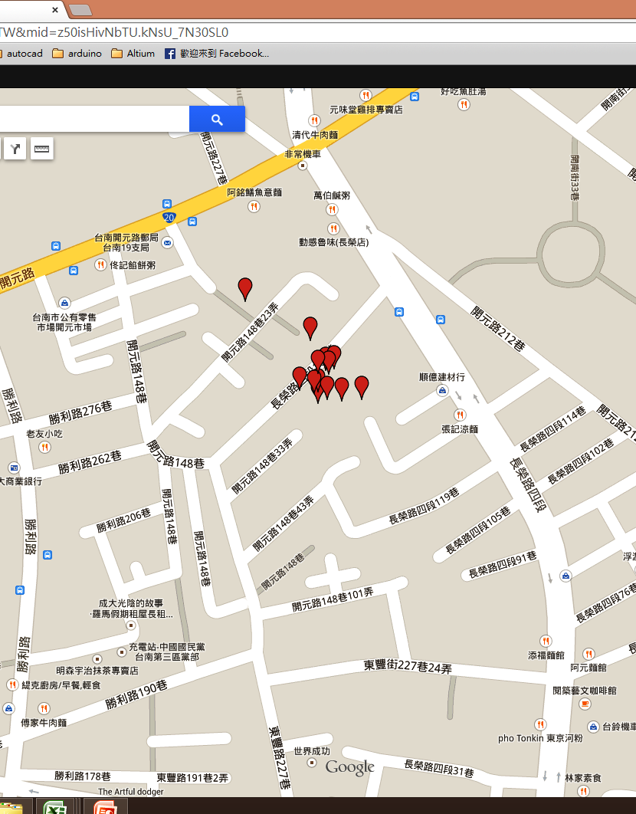
*ID* | System Record Time | location | voltage | temperature | height | precision | shake | sync | Server RxTime |  | NO. | Period | D
1 | 2015/03/5, 0:59:47 | ( 23.006216 , 120.2209024 ) | 3.934 | 0 | 0 | 2.75 | 0 | 1 | Thu Mar 05 01:01:38 GMT+08:00 2015 | 3/5/15 | 1
2 | 2015/03/5, 4:55:27 | ( 23.006 , 120.2208512 ) | 3.92 | 214 | 0 | 10.46 | 0 | 1 | Fri Mar 06 00:08:59 GMT+08:00 2015 | 3/5/15 | 2 | 3.93 | 0.16
3 | 2015/03/05, 8:54:27 | ( 23.0060752 , 120.2208512 ) | 3.948 | 214 | 0 | 3.52 | 0 | 1 | Fri Mar 06 00:08:55 GMT+08:00 2015 | 3/5/15 | 3 | 3.98 | 0.33
4 | 2015/03/05, 12:44:22 | ( 23.0060672 , 120.2208256 ) | 4.062 | 214 | 0 | 2.76 | 0 | 1 | Fri Mar 06 00:08:50 GMT+08:00 2015 | 3/5/15 | 4 | 3.83 | 0.49
5 | 2015/03/05, 16:36:06 | ( 23.006024 , 120.2211584 ) | 4.137 | 214 | NA | 9.28 | 0 | 1 | Fri Mar 06 00:08:46 GMT+08:00 2015 | 3/5/15 | 5 | 3.86 | 0.65
6 | 2015/03/05, 20:28:09 | ( 23.006224 , 120.2209664 ) | 4.121 | 214 | 0 | 8.57 | 0 | 1 | Fri Mar 06 00:08:41 GMT+08:00 2015 | 3/5/15 | 6 | 3.87 | 0.81
7 | 2015/03/6, 0:06:18 | ( 23.0066592 , 120.2203392 ) | 4.121 | 214 | 0 | 14.97 | 0 | 1 | Fri Mar 06 00:08:36 GMT+08:00 2015 | 3/6/15 | 1 | 3.64 | 0.96
8 | 2015/03/6, 3:38:41 | ( 23.0061888 , 120.220928 ) | 4.106 | 214 | 0 | 6.18 | 0 | 1 | Fri Mar 06 20:42:35 GMT+08:00 2015 | 3/6/15 | 2 | 3.54 | 1.11
9 | 2015/03/6, 7:04:04 | ( 23.006192 , 120.2208512 ) | 4.106 | 214 | 0 | 3.07 | 0 | 1 | Fri Mar 06 20:42:30 GMT+08:00 2015 | 3/6/15 | 3 | 3.42 | 1.25
10 | 2015/03/06, 10:36:21 | ( 23.0060288 , 120.2209152 ) | 4.152 | 214 | NA | 3.07 | 0 | 1 | Fri Mar 06 20:42:25 GMT+08:00 2015 | 3/6/15 | 4 | 3.54 | 1.40
11 | 2015/03/06, 14:00:21 | ( 23.0060848 , 120.2207232 ) | 4.728 | 214 | 0 | 2.7 | 1 | 1 | Fri Mar 06 20:42:21 GMT+08:00 2015 | 3/6/15 | 5 | 3.40 | 1.54
12 | 2015/03/06, 17:27:03 | ( 23.0064048 , 120.2208 ) | 4.328 | 214 | NA | 2.73 | 0 | 1 | Fri Mar 06 20:42:16 GMT+08:00 2015 | 3/6/15 | 6 | 3.44 | 1.69
13 | 2015/03/06, 20:40:00 | ( 23.0060176 , 120.2210176 ) | 4.183 | 214 | 0 | 4.17 | 0 | 1 | Fri Mar 06 20:42:11 GMT+08:00 2015 | 3/6/15 | 7 | 3.22 | 1.82

*ID* | System Record Time | location | voltage | temperature | height | precision | shake | sync | Server RxTime
2 | 2015/03/04, 21:39:22 | ( 23.0060176 , 120.2210176 ) | 4.047 | 214 | 0 | 3.54 | 0 | 1 | Wed Mar 04 21:55:51 GMT+08:00 2015 | 3/4/15 | 1
3 | 2015/03/04, 21:48:46 | ( 23.00612 , 120.220928 ) | 4.047 | 214 | 0 | 3.74 | 0 | 1 | Wed Mar 04 21:55:46 GMT+08:00 2015 | 3/4/15 | 2 | 0.16 | 0.01
4 | 2015/03/04, 21:53:48 | ( 23.006344 , 120.2215168 ) | 4.047 | 214 | 0 | 6.49 | 0 | 1 | Wed Mar 04 21:55:42 GMT+08:00 2015 | 3/4/15 | 3 | 0.08 | 0.01
5 | 2015/03/04, 22:01:22 | ( 23.0060784 , 120.2209792 ) | 4.047 | 214 | 0 | 1.97 | 0 | 1 | Wed Mar 04 22:17:42 GMT+08:00 2015 | 3/4/15 | 4 | 0.13 | 0.02
6 | 2015/03/04, 22:09:03 | ( 23.0061088 , 120.2211584 ) | 4.047 | 214 | 0 | 3.61 | 0 | 1 | Wed Mar 04 22:17:37 GMT+08:00 2015 | 3/4/15 | 5 | 0.13 | 0.02
7 | 2015/03/04, 22:15:42 | ( 23.0059648 , 120.2213632 ) | 4.047 | 214 | 0 | 10.23 | 0 | 1 | Wed Mar 04 22:17:32 GMT+08:00 2015 | 3/4/15 | 6 | 0.11 | 0.03
8 | 2015/03/04, 22:21:21 | ( 23.0059984 , 120.2212224 ) | 4.033 | 214 | 0 | 2.24 | 0 | 1 | Wed Mar 04 22:34:52 GMT+08:00 2015 | 3/4/15 | 7 | 0.09 | 0.03
9 | 2015/03/04, 22:27:40 | ( 23.0061568 , 120.2209152 ) | 4.033 | 214 | 0 | 5.48 | 0 | 1 | Wed Mar 04 22:34:47 GMT+08:00 2015 | 3/4/15 | 8 | 0.11 | 0.03
10 | 2015/03/04, 22:33:03 | ( 23.0061184 , 120.2210176 ) | 4.033 | 214 | 0 | 3.81 | 0 | 1 | Wed Mar 04 22:34:42 GMT+08:00 2015 | 3/4/15 | 9 | 0.09 | 0.04
11 | 2015/03/04, 22:39:22 | ( 23.0060896 , 120.2210176 ) | 4.033 | 214 | 0 | 2.45 | 0 | 1 | Wed Mar 04 22:53:23 GMT+08:00 2015 | 3/4/15 | 10 | 0.11 | 0.04
12 | 2015/03/04, 22:45:03 | ( 23.0059872 , 120.2210816 ) | 4.033 | 214 | 0 | 2.22 | 0 | 1 | Wed Mar 04 22:53:18 GMT+08:00 2015 | 3/4/15 | 11 | 0.09 | 0.05
13 | 2015/03/04, 22:51:22 | ( 23.0063168 , 120.2209536 ) | 4.033 | 214 | 0 | 5.15 | 0 | 1 | Wed Mar 04 22:53:13 GMT+08:00 2015 | 3/4/15 | 12 | 0.11 | 0.05
14 | 2015/03/04, 22:57:03 | ( 23.0059696 , 120.2211712 ) | 4.033 | 214 | 0 | 1.89 | 0 | 1 | Wed Mar 04 23:10:52 GMT+08:00 2015 | 3/4/15 | 13 | 0.09 | 0.05
15 | 2015/03/04, 23:03:40 | ( 23.006128 , 120.2211712 ) | 4.033 | 214 | 0 | 1.72 | 0 | 1 | Wed Mar 04 23:10:48 GMT+08:00 2015 | 3/4/15 | 14 | 0.11 | 0.06
16 | 2015/03/04, 23:09:03 | ( 23.0061296 , 120.2211712 ) | 4.033 | 214 | 0 | 11.54 | 0 | 1 | Wed Mar 04 23:10:43 GMT+08:00 2015 | 3/4/15 | 15 | 0.09 | 0.06
17 | 2015/03/04, 23:15:41 | ( 23.0060928 , 120.221312 ) | 4.018 | 214 | 0 | 14.26 | 0 | 1 | Wed Mar 04 23:29:47 GMT+08:00 2015 | 3/4/15 | 16 | 0.11 | 0.07
18 | 2015/03/04, 23:21:21 | ( 23.00616 , 120.2210432 ) | 4.018 | 214 | 0 | 2.06 | 0 | 1 | Wed Mar 04 23:29:42 GMT+08:00 2015 | 3/4/15 | 17 | 0.09 | 0.07
19 | 2015/03/04, 23:27:46 | ( 23.00608 , 120.22112 ) | 4.018 | 214 | 0 | 2.27 | 0 | 1 | Wed Mar 04 23:29:37 GMT+08:00 2015 | 3/4/15 | 18 | 0.11 | 0.08
20 | 2015/03/04, 23:34:41 | ( 23.0061184 , 120.2210176 ) | 4.018 | 214 | 0 | 1.84 | 0 | 1 | Wed Mar 04 23:49:52 GMT+08:00 2015 | 3/4/15 | 19 | 0.12 | 0.08
21 | 2015/03/04, 23:42:23 | ( 23.0061728 , 120.2210432 ) | 4.018 | 214 | 0 | 2.83 | 0 | 1 | Wed Mar 04 23:49:47 GMT+08:00 2015 | 3/4/15 | 20 | 0.13 | 0.09
22 | 2015/03/04, 23:48:03 | ( 23.006064 , 120.221056 ) | 4.018 | 214 | 0 | 2.24 | 0 | 1 | Wed Mar 04 23:49:43 GMT+08:00 2015 | 3/4/15 | 21 | 0.09 | 0.09
24 | 2015/03/5, 0:00:03 | ( 23.0060752 , 120.22112 ) | 4.004 | 214 | 0 | 1.92 | 0 | 1 | Thu Mar 05 00:08:17 GMT+08:00 2015 | 3/5/15 | 1 | 0.20 | 0.10
25 | 2015/03/5, 0:06:22 | ( 23.0061136 , 120.220992 ) | 4.004 | 214 | 0 | 1.05 | 0 | 1 | Thu Mar 05 00:08:12 GMT+08:00 2015 | 3/5/15 | 2 | 0.11 | 0.10
26 | 2015/03/5, 0:12:03 | ( 23.0060288 , 120.2211584 ) | 4.004 | 214 | 0 | 1.73 | 0 | 1 | Thu Mar 05 00:25:52 GMT+08:00 201 | 3/5/15 | 3 | 0.09 | 0.11
27 | 2015/03/5, 0:18:40 | ( 23.0060704 , 120.2213888 ) | 4.004 | 214 | 0 | 3.78 | 0 | 1 | Thu Mar 05 00:25:47 GMT+08:00 2015 | 3/5/15 | 4 | 0.11 | 0.11
28 | 2015/03/5, 0:24:03 | ( 23.0061168 , 120.2211584 ) | 3.99 | 214 | 0 | 3.09 | 0 | 1 | Thu Mar 05 00:25:43 GMT+08:00 2015 | 3/5/15 | 5 | 0.09 | 0.11

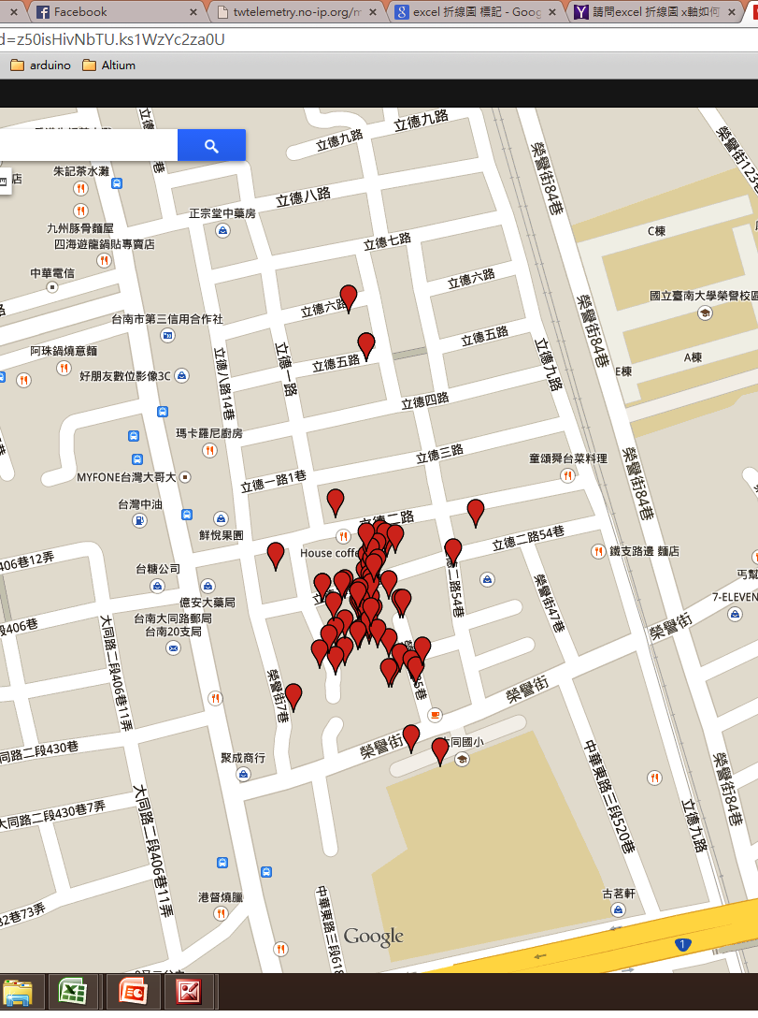
*ID* | location | voltage | temperature | height | precision | shake | sync | System Record Time | Server RxTime |  | NO. | Period / hr |  | d
1 | ( 22.9744592 , 120.2153088 ) | 4.106 | 0 | 0 | 3.03 | 0 | 1 | 2015/02/15 - 13:43:22 | Sun Feb 15 13:45:41 GMT+08:00 2015 | 2/15/15 | 1
1 | ( 22.9745888 , 120.2152448 ) | 4.121 | 0 | 0 | 2.6 | 0 | 1 | 2015/02/15 - 15:03:22 | Sun Feb 15 15:05:41 GMT+08:00 2015 | 2/15/15 | 2 | 1.33 | 1.33 | 0.06
2 | ( NA , NA ) | 4.121 | 214 | NA | 0 | 2 | 0 | 2015/02/15 - 19:04:22 | Tue Feb 17 11:35:36 GMT+08:00 2015 | 2/15/15 | 3 | 4.02 | 5.35 | 0.22
3 | ( 22.974232 , 120.2154368 ) | 4.121 | 214 | 0 | 4.19 | 0 | 1 | 2015/02/15 - 22:56:29 | Tue Feb 17 11:35:31 GMT+08:00 2015 | 2/15/15 | 4 | 3.87 | 9.22 | 0.38
4 | ( 22.9748288 , 120.215296 ) | 4.121 | 214 | 0 | 2.54 | 0 | 1 | 2015/02/16 - 2:49:22 | Tue Feb 17 11:35:27 GMT+08:00 2015 | 2/16/15 | 1 | 3.88 | 13.10 | 0.55
5 | ( 22.9743456 , 120.215168 ) | 4.106 | 214 | 0 | 10.84 | 0 | 1 | 2015/02/16 - 6:37:28 | Tue Feb 17 11:35:22 GMT+08:00 2015 | 2/16/15 | 2 | 3.80 | 16.90 | 0.70
6 | ( 22.9742336 , 120.215424 ) | 4.121 | 214 | 0 | 4.36 | 0 | 1 | 2015/02/16 - 10:17:48 | Tue Feb 17 11:35:17 GMT+08:00 2015 | 2/16/15 | 3 | 3.67 | 20.57 | 0.86
7 | ( NA , NA ) | 4.152 | 214 | NA | 0 | 2 | 0 | 2015/02/16 - 14:20:32 | Tue Feb 17 11:35:13 GMT+08:00 2015 | 2/16/15 | 4 | 4.05 | 24.62 | 1.03
8 | ( 22.9762016 , 120.2151936 ) | 4.137 | 214 | NA | 12.56 | 0 | 1 | 2015/02/16 - 17:51:42 | Tue Feb 17 11:35:08 GMT+08:00 2015 | 2/16/15 | 5 | 3.52 | 28.14 | 1.17
9 | ( 22.9738144 , 120.2157184 ) | 4.121 | 214 | 0 | 8.97 | 0 | 1 | 2015/02/16 - 21:32:10 | Tue Feb 17 11:35:03 GMT+08:00 2015 | 2/16/15 | 6 | 3.67 | 31.81 | 1.33
10 | ( 22.9745984 , 120.215488 ) | 4.121 | 214 | 0 | 5.99 | 0 | 1 | 2015/02/17 - 1:04:03 | Tue Feb 17 11:34:59 GMT+08:00 2015 | 2/17/15 | 1 | 3.53 | 35.34 | 1.47
11 | ( 22.9744912 , 120.215168 ) | 4.121 | 214 | 0 | 14.88 | 0 | 1 | 2015/02/17 - 4:42:27 | Tue Feb 17 11:34:54 GMT+08:00 2015 | 2/17/15 | 2 | 3.64 | 38.98 | 1.62
12 | ( 22.9749216 , 120.2154112 ) | 4.121 | 214 | NA | 5.37 | 0 | 1 | 2015/02/17 - 8:08:42 | Tue Feb 17 11:34:49 GMT+08:00 2015 | 2/17/15 | 3 | 3.44 | 42.42 | 1.77
13 | ( 22.9747536 , 120.2152832 ) | 4.137 | 214 | 0 | 3.59 | 2 | 1 | 2015/02/17 - 11:31:23 | Tue Feb 17 11:34:44 GMT+08:00 2015 | 2/17/15 | 4 | 3.38 | 45.80 | 1.91
14 | ( 22.9745936 , 120.2152576 ) | 4.214 | 214 | 0 | 2.59 | 0 | 1 | 2015/02/17 - 14:56:21 | Thu Feb 19 03:31:26 GMT+08:00 2015 | 2/17/15 | 5 | 3.42 | 49.22 | 2.05
15 | ( 22.9747328 , 120.2153216 ) | 4.295 | 214 | 0 | 4.34 | 0 | 1 | 2015/02/17 - 18:20:03 | Thu Feb 19 03:31:22 GMT+08:00 2015 | 2/17/15 | 6 | 3.40 | 52.61 | 2.19
16 | ( 22.9747792 , 120.2153088 ) | 4.246 | 214 | 0 | 5.76 | 0 | 1 | 2015/02/17 - 21:44:46 | Thu Feb 19 03:31:17 GMT+08:00 2015 | 2/17/15 | 7 | 3.41 | 56.02 | 2.33
17 | ( 22.9738848 , 120.215552 ) | 4.214 | 214 | 0 | 12 | 0 | 1 | 2015/02/18 - 1:03:09 | Thu Feb 19 03:31:12 GMT+08:00 2015 | 2/18/15 | 1 | 3.31 | 59.33 | 2.47
18 | ( 22.9746976 , 120.215424 ) | 4.198 | 214 | 0 | 11.62 | 0 | 1 | 2015/02/18 - 4:21:09 | Thu Feb 19 03:31:07 GMT+08:00 2015 | 2/18/15 | 2 | 3.30 | 62.63 | 2.61
19 | ( 22.9749648 , 120.2153728 ) | 4.183 | 214 | 0 | 5.96 | 0 | 1 | 2015/02/18 - 7:35:23 | Thu Feb 19 03:31:02 GMT+08:00 2015 | 2/18/15 | 3 | 3.24 | 65.87 | 2.74
20 | ( NA , NA ) | 4.262 | 214 | NA | 0 | 0 | 0 | 2015/02/18 - 11:39:13 | Thu Feb 19 03:30:58 GMT+08:00 2015 | 2/18/15 | 4 | 4.06 | 69.93 | 2.91
21 | ( 22.9744384 , 120.2152576 ) | 4.344 | 214 | NA | 4.02 | 0 | 1 | 2015/02/18 - 14:15:22 | Thu Feb 19 03:30:53 GMT+08:00 2015 | 2/18/15 | 5 | 2.60 | 72.53 | 3.02
22 | ( 22.9759504 , 120.215296 ) | 4.311 | 214 | NA | 9.02 | 0 | 1 | 2015/02/18 - 17:35:31 | Thu Feb 19 03:30:18 GMT+08:00 2015 | 2/18/15 | 6 | 3.34 | 75.87 | 3.16
22 | ( 22.9759504 , 120.215296 ) | 4.311 | 214 | NA | 9.02 | 0 | 1 | 2015/02/18 - 17:35:31 | Thu Feb 19 03:30:48 GMT+08:00 2015 | 2/18/15 | 7 | 0.00 | 75.87 | 3.16
23 | ( 22.9743904 , 120.215424 ) | 4.183 | 214 | 0 | 4.45 | 0 | 1 | 2015/02/18 - 20:54:24 | Thu Feb 19 03:30:13 GMT+08:00 2015 | 2/18/15 | 8 | 3.31 | 79.18 | 3.30
24 | ( 22.9745728 , 120.2152832 ) | 4.167 | 214 | 0 | 4.52 | 0 | 1 | 2015/02/19 - 0:08:22 | Thu Feb 19 03:30:08 GMT+08:00 2015 | 2/19/15 | 1 | 3.23 | 82.42 | 3.43
25 | ( 22.9749472 , 120.2153984 ) | 4.152 | 214 | 0 | 3.63 | 0 | 1 | 2015/02/19 - 3:28:04 | Thu Feb 19 03:30:04 GMT+08:00 2015 | 2/19/15 | 2 | 3.33 | 85.74 | 3.57
26 | ( 22.9746736 , 120.215296 ) | 4.137 | 214 | 0 | 2.82 | 0 | 1 | 2015/02/19 - 6:43:03 | Fri Feb 20 12:12:38 GMT+08:00 2015 | 2/19/15 | 3 | 3.25 | 88.99 | 3.71
27 | ( 22.9747008 , 120.215168 ) | 4.152 | 214 | NA | 3.99 | 0 | 1 | 2015/02/19 - 10:02:27 | Fri Feb 20 12:12:33 GMT+08:00 2015 | 2/19/15 | 4 | 3.32 | 92.32 | 3.85
28 | ( 22.9743136 , 120.215488 ) | 4.198 | 214 | 0 | 3.43 | 0 | 1 | 2015/02/19 - 13:19:05 | Fri Feb 20 12:12:29 GMT+08:00 2015 | 2/19/15 | 5 | 3.28 | 95.60 | 3.98
29 | ( NA , NA ) | 4.311 | 214 | NA | 0 | 0 | 0 | 2015/02/19 - 17:22:10 | Fri Feb 20 12:12:24 GMT+08:00 2015 | 2/19/15 | 6 | 4.05 | 99.65 | 4.15
30 | ( 22.9745984 , 120.2155008 ) | 4.198 | 214 | 0 | 4.18 | 0 | 1 | 2015/02/19 - 19:57:48 | Fri Feb 20 12:12:19 GMT+08:00 2015 | 2/19/15 | 7 | 2.59 | 102.24 | 4.26
31 | ( 22.9745536 , 120.2153344 ) | 4.167 | 214 | 0 | 2.64 | 0 | 1 | 2015/02/19 - 23:12:03 | Fri Feb 20 12:12:15 GMT+08:00 2015 | 2/19/15 | 8 | 3.24 | 105.48 | 4.39
32 | ( 22.9744496 , 120.2151168 ) | 4.152 | 214 | 0 | 3.99 | 0 | 1 | 2015/02/20 - 2:25:05 | Fri Feb 20 12:12:10 GMT+08:00 2015 | 2/20/15 | 1 | 3.22 | 108.70 | 4.53
33 | ( 22.9748128 , 120.2153216 ) | 4.137 | 214 | 0 | 3.16 | 0 | 1 | 2015/02/20 - 5:38:22 | Fri Feb 20 12:12:05 GMT+08:00 2015 | 2/20/15 | 2 | 3.22 | 111.92 | 4.66
34 | ( 22.97428 , 120.215552 ) | 4.137 | 214 | 0 | 6.09 | 0 | 1 | 2015/02/20 - 8:51:48 | Fri Feb 20 12:12:01 GMT+08:00 2015 | 2/20/15 | 3 | 3.22 | 115.14 | 4.80
電壓與時間關係圖
35 | ( 22.9748976 , 120.21536 ) | 4.183 | 214 | 0 | 6.95 | 0 | 1 | 2015/02/20 - 12:08:23 | Fri Feb 20 12:11:56 GMT+08:00 2015 | 2/20/15 | 4 | 3.28 | 118.42 | 4.93
36 | ( 22.9742992 , 120.2151168 ) | 4.344 | 214 | 0 | 4.68 | 0 | 1 | 2015/02/20 - 15:21:48 | Sat Feb 21 11:07:28 GMT+08:00 2015 | 2/20/15 | 5 | 3.22 | 121.64 | 5.07
37 | ( NA , NA ) | 4.328 | 214 | NA | 0 | 0 | 0 | 2015/02/20 - 19:21:13 | Sat Feb 21 11:07:23 GMT+08:00 2015 | 2/20/15 | 6 | 3.99 | 125.63 | 5.23
38 | ( 22.974872 , 120.2153216 ) | 4.198 | 214 | 0 | 4.81 | 0 | 1 | 2015/02/20 - 21:54:03 | Sat Feb 21 11:07:18 GMT+08:00 2015 | 2/20/15 | 7 | 2.55 | 128.18 | 5.34
39 | ( 22.9747296 , 120.2153088 ) | 4.183 | 214 | 0 | 4.93 | 0 | 1 | 2015/02/21 - 1:08:03 | Sat Feb 21 11:07:13 GMT+08:00 2015 | 2/21/15 | 1 | 3.23 | 131.41 | 5.48
40 | ( 22.9747104 , 120.2153216 ) | 4.167 | 214 | 0 | 13.26 | 0 | 1 | 2015/02/21 - 4:23:05 | Sat Feb 21 11:07:09 GMT+08:00 2015 | 2/21/15 | 2 | 3.25 | 134.66 | 5.61
41 | ( 22.9746416 , 120.2152704 ) | 4.167 | 214 | 0 | 4.57 | 0 | 1 | 2015/02/21 - 7:38:03 | Sat Feb 21 11:07:04 GMT+08:00 2015 | 2/21/15 | 3 | 3.25 | 137.91 | 5.75
42 | ( NA , NA ) | 4.344 | 214 | NA | 0 | 0 | 0 | 2015/02/21 - 11:46:06 | Sat Feb 21 11:06:59 GMT+08:00 2015 | 2/21/15 | 4 | 4.13 | 142.05 | 5.92
43 | ( 22.9745888 , 120.2152704 ) | 4.344 | 214 | NA | 2.84 | 0 | 1 | 2015/02/21 - 14:21:22 | Sun Feb 22 06:41:57 GMT+08:00 2015 | 2/21/15 | 5 | 2.59 | 144.63 | 6.03
44 | ( NA , NA ) | 4.328 | 214 | NA | 0 | 0 | 0 | 2015/02/21 - 18:21:12 | Sun Feb 22 06:41:53 GMT+08:00 2015 | 2/21/15 | 6 | 4.00 | 148.63 | 6.19
45 | ( 22.9749472 , 120.215296 ) | 4.198 | 214 | 0 | 5.34 | 0 | 1 | 2015/02/21 - 20:52:03 | Sun Feb 22 06:41:48 GMT+08:00 2015 | 2/21/15 | 7 | 2.51 | 151.14 | 6.30
46 | ( 22.974608 , 120.2153216 ) | 4.183 | 214 | 0 | 4.86 | 0 | 1 | 2015/02/22 - 0:09:03 | Sun Feb 22 06:41:43 GMT+08:00 2015 | 2/22/15 | 1 | 3.28 | 154.43 | 6.43
47 | ( NA , NA ) | 4.167 | 214 | NA | 0 | 0 | 0 | 2015/02/22 - 4:10:09 | Sun Feb 22 06:41:38 GMT+08:00 2015 | 2/22/15 | 2 | 4.02 | 158.45 | 6.60
48 | ( 22.9746832 , 120.2153216 ) | 4.152 | 214 | 0 | 7.02 | 0 | 1 | 2015/02/22 - 6:39:23 | Sun Feb 22 06:41:34 GMT+08:00 2015 | 2/22/15 | 3 | 2.49 | 160.93 | 6.71
49 | ( 22.9746912 , 120.2151552 ) | 4.152 | 214 | 0 | 3.76 | 0 | 1 | 2015/02/22 - 9:56:40 | Mon Feb 23 15:15:42 GMT+08:00 2015 | 2/22/15 | 4 | 3.29 | 164.22 | 6.84
50 | ( 22.974488 , 120.2153088 ) | 4.198 | 214 | 0 | 3.09 | 0 | 1 | 2015/02/22 - 13:13:23 | Mon Feb 23 15:15:38 GMT+08:00 2015 | 2/22/15 | 5 | 3.28 | 167.50 | 6.98
51 | ( 22.975128 , 120.2151168 ) | 4.344 | 214 | NA | 6.63 | 0 | 1 | 2015/02/22 - 16:28:07 | Mon Feb 23 15:15:33 GMT+08:00 2015 | 2/22/15 | 6 | 3.25 | 170.75 | 7.11
52 | ( NA , NA ) | 4.214 | 214 | NA | 0 | 0 | 0 | 2015/02/22 - 20:26:09 | Mon Feb 23 15:15:28 GMT+08:00 2015 | 2/22/15 | 7 | 3.97 | 174.71 | 7.28
53 | ( 22.9744416 , 120.21536 ) | 4.183 | 214 | 0 | 2.61 | 0 | 1 | 2015/02/22 - 22:58:24 | Mon Feb 23 15:15:24 GMT+08:00 2015 | 2/22/15 | 8 | 2.54 | 177.25 | 7.39
54 | ( 22.9748096 , 120.21536 ) | 4.167 | 214 | 0 | 2.33 | 0 | 1 | 2015/02/23 - 2:13:40 | Mon Feb 23 15:15:19 GMT+08:00 2015 | 2/23/15 | 1 | 3.25 | 180.51 | 7.52
55 | ( 22.974552 , 120.2153216 ) | 4.152 | 214 | 0 | 5.37 | 0 | 1 | 2015/02/23 - 5:27:27 | Mon Feb 23 15:15:14 GMT+08:00 2015 | 2/23/15 | 2 | 3.23 | 183.73 | 7.66
震動與時間關係圖
56 | ( 22.9742432 , 120.2155776 ) | 4.152 | 214 | 0 | 8.08 | 0 | 1 | 2015/02/23 - 8:44:07 | Mon Feb 23 15:15:10 GMT+08:00 2015 | 2/23/15 | 3 | 3.28 | 187.01 | 7.79
57 | ( 22.9747856 , 120.2153344 ) | 4.214 | 214 | 0 | 7.95 | 1 | 1 | 2015/02/23 - 11:59:04 | Mon Feb 23 15:15:05 GMT+08:00 2015 | 2/23/15 | 4 | 3.25 | 190.26 | 7.93
58 | ( 22.9744096 , 120.2150784 ) | 4.344 | 214 | 0 | 4.95 | 0 | 1 | 2015/02/23 - 15:12:24 | Mon Feb 23 15:15:00 GMT+08:00 2015 | 2/23/15 | 5 | 3.22 | 193.48 | 8.06
1 | ( 22.9743456 , 120.215616 ) | 3.853 | 214 | NA | 6.44 | 0 | 1 | 2015/02/25 - 18:58:07 | Fri Feb 27 02:08:22 GMT+08:00 2015 | 2/25/15 |  |  | 245.25 | 10.22
2 | ( 22.9749392 , 120.2154624 ) | 3.962 | 214 | 0 | 2.53 | 0 | 1 | 2015/02/26 - 10:45:22 | Fri Feb 27 02:08:18 GMT+08:00 2015 | 2/26/15 |  |  | 261.03 | 10.88
3 | ( 22.9746592 , 120.2152576 ) | 4.047 | 214 | 0 | 2.8 | 0 | 1 | 2015/02/26 - 14:46:22 | Fri Feb 27 02:08:13 GMT+08:00 2015 | 2/26/15 |  |  | 265.05 | 11.04
4 | ( 22.9748656 , 120.2157952 ) | 4.033 | 214 | 0 | 7.83 | 0 | 1 | 2015/02/26 - 18:39:29 | Fri Feb 27 02:08:09 GMT+08:00 2015 | 2/26/15 |  |  | 268.94 | 11.21
5 | ( 22.974848 , 120.2147712 ) | 4.033 | 214 | 0 | 3.4 | 0 | 1 | 2015/02/26 - 22:26:22 | Fri Feb 27 02:08:04 GMT+08:00 2015 | 2/26/15 |  |  | 272.72 | 11.36
6 | ( 22.9750752 , 120.2159232 ) | 4.033 | 214 | 0 | 9.16 | 0 | 1 | 2015/02/27 - 2:06:06 | Fri Feb 27 02:07:59 GMT+08:00 2015 | 2/27/15 | 1 |  | 276.38 | 11.52
7 | ( 22.9744304 , 120.2152448 ) | 4.018 | 214 | NA | 3.46 | 0 | 1 | 2015/02/27 - 5:51:22 | Fri Feb 27 23:00:40 GMT+08:00 2015 | 2/27/15 | 2 |  | 280.13 | 11.67
8 | ( 22.9746832 , 120.21504 ) | 4.018 | 214 | 0 | 3.2 | 0 | 1 | 2015/02/27 - 9:24:40 | Fri Feb 27 23:00:35 GMT+08:00 2015 | 2/27/15 | 3 |  | 283.69 | 11.82
8 | ( 22.9746832 , 120.21504 ) | 4.018 | 214 | 0 | 3.2 | 0 | 1 | 2015/02/27 - 9:24:40 | Fri Feb 27 23:00:04 GMT+08:00 2015 | 2/27/15 | 4 |  | 283.69 | 11.82
9 | ( 22.97464 , 120.2152448 ) | 4.033 | 214 | 0 | 3.15 | 0 | 1 | 2015/02/27 - 12:53:03 | Fri Feb 27 22:59:59 GMT+08:00 2015 | 2/27/15 | 5 |  | 287.16 | 11.97
10 | ( 22.9740976 , 120.2148736 ) | 4.018 | 214 | NA | 21.96 | 0 | 1 | 2015/02/27 - 16:22:35 | Fri Feb 27 22:59:55 GMT+08:00 2015 | 2/27/15 | 6 |  | 290.65 | 12.11
11 | ( 22.9745824 , 120.215104 ) | 4.018 | 214 | 0 | 6.36 | 0 | 1 | 2015/02/27 - 19:41:03 | Fri Feb 27 22:59:50 GMT+08:00 2015 | 2/27/15 | 7 |  | 293.96 | 12.25
12 | ( 22.9743328 , 120.2150272 ) | 4.018 | 214 | 0 | 5.44 | 0 | 1 | 2015/02/27 - 22:58:05 | Fri Feb 27 22:59:45 GMT+08:00 2015 | 2/27/15 | 8 |  | 297.25 | 12.39
24 | ( 22.9751648 , 120.2150784 ) | 4.047 | 214 | 0 | 4.46 | 0 | 1 | 2015/03/01, 14:20:21 | Mon Mar 02 10:02:16 GMT+08:00 2015 | 3/1/15
25 | ( 22.9749664 , 120.2152448 ) | 4.047 | 214 | 0 | 3.94 | 0 | 1 | 2015/03/01, 17:35:32 | Mon Mar 02 10:02:09 GMT+08:00 2015 | 3/1/15
26 | ( 22.9744304 , 120.2154752 ) | 4.033 | 214 | 0 | 3.78 | 0 | 1 | 2015/03/01, 20:53:48 | Mon Mar 02 10:02:04 GMT+08:00 2015 | 3/1/15
27 | ( 22.9744512 , 120.2153472 ) | 4.033 | 214 | 0 | 5.33 | 0 | 1 | 2015/03/2, 0:09:41 | Mon Mar 02 10:01:57 GMT+08:00 2015 | 3/2/15
28 | ( 22.9759392 , 120.214784 ) | 4.018 | 214 | 0 | 10.22 | 0 | 1 | 2015/03/2, 3:27:12 | Mon Mar 02 10:01:52 GMT+08:00 2015 | 3/2/15
29 | ( 22.9736192 , 120.2151168 ) | 4.018 | 214 | 0 | 21.4 | 0 | 1 | 2015/03/2, 6:42:21 | Mon Mar 02 10:01:47 GMT+08:00 2015 | 3/2/15

* | location | voltage | temperature | height | precision | shake | sync | System Record Time | Server RxTime
0 | ( 22.645432 , 120.6064384 ) | 3.948 | 0 | 0 | 0 | 128 |  | 2014/12/05 - 10:55:35 | Fri Dec 05 10:56:14 GMT+08:00 2014

0965138137_仁
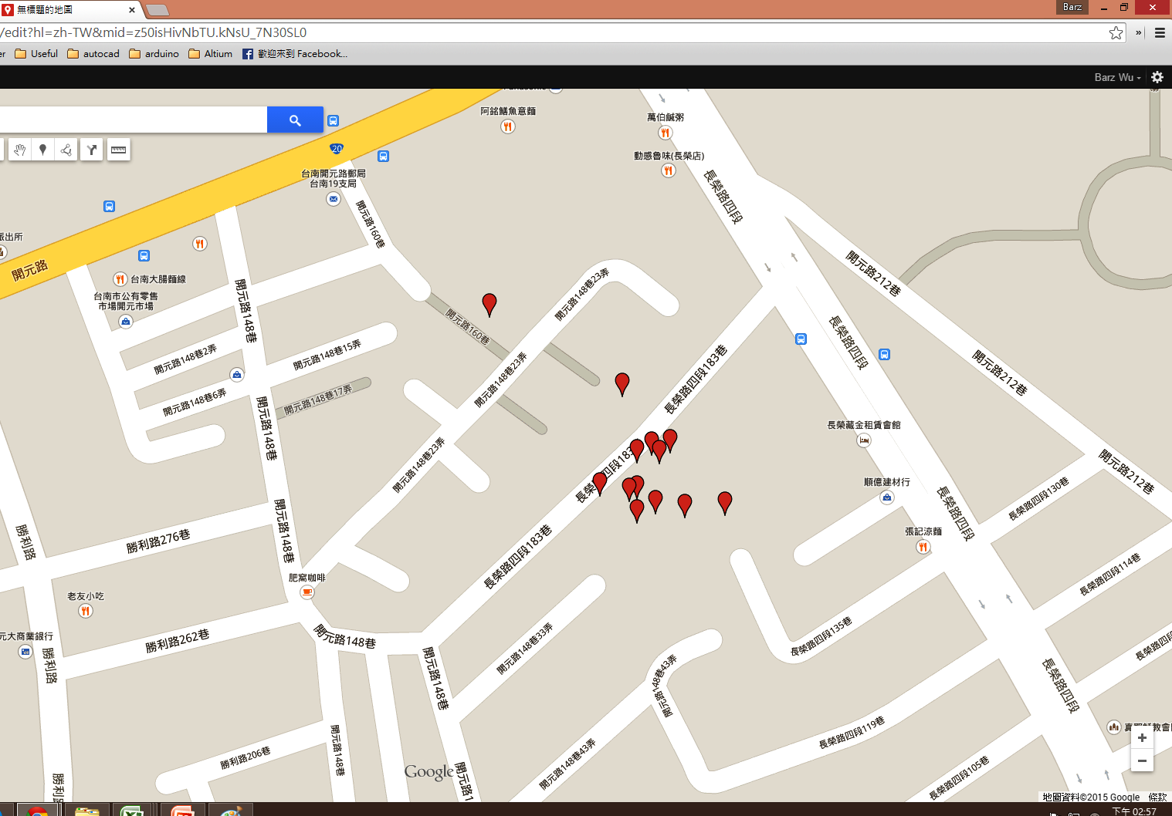
*ID* | System Record Time | location | voltage | temperature | height | precision | shake | sync | Server RxTime |  | NO. | Period | D
1 | 2015/03/5, 0:59:47 | ( 23.006216 , 120.2209024 ) | 3.934 | 0 | 0 | 2.75 | 0 | 1 | Thu Mar 05 01:01:38 GMT+08:00 2015 | 3/5/15 | 1
2 | 2015/03/5, 4:55:27 | ( 23.006 , 120.2208512 ) | 3.92 | 214 | 0 | 10.46 | 0 | 1 | Fri Mar 06 00:08:59 GMT+08:00 2015 | 3/5/15 | 2 | 3.93 | 3.93
3 | 2015/03/05, 8:54:27 | ( 23.0060752 , 120.2208512 ) | 3.948 | 214 | 0 | 3.52 | 0 | 1 | Fri Mar 06 00:08:55 GMT+08:00 2015 | 3/5/15 | 3 | 3.98 | 7.91
4 | 2015/03/05, 12:44:22 | ( 23.0060672 , 120.2208256 ) | 4.062 | 214 | 0 | 2.76 | 0 | 1 | Fri Mar 06 00:08:50 GMT+08:00 2015 | 3/5/15 | 4 | 3.83 | 11.74
5 | 2015/03/05, 16:36:06 | ( 23.006024 , 120.2211584 ) | 4.137 | 214 | NA | 9.28 | 0 | 1 | Fri Mar 06 00:08:46 GMT+08:00 2015 | 3/5/15 | 5 | 3.86 | 15.61
6 | 2015/03/05, 20:28:09 | ( 23.006224 , 120.2209664 ) | 4.121 | 214 | 0 | 8.57 | 0 | 1 | Fri Mar 06 00:08:41 GMT+08:00 2015 | 3/5/15 | 6 | 3.87 | 19.47
7 | 2015/03/6, 0:06:18 | ( 23.0066592 , 120.2203392 ) | 4.121 | 214 | 0 | 14.97 | 0 | 1 | Fri Mar 06 00:08:36 GMT+08:00 2015 | 3/6/15 | 1 | 3.64 | 23.11
8 | 2015/03/6, 3:38:41 | ( 23.0061888 , 120.220928 ) | 4.106 | 214 | 0 | 6.18 | 0 | 1 | Fri Mar 06 20:42:35 GMT+08:00 2015 | 3/6/15 | 2 | 3.54 | 26.65
9 | 2015/03/6, 7:04:04 | ( 23.006192 , 120.2208512 ) | 4.106 | 214 | 0 | 3.07 | 0 | 1 | Fri Mar 06 20:42:30 GMT+08:00 2015 | 3/6/15 | 3 | 3.42 | 30.07
10 | 2015/03/06, 10:36:21 | ( 23.0060288 , 120.2209152 ) | 4.152 | 214 | NA | 3.07 | 0 | 1 | Fri Mar 06 20:42:25 GMT+08:00 2015 | 3/6/15 | 4 | 3.54 | 33.61
11 | 2015/03/06, 14:00:21 | ( 23.0060848 , 120.2207232 ) | 4.728 | 214 | 0 | 2.7 | 1 | 1 | Fri Mar 06 20:42:21 GMT+08:00 2015 | 3/6/15 | 5 | 3.40 | 37.01
12 | 2015/03/06, 17:27:03 | ( 23.0064048 , 120.2208 ) | 4.328 | 214 | NA | 2.73 | 0 | 1 | Fri Mar 06 20:42:16 GMT+08:00 2015 | 3/6/15 | 6 | 3.44 | 40.45
13 | 2015/03/06, 20:40:00 | ( 23.0060176 , 120.2210176 ) | 4.183 | 214 | 0 | 4.17 | 0 | 1 | Fri Mar 06 20:42:11 GMT+08:00 2015 | 3/6/15 | 7 | 3.22 | 43.67

*ID* | System Record Time | location | voltage | temperature | height | precision | shake | sync | Server RxTime
2 | 2015/03/04, 21:39:22 | ( 23.0060176 , 120.2210176 ) | 4.047 | 214 | 0 | 3.54 | 0 | 1 | Wed Mar 04 21:55:51 GMT+08:00 2015 | 3/4/15 | 1
3 | 2015/03/04, 21:48:46 | ( 23.00612 , 120.220928 ) | 4.047 | 214 | 0 | 3.74 | 0 | 1 | Wed Mar 04 21:55:46 GMT+08:00 2015 | 3/4/15 | 2 | 0.16 | 0.16
4 | 2015/03/04, 21:53:48 | ( 23.006344 , 120.2215168 ) | 4.047 | 214 | 0 | 6.49 | 0 | 1 | Wed Mar 04 21:55:42 GMT+08:00 2015 | 3/4/15 | 3 | 0.08 | 0.24
5 | 2015/03/04, 22:01:22 | ( 23.0060784 , 120.2209792 ) | 4.047 | 214 | 0 | 1.97 | 0 | 1 | Wed Mar 04 22:17:42 GMT+08:00 2015 | 3/4/15 | 4 | 0.13 | 0.37
電壓與時間關係圖
6 | 2015/03/04, 22:09:03 | ( 23.0061088 , 120.2211584 ) | 4.047 | 214 | 0 | 3.61 | 0 | 1 | Wed Mar 04 22:17:37 GMT+08:00 2015 | 3/4/15 | 5 | 0.13 | 0.49
7 | 2015/03/04, 22:15:42 | ( 23.0059648 , 120.2213632 ) | 4.047 | 214 | 0 | 10.23 | 0 | 1 | Wed Mar 04 22:17:32 GMT+08:00 2015 | 3/4/15 | 6 | 0.11 | 0.61
8 | 2015/03/04, 22:21:21 | ( 23.0059984 , 120.2212224 ) | 4.033 | 214 | 0 | 2.24 | 0 | 1 | Wed Mar 04 22:34:52 GMT+08:00 2015 | 3/4/15 | 7 | 0.09 | 0.70
9 | 2015/03/04, 22:27:40 | ( 23.0061568 , 120.2209152 ) | 4.033 | 214 | 0 | 5.48 | 0 | 1 | Wed Mar 04 22:34:47 GMT+08:00 2015 | 3/4/15 | 8 | 0.11 | 0.80
10 | 2015/03/04, 22:33:03 | ( 23.0061184 , 120.2210176 ) | 4.033 | 214 | 0 | 3.81 | 0 | 1 | Wed Mar 04 22:34:42 GMT+08:00 2015 | 3/4/15 | 9 | 0.09 | 0.89
11 | 2015/03/04, 22:39:22 | ( 23.0060896 , 120.2210176 ) | 4.033 | 214 | 0 | 2.45 | 0 | 1 | Wed Mar 04 22:53:23 GMT+08:00 2015 | 3/4/15 | 10 | 0.11 | 1.00
12 | 2015/03/04, 22:45:03 | ( 23.0059872 , 120.2210816 ) | 4.033 | 214 | 0 | 2.22 | 0 | 1 | Wed Mar 04 22:53:18 GMT+08:00 2015 | 3/4/15 | 11 | 0.09 | 1.09
13 | 2015/03/04, 22:51:22 | ( 23.0063168 , 120.2209536 ) | 4.033 | 214 | 0 | 5.15 | 0 | 1 | Wed Mar 04 22:53:13 GMT+08:00 2015 | 3/4/15 | 12 | 0.11 | 1.20
14 | 2015/03/04, 22:57:03 | ( 23.0059696 , 120.2211712 ) | 4.033 | 214 | 0 | 1.89 | 0 | 1 | Wed Mar 04 23:10:52 GMT+08:00 2015 | 3/4/15 | 13 | 0.09 | 1.29
15 | 2015/03/04, 23:03:40 | ( 23.006128 , 120.2211712 ) | 4.033 | 214 | 0 | 1.72 | 0 | 1 | Wed Mar 04 23:10:48 GMT+08:00 2015 | 3/4/15 | 14 | 0.11 | 0.31
16 | 2015/03/04, 23:09:03 | ( 23.0061296 , 120.2211712 ) | 4.033 | 214 | 0 | 11.54 | 0 | 1 | Wed Mar 04 23:10:43 GMT+08:00 2015 | 3/4/15 | 15 | 0.09 | 1.49
17 | 2015/03/04, 23:15:41 | ( 23.0060928 , 120.221312 ) | 4.018 | 214 | 0 | 14.26 | 0 | 1 | Wed Mar 04 23:29:47 GMT+08:00 2015 | 3/4/15 | 16 | 0.11 | 1.61
18 | 2015/03/04, 23:21:21 | ( 23.00616 , 120.2210432 ) | 4.018 | 214 | 0 | 2.06 | 0 | 1 | Wed Mar 04 23:29:42 GMT+08:00 2015 | 3/4/15 | 17 | 0.09 | 1.70
19 | 2015/03/04, 23:27:46 | ( 23.00608 , 120.22112 ) | 4.018 | 214 | 0 | 2.27 | 0 | 1 | Wed Mar 04 23:29:37 GMT+08:00 2015 | 3/4/15 | 18 | 0.11 | 1.81
20 | 2015/03/04, 23:34:41 | ( 23.0061184 , 120.2210176 ) | 4.018 | 214 | 0 | 1.84 | 0 | 1 | Wed Mar 04 23:49:52 GMT+08:00 2015 | 3/4/15 | 19 | 0.12 | 1.92
21 | 2015/03/04, 23:42:23 | ( 23.0061728 , 120.2210432 ) | 4.018 | 214 | 0 | 2.83 | 0 | 1 | Wed Mar 04 23:49:47 GMT+08:00 2015 | 3/4/15 | 20 | 0.13 | 2.05
22 | 2015/03/04, 23:48:03 | ( 23.006064 , 120.221056 ) | 4.018 | 214 | 0 | 2.24 | 0 | 1 | Wed Mar 04 23:49:43 GMT+08:00 2015 | 3/4/15 | 21 | 0.09 | 2.14
23 | 2015/03/04, 23:54:22 | ( 23.0061104 , 120.2210176 ) | 4.004 | 214 | 0 | 1.75 | 0 | 1 | Thu Mar 05 00:08:22 GMT+08:00 2015 | 3/4/15 | 22 | 0.11 | 2.25
震動次數與時間關係圖
24 | 2015/03/5, 0:00:03 | ( 23.0060752 , 120.22112 ) | 4.004 | 214 | 0 | 1.92 | 0 | 1 | Thu Mar 05 00:08:17 GMT+08:00 2015 | 3/5/15 | 1 | 0.09 | 2.34
25 | 2015/03/5, 0:06:22 | ( 23.0061136 , 120.220992 ) | 4.004 | 214 | 0 | 1.05 | 0 | 1 | Thu Mar 05 00:08:12 GMT+08:00 2015 | 3/5/15 | 2 | 0.11 | 2.45
26 | 2015/03/5, 0:12:03 | ( 23.0060288 , 120.2211584 ) | 4.004 | 214 | 0 | 1.73 | 0 | 1 | Thu Mar 05 00:25:52 GMT+08:00 2015 | 3/5/15 | 3 | 0.09 | 2.54
27 | 2015/03/5, 0:18:40 | ( 23.0060704 , 120.2213888 ) | 4.004 | 214 | 0 | 3.78 | 0 | 1 | Thu Mar 05 00:25:47 GMT+08:00 2015 | 3/5/15 | 4 | 0.11 | 2.66
28 | 2015/03/5, 0:24:03 | ( 23.0061168 , 120.2211584 ) | 3.99 | 214 | 0 | 3.09 | 0 | 1 | Thu Mar 05 00:25:43 GMT+08:00 2015 | 3/5/15 | 5 | 0.09 | 2.74

*ID* | location | voltage | temperature | height | precision | shake | sync | System Record Time | Server RxTime |  | NO. | Period | d
1 | ( NA , NA ) | 3.934 | 0 | NA | 0 | 0 | 0 | NA - NA | Mon Feb 16 22:59:44 GMT+08:00 2015
2 | ( 22.9663792 , 120.2281216 ) | 3.934 | 214 | NA | 5.8 | 0 | 1 | 2015/02/17 - 2:53:23 | Tue Feb 17 22:25:14 GMT+08:00 2015 | 2/17/15 | 1
3 | ( 22.9671056 , 120.2285824 ) | 3.934 | 214 | 0 | 8.33 | 0 | 1 | 2015/02/17 - 6:53:08 | Tue Feb 17 22:25:06 GMT+08:00 2015 | 2/17/15 | 2 | 4.00 | 4.00
4 | ( NA , NA ) | 3.934 | 214 | NA | 0 | 4 | 0 | 2015/02/17 - 10:48:15 | Tue Feb 17 22:25:01 GMT+08:00 2015 | 2/17/15 | 3 | 3.92 | 7.91
5 | ( NA , NA ) | 3.934 | 214 | NA | 0 | 0 | 0 | 2015/02/17 - 14:48:19 | Tue Feb 17 22:24:57 GMT+08:00 2015 | 2/17/15 | 4 | 4.00 | 11.92
6 | ( NA , NA ) | 3.934 | 214 | NA | 0 | 0 | 0 | 2015/02/17 - 18:48:15 | Tue Feb 17 22:24:52 GMT+08:00 2015 | 2/17/15 | 5 | 4.00 | 15.91
7 | ( NA , NA ) | 3.92 | 214 | NA | 0 | 0 | 0 | 2015/02/17 - 22:48:27 | Tue Feb 17 22:24:48 GMT+08:00 2015 | 2/17/15 | 6 | 4.00 | 19.92

之前 給 鳥類生態研究室 的資料 |  |  |  |  |  |  |  |  |  |  | NO.
*ID* | location | voltage | temperature | height | precision | shake | sync | System Record Time | Server RxTime |  | 1
0 | ( 22.645616 , 120.606464 ) | 3.976 | 0 | 0 | 752 | 0 |  | 2014/12/09 - 13:47:56 | Wed Dec 10 08:16:18 GMT+08:00 2014 |  | 2
System Record Time
0 | ( 22.645528 , 120.6066432 ) | 3.934 | 0 | 0 | 268 | 0 |  | 2014/12/09 - 17:56:54 | Wed Dec 10 08:16:15 GMT+08:00 2014 |  | 3
0 | ( 22.6455216 , 120.6066304 ) | 3.907 | 0 | 0 | 187 | 0 |  | 2014/12/09 - 22:05:07 | Wed Dec 10 08:16:12 GMT+08:00 2014 |  | 4
0 | ( 22.6455632 , 120.6067328 ) | 3.867 | 0 | 0 | 0 | 1 |  | 2014/12/09 - 9:38:04 | Tue Dec 09 09:38:42 GMT+08:00 2014 |  | 5
0 | ( 22.64556 , 120.6067328 ) | 4.004 | 0 | 0 | 1025 | 0 |  | 2014/12/09 - 9:38:07 | Wed Dec 10 08:16:21 GMT+08:00 2014 |  | 1
0 | ( 22.6454832 , 120.6066176 ) | 4.106 | 0 | 0 | 1167 | 0 |  | 2014/12/10 - 10:29:04 | Thu Dec 11 07:01:06 GMT+08:00 2014 |  | 2
0 | ( 22.6455008 , 120.6065664 ) | 4.062 | 0 | 0 | 422 | 0 |  | 2014/12/10 - 14:38:07 | Thu Dec 11 07:01:03 GMT+08:00 2014 |  | 3
0 | ( 22.6455328 , 120.6066048 ) | 4.018 | 0 | 0 | 289 | 0 |  | 2014/12/10 - 18:48:02 | Thu Dec 11 07:00:58 GMT+08:00 2014 |  | 4
0 | ( 22.645464 , 120.6066048 ) | 3.88 | 0 | 0 | 146 | 0 |  | 2014/12/10 - 2:12:29 | Wed Dec 10 08:16:09 GMT+08:00 2014 |  | 5
0 | ( 22.6454848 , 120.6066048 ) | 4.004 | 0 | 0 | 163 | 0 |  | 2014/12/10 - 6:21:37 | Thu Dec 11 07:01:09 GMT+08:00 2014 |  | 1
0 | ( 22.471848 , 120.4686464 ) | 3.853 | 0 | 0 | 0 | 0 |  | 2014/12/14 - 13:26:07 | Mon Dec 15 15:19:40 GMT+08:00 2014 |  | 2
0 | ( 22.4720528 , 120.4686848 ) | 3.893 | 0 | 0 | 981 | 382 |  | 2014/12/14 - 13:26:27 | Mon Dec 15 15:19:37 GMT+08:00 2014 |  | 3
0 | ( 22.6770512 , 120.499072 ) | 3.84 | 0 | 5 | 534 | 91 |  | 2014/12/14 - 17:33:52 | Mon Dec 15 15:19:34 GMT+08:00 2014 |  | 1
0 | ( 23.0616272 , 120.7427456 ) | 4.033 | 0 | 5 | 141 | 0 |  | 2014/12/15 - 10:20:07 | Mon Dec 15 15:19:31 GMT+08:00 2014 |  | 1
0 | ( 22.6453936 , 120.6068096 ) | 4.018 | 0 | 0 | 241 | 0 |  | 2014/12/16 - 11:05:37 | Wed Dec 17 12:34:47 GMT+08:00 2014 |  | 2
0 | ( 22.645512 , 120.6069888 ) | 3.99 | 0 | 0 | 189 | 0 |  | 2014/12/16 - 15:14:29 | Wed Dec 17 12:34:44 GMT+08:00 2014 |  | 3
0 | ( 22.645352 , 120.6068096 ) | 3.976 | 0 | 0 | 201 | 0 |  | 2014/12/16 - 19:23:38 | Wed Dec 17 12:34:41 GMT+08:00 2014 |  | 4
0 | ( 22.645368 , 120.6068864 ) | 3.934 | 0 | 0 | 195 | 0 |  | 2014/12/16 - 23:32:25 | Wed Dec 17 12:34:38 GMT+08:00 2014 |  | 1
0 | ( 22.6453536 , 120.6067456 ) | 3.934 | 0 | 0 | 406 | 0 |  | 2014/12/17 - 11:53:40 | Thu Dec 18 11:22:03 GMT+08:00 2014 |  | 2
0 | ( 22.6454464 , 120.606912 ) | 3.907 | 0 | 0 | 262 | 0 |  | 2014/12/17 - 16:02:07 | Thu Dec 18 11:22:00 GMT+08:00 2014 |  | 3
0 | ( 22.6261488 , 120.5899264 ) | 3.88 | 0 | 0 | 174 | 0 |  | 2014/12/17 - 20:07:36 | Thu Dec 18 11:21:57 GMT+08:00 2014 |  | 4
0 | ( 22.6454528 , 120.6067712 ) | 3.907 | 0 | 0 | 463 | 0 |  | 2014/12/17 - 3:39:07 | Wed Dec 17 12:34:35 GMT+08:00 2014 |  | 5
0 | ( 22.6453392 , 120.6068608 ) | 3.962 | 0 | 0 | 166 | 0 |  | 2014/12/17 - 7:45:37 | Wed Dec 17 12:34:32 GMT+08:00 2014 |  | 1
0 | ( 22.62676 , 120.5920512 ) | 3.853 | 0 | 0 | 228 | 0 |  | 2014/12/18 - 0:15:37 | Thu Dec 18 11:21:54 GMT+08:00 2014 |  | 2
0 | ( 22.6270752 , 120.5918592 ) | 3.84 | 0 | 0 | 393 | 0 |  | 2014/12/18 - 4:22:56 | Thu Dec 18 11:21:51 GMT+08:00 2014
0 | ( No Data , No Data ) | 4.047 | 0 | No Data | 0 | 0 |  | No Data - No Data | Thu Dec 11 07:01:00 GMT+08:00 2014

0963915102_黑熊
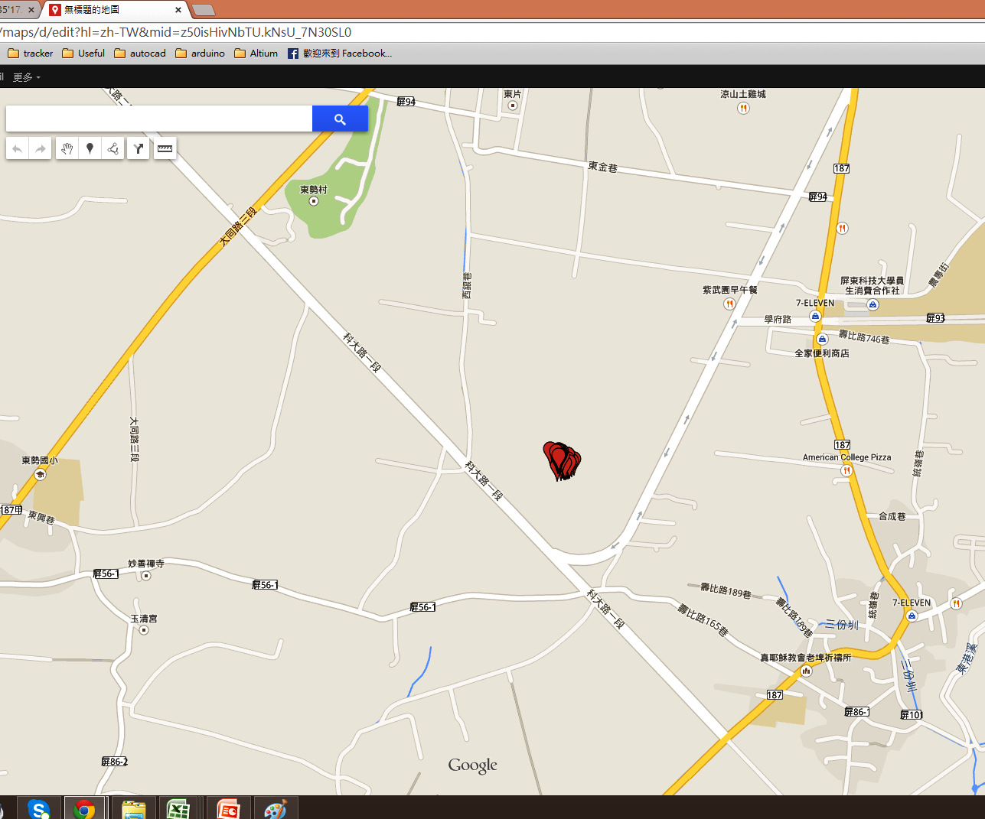
*ID* | System Record Time | location | voltage | temperature | height | precision | shake | sync | Server RxTime |  | Period | D
1 | NA, NA | ( NA , NA ) | 4.062 | 0 | NA | 0 | 0 | 0 | Mon Feb 16 14:42:46 GMT+08:00 2015
1 | 2015/02/17, 8:36:03 | ( 22.6368496 , 120.58848 ) | 4.062 | 214 | 0 | 6.8 | 0 | 1 | Fri Mar 06 17:01:28 GMT+08:00 2015 | 2/17/15
2 | 2015/02/17, 12:37:08 | ( NA , NA ) | 4.152 | 214 | NA | 0 | 0 | 0 | Fri Mar 06 17:01:24 GMT+08:00 2015 | 2/17/15 | 4.02 | 0.17
3 | 2015/02/17, 17:01:41 | ( 22.6369952 , 120.5884672 ) | 4.278 | 214 | 0 | 1.57 | 0 | 1 | Fri Mar 06 17:01:17 GMT+08:00 2015 | 2/17/15 | 4.41 | 0.35
4 | 2015/02/17, 21:09:24 | ( 22.6368976 , 120.5883136 ) | 4.183 | 214 | 0 | 12.13 | 0 | 1 | Fri Mar 06 17:01:12 GMT+08:00 2015 | 2/17/15 | 4.13 | 0.52
5 | 2015/02/18, 1:14:47 | ( 22.636872 , 120.5886336 ) | 4.152 | 214 | 0 | 10.18 | 0 | 1 | Fri Mar 06 17:01:07 GMT+08:00 2015 | 2/18/15 | 4.09 | 0.69
6 | 2015/02/18, 5:23:41 | ( 22.636728 , 120.5882752 ) | 4.152 | 214 | 0 | 6.73 | 0 | 1 | Fri Mar 06 17:00:52 GMT+08:00 2015 | 2/18/15 | 4.15 | 0.87
7 | 2015/02/18, 9:29:23 | ( 22.636792 , 120.5883264 ) | 4.246 | 214 | 0 | 6.39 | 0 | 1 | Fri Mar 06 17:00:48 GMT+08:00 2015 | 2/18/15 | 4.09 | 1.04
8 | 2015/02/18, 13:27:40 | ( 22.63676 , 120.5884672 ) | 4.278 | 214 | 0 | 3.65 | 0 | 1 | Fri Mar 06 17:00:43 GMT+08:00 2015 | 2/18/15 | 3.97 | 1.20
9 | 2015/02/18, 17:25:15 | ( NA , NA ) | 4.278 | 214 | NA | 0 | 0 | 0 | Fri Mar 06 17:00:39 GMT+08:00 2015 | 2/18/15 | 3.96 | 1.37
10 | 2015/02/18, 21:19:28 | ( 22.6368288 , 120.5884544 ) | 4.152 | 214 | 0 | 1.67 | 0 | 1 | Fri Mar 06 17:00:34 GMT+08:00 201 | 2/18/15 | 3.90 | 1.53
11 | 2015/02/19, 1:11:28 | ( 22.6367664 , 120.5883904 ) | 4.121 | 214 | 0 | 10.08 | 0 | 1 | Fri Mar 06 17:00:30 GMT+08:00 2015 | 2/19/15 | 3.87 | 1.69
12 | 2015/02/19, 5:00:23 | ( 22.6368256 , 120.5884928 ) | 4.106 | 214 | 0 | 7.36 | 0 | 1 | Fri Mar 06 17:00:24 GMT+08:00 2015 | 2/19/15 | 3.82 | 1.85
13 | 2015/02/19, 8:40:04 | ( 22.6368432 , 120.58848 ) | 4.121 | 214 | 0 | 6.8 | 0 | 1 | Fri Mar 06 17:00:20 GMT+08:00 2015 | 2/19/15 | 3.66 | 2.00
14 | 2015/02/19, 12:29:23 | ( 22.6368256 , 120.5885696 ) | 4.262 | 214 | 0 | 1.74 | 0 | 1 | Fri Mar 06 17:00:15 GMT+08:00 2015 | 2/19/15 | 3.82 | 2.16
15 | 2015/02/19, 16:12:23 | ( 22.636864 , 120.5883648 ) | 4.278 | 214 | 0 | 2.68 | 0 | 1 | Fri Mar 06 17:00:11 GMT+08:00 2015 | 2/19/15 | 3.72 | 2.32
16 | 2015/02/19, 19:45:41 | ( 22.6368448 , 120.5884032 ) | 4.183 | 214 | 0 | 1.84 | 0 | 1 | Fri Mar 06 17:00:06 GMT+08:00 2015 | 2/19/15 | 3.55 | 2.47
17 | 2015/02/19, 23:14:04 | ( 22.6368 , 120.5884032 ) | 4.152 | 214 | 0 | 3.89 | 0 | 1 | Fri Mar 06 16:59:58 GMT+08:00 2015 | 2/19/15 | 3.47 | 2.61
18 | 2015/02/20, 2:47:04 | ( 22.6367536 , 120.5884032 ) | 4.137 | 214 | 0 | 8.95 | 0 | 1 | Fri Mar 06 16:59:51 GMT+08:00 2015 | 2/20/15 | 3.55 | 2.76
19 | 2015/02/20, 6:14:22 | ( 22.6367792 , 120.5885056 ) | 4.121 | 214 | 0 | 4.4 | 0 | 1 | Fri Mar 06 16:59:44 GMT+08:00 2015 | 2/20/15 | 3.45 | 2.90
20 | 2015/02/20, 9:41:22 | ( 22.6368048 , 120.5884032 ) | 4.183 | 214 | 0 | 4.6 | 0 | 1 | Fri Mar 06 16:59:39 GMT+08:00 2015 | 2/20/15 | 3.45 | 3.05
21 | 2015/02/20, 13:12:04 | ( 22.6367952 , 120.5883904 ) | 4.295 | 214 | 0 | 4.19 | 0 | 1 | Fri Mar 06 16:59:33 GMT+08:00 2015 | 2/20/15 | 3.51 | 3.19
22 | 2015/02/20, 16:42:03 | ( 22.636984 , 120.58848 ) | 4.278 | 214 | 0 | 9.61 | 0 | 1 | Fri Mar 06 16:59:29 GMT+08:00 2015 | 2/20/15 | 3.50 | 3.34
23 | 2015/02/20, 20:08:47 | ( 22.6368224 , 120.588352 ) | 4.183 | 214 | 0 | 2.59 | 0 | 1 | Fri Mar 06 16:59:24 GMT+08:00 2015 | 2/20/15 | 3.45 | 3.48
24 | 2015/02/20, 23:36:04 | ( 22.636776 , 120.588416 ) | 4.152 | 214 | 0 | 4.93 | 0 | 1 | Fri Mar 06 16:59:20 GMT+08:00 2015 | 2/20/15 | 3.45 | 3.63
25 | 2015/02/21, 3:03:04 | ( 22.636792 , 120.5883904 ) | 4.137 | 214 | 0 | 1.88 | 0 | 1 | Fri Mar 06 16:59:15 GMT+08:00 2015 | 2/21/15 | 3.45 | 3.77
26 | 2015/02/21, 6:30:04 | ( 22.6367424 , 120.588352 ) | 4.121 | 214 | 0 | 8.11 | 0 | 1 | Fri Mar 06 16:59:08 GMT+08:00 2015 | 2/21/15 | 3.45 | 3.91
27 | 2015/02/21, 9:57:23 | ( 22.6368064 , 120.5883648 ) | 4.246 | 214 | 0 | 2.71 | 0 | 1 | Fri Mar 06 16:59:02 GMT+08:00 2015 | 2/21/15 | 3.46 | 4.06
28 | 2015/02/21, 13:27:05 | ( 22.6368096 , 120.5884672 ) | 3.88 | 214 | 0 | 4.27 | 0 | 1 | Fri Mar 06 16:58:57 GMT+08:00 2015 | 2/21/15 | 3.49 | 4.20
29 | 2015/02/21, 16:53:46 | ( 22.6368 , 120.5883392 ) | 4.278 | 214 | 0 | 1.76 | 0 | 1 | Fri Mar 06 16:58:52 GMT+08:00 2015 | 2/21/15 | 3.44 | 4.35
30 | 2015/02/21, 20:51:45 | ( NA , NA ) | 4.183 | 214 | NA | 0 | 0 | 0 | Fri Mar 06 16:58:46 GMT+08:00 2015 | 2/21/15 | 3.97 | 4.51
31 | 2015/02/21, 23:50:47 | ( 22.6368176 , 120.5884288 ) | 4.137 | 214 | 0 | 3.24 | 0 | 1 | Fri Mar 06 16:58:41 GMT+08:00 2015 | 2/21/15 | 2.98 | 4.64
電壓與時間關係圖
32 | 2015/02/22, 3:20:43 | ( 22.6367792 , 120.588352 ) | 4.137 | 214 | 0 | 5.93 | 0 | 1 | Fri Mar 06 16:58:36 GMT+08:00 2015 | 2/22/15 | 3.50 | 4.78
33 | 2015/02/22, 6:46:03 | ( 22.6367824 , 120.5884288 ) | 4.121 | 214 | 0 | 2.4 | 0 | 1 | Fri Mar 06 16:58:21 GMT+08:00 2015 | 2/22/15 | 3.42 | 4.92
34 | 2015/02/22, 10:16:35 | ( 22.6368688 , 120.5884672 ) | 4.295 | 214 | 0 | 8.61 | 0 | 1 | Fri Mar 06 16:58:14 GMT+08:00 2015 | 2/22/15 | 3.51 | 5.07
35 | 2015/02/22, 14:14:39 | ( NA , NA ) | 4.295 | 214 | NA | 0 | 0 | 0 | Fri Mar 06 16:58:09 GMT+08:00 2015 | 2/22/15 | 3.97 | 5.24
36 | 2015/02/22, 18:14:40 | ( NA , NA ) | 4.278 | 214 | NA | 0 | 0 | 0 | Fri Mar 06 16:58:05 GMT+08:00 2015 | 2/22/15 | 4.00 | 5.40
37 | 2015/02/22, 20:45:04 | ( 22.6367952 , 120.5885056 ) | 4.152 | 214 | 0 | 2.56 | 0 | 1 | Fri Mar 06 16:58:00 GMT+08:00 2015 | 2/22/15 | 2.51 | 5.51
38 | 2015/02/23, 0:09:23 | ( 22.6368064 , 120.588288 ) | 4.152 | 214 | 0 | 3.64 | 0 | 1 | Fri Mar 06 16:57:56 GMT+08:00 2015 | 2/23/15 | 3.41 | 5.65
39 | 2015/02/23, 3:37:28 | ( 22.636776 , 120.588352 ) | 4.137 | 214 | 0 | 2.2 | 0 | 1 | Fri Mar 06 16:57:51 GMT+08:00 2015 | 2/23/15 | 3.47 | 5.79
40 | 2015/02/23, 7:05:03 | ( 22.6367664 , 120.5883776 ) | 4.121 | 214 | 0 | 2.73 | 0 | 1 | Fri Mar 06 16:57:45 GMT+08:00 2015 | 2/23/15 | 3.46 | 5.94
41 | 2015/02/23, 10:34:47 | ( 22.6370176 , 120.5882368 ) | 4.611 | 214 | 0 | 1.66 | 0 | 1 | Fri Mar 06 16:57:40 GMT+08:00 2015 | 2/23/15 | 3.50 | 6.08
42 | 2015/02/23, 14:05:41 | ( 22.6369456 , 120.5882368 ) | 3.88 | 214 | 0 | 4.16 | 0 | 1 | Fri Mar 06 16:57:34 GMT+08:00 2015 | 2/23/15 | 3.52 | 6.23
43 | 2015/02/23, 17:30:23 | ( 22.6366992 , 120.58816 ) | 4.278 | 214 | 0 | 13.61 | 0 | 1 | Fri Mar 06 16:57:28 GMT+08:00 2015 | 2/23/15 | 3.41 | 6.37
44 | 2015/02/23, 20:57:04 | ( 22.6369936 , 120.5882368 ) | 4.198 | 214 | 0 | 1.25 | 0 | 1 | Fri Mar 06 16:57:22 GMT+08:00 2015 | 2/23/15 | 3.44 | 6.51
45 | 2015/02/24, 0:25:23 | ( 22.6370352 , 120.5882368 ) | 4.167 | 214 | 0 | 1.31 | 0 | 1 | Fri Mar 06 16:57:17 GMT+08:00 2015 | 2/24/15 | 3.47 | 6.66
46 | 2015/02/24, 3:52:22 | ( 22.636992 , 120.5882368 ) | 4.152 | 214 | 0 | 1.4 | 0 | 1 | Fri Mar 06 16:57:12 GMT+08:00 2015 | 2/24/15 | 3.45 | 6.80
47 | 2015/02/24, 7:20:23 | ( 22.6370064 , 120.5882112 ) | 4.152 | 214 | 0 | 1.43 | 0 | 1 | Fri Mar 06 16:57:07 GMT+08:00 2015 | 2/24/15 | 3.47 | 6.95
震動次數與時間關係圖
48 | 2015/02/24, 10:44:22 | ( 22.6370224 , 120.588224 ) | 4.278 | 214 | 0 | 2.23 | 0 | 1 | Fri Mar 06 16:57:03 GMT+08:00 2015 | 2/24/15 | 3.40 | 7.09
49 | 2015/02/24, 14:13:22 | ( 22.6370016 , 120.5881856 ) | 4.295 | 214 | 0 | 3.18 | 0 | 1 | Fri Mar 06 16:56:57 GMT+08:00 2015 | 2/24/15 | 3.48 | 7.23
50 | 2015/02/24, 17:40:23 | ( 22.6370416 , 120.5882112 ) | 4.278 | 214 | 0 | 5.44 | 0 | 1 | Fri Mar 06 16:56:52 GMT+08:00 2015 | 2/24/15 | 3.45 | 7.38
51 | 2015/02/24, 21:06:04 | ( 22.6370416 , 120.588224 ) | 4.183 | 214 | 0 | 2.05 | 0 | 1 | Fri Mar 06 16:56:46 GMT+08:00 2015 | 2/24/15 | 3.43 | 7.52
52 | 2015/02/25, 0:33:47 | ( 22.6370144 , 120.5882368 ) | 4.152 | 214 | 0 | 2.11 | 0 | 1 | Fri Mar 06 16:56:08 GMT+08:00 2015 | 2/25/15 | 3.46 | 7.67
52 | 2015/02/25, 0:33:47 | ( 22.6370144 , 120.5882368 ) | 4.152 | 214 | 0 | 2.11 | 0 | 1 | Fri Mar 06 16:56:41 GMT+08:00 2015 | 2/25/15 | 0.00 | 7.67
53 | 2015/02/25, 4:03:27 | ( 22.636984 , 120.5881984 ) | 4.152 | 214 | 0 | 1.44 | 0 | 1 | Fri Mar 06 16:56:04 GMT+08:00 2015 | 2/25/15 | 3.49 | 7.81
54 | 2015/02/25, 7:30:03 | ( 22.636992 , 120.588224 ) | 4.137 | 214 | 0 | 1.63 | 0 | 1 | Fri Mar 06 16:55:59 GMT+08:00 2015 | 2/25/15 | 3.44 | 7.95
55 | 2015/02/25, 11:09:03 | ( 22.6370144 , 120.5881856 ) | 4.278 | 214 | 0 | 1.37 | 0 | 1 | Fri Mar 06 16:55:54 GMT+08:00 2015 | 2/25/15 | 3.65 | 8.11
56 | 2015/02/25, 14:43:03 | ( 22.6370544 , 120.5881984 ) | 4.214 | 214 | 0 | 2.96 | 0 | 1 | Fri Mar 06 16:55:39 GMT+08:00 2015 | 2/25/15 | 3.57 | 8.25
57 | 2015/02/25, 18:13:22 | ( 22.6370464 , 120.5882752 ) | 4.214 | 214 | 0 | 2.18 | 0 | 1 | Fri Mar 06 16:55:35 GMT+08:00 2015 | 2/25/15 | 3.51 | 8.40
58 | 2015/02/25, 21:40:03 | ( 22.637008 , 120.588224 ) | 4.167 | 214 | 0 | 3.15 | 0 | 1 | Fri Mar 06 16:55:29 GMT+08:00 2015 | 2/25/15 | 3.44 | 8.54
59 | 2015/02/26, 1:08:27 | ( 22.6369984 , 120.5881984 ) | 4.152 | 214 | 0 | 2.85 | 0 | 1 | Fri Mar 06 16:55:23 GMT+08:00 2015 | 2/26/15 | 3.47 | 8.69
60 | 2015/02/26, 4:36:21 | ( 22.6369936 , 120.588224 ) | 4.137 | 214 | 0 | 3.44 | 0 | 1 | Fri Mar 06 16:55:13 GMT+08:00 2015 | 2/26/15 | 3.46 | 8.83
61 | 2015/02/26, 8:04:21 | ( 22.6369856 , 120.5881984 ) | 4.198 | 214 | 0 | 2.32 | 0 | 1 | Fri Mar 06 16:55:09 GMT+08:00 2015 | 2/26/15 | 3.47 | 8.98
62 | 2015/02/26, 11:35:21 | ( 22.6370304 , 120.5881856 ) | 4.246 | 214 | 0 | 4.97 | 0 | 1 | Fri Mar 06 16:55:04 GMT+08:00 2015 | 2/26/15 | 3.52 | 9.12
63 | 2015/02/26, 15:04:22 | ( 22.6369968 , 120.5881472 ) | 4.183 | 214 | 0 | 2.29 | 0 | 1 | Fri Mar 06 16:54:55 GMT+08:00 2015 | 2/26/15 | 3.48 | 9.27
64 | 2015/02/26, 18:35:24 | ( 22.6370464 , 120.5882112 ) | 4.152 | 214 | 0 | 13.69 | 0 | 1 | Fri Mar 06 16:54:50 GMT+08:00 2015 | 2/26/15 | 3.52 | 9.42
65 | 2015/02/26, 22:02:28 | ( 22.6369168 , 120.5882368 ) | 4.137 | 214 | 0 | 4.87 | 0 | 1 | Fri Mar 06 16:54:45 GMT+08:00 2015 | 2/26/15 | 3.45 | 9.56
66 | 2015/02/27, 1:30:03 | ( 22.636984 , 120.588224 ) | 4.137 | 214 | 0 | 1.94 | 0 | 1 | Fri Mar 06 16:54:40 GMT+08:00 2015 | 2/27/15 | 3.46 | 9.70
67 | 2015/02/27, 4:58:23 | ( 22.6369936 , 120.588224 ) | 4.121 | 214 | 0 | 2 | 0 | 1 | Fri Mar 06 16:54:34 GMT+08:00 2015 | 2/27/15 | 3.47 | 9.85
68 | 2015/02/27, 8:26:23 | ( 22.6369824 , 120.5881856 ) | 4.137 | 214 | 0 | 1.49 | 0 | 1 | Fri Mar 06 16:54:30 GMT+08:00 2015 | 2/27/15 | 3.47 | 9.99
69 | 2015/02/27, 11:55:23 | ( 22.637016 , 120.5881984 ) | 4.121 | 214 | 0 | 1.61 | 0 | 1 | Fri Mar 06 16:54:25 GMT+08:00 2015 | 2/27/15 | 3.48 | 10.14
70 | 2015/02/27, 15:23:23 | ( 22.6370032 , 120.58816 ) | 4.121 | 214 | 0 | 1.52 | 0 | 1 | Fri Mar 06 16:54:19 GMT+08:00 2015 | 2/27/15 | 3.47 | 10.28
71 | 2015/02/27, 18:51:04 | ( 22.6370832 , 120.5882112 ) | 4.121 | 214 | 0 | 1.69 | 0 | 1 | Fri Mar 06 16:54:13 GMT+08:00 2015 | 2/27/15 | 3.46 | 10.43
72 | 2015/02/27, 22:18:21 | ( 22.6370384 , 120.5881984 ) | 4.106 | 214 | 0 | 3.11 | 0 | 1 | Fri Mar 06 16:54:05 GMT+08:00 2015 | 2/27/15 | 3.45 | 10.57
73 | 2015/02/28, 1:46:23 | ( 22.637008 , 120.5882112 ) | 4.106 | 214 | 0 | 2.68 | 0 | 1 | Fri Mar 06 16:53:59 GMT+08:00 2015 | 2/28/15 | 3.47 | 10.72
74 | 2015/02/28, 5:13:29 | ( 22.6369936 , 120.5881984 ) | 4.092 | 214 | 0 | 1.78 | 0 | 1 | Fri Mar 06 16:53:55 GMT+08:00 2015 | 2/28/15 | 3.45 | 10.86
75 | 2015/02/28, 8:41:05 | ( 22.6369472 , 120.58816 ) | 4.121 | 214 | 0 | 5.28 | 0 | 1 | Fri Mar 06 16:53:48 GMT+08:00 2015 | 2/28/15 | 3.46 | 11.00
76 | 2015/02/28, 12:11:21 | ( 22.6370128 , 120.5882112 ) | 4.121 | 214 | 0 | 2.06 | 0 | 1 | Fri Mar 06 16:53:40 GMT+08:00 2015 | 2/28/15 | 3.50 | 11.15
77 | 2015/02/28, 15:39:41 | ( 22.6370544 , 120.5881728 ) | 4.121 | 214 | 0 | 3.65 | 0 | 1 | Fri Mar 06 16:53:35 GMT+08:00 2015 | 2/28/15 | 3.47 | 11.29
78 | 2015/02/28, 19:05:46 | ( 22.6370208 , 120.5882624 ) | 4.106 | 214 | 0 | 1.79 | 0 | 1 | Fri Mar 06 16:53:30 GMT+08:00 2015 | 2/28/15 | 3.43 | 11.44
79 | 2015/02/28, 22:34:03 | ( 22.6370064 , 120.5881856 ) | 4.106 | 214 | 0 | 3 | 0 | 1 | Fri Mar 06 16:53:24 GMT+08:00 2015 | 2/28/15 | 3.47 | 11.58
80 | 2015/3/1, 2:01:21 | ( 22.6370176 , 120.5882368 ) | 4.106 | 214 | 0 | 1.75 | 0 | 1 | Fri Mar 06 16:53:19 GMT+08:00 2015 | 3/1/15 | 3.46 | 6.80
81 | 2015/3/1, 5:29:03 | ( 22.6370112 , 120.588224 ) | 4.092 | 214 | 0 | 1.53 | 0 | 1 | Fri Mar 06 16:53:14 GMT+08:00 2015 | 3/1/15 | 3.46 | 6.80
82 | 2015/03/01, 8:57:22 | ( 22.6370336 , 120.5881984 ) | 4.106 | 214 | 0 | 2.15 | 0 | 1 | Fri Mar 06 16:53:10 GMT+08:00 2015 | 3/1/15 | 3.47 | 12.01
83 | 2015/03/01, 12:35:03 | ( 22.6370256 , 120.5881856 ) | 4.106 | 214 | 0 | 1.43 | 0 | 1 | Fri Mar 06 16:53:05 GMT+08:00 2015 | 3/1/15 | 3.63 | 12.17
84 | 2015/03/01, 16:07:25 | ( 22.6370608 , 120.5883008 ) | 4.106 | 214 | 0 | 6.14 | 0 | 1 | Fri Mar 06 16:53:01 GMT+08:00 2015 | 3/1/15 | 3.54 | 12.31
85 | 2015/03/01, 19:33:46 | ( 22.637048 , 120.5882624 ) | 4.106 | 214 | 0 | 1.72 | 0 | 1 | Fri Mar 06 16:52:56 GMT+08:00 2015 | 3/1/15 | 3.44 | 12.46
86 | 2015/03/01, 23:02:03 | ( 22.6370064 , 120.5882112 ) | 4.092 | 214 | 0 | 2.5 | 0 | 1 | Fri Mar 06 16:52:52 GMT+08:00 2015 | 3/1/15 | 3.47 | 12.60
87 | 2015/03/2, 2:27:47 | ( 22.6370352 , 120.5881472 ) | 4.092 | 214 | 0 | 5.43 | 0 | 1 | Fri Mar 06 16:52:47 GMT+08:00 2015 | 3/2/15 | 3.43 | 12.74
88 | 2015/03/2, 5:55:41 | ( 22.6369472 , 120.5883136 ) | 4.092 | 214 | 0 | 4.34 | 0 | 1 | Fri Mar 06 16:52:32 GMT+08:00 2015 | 3/2/15 | 3.46 | 12.89
89 | 2015/03/02, 9:21:22 | ( 22.6370176 , 120.5881856 ) | 4.092 | 214 | 0 | 1.53 | 0 | 1 | Fri Mar 06 16:52:27 GMT+08:00 2015 | 3/2/15 | 3.43 | 13.03
90 | 2015/03/02, 12:49:22 | ( 22.6370144 , 120.5882496 ) | 4.106 | 214 | 0 | 1.98 | 0 | 1 | Fri Mar 06 16:52:22 GMT+08:00 2015 | 3/2/15 | 3.47 | 13.18
91 | 2015/03/02, 16:17:47 | ( 22.6371056 , 120.5882112 ) | 4.092 | 214 | 0 | 1.65 | 0 | 1 | Fri Mar 06 16:52:18 GMT+08:00 2015 | 3/2/15 | 3.47 | 13.32
92 | 2015/03/02, 19:44:22 | ( 22.637024 , 120.5882112 ) | 4.092 | 214 | 0 | 2.45 | 0 | 1 | Fri Mar 06 16:52:12 GMT+08:00 2015 | 3/2/15 | 3.44 | 13.46
93 | 2015/03/02, 23:09:22 | ( 22.6369984 , 120.5882368 ) | 4.092 | 214 | 0 | 1.19 | 0 | 1 | Fri Mar 06 16:52:07 GMT+08:00 2015 | 3/2/15 | 3.42 | 13.61
94 | 2015/03/3, 2:35:47 | ( 22.6370048 , 120.5882368 ) | 4.077 | 214 | 0 | 3.38 | 0 | 1 | Fri Mar 06 16:52:02 GMT+08:00 2015 | 3/3/15 | 3.44 | 13.75
95 | 2015/03/3, 6:02:41 | ( 22.6369808 , 120.5882112 ) | 4.077 | 214 | 0 | 1.27 | 0 | 1 | Fri Mar 06 16:51:56 GMT+08:00 2015 | 3/3/15 | 3.45 | 13.89
96 | 2015/03/03, 9:32:00 | ( 22.6370464 , 120.5881984 ) | 4.092 | 214 | 0 | 1.24 | 0 | 1 | Fri Mar 06 16:51:49 GMT+08:00 2015 | 3/3/15 | 3.49 | 14.04
97 | 2015/03/03, 13:01:47 | ( 22.6369872 , 120.588224 ) | 4.092 | 214 | 0 | 6.09 | 0 | 1 | Fri Mar 06 16:51:44 GMT+08:00 2015 | 3/3/15 | 3.50 | 14.18
98 | 2015/03/03, 16:29:29 | ( 22.6371216 , 120.5879808 ) | 4.077 | 214 | 255 | 7.8 | 0 | 1 | Fri Mar 06 16:51:40 GMT+08:00 2015 | 3/3/15 | 3.46 | 14.33
99 | 2015/03/03, 19:54:22 | ( 22.6369632 , 120.5882624 ) | 4.077 | 214 | 0 | 4.5 | 0 | 1 | Fri Mar 06 16:51:35 GMT+08:00 2015 | 3/3/15 | 3.41 | 14.47
100 | 2015/03/03, 23:21:03 | ( 22.6370016 , 120.5881984 ) | 4.077 | 214 | 0 | 1.48 | 0 | 1 | Fri Mar 06 16:51:30 GMT+08:00 2015 | 3/3/15 | 3.44 | 14.61
101 | 2015/03/4, 2:49:03 | ( 22.6369168 , 120.5881856 ) | 4.077 | 214 | 0 | 4.35 | 0 | 1 | Fri Mar 06 16:51:23 GMT+08:00 2015 | 3/4/15 | 3.47 | 14.76
102 | 2015/03/4, 6:17:22 | ( 22.6369808 , 120.5882112 ) | 4.077 | 214 | 0 | 1.48 | 0 | 1 | Fri Mar 06 16:51:16 GMT+08:00 2015 | 3/4/15 | 3.47 | 14.90
103 | 2015/03/04, 9:45:28 | ( 22.6369952 , 120.5881984 ) | 4.077 | 214 | 0 | 2.27 | 0 | 1 | Fri Mar 06 16:51:03 GMT+08:00 2015 | 3/4/15 | 3.47 | 15.05
104 | 2015/03/04, 13:09:28 | ( 22.6370176 , 120.5881728 ) | 4.077 | 214 | 0 | 6.09 | 0 | 1 | Fri Mar 06 16:50:56 GMT+08:00 2015 | 3/4/15 | 3.40 | 15.19
105 | 2015/03/04, 16:36:41 | ( 22.6370768 , 120.5882368 ) | 4.077 | 214 | 0 | 7.3 | 0 | 1 | Fri Mar 06 16:50:50 GMT+08:00 2015 | 3/4/15 | 3.45 | 15.33
106 | 2015/03/04, 20:02:22 | ( 22.6370256 , 120.5882752 ) | 4.077 | 214 | 0 | 1.71 | 0 | 1 | Fri Mar 06 16:50:45 GMT+08:00 2015 | 3/4/15 | 3.43 | 15.48
107 | 2015/03/04, 23:30:03 | ( 22.6370032 , 120.588224 ) | 4.077 | 214 | 0 | 2.75 | 0 | 1 | Fri Mar 06 16:50:33 GMT+08:00 2015 | 3/4/15 | 3.46 | 15.62
108 | 2015/03/5, 2:58:27 | ( 22.6369872 , 120.588224 ) | 4.077 | 214 | 0 | 2.6 | 0 | 1 | Fri Mar 06 16:50:26 GMT+08:00 2015 | 3/5/15 | 3.47 | 15.77
109 | 2015/03/5, 6:26:23 | ( 22.6370112 , 120.5881728 ) | 4.062 | 214 | 0 | 1.2 | 0 | 1 | Fri Mar 06 16:50:20 GMT+08:00 2015 | 3/5/15 | 3.47 | 15.91
110 | 2015/03/05, 9:49:03 | ( 22.636976 , 120.5882368 ) | 4.077 | 214 | 0 | 1.66 | 0 | 1 | Fri Mar 06 16:50:12 GMT+08:00 2015 | 3/5/15 | 3.38 | 16.05
111 | 2015/03/05, 13:19:29 | ( 22.6370432 , 120.5882496 ) | 4.077 | 214 | 0 | 5.6 | 0 | 1 | Fri Mar 06 16:50:06 GMT+08:00 2015 | 3/5/15 | 3.51 | 16.20
112 | 2015/03/05, 16:45:22 | ( 22.6369936 , 120.5881728 ) | 4.077 | 214 | 0 | 10.5 | 0 | 1 | Fri Mar 06 16:49:57 GMT+08:00 2015 | 3/5/15 | 3.43 | 16.34
113 | 2015/03/05, 20:11:41 | ( 22.6370144 , 120.5881856 ) | 4.062 | 214 | 0 | 1.59 | 0 | 1 | Fri Mar 06 16:49:49 GMT+08:00 2015 | 3/5/15 | 3.44 | 16.48
114 | 2015/03/05, 23:39:28 | ( 22.6370752 , 120.5882112 ) | 4.062 | 214 | 0 | 2.13 | 0 | 1 | Fri Mar 06 16:49:40 GMT+08:00 2015 | 3/5/15 | 3.46 | 16.63
115 | 2015/03/6, 3:01:27 | ( 22.6369968 , 120.588224 ) | 4.062 | 214 | 0 | 1.43 | 0 | 1 | Fri Mar 06 16:49:32 GMT+08:00 2015 | 3/6/15 | 3.37 | 16.77
116 | 2015/03/6, 6:28:22 | ( 22.6369808 , 120.588224 ) | 4.062 | 214 | 0 | 1.19 | 0 | 1 | Fri Mar 06 16:49:24 GMT+08:00 2015 | 3/6/15 | 3.45 | 16.91
117 | 2015/03/06, 9:51:03 | ( 22.637056 , 120.5881472 ) | 4.077 | 214 | 0 | 1.67 | 0 | 1 | Fri Mar 06 16:49:19 GMT+08:00 2015 | 3/6/15 | 3.38 | 17.05
118 | 2015/03/06, 13:21:23 | ( 22.6369568 , 120.5882368 ) | 4.062 | 214 | 0 | 1.17 | 0 | 1 | Fri Mar 06 16:49:14 GMT+08:00 2015 | 3/6/15 | 3.51 | 17.20
119 | 2015/03/06, 16:47:28 | ( 22.6369744 , 120.5882112 ) | 4.062 | 214 | 0 | 1.52 | 0 | 1 | Fri Mar 06 16:49:09 GMT+08:00 2015 | 3/6/15 | 3.43 | 17.34

*ID* | location | voltage | temperature | height | precision | shake | sync | System Record Time | Server RxTime
0 | ( NA , NA ) | 0 | 0 | NA | 0 | 0 | 0 | NA - NA | Sat Feb 14 05:17:29 GMT+08:00 2015
0 | ( NA , NA ) | 0 | 0 | NA | 0 | 0 | 0 | NA - NA | Sat Feb 14 05:16:10 GMT+08:00 2015
0 | ( NA , NA ) | 0 | 0 | NA | 0 | 0 | 0 | NA - NA | Sat Feb 14 05:14:51 GMT+08:00 2015
22 | ( 23.006176 , 120.2211456 ) | 4.121 | 0 | 0 | 3.22 | 0 | 1 | 2015/02/13 - 21:44:03 | Sat Feb 14 05:13:12 GMT+08:00 2015
23 | ( 23.0061952 , 120.220928 ) | 4.092 | 0 | 0 | 2.99 | 0 | 1 | 2015/02/14 - 1:28:03 | Sat Feb 14 05:13:07 GMT+08:00 2015
24 | ( 23.0062544 , 120.2208 ) | 4.092 | 0 | 0 | 4.2 | 0 | 1 | 2015/02/14 - 5:11:45 | Sat Feb 14 05:13:03 GMT+08:00 2015
0 | ( NA , NA ) | 0 | 0 | NA | 0 | 0 | 0 | NA - NA | Fri Feb 13 06:54:22 GMT+08:00 2015
0 | ( NA , NA ) | 0 | 0 | NA | 0 | 0 | 0 | NA - NA | Fri Feb 13 06:53:04 GMT+08:00 2015
0 | ( NA , NA ) | 0 | 0 | NA | 0 | 0 | 0 | NA - NA | Fri Feb 13 06:51:44 GMT+08:00 2015
0 | ( NA , NA ) | 0 | 0 | NA | 0 | 0 | 0 | NA - NA | Fri Feb 13 06:50:25 GMT+08:00 2015
17 | ( 23.0059696 , 120.2209536 ) | 4.077 | 0 | 0 | 8.81 | 0 | 1 | 2015/02/13 - 3:03:06 | Fri Feb 13 06:48:46 GMT+08:00 2015
18 | ( 23.0061488 , 120.2208768 ) | 4.062 | 0 | 0 | 3.87 | 0 | 1 | 2015/02/13 - 6:47:23 | Fri Feb 13 06:48:42 GMT+08:00 2015
0 | ( NA , NA ) | 0 | 0 | NA | 0 | 0 | 0 | NA - NA | Thu Feb 12 08:16:39 GMT+08:00 2015
0 | ( NA , NA ) | 0 | 0 | NA | 0 | 0 | 0 | NA - NA | Thu Feb 12 08:15:20 GMT+08:00 2015
0 | ( NA , NA ) | 0 | 0 | NA | 0 | 0 | 0 | NA - NA | Thu Feb 12 08:14:02 GMT+08:00 2015
0 | ( NA , NA ) | 0 | 0 | NA | 0 | 0 | 0 | NA - NA | Thu Feb 12 08:12:43 GMT+08:00 2015
0 | ( NA , NA ) | 0 | 0 | NA | 0 | 0 | 0 | NA - NA | Thu Feb 12 08:11:24 GMT+08:00 2015
12 | ( 23.0061568 , 120.2209152 ) | 4.092 | 0 | 0 | 3.02 | 0 | 1 | 2015/02/12 - 8:07:47 | Thu Feb 12 08:09:05 GMT+08:00 2015
0 | ( NA , NA ) | 0 | 0 | NA | 0 | 0 | 0 | NA - NA | Wed Feb 11 09:47:11 GMT+08:00 2015
0 | ( NA , NA ) | 0 | 0 | NA | 0 | 0 | 0 | NA - NA | Wed Feb 11 09:45:52 GMT+08:00 2015
3 | ( 23.0060832 , 120.2209664 ) | 0 | 0 | 0 | 4.05 | 0 | 1 | 2015/02/10 - 22:32:14 | Wed Feb 11 09:44:33 GMT+08:00 2015
4 | ( 23.0068096 , 120.220352 ) | 4.077 | 0 | 0 | 8.83 | 0 | 1 | 2015/02/11 - 2:16:08 | Wed Feb 11 09:44:20 GMT+08:00 2015
5 | ( 23.0060448 , 120.2210048 ) | 4.077 | 0 | 0 | 8.51 | 0 | 1 | 2015/02/11 - 5:59:23 | Wed Feb 11 09:44:16 GMT+08:00 2015
6 | ( 23.0061584 , 120.220928 ) | 4.198 | 0 | 0 | 5.95 | 0 | 1 | 2015/02/11 - 9:43:03 | Wed Feb 11 09:44:11 GMT+08:00 2015

0963753101_慶
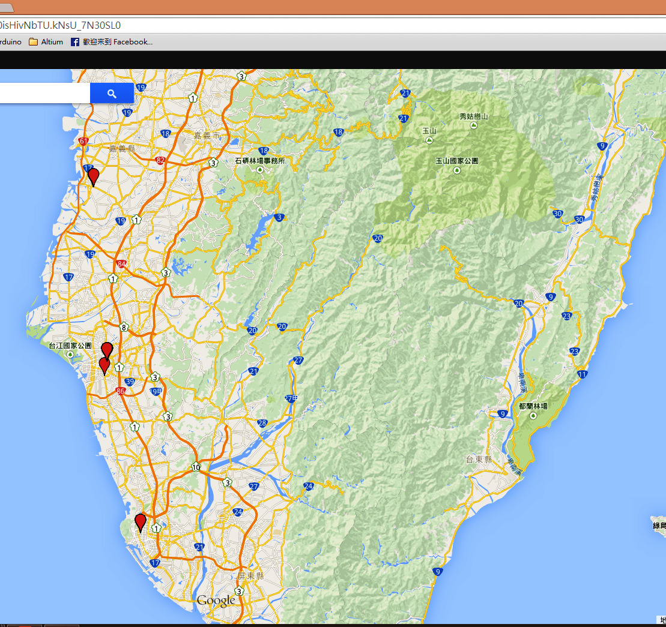
*ID* | location | voltage | temperature | height | precision | shake | sync | System Record Time | Server RxTime |  | NO. | Period | d
1 | ( 22.9744736 , 120.2151296 ) | 4.23 | 0 | 0 | 3.26 | 0 | 1 | 2015/02/15 - 15:16:00 | Sun Feb 15 15:18:10 GMT+08:00 2015 | 2/15/15 | 1
2 | ( NA , NA ) | 4.262 | 214 | NA | 0 | 0 | 0 | 2015/02/15 - 19:17:22 | Wed Feb 25 02:27:03 GMT+08:00 2015 | 2/15/15 | 2 | 4.02 | 0.17
3 | ( NA , NA ) | 4.152 | 214 | NA | 0 | 77 | 0 | 2015/02/15 - 23:17:22 | Wed Feb 25 02:26:59 GMT+08:00 2015 | 2/15/15 | 3 | 8.02 | 0.33
4 | ( NA , NA ) | 4.106 | 214 | NA | 0 | 0 | 0 | 2015/02/16 - 3:17:22 | Wed Feb 25 02:26:54 GMT+08:00 2015 | 2/16/15 | 1 | 12.02 | 0.50
4 | ( NA , NA ) | 4.106 | 214 | NA | 0 | 0 | 0 | 2015/02/16 - 3:17:22 | Wed Feb 25 02:26:23 GMT+08:00 2015 | 2/16/15 | 2 | 12.02 | 0.50
5 | ( NA , NA ) | 4.092 | 214 | NA | 0 | 0 | 0 | 2015/02/16 - 7:17:21 | Wed Feb 25 02:26:19 GMT+08:00 2015 | 2/16/15 | 3 | 16.02 | 0.67
6 | ( NA , NA ) | 4.077 | 214 | NA | 0 | 0 | 0 | 2015/02/16 - 11:17:21 | Wed Feb 25 02:26:05 GMT+08:00 2015 | 2/16/15 | 4 | 20.02 | 0.83
7 | ( NA , NA ) | 4.077 | 214 | NA | 0 | 3 | 0 | 2015/02/16 - 15:17:21 | Wed Feb 25 02:26:01 GMT+08:00 2015 | 2/16/15 | 5 | 24.02 | 1.00
8 | ( NA , NA ) | 4.062 | 214 | NA | 0 | 1 | 0 | 2015/02/16 - 19:17:21 | Wed Feb 25 02:25:56 GMT+08:00 2015 | 2/16/15 | 6 | 28.02 | 1.17
9 | ( NA , NA ) | 4.062 | 214 | NA | 0 | 39 | 0 | 2015/02/16 - 23:17:21 | Wed Feb 25 02:25:52 GMT+08:00 2015 | 2/16/15 | 7 | 32.02 | 1.33
10 | ( NA , NA ) | 4.062 | 214 | NA | 0 | 0 | 0 | 2015/02/17 - 3:17:21 | Wed Feb 25 02:25:47 GMT+08:00 2015 | 2/17/15 | 1 | 36.02 | 1.50
11 | ( NA , NA ) | 4.047 | 214 | NA | 0 | 0 | 0 | 2015/02/17 - 7:17:20 | Wed Feb 25 02:25:43 GMT+08:00 2015 | 2/17/15 | 2 | 40.02 | 1.67
12 | ( NA , NA ) | 4.062 | 214 | NA | 0 | 0 | 0 | 2015/02/17 - 11:17:20 | Wed Feb 25 02:25:39 GMT+08:00 2015 | 2/17/15 | 3 | 44.02 | 1.83
13 | ( 22.6438592 , 120.2973952 ) | 4.077 | 214 | 0 | 7.98 | 0 | 1 | 2015/02/17 - 14:30:25 | Wed Feb 25 02:25:35 GMT+08:00 2015 | 2/17/15 | 4 | -29.58 | -1.23
14 | ( NA , NA ) | 4.062 | 214 | NA | 0 | 0 | 0 | 2015/02/17 - 18:30:20 | Wed Feb 25 02:25:30 GMT+08:00 2015 | 2/17/15 | 5 | 51.24 | 2.13
15 | ( 22.6438368 , 120.297344 ) | 4.062 | 214 | 0 | 4.11 | 6 | 1 | 2015/02/17 - 22:17:40 | Wed Feb 25 02:25:26 GMT+08:00 2015 | 2/17/15 | 6 | 55.03 | 2.29
16 | ( 22.6438672 , 120.297408 ) | 4.047 | 214 | 0 | 1.04 | 0 | 1 | 2015/02/18 - 2:03:03 | Wed Feb 25 02:25:21 GMT+08:00 2015 | 2/18/15 | 1 | 58.78 | 2.45
17 | ( 22.6438384 , 120.297408 ) | 4.047 | 214 | 0 | 1.62 | 0 | 1 | 2015/02/18 - 5:41:40 | Wed Feb 25 02:25:16 GMT+08:00 2015 | 2/18/15 | 2 | 62.43 | 2.60
18 | ( 22.6438496 , 120.2973696 ) | 4.092 | 214 | 0 | 1.9 | 0 | 1 | 2015/02/18 - 9:13:27 | Wed Feb 25 02:25:11 GMT+08:00 2015 | 2/18/15 | 3 | 65.96 | 2.75
19 | ( 22.6438848 , 120.2974336 ) | 4.611 | 214 | 0 | 1.66 | 0 | 1 | 2015/02/18 - 12:56:46 | Wed Feb 25 02:25:07 GMT+08:00 2015 | 2/18/15 | 4 | 69.68 | 2.90
20 | ( 22.6438832 , 120.2974208 ) | 4.328 | 214 | 0 | 3.12 | 0 | 1 | 2015/02/18 - 16:31:23 | Wed Feb 25 02:25:02 GMT+08:00 2015 | 2/18/15 | 5 | 73.26 | 3.05
21 | ( 22.6439424 , 120.2973824 ) | 4.167 | 214 | 0 | 1.65 | 0 | 1 | 2015/02/18 - 20:05:03 | Wed Feb 25 02:24:57 GMT+08:00 2015 | 2/18/15 | 6 | 76.82 | 3.20
22 | ( 22.643864 , 120.297408 ) | 4.121 | 214 | 0 | 2.09 | 0 | 1 | 2015/02/18 - 23:35:27 | Wed Feb 25 02:24:53 GMT+08:00 2015 | 2/18/15 | 7 | 80.32 | 3.35
電壓與時間關係圖
23 | ( 22.643872 , 120.2974208 ) | 4.106 | 214 | 0 | 1.35 | 0 | 1 | 2015/02/19 - 2:56:03 | Wed Feb 25 02:24:48 GMT+08:00 2015 | 2/19/15 | 1 | 83.67 | 3.49
24 | ( 22.643832 , 120.2974464 ) | 4.092 | 214 | 0 | 3.6 | 0 | 1 | 2015/02/19 - 6:21:09 | Wed Feb 25 02:24:43 GMT+08:00 2015 | 2/19/15 | 2 | 87.09 | 3.63
25 | ( 22.643936 , 120.2973696 ) | 4.65 | 214 | 0 | 2.6 | 0 | 1 | 2015/02/19 - 9:37:21 | Wed Feb 25 02:24:38 GMT+08:00 2015 | 2/19/15 | 3 | 90.36 | 3.76
26 | ( 22.6439088 , 120.2974336 ) | 4.63 | 214 | 0 | 1.4 | 0 | 1 | 2015/02/19 - 13:00:22 | Wed Feb 25 02:24:34 GMT+08:00 2015 | 2/19/15 | 4 | 93.74 | 3.91
27 | ( 22.6440048 , 120.297472 ) | 4.483 | 214 | 0 | 3.72 | 0 | 1 | 2015/02/19 - 16:19:03 | Wed Feb 25 02:24:29 GMT+08:00 2015 | 2/19/15 | 5 | 97.05 | 4.04
28 | ( 22.643928 , 120.2973568 ) | 4.328 | 214 | 0 | 4.4 | 0 | 1 | 2015/02/19 - 19:34:27 | Wed Feb 25 02:24:25 GMT+08:00 2015 | 2/19/15 | 6 | 100.31 | 4.18
29 | ( 22.6438368 , 120.2974208 ) | 4.152 | 214 | 0 | 3.06 | 0 | 1 | 2015/02/19 - 22:48:22 | Wed Feb 25 02:24:20 GMT+08:00 2015 | 2/19/15 | 7 | 99.52 | 4.15
30 | ( 22.643856 , 120.2973696 ) | 4.121 | 214 | 0 | 1.49 | 0 | 1 | 2015/02/20 - 2:03:03 | Wed Feb 25 02:24:15 GMT+08:00 2015 | 2/20/15 | 1 | 102.76 | 4.28
31 | ( 22.6438496 , 120.2974208 ) | 4.106 | 214 | 0 | 2.43 | 0 | 1 | 2015/02/20 - 5:18:04 | Wed Feb 25 02:24:11 GMT+08:00 2015 | 2/20/15 | 2 | 110.03 | 4.58
32 | ( 22.6437952 , 120.2974208 ) | 4.198 | 214 | 0 | 2.75 | 0 | 1 | 2015/02/20 - 8:33:21 | Wed Feb 25 02:24:06 GMT+08:00 2015 | 2/20/15 | 3 | 113.29 | 4.72
33 | ( 22.6438976 , 120.2973952 ) | 4.768 | 214 | 0 | 2.49 | 0 | 1 | 2015/02/20 - 11:52:03 | Wed Feb 25 02:24:01 GMT+08:00 2015 | 2/20/15 | 4 | 116.60 | 4.86
34 | ( 22.6438864 , 120.2973952 ) | 4.688 | 214 | 0 | 1.48 | 0 | 1 | 2015/02/20 - 15:09:03 | Wed Feb 25 02:23:57 GMT+08:00 2015 | 2/20/15 | 5 | 119.88 | 5.00
35 | ( 22.6435952 , 120.2969728 ) | 4.328 | 214 | 0 | 5.36 | 0 | 1 | 2015/02/20 - 18:27:25 | Wed Feb 25 02:23:52 GMT+08:00 2015 | 2/20/15 | 6 | 123.19 | 5.13
36 | ( 22.6438448 , 120.2973312 ) | 4.152 | 214 | 0 | 4.35 | 0 | 1 | 2015/02/20 - 21:39:41 | Wed Feb 25 02:23:48 GMT+08:00 2015 | 2/20/15 | 7 | 126.39 | 5.27
37 | ( 22.6438656 , 120.2974208 ) | 4.121 | 214 | 0 | 1.21 | 0 | 1 | 2015/02/21 - 0:53:22 | Wed Feb 25 02:23:43 GMT+08:00 2015 | 2/21/15 | 1 | 129.62 | 5.40
38 | ( 22.6438624 , 120.2975104 ) | 4.092 | 214 | 0 | 2.76 | 0 | 1 | 2015/02/21 - 4:08:22 | Wed Feb 25 02:23:38 GMT+08:00 2015 | 2/21/15 | 2 | 132.87 | 5.54
39 | ( NA , NA ) | 4.092 | 214 | NA | 0 | 784 | 0 | 2015/02/21 - 8:06:16 | Wed Feb 25 02:23:33 GMT+08:00 2015 | 2/21/15 | 3 | 136.84 | 5.70
40 | ( 23.372848 , 120.1896704 ) | 4.092 | 214 | 0 | 2.87 | 2219 | 1 | 2015/02/21 - 11:04:46 | Wed Feb 25 02:23:29 GMT+08:00 2015 | 2/21/15 | 4 | 139.81 | 5.83
41 | ( 23.3729344 , 120.18976 ) | 4.092 | 214 | 255 | 2.57 | 83 | 1 | 2015/02/21 - 14:17:22 | Wed Feb 25 02:23:24 GMT+08:00 2015 | 2/21/15 | 5 | 143.02 | 5.96
42 | ( NA , NA ) | 4.077 | 214 | NA | 0 | 7556 | 0 | 2015/02/21 - 18:16:16 | Wed Feb 25 02:23:19 GMT+08:00 2015 | 2/21/15 | 6 | 147.00 | 6.13
43 | ( NA , NA ) | 4.062 | 214 | NA | 0 | 8011 | 0 | 2015/02/21 - 22:16:17 | Wed Feb 25 02:23:15 GMT+08:00 2015 | 2/21/15 | 7 | 151.00 | 6.29
44 | ( 22.6440544 , 120.2976512 ) | 4.062 | 214 | NA | 6.59 | 0 | 1 | 2015/02/22 - 2:30:28 | Wed Feb 25 02:23:10 GMT+08:00 2015 | 2/22/15 | 1 | 155.24 | 6.47
45 | ( NA , NA ) | 4.062 | 214 | NA | 0 | 0 | 0 | 2015/02/22 - 6:30:19 | Wed Feb 25 02:23:06 GMT+08:00 2015 | 2/22/15 | 2 | 159.24 | 6.63
時間與震動次數關係圖
46 | ( NA , NA ) | 4.047 | 214 | NA | 0 | 0 | 0 | 2015/02/22 - 10:30:10 | Wed Feb 25 02:23:01 GMT+08:00 2015 | 2/22/15 | 3 | 163.24 | 6.80
47 | ( NA , NA ) | 4.062 | 214 | NA | 0 | 0 | 0 | 2015/02/22 - 14:30:01 | Wed Feb 25 02:22:57 GMT+08:00 2015 | 2/22/15 | 4 | 167.23 | 6.97
48 | ( NA , NA ) | 4.077 | 214 | NA | 0 | 0 | 0 | 2015/02/22 - 18:30:02 | Wed Feb 25 02:22:52 GMT+08:00 2015 | 2/22/15 | 5 | 171.23 | 7.13
49 | ( NA , NA ) | 4.062 | 214 | NA | 0 | 0 | 0 | 2015/02/22 - 22:30:13 | Wed Feb 25 02:22:48 GMT+08:00 2015 | 2/22/15 | 6 | 175.24 | 7.30
50 | ( 22.6440464 , 120.297472 ) | 4.062 | 214 | NA | 5.05 | 0 | 1 | 2015/02/22 - 22:06:07 | Wed Feb 25 02:22:43 GMT+08:00 2015 | 2/22/15 | 7 | 174.84 | 7.28
51 | ( NA , NA ) | 4.047 | 214 | NA | 0 | 0 | 0 | 2015/02/23 - 2:08:14 | Wed Feb 25 02:22:39 GMT+08:00 2015 | 2/23/15 | 1 | 178.87 | 7.45
52 | ( NA , NA ) | 4.047 | 214 | NA | 0 | 0 | 0 | 2015/02/23 - 6:08:13 | Wed Feb 25 02:22:34 GMT+08:00 2015 | 2/23/15 | 2 | 182.87 | 7.62
53 | ( NA , NA ) | 4.047 | 214 | NA | 0 | 0 | 0 | 2015/02/23 - 10:08:11 | Wed Feb 25 02:22:30 GMT+08:00 2015 | 2/23/15 | 3 | 186.87 | 7.79
54 | ( NA , NA ) | 4.047 | 214 | NA | 0 | 0 | 0 | 2015/02/23 - 14:08:09 | Wed Feb 25 02:22:25 GMT+08:00 2015 | 2/23/15 | 4 | 190.87 | 7.95
55 | ( NA , NA ) | 4.047 | 214 | NA | 0 | 2 | 0 | 2015/02/23 - 18:08:17 | Wed Feb 25 02:22:21 GMT+08:00 2015 | 2/23/15 | 5 | 194.87 | 8.12
56 | ( NA , NA ) | 4.047 | 214 | NA | 0 | 1 | 0 | 2015/02/23 - 22:08:16 | Wed Feb 25 02:22:17 GMT+08:00 2015 | 2/23/15 | 6 | 198.87 | 8.29
57 | ( NA , NA ) | 4.047 | 214 | NA | 0 | 0 | 0 | 2015/02/24 - 2:08:14 | Wed Feb 25 02:22:12 GMT+08:00 2015 | 2/24/15 | 1 | 202.87 | 8.45
58 | ( NA , NA ) | 4.047 | 214 | NA | 0 | 0 | 0 | 2015/02/24 - 6:08:12 | Wed Feb 25 02:22:08 GMT+08:00 2015 | 2/24/15 | 2 | 206.87 | 8.62
59 | ( NA , NA ) | 4.033 | 214 | NA | 0 | 0 | 0 | 2015/02/24 - 10:08:10 | Wed Feb 25 02:22:03 GMT+08:00 2015 | 2/24/15 | 3 | 210.87 | 8.79
60 | ( NA , NA ) | 4.033 | 214 | NA | 0 | 0 | 0 | 2015/02/24 - 14:08:19 | Wed Feb 25 02:21:59 GMT+08:00 2015 | 2/24/15 | 4 | 214.87 | 8.95
61 | ( NA , NA ) | 4.018 | 214 | NA | 0 | 0 | 0 | 2015/02/24 - 18:08:17 | Wed Feb 25 02:21:54 GMT+08:00 2015 | 2/24/15 | 5 | 218.87 | 9.12
62 | ( NA , NA ) | 4.004 | 214 | NA | 0 | 0 | 0 | 2015/02/24 - 22:08:15 | Wed Feb 25 02:21:50 GMT+08:00 2015 | 2/24/15 | 6 | 222.87 | 9.29
63 | ( NA , NA ) | 4.004 | 214 | NA | 0 | 0 | 0 | 2015/02/25 - 2:08:13 | Wed Feb 25 02:21:45 GMT+08:00 2015 | 2/25/15 | 1 | 226.87 | 9.45
64 | ( NA , NA ) | 4.004 | 214 | NA | 0 | 0 | 0 | 2015/02/25 - 6:08:12 | Wed Feb 25 02:21:40 GMT+08:00 2015 | 2/25/15 | 2 | 230.87 | 9.62
65 | ( NA , NA ) | 3.99 | 214 | NA | 0 | 0 | 0 | 2015/02/25 - 10:08:10 | Wed Feb 25 02:21:36 GMT+08:00 2015 | 2/25/15 | 3 | 234.87 | 9.79
66 | ( NA , NA ) | 3.99 | 214 | NA | 0 | 5 | 0 | 2015/02/25 - 14:08:18 | Wed Feb 25 02:21:31 GMT+08:00 2015 | 2/25/15 | 4 | 238.87 | 9.95
67 | ( NA , NA ) | 3.962 | 214 | NA | 0 | 0 | 0 | 2015/02/25 - 18:08:16 | Wed Feb 25 21:51:50 GMT+08:00 2015 | 2/25/15 | 5 | 242.87 | 10.12
68 | ( NA , NA ) | 3.948 | 214 | NA | 0 | 0 | 0 | 2015/02/25 - 22:08:15 | Wed Feb 25 21:51:45 GMT+08:00 2015 | 2/25/15 | 6 | 246.87 | 10.29
69 | ( 23.0061456 , 120.2210048 ) | 4.004 | 214 | NA | 3.43 | 5 | 1 | 2015/02/25 - 12:03:27 | Wed Feb 25 21:51:41 GMT+08:00 2015 | 2/25/15 | 7 | 236.79 | 9.87
70 | ( 23.0062624 , 120.2208512 ) | 4.077 | 214 | 0 | 5.09 | 0 | 1 | 2015/02/25 - 15:19:00 | Wed Feb 25 21:51:36 GMT+08:00 2015 | 2/25/15 | 8 | 240.05 | 10.00
71 | ( NA , NA ) | 4.062 | 214 | NA | 0 | 6 | 0 | 2015/02/25 - 19:17:17 | Wed Feb 25 21:51:31 GMT+08:00 2015 | 2/25/15 | 9 | 244.02 | 10.17
72 | ( NA , NA ) | 4.062 | 214 | NA | 0 | 0 | 0 | 2015/02/25 - 23:17:14 | Wed Feb 25 21:51:27 GMT+08:00 2015 | 2/25/15 | 10 | 248.02 | 10.33
73 | ( 23.0061728 , 120.2210816 ) | 4.047 | 214 | NA | 4.92 | 0 | 1 | 2015/02/26 - 1:04:28 | Thu Feb 26 17:28:51 GMT+08:00 2015 | 2/26/15 | 1 | 249.81 | 10.41
74 | ( NA , NA ) | 4.047 | 214 | NA | 0 | 0 | 0 | 2015/02/26 - 5:00:18 | Thu Feb 26 17:28:46 GMT+08:00 2015 | 2/26/15 | 2 | 253.74 | 10.57
75 | ( 23.0061104 , 120.2208512 ) | 4.047 | 214 | NA | 3.16 | 0 | 1 | 2015/02/26 - 7:28:06 | Thu Feb 26 17:28:42 GMT+08:00 2015 | 2/26/15 | 3 | 256.20 | 10.68
76 | ( NA , NA ) | 4.047 | 214 | NA | 0 | 0 | 0 | 2015/02/26 - 11:34:16 | Thu Feb 26 17:28:37 GMT+08:00 2015 | 2/26/15 | 4 | 260.30 | 10.85
77 | ( NA , NA ) | 4.047 | 214 | NA | 0 | 0 | 0 | 2015/02/26 - 15:34:00 | Thu Feb 26 17:28:33 GMT+08:00 2015 | 2/26/15 | 5 | 264.30 | 11.01
78 | ( NA , NA ) | 4.047 | 214 | NA | 0 | 2 | 0 | 2015/02/26 - 19:34:13 | Thu Feb 26 17:28:28 GMT+08:00 2015 | 2/26/15 | 6 | 268.30 | 11.18
79 | ( NA , NA ) | 4.047 | 214 | NA | 0 | 0 | 0 | 2015/02/26 - 23:34:07 | Fri Feb 27 13:10:04 GMT+08:00 2015 | 2/26/15 | 7 | 272.30 | 11.35
80 | ( NA , NA ) | 4.047 | 214 | NA | 0 | 0 | 0 | 2015/02/27 - 3:34:10 | Fri Feb 27 13:10:00 GMT+08:00 2015 | 2/27/15 | 1 | 276.30 | 11.51
81 | ( NA , NA ) | 4.047 | 214 | NA | 0 | 0 | 0 | 2015/02/27 - 7:34:14 | Fri Feb 27 13:09:55 GMT+08:00 2015 | 2/27/15 | 2 | 280.30 | 11.68
82 | ( NA , NA ) | 4.047 | 214 | NA | 0 | 0 | 0 | 2015/02/27 - 11:34:08 | Fri Feb 27 13:09:51 GMT+08:00 2015 | 2/27/15 | 3 | 284.30 | 11.85
83 | ( NA , NA ) | 4.047 | 214 | NA | 0 | 0 | 0 | 2015/02/27 - 15:34:11 | Fri Feb 27 13:09:47 GMT+08:00 2015 | 2/27/15 | 4 | 288.30 | 12.01
84 | ( NA , NA ) | 4.047 | 214 | NA | 0 | 0 | 0 | 2015/02/27 - 19:34:05 | Fri Feb 27 13:09:42 GMT+08:00 2015 | 2/27/15 | 5 | 292.30 | 12.18
85 | ( NA , NA ) | 4.033 | 214 | NA | 0 | 0 | 0 | 2015/02/27 - 23:33:59 | Sat Feb 28 08:42:00 GMT+08:00 2015 | 2/27/15 | 6 | 296.30 | 12.35
86 | ( NA , NA ) | 4.018 | 214 | NA | 0 | 0 | 0 | 2015/02/28 - 3:34:12 | Sat Feb 28 08:41:55 GMT+08:00 2015 | 2/28/15 |  | 300.30 | 12.51
87 | ( 23.0061792 , 120.2208896 ) | 4.018 | 214 | 0 | 3 | 0 | 1 | 2015/02/27 - 22:57:25 | Sat Feb 28 08:41:51 GMT+08:00 2015 | 2/27/15 |  | 295.69 | 12.32
88 | ( 23.006264 , 120.2207744 ) | 4.004 | 214 | 0 | 2.34 | 14 | 1 | 2015/02/28 - 2:12:22 | Sat Feb 28 08:41:46 GMT+08:00 2015 | 2/28/15 |  | 298.94 | 12.46
89 | ( 23.0060496 , 120.220928 ) | 4.004 | 214 | 0 | 3.37 | 0 | 1 | 2015/02/28 - 5:26:06 | Sat Feb 28 08:41:41 GMT+08:00 2015 | 2/28/15 |  | 302.17 | 12.59
90 | ( 23.0063024 , 120.2207872 ) | 4.018 | 214 | 0 | 10.66 | 0 | 1 | 2015/02/28 - 8:39:45 | Sat Feb 28 08:41:36 GMT+08:00 2015 | 2/28/15 |  | 305.40 | 12.72
91 | ( 23.0063872 , 120.2206208 ) | 4.062 | 214 | NA | 1.84 | 0 | 1 | 2015/02/28, 11:58:40 | Sun Mar 01 04:12:47 GMT+08:00 2015 | 2/28/15 |  | 308.71 | 12.86
92 | ( 23.0061536 , 120.2208896 ) | 4.311 | 214 | 510 | 1.9 | 0 | 1 | 2015/02/28, 15:13:27 | Sun Mar 01 04:12:42 GMT+08:00 2015 | 2/28/15 |  | 311.96 | 13.00
93 | ( 23.0063024 , 120.2214144 ) | 4.295 | 214 | NA | 3.44 | 0 | 1 | 2015/02/28, 18:33:06 | Sun Mar 01 04:12:38 GMT+08:00 2015 | 2/28/15 |  | 315.29 | 13.14
94 | ( 23.0062048 , 120.2208896 ) | 4.137 | 214 | 0 | 2.76 | 0 | 1 | 2015/02/28, 21:43:03 | Sun Mar 01 04:12:33 GMT+08:00 2015 | 2/28/15 |  | 318.45 | 13.27
95 | ( 23.0062048 , 120.2208768 ) | 4.121 | 214 | 0 | 3.43 | 0 | 1 | 2015/3/1, 0:56:22 | Sun Mar 01 04:12:28 GMT+08:00 2015 | 3/1/15 | 1 | 321.67 | 13.40
96 | ( 23.0059744 , 120.2214272 ) | 4.121 | 214 | 0 | 7.38 | 0 | 1 | 2015/3/1, 4:10:09 | Sun Mar 01 04:12:24 GMT+08:00 2015 | 3/1/15 | 2 | 324.90 | 13.54
97 | ( 23.0062224 , 120.2208128 ) | 4.092 | 214 | 0 | 3.13 | 0 | 1 | 2015/3/1, 7:24:27 | Mon Mar 02 00:02:17 GMT+08:00 2015 | 3/1/15 | 3 | 328.14 | 13.67
98 | ( 23.0061568 , 120.2208512 ) | 4.23 | 214 | 0 | 2.44 | 0 | 1 | 2015/03/01, 10:40:03 | Mon Mar 02 00:02:02 GMT+08:00 2015 | 3/1/15 | 4 | 331.40 | 13.81
99 | ( 23.0062368 , 120.2209408 ) | 4.63 | 214 | 0 | 2.57 | 15 | 1 | 2015/03/01, 14:11:03 | Mon Mar 02 00:01:58 GMT+08:00 2015 | 3/1/15 | 5 | 334.92 | 13.95
100 | ( 23.0066624 , 120.2206208 ) | 4.328 | 214 | NA | 4.23 | 0 | 1 | 2015/03/01, 17:31:25 | Mon Mar 02 00:01:53 GMT+08:00 2015 | 3/1/15 | 6 | 338.26 | 14.09
101 | ( 23.0061136 , 120.2215168 ) | 4.137 | 214 | 0 | 3.26 | 0 | 1 | 2015/03/01, 20:45:24 | Mon Mar 02 00:01:48 GMT+08:00 2015 | 3/1/15 | 7 | 341.49 | 14.23
102 | ( 23.0061152 , 120.2209536 ) | 4.121 | 214 | 0 | 2.48 | 0 | 1 | 2015/03/2, 0:00:04 | Mon Mar 02 00:01:43 GMT+08:00 2015 | 3/2/15 | 1 | 344.73 | 14.36
121 | ( NA , NA ) | 4.328 | 214 | NA | 0 | 0 | 0 | 2015/03/04, 14:22:08 | Thu Mar 05 05:54:17 GMT+08:00 2015 | 3/4/15 | 1 | 407.10 | 16.96
122 | ( NA , NA ) | 4.344 | 214 | NA | 0 | 0 | 0 | 2015/03/04, 18:22:13 | Thu Mar 05 05:54:13 GMT+08:00 2015 | 3/4/15 | 2 | 411.10 | 17.13
124 | ( 23.0060096 , 120.2210432 ) | 4.137 | 214 | 0 | 8.05 | 0 | 1 | 2015/03/04, 23:23:31 | Thu Mar 05 05:53:54 GMT+08:00 2015 | 3/4/15 | 3 | 416.13 | 17.34
125 | ( 23.0061472 , 120.2209152 ) | 4.121 | 214 | NA | 2.47 | 0 | 1 | 2015/03/5, 2:37:03 | Thu Mar 05 05:53:49 GMT+08:00 2015 | 3/5/15 | 1 | 419.35 | 17.47
126 | ( 23.0061392 , 120.2208384 ) | 4.106 | 214 | 0 | 5.71 | 0 | 1 | 2015/03/5, 5:52:00 | Thu Mar 05 05:53:44 GMT+08:00 2015 | 3/5/15 | 2 | 422.60 | 17.61
127 | ( 23.006288 , 120.2209664 ) | 4.121 | 214 | 0 | 2.81 | 0 | 1 | 2015/03/05, 9:07:21 | Fri Mar 06 01:24:13 GMT+08:00 2015 | 3/5/15 | 3 | 425.86 | 17.74
128 | ( 23.006352 , 120.2211968 ) | 4.344 | 214 | 0 | 3.42 | 0 | 1 | 2015/03/05, 12:22:06 | Fri Mar 06 01:24:08 GMT+08:00 2015 | 3/5/15 | 4 | 429.10 | 17.88
129 | ( 23.0063712 , 120.220928 ) | 4.465 | 214 | 0 | 1.95 | 0 | 1 | 2015/03/05, 15:39:46 | Fri Mar 06 01:24:03 GMT+08:00 2015 | 3/5/15 | 5 | 432.40 | 18.02
130 | ( 23.0057408 , 120.2206976 ) | 4.328 | 214 | 0 | 5.98 | 0 | 1 | 2015/03/05, 18:53:07 | Fri Mar 06 01:23:58 GMT+08:00 2015 | 3/5/15 | 6 | 435.62 | 18.15
131 | ( 23.0059216 , 120.2208896 ) | 4.183 | 214 | 255 | 8.98 | 0 | 1 | 2015/03/05, 22:05:48 | Fri Mar 06 01:23:44 GMT+08:00 2015 | 3/5/15 | 7 | 438.83 | 18.28
132 | ( 23.0061392 , 120.2210048 ) | 4.137 | 214 | NA | 2.89 | 0 | 1 | 2015/03/6, 1:20:48 | Fri Mar 06 01:23:39 GMT+08:00 2015 | 3/6/15 | 1 | 442.08 | 18.42
133 | ( 23.006216 , 120.2208256 ) | 4.106 | 214 | 0 | 2.81 | 0 | 1 | 2015/03/6, 4:33:23 | Fri Mar 06 20:58:10 GMT+08:00 2015 | 3/6/15 | 2 | 445.29 | 18.55
134 | ( 23.0061664 , 120.2208512 ) | 4.092 | 214 | 0 | 5.01 | 0 | 1 | 2015/03/6, 7:46:22 | Fri Mar 06 20:58:05 GMT+08:00 2015 | 3/6/15 | 3 | 448.51 | 18.69
135 | ( 23.0062176 , 120.2208768 ) | 4.344 | 214 | 0 | 2.51 | 0 | 1 | 2015/03/06, 11:10:40 | Fri Mar 06 20:58:00 GMT+08:00 2015 | 3/6/15 | 4 | 451.91 | 18.83
136 | ( 23.0060704 , 120.220928 ) | 4.611 | 214 | NA | 2.24 | 1 | 1 | 2015/03/06, 14:24:27 | Fri Mar 06 20:57:55 GMT+08:00 2015 | 3/6/15 | 5 | 455.14 | 18.96
137 | ( NA , NA ) | 4.328 | 214 | NA | 0 | 0 | 0 | 2015/03/06, 18:24:18 | Fri Mar 06 20:57:50 GMT+08:00 2015 | 3/6/15 | 6 | 459.14 | 19.13
138 | ( 23.0061744 , 120.2209792 ) | 4.137 | 214 | 0 | 2.88 | 0 | 1 | 2015/03/06, 20:56:07 | Fri Mar 06 20:57:46 GMT+08:00 2015 | 3/6/15 | 7 | 461.67 | 19.24

0965326118
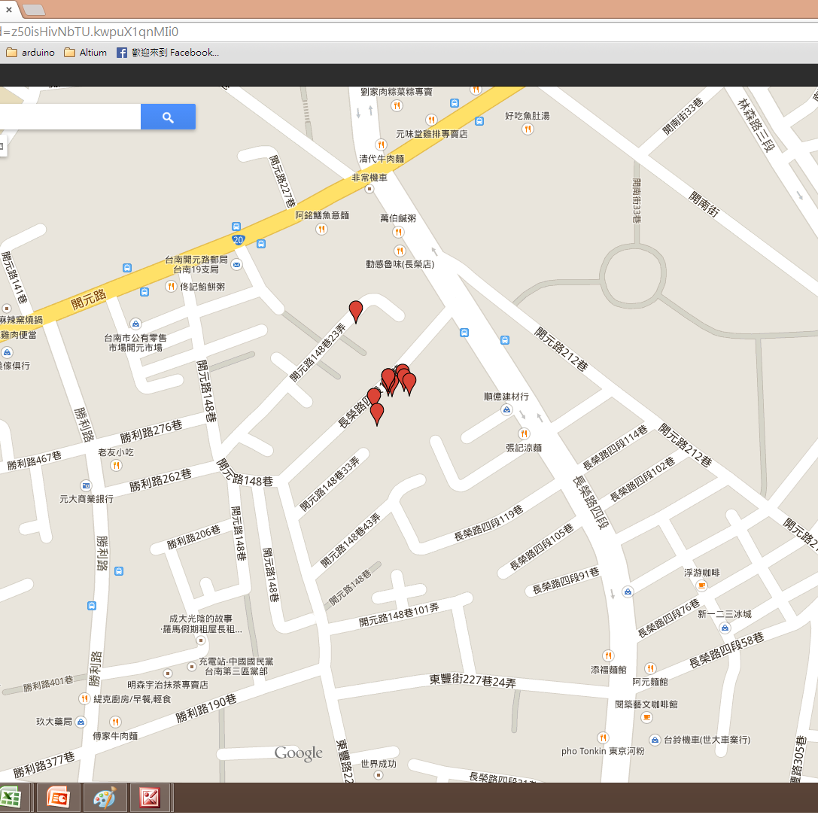
ID* | System Record Time | location | voltage | temperature | height | precision | shake | sync | Server RxTime |  | NO. | Period | D
23 | 2015/03/04, 17:20:30 | ( 23.0066496 , 120.2206464 ) | 4.033 | 14 | NA | 4.04 | 0 | 1 | Thu Mar 05 12:28:02 GMT+08:00 2015 | 3/4/15 | 1
24 | 2015/03/04, 21:17:03 | ( 23.006232 , 120.2209792 ) | 4.018 | 14 | 0 | 3.11 | 0 | 1 | Thu Mar 05 12:27:25 GMT+08:00 2015 | 3/4/15 | 2 | 3.94 | 0.16
25 | 2015/03/5, 1:13:15 | ( NA , NA ) | 4.018 | 16 | NA | 0 | 0 | 0 | Thu Mar 05 12:26:47 GMT+08:00 201 | 3/5/15 | 1 | 3.94 | 0.33
26 | 2015/03/5, 4:55:30 | ( 23.006168 , 120.2209024 ) | 4.004 | 16 | 0 | 10.48 | 0 | 1 | Thu Mar 05 12:26:10 GMT+08:00 2015 | 3/5/15 | 2 | 3.70 | 0.48
27 | 2015/03/05, 8:38:34 | ( 23.0060768 , 120.2207744 ) | 4.018 | 16 | 0 | 4.04 | 0 | 1 | Thu Mar 05 12:25:33 GMT+08:00 2015 | 3/5/15 | 3 | 3.72 | 0.64
28 | 2015/03/05, 12:37:19 | ( NA , NA ) | 4.077 | 13 | NA | 0 | 0 | 0 | Thu Mar 05 12:24:55 GMT+08:00 2015 | 3/5/15 | 4 | 3.98 | 0.80
35 | 2015/03/06, 12:49:03 | ( 23.0059776 , 120.2208 ) | 4.501 | 16 | NA | 2.64 | 0 | 1 | Sat Mar 07 05:19:39 GMT+08:00 2015 | 3/6/15 | 1 | 24.20 | 1.81
36 | 2015/03/06, 16:06:27 | ( 23.0062032 , 120.220992 ) | 4.378 | 15 | NA | 3.85 | 15 | 1 | Sat Mar 07 05:19:02 GMT+08:00 2015 | 3/6/15 | 2 | 3.29 | 1.95
37 | 2015/03/06, 19:23:40 | ( 23.0061744 , 120.2210304 ) | 4.378 | 16 | 0 | 3.47 | 0 | 1 | Sat Mar 07 05:18:24 GMT+08:00 2015 | 3/6/15 | 3 | 3.29 | 2.09
38 | 2015/03/06, 22:38:03 | ( 23.0061728 , 120.2208768 ) | 4.278 | 15 | 0 | 4.95 | 0 | 1 | Sat Mar 07 05:17:47 GMT+08:00 2015 | 3/6/15 | 3 | 3.24 | 2.22
39 | 2015/03/7, 1:58:03 | ( 23.0062048 , 120.2208768 ) | 4.246 | 15 | 0 | 2.6 | 0 | 1 | Sat Mar 07 05:17:10 GMT+08:00 2015 | 3/7/15 | 1 | 3.33 | 2.36
40 | 2015/03/7, 5:14:04 | ( 23.0062064 , 120.2208768 ) | 4.214 | 16 | 0 | 4.01 | 0 | 1 | Sat Mar 07 05:16:33 GMT+08:00 2015 | 3/7/15 | 1 | 3.27 | 2.50
257 | NA, NA | ( NA , NA ) | 3.853 | 11 | NA | 0 | 0 | 0 | Sat Feb 28 23:49:10 GMT+08:00 2015

System Record Time
*ID* | location | voltage | temperature | height | precision | shake | sync | System Record Time | Server RxTime |  | NO.
1 | ( 23.0060432 , 120.221248 ) | 4.106 | 0 | 0 | 3.01 | 0 | 1 | 2015/02/11 - 22:54:40 | Wed Feb 11 22:56:12 GMT+08:00 2015
2 | ( NA , NA ) | 4.106 | 0 | NA | 0 | 0 | 0 | 2015/02/12 - 2:56:12 | Thu Feb 12 22:18:35 GMT+08:00 2015
3 | ( 23.0059872 , 120.220992 ) | 4.092 | 0 | NA | 3.72 | 0 | 1 | 2015/02/12 - 6:52:25 | Thu Feb 12 22:18:30 GMT+08:00 2015 |  | 1
4 | ( 23.0064064 , 120.2206336 ) | 4.106 | 0 | 0 | 2.1 | 0 | 1 | 2015/02/12 - 10:44:23 | Thu Feb 12 22:18:25 GMT+08:00 2015 |  | 2
5 | ( NA , NA ) | 4.106 | 0 | NA | 0 | 0 | 0 | 2015/02/12 - 14:42:22 | Thu Feb 12 22:18:21 GMT+08:00 2015 |  | 3
6 | ( 23.0071824 , 120.2201984 ) | 4.092 | 0 | NA | 10.44 | 0 | 1 | 2015/02/12 - 18:26:09 | Thu Feb 12 22:18:16 GMT+08:00 2015 |  | 4
7 | ( 23.0059536 , 120.2209152 ) | 4.092 | 0 | 0 | 4.91 | 0 | 1 | 2015/02/12 - 22:17:00 | Thu Feb 12 22:18:12 GMT+08:00 2015 |  | 5
8 | ( 23.0063808 , 120.2208384 ) | 4.092 | 0 | 0 | 5.29 | 2 | 1 | 2015/02/13 - 1:56:00 | Fri Feb 13 19:17:03 GMT+08:00 2015 |  | 1
9 | ( 23.0061744 , 120.2209408 ) | 4.092 | 0 | 0 | 2.32 | 0 | 1 | 2015/02/13 - 5:27:46 | Fri Feb 13 19:16:59 GMT+08:00 2015 |  | 2
10 | ( 23.0061648 , 120.2209152 ) | 4.092 | 0 | 0 | 3.12 | 0 | 1 | 2015/02/13 - 8:55:23 | Fri Feb 13 19:16:54 GMT+08:00 2015 |  | 3
11 | ( 23.0056768 , 120.2212608 ) | 4.092 | 0 | 0 | 7.79 | 0 | 1 | 2015/02/13 - 12:26:07 | Fri Feb 13 19:16:49 GMT+08:00 2015 |  | 4
12 | ( 23.0062096 , 120.2209152 ) | 4.092 | 0 | NA | 3.37 | 0 | 1 | 2015/02/13 - 15:50:03 | Fri Feb 13 19:16:45 GMT+08:00 2015 |  | 5
13 | ( NA , NA ) | 4.092 | 0 | NA | 0 | 0 | 0 | 2015/02/13 - 19:50:44 | Fri Feb 13 19:16:40 GMT+08:00 2015 |  | 6

0965131103
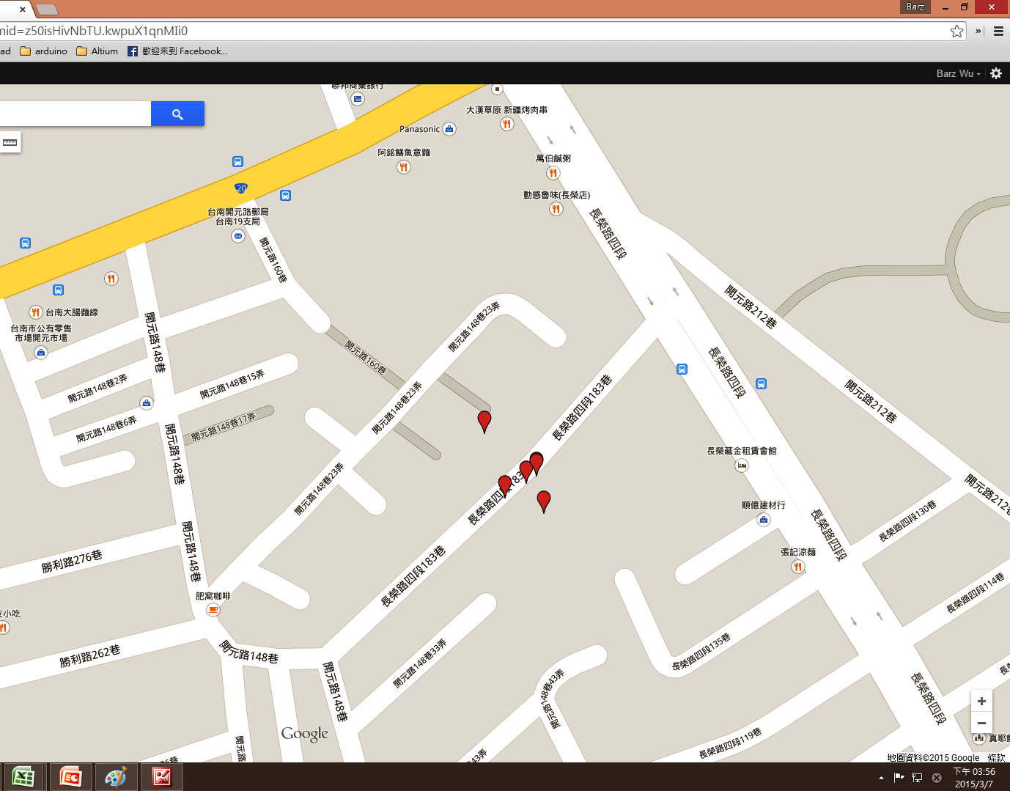
*ID* | System Record Time | location | voltage | temperature | height | precision | shake | sync | Server RxTime |  | period | d
1 | 2015/02/28, 18:03:30 | ( 22.9763376 , 120.2150784 ) | 3.976 | 0 | 0 | 7.69 | 0 | 1 | Sat Feb 28 18:05:41 GMT+08:00 2015 | 2/28/15
2 | 2015/02/28, 21:53:03 | ( 23.0061536 , 120.2207744 ) | 3.99 | 214 | 0 | 2.91 | 216 | 1 | Sun Mar 01 15:39:32 GMT+08:00 2015 | 2/28/15 | 3.83 | 3.83
3 | 2015/3/1, 1:31:22 | ( 23.0062336 , 120.2208896 ) | 3.99 | 214 | 0 | 1.99 | 0 | 1 | Sun Mar 01 15:39:28 GMT+08:00 2015 | 3/1/15 | 0.15 | 7.46
4 | 2015/3/1, 5:02:27 | ( 23.0061024 , 120.2209152 ) | 3.99 | 214 | 0 | 2.76 | 0 | 1 | Sun Mar 01 15:39:23 GMT+08:00 2015 | 3/1/15 | 0.15 | 10.98
5 | 2015/03/01, 8:28:03 | ( 23.0062032 , 120.2208512 ) | 3.99 | 214 | 0 | 6.09 | 1 | 1 | Sun Mar 01 15:39:19 GMT+08:00 2015 | 3/1/15 | 0.14 | 14.41
6 | 2015/03/01, 12:03:22 | ( 23.0063712 , 120.2206976 ) | 4.018 | 214 | 0 | 4.41 | 0 | 1 | Sun Mar 01 15:39:14 GMT+08:00 2015 | 3/1/15 | 0.15 | 18.00
7 | 2015/03/01, 15:37:22 | ( 23.0062288 , 120.2208896 ) | 4.018 | 214 | 0 | 5.18 | 0 | 1 | Sun Mar 01 15:39:10 GMT+08:00 2015 | 3/1/15 | 0.15 | 21.56
 |  |  |  |  |  |  |  |  |  |  |  | .

0965017190
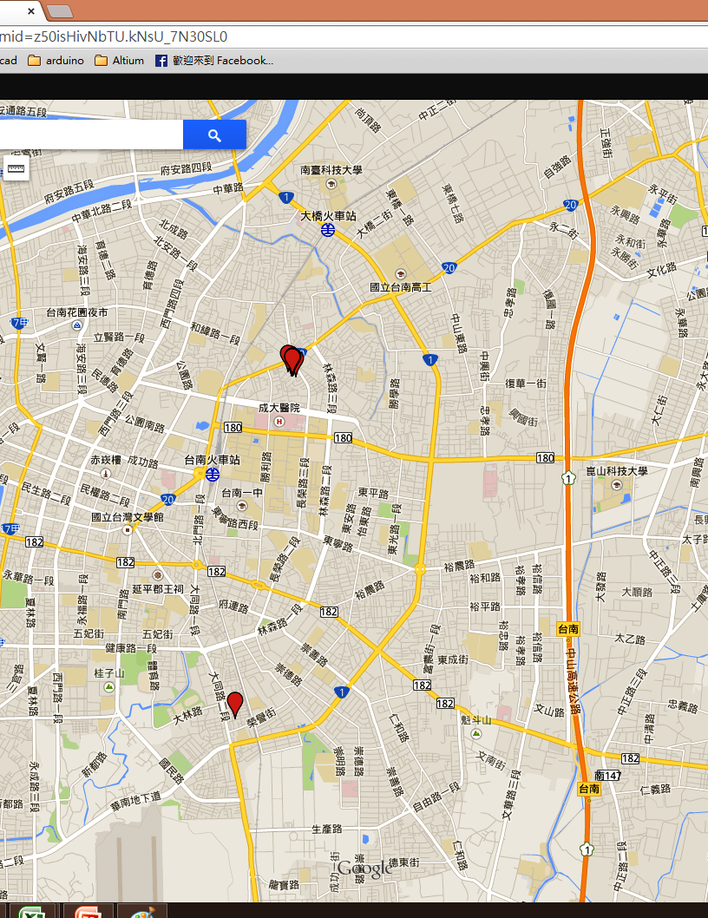
*ID* | System Record Time | location | voltage | temperature | height | precision | shake | sync | Server RxTime | System Record Time | NO. | period | d
1 | 2015/02/28, 17:47:22 | ( 22.9749248 , 120.2152576 ) | 4.033 | 0 | 0 | 2.96 | 0 | 1 | Sat Feb 28 17:49:09 GMT+08:00 2015 | 2/28/15 | 1
2 | 2015/02/28, 21:52:22 | ( 23.0061504 , 120.2208128 ) | 4.047 | 214 | 0 | 2.91 | 0 | 1 | Sun Mar 01 17:59:02 GMT+08:00 2015 | 2/28/15 | 2 | 4.08 | 4.08
3 | 2015/3/1, 1:45:28 | ( 23.0061632 , 120.220864 ) | 4.047 | 214 | 0 | 2.19 | 43 | 1 | Sun Mar 01 17:58:57 GMT+08:00 2015 | 3/1/15 | 1 | 3.88 | 7.97
4 | 2015/3/1, 5:46:03 | ( 23.006184 , 120.2208512 ) | 4.047 | 214 | 0 | 3.95 | 0 | 1 | Sun Mar 01 17:58:53 GMT+08:00 2015 | 3/1/15 | 2 | 4.01 | 11.98
4 | 2015/3/1, 5:46:03 | ( 23.006184 , 120.2208512 ) | 4.047 | 214 | 0 | 3.95 | 0 | 1 | Sun Mar 01 17:58:53 GMT+08:00 2015 | 3/1/15 | 3 | 0.00 | 11.98
5 | 2015/03/01, 9:45:04 | ( 23.0061424 , 120.2208768 ) | 4.062 | 214 | 0 | 4.06 | 0 | 1 | Sun Mar 01 17:58:48 GMT+08:00 2015 | 3/1/15 | 4 | 3.98 | 15.96
6 | 2015/03/01, 13:58:46 | ( 23.0060656 , 120.2212352 ) | 4.688 | 214 | 0 | 3.87 | 0 | 1 | Sun Mar 01 17:58:44 GMT+08:00 2015 | 3/1/15 | 5 | 4.23 | 20.19
7 | 2015/03/01, 17:56:03 | ( 23.0064704 , 120.2207616 ) | 4.311 | 214 | NA | 2.34 | 0 | 1 | Sun Mar 01 17:58:40 GMT+08:00 2015 | 3/1/15 | 6 | 3.95 | 24.14
26 | 2015/03/04, 12:42:22 | ( 23.0062816 , 120.2208768 ) | 4.361 | 214 | 0 | 2.31 | 0 | 1 | Thu Mar 05 05:26:32 GMT+08:00 2015 | 3/4/15 | 1 | 66.77 | 90.92
27 | 2015/03/04, 16:02:40 | ( 23.0063408 , 120.2208512 ) | 4.328 | 214 | 0 | 3.44 | 0 | 1 | Thu Mar 05 05:26:27 GMT+08:00 2015 | 3/4/15 | 2 | 3.34 | 94.26
28 | 2015/03/04, 19:21:22 | ( 23.0062128 , 120.2209024 ) | 4.311 | 214 | 0 | 3.21 | 0 | 1 | Thu Mar 05 05:26:23 GMT+08:00 2015 | 3/4/15 | 3 | 3.31 | 97.57
29 | 2015/03/04, 22:42:04 | ( 23.0061152 , 120.220928 ) | 4.23 | 214 | 510 | 3.94 | 0 | 1 | Thu Mar 05 05:26:19 GMT+08:00 2015 | 3/4/15 | 4 | 3.34 | 100.91
30 | 2015/03/5, 2:03:03 | ( 23.0061792 , 120.2209536 ) | 4.183 | 214 | 8160 | 3.33 | 0 | 1 | Thu Mar 05 05:26:14 GMT+08:00 2015 | 3/5/15 | 1 | 3.35 | 104.26
31 | 2015/03/5, 5:24:06 | ( 23.006136 , 120.2208896 ) | 4.152 | 214 | 0 | 3.54 | 0 | 1 | Thu Mar 05 05:26:10 GMT+08:00 2015 | 3/5/15 | 2 | 3.35 | 107.61
32 | 2015/03/05, 8:45:04 | ( 23.006128 , 120.220928 ) | 4.167 | 214 | 0 | 3.28 | 0 | 1 | Fri Mar 06 01:40:53 GMT+08:00 2015 | 3/5/15 | 3 | 3.35 | 110.96
33 | 2015/03/05, 12:08:31 | ( 23.006536 , 120.2204288 ) | 4.328 | 214 | 0 | 6.7 | 0 | 1 | Fri Mar 06 01:40:49 GMT+08:00 2015 | 3/5/15 | 4 | 3.39 | 114.35
34 | 2015/03/05, 15:31:42 | ( 23.006256 , 120.2209408 ) | 4.43 | 214 | 0 | 3.83 | 0 | 1 | Fri Mar 06 01:40:44 GMT+08:00 2015 | 3/5/15 | 5 | 3.39 | 117.74
35 | 2015/03/05, 18:55:22 | ( 23.0062288 , 120.2208896 ) | 4.311 | 214 | 0 | 2.92 | 0 | 1 | Fri Mar 06 01:40:40 GMT+08:00 2015 | 3/5/15 | 6 | 3.39 | 121.13
36 | 2015/03/05, 22:15:47 | ( 23.0062256 , 120.2208768 ) | 4.23 | 214 | 0 | 3.41 | 0 | 1 | Fri Mar 06 01:40:36 GMT+08:00 2015 | 3/5/15 | 7 | 3.34 | 124.47
37 | 2015/03/6, 1:38:22 | ( 23.00616 , 120.2209152 ) | 4.183 | 214 | 0 | 2.37 | 0 | 1 | Fri Mar 06 01:40:31 GMT+08:00 2015 | 3/6/15 | 1 | 3.38 | 127.85
42 | NA, NA | ( NA , NA ) | 0 | 214 | NA | 0 | 0 | 0 | Fri Mar 06 21:56:53 GMT+08:00 2015 | NA, NA | 2 | #VALUE! | #VALUE!
43 | 2015/03/06, 22:27:52 | ( NA , NA ) | 4.183 | 214 | NA | 0 | 24 | 0 | Fri Mar 06 21:56:22 GMT+08:00 2015 | 3/6/15 | 3 | #VALUE! | #VALUE!
0 | NA, NA | ( NA , NA ) | 0 | 214 | NA | 0 | 0 | 0 | Fri Mar 06 21:58:12 GMT+08:00 2015 | NA, NA | 4 | #VALUE! | #VALUE!
0 | NA, NA | ( NA , NA ) | 0 | 214 | NA | 0 | 0 | 0 | Fri Mar 06 21:59:31 GMT+08:00 2015 | NA, NA |  | #VALUE! | #VALUE!
0 | NA, NA | ( NA , NA ) | 0 | 214 | NA | 0 | 0 | 0 | Fri Mar 06 22:00:51 GMT+08:00 2015 | NA, NA |  | #VALUE! | #VALUE!
0 | NA, NA | ( NA , NA ) | 0 | 214 | NA | 0 | 0 | 0 | Fri Mar 06 22:02:10 GMT+08:00 2015 | NA, NA |  | #VALUE! | #VALUE!

0965263130
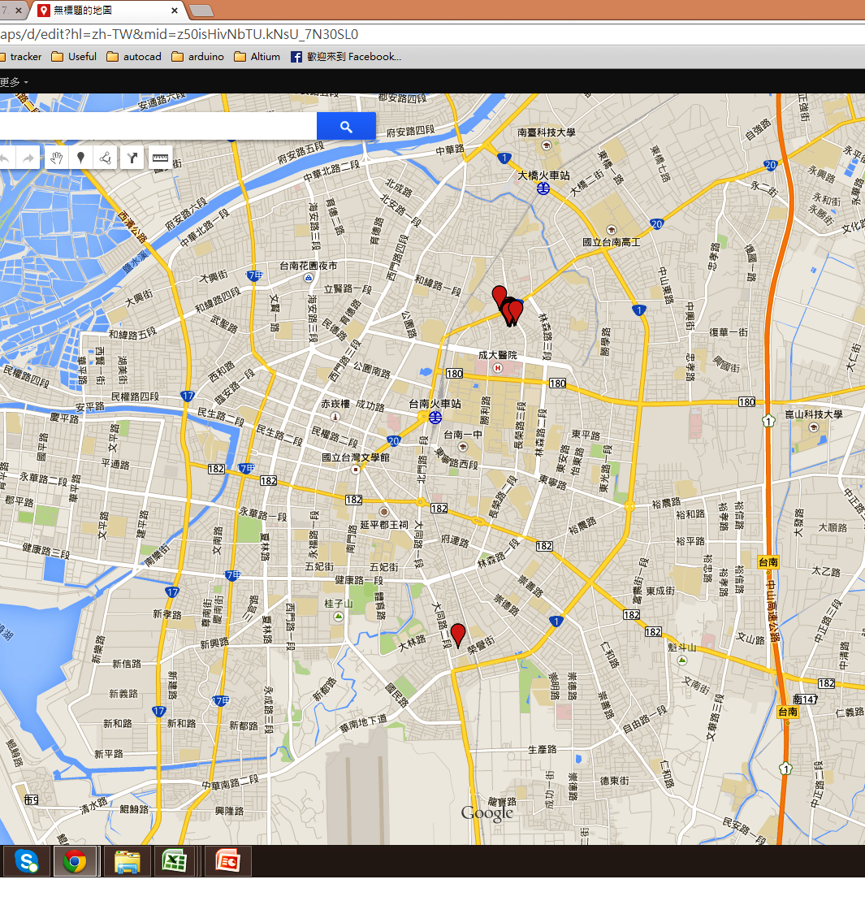
*ID* | System Record Time | location | voltage | temperature | height | precision | shake | sync | Server RxTime |  | NO. | period | d
1 | 2015/02/28, 20:35:23 | ( 22.9746464 , 120.2153856 ) | 3.99 | 0 | 0 | 7.09 | 0 | 1 | Sat Feb 28 20:37:10 GMT+08:00 2015 | 2/28/15 | 1
2 | 2015/3/1, 0:31:22 | ( 23.0061968 , 120.2208768 ) | 4.004 | 214 | 0 | 3.19 | 367 | 1 | Sun Mar 01 19:26:31 GMT+08:00 2015 | 3/1/15 | 1 | 3.93 | 0.16
3 | 2015/3/1, 4:18:22 | ( 23.0061664 , 120.2209152 ) | 4.004 | 214 | 0 | 5.33 | 0 | 1 | Sun Mar 01 19:26:27 GMT+08:00 2015 | 3/1/15 | 1 | 3.78 | 0.16
4 | 2015/03/29, 8:16:28 | ( NA , NA ) | 4.004 | 214 | NA | 0 | 2 | 0 | Sun Mar 01 19:26:22 GMT+08:00 2015 | 3/29/15 | 1 | 675.97 | 28.49
5 | 2015/03/29, 12:16:27 | ( NA , NA ) | 4.004 | 214 | NA | 0 | 4 | 0 | Sun Mar 01 19:26:18 GMT+08:00 2015 | 3/29/15 | 2 | 4.00 | 28.65
6 | 2015/03/01, 15:33:04 | ( 23.0064432 , 120.2208768 ) | 4.483 | 214 | 0 | 6.18 | 10 | 1 | Sun Mar 01 19:25:43 GMT+08:00 2015 | 3/1/15 | 1 | -668.72 | 0.79
6 | 2015/03/01, 15:33:04 | ( 23.0064432 , 120.2208768 ) | 4.483 | 214 | 0 | 6.18 | 10 | 1 | Sun Mar 01 19:26:13 GMT+08:00 2015 | 3/1/15 | 2 | 0.00 | 0.79
7 | 2015/03/01, 19:24:03 | ( 23.0062128 , 120.2209024 ) | 4.183 | 214 | 0 | 2.83 | 0 | 1 | Sun Mar 01 19:25:39 GMT+08:00 2015 | 3/1/15 | 3 | 3.85 | 0.95
26 | 2015/03/04, 11:40:46 | ( 23.006336 , 120.2207872 ) | 4.344 | 214 | 0 | 3.7 | 0 | 1 | Thu Mar 05 03:54:55 GMT+08:00 2015 | 3/4/15 | 1 | 64.28 | 3.63
27 | 2015/03/04, 14:57:42 | ( 23.006248 , 120.220864 ) | 4.198 | 214 | 0 | 1.89 | 0 | 1 | Thu Mar 05 03:54:51 GMT+08:00 2015 | 3/4/15 | 2 | 3.28 | 3.77
28 | 2015/03/04, 18:11:23 | ( 23.0060672 , 120.2206336 ) | 4.183 | 214 | 0 | 5.65 | 0 | 1 | Thu Mar 05 03:54:47 GMT+08:00 2015 | 3/4/15 | 3 | 3.23 | 3.90
29 | 2015/03/04, 21:24:40 | ( 23.006272 , 120.220864 ) | 4.106 | 214 | 0 | 2.98 | 0 | 1 | Thu Mar 05 03:54:42 GMT+08:00 2015 | 3/4/15 | 4 | 3.22 | 4.03
30 | 2015/03/5, 0:38:29 | ( 23.0064032 , 120.2206208 ) | 4.077 | 214 | NA | 7.02 | 0 | 1 | Thu Mar 05 03:54:38 GMT+08:00 2015 | 3/5/15 | 1 | 3.23 | 4.17
31 | 2015/03/5, 3:52:47 | ( 23.0062496 , 120.2208512 ) | 4.062 | 214 | 0 | 4.75 | 0 | 1 | Thu Mar 05 03:54:33 GMT+08:00 2015 | 3/5/15 | 2 | 3.24 | 4.30
32 | 2015/03/5, 7:07:27 | ( 23.0061984 , 120.2208256 ) | 4.047 | 214 | 0 | 3.08 | 0 | 1 | Thu Mar 05 23:22:54 GMT+08:00 2015 | 3/5/15 | 3 | 3.24 | 4.44
33 | 2015/03/05, 10:22:03 | ( 23.006064 , 120.2209536 ) | 4.183 | 214 | 0 | 2.42 | 0 | 1 | Thu Mar 05 23:22:50 GMT+08:00 2015 | 3/5/15 | 4 | 3.24 | 4.57
34 | 2015/03/05, 13:38:21 | ( 23.0060672 , 120.221312 ) | 4.537 | 214 | 0 | 4.06 | 0 | 1 | Thu Mar 05 23:22:46 GMT+08:00 2015 | 3/5/15 | 5 | 3.27 | 4.71
35 | 2015/03/05, 16:56:08 | ( 23.0075248 , 120.2197504 ) | 4.183 | 214 | NA | 15.2 | 0 | 1 | Thu Mar 05 23:22:41 GMT+08:00 2015 | 3/5/15 | 6 | 3.30 | 4.85
36 | 2015/03/05, 20:07:03 | ( 23.0062224 , 120.220928 ) | 4.092 | 214 | 0 | 3.02 | 0 | 1 | Thu Mar 05 23:22:36 GMT+08:00 2015 | 3/5/15 | 7 | 3.18 | 4.98
37 | 2015/03/05, 23:20:42 | ( 23.0060944 , 120.2208256 ) | 4.077 | 214 | 0 | 11.77 | 0 | 1 | Thu Mar 05 23:22:32 GMT+08:00 2015 | 3/5/15 | 8 | 3.23 | 5.11
38 | 2015/03/6, 2:34:03 | ( 23.0061936 , 120.2208384 ) | 4.047 | 214 | 0 | 2.02 | 0 | 1 | Fri Mar 06 18:51:00 GMT+08:00 2015 | 3/6/15 | 1 | 3.22 | 5.25
39 | 2015/03/6, 5:48:27 | ( 23.0060864 , 120.2209152 ) | 4.047 | 214 | 0 | 6.04 | 0 | 1 | Fri Mar 06 18:50:56 GMT+08:00 2015 | 3/6/15 | 2 | 3.24 | 5.38
40 | 2015/03/06, 9:02:22 | ( 23.0060448 , 120.2208256 ) | 4.092 | 214 | 0 | 3.33 | 0 | 1 | Fri Mar 06 18:50:51 GMT+08:00 2015 | 3/6/15 | 3 | 3.23 | 5.52
41 | 2015/03/06, 12:17:27 | ( 23.0059408 , 120.2209024 ) | 4.152 | 214 | 0 | 3.36 | 0 | 1 | Fri Mar 06 18:50:47 GMT+08:00 2015 | 3/6/15 | 4 | 3.25 | 5.65
42 | 2015/03/06, 15:34:22 | ( 23.0059392 , 120.2207744 ) | 4.344 | 214 | 0 | 3.01 | 0 | 1 | Fri Mar 06 18:50:43 GMT+08:00 2015 | 3/6/15 | 5 | 3.28 | 5.79
43 | 2015/03/06, 18:48:25 | ( 23.006136 , 120.2214912 ) | 4.183 | 214 | 0 | 7.29 | 0 | 1 | Fri Mar 06 18:50:38 GMT+08:00 2015 | 3/6/15 | 6 | 3.23 | 5.93

