Equity Report
OBEROI REALTY LTD - EQUITY VALUATION REPORT

Executive Summary
Metric | Value
Current Market Price | 1884.8
DCF Intrinsic Value | 1024.14
DDM Intrinsic Value | 77.43
P/E Ratio | 26.07
P/B Ratio | 3.82
ROE | 13.99%
Overall Recommendation | BUY

Price Prediction
Period | Predicted Price
Current | 1884.8000488
1 Month | 1973.3194731
2 Months | 2003.0609866
3 Months | 2032.8025001

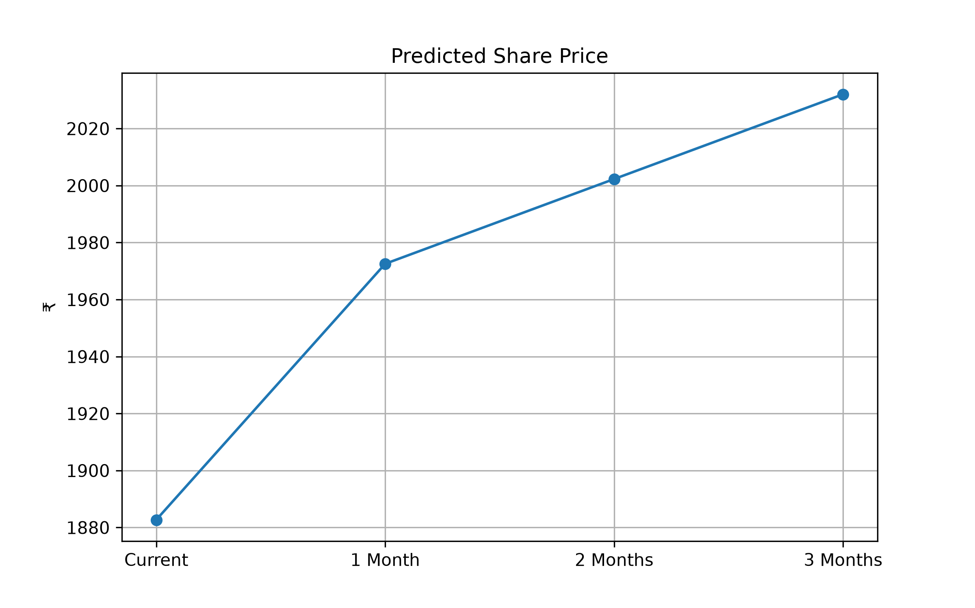

Valuation Comparison - Majority View
Method | Actual | Benchmark | Signal | Reason
DCF | 1024.14 | 1884.8 | SELL | Intrinsic Value vs Market Price
DDM | 77.43 | 1884.8 | SELL | Dividend Discount Model
P/E | 26.07 | 35.0 | BUY | Compared with Sector Average
P/B | 3.82 | 5.0 | BUY | Compared with Sector Average
P/S | 11.4 | 12.0 | HOLD | Compared with Sector Average
CAPM | 8.8 | 10% - 15% | BUY | Cost of Equity
Technical | 59.85 | RSI (30 / 70) | HOLD | Latest RSI Signal

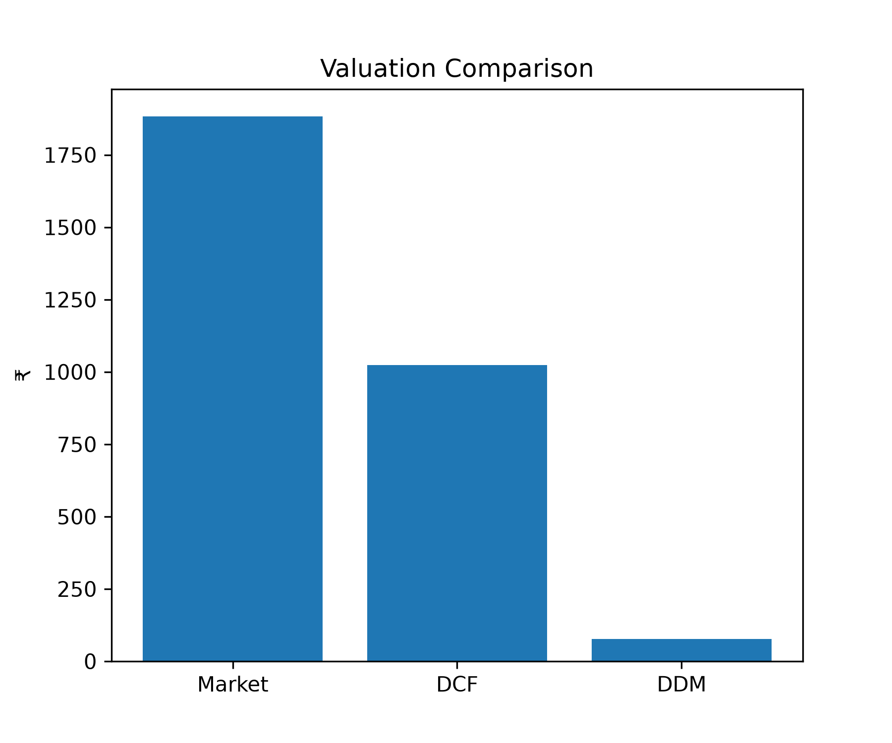

Majority Vote Recommendation
BUY Signals | 3
HOLD Signals | 2
SELL Signals | 2
Overall Recommendation | BUY

The majority of valuation methods indicate that Oberoi Realty is undervalued. The overall recommendation is BUY.

