Insights
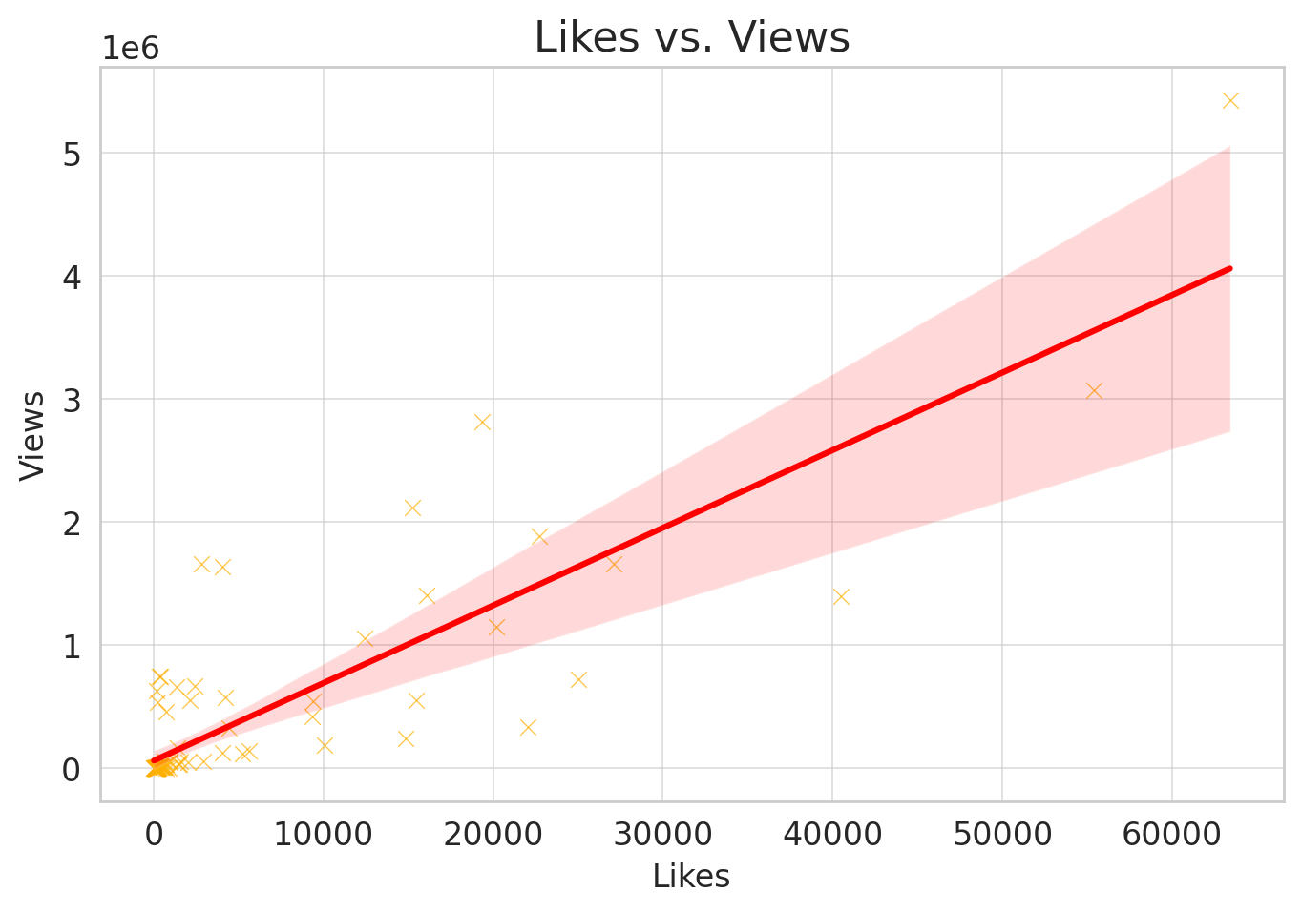
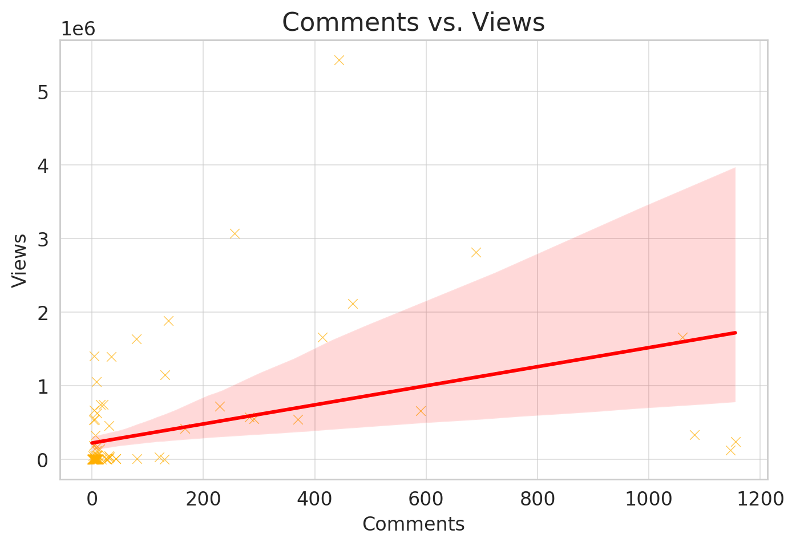
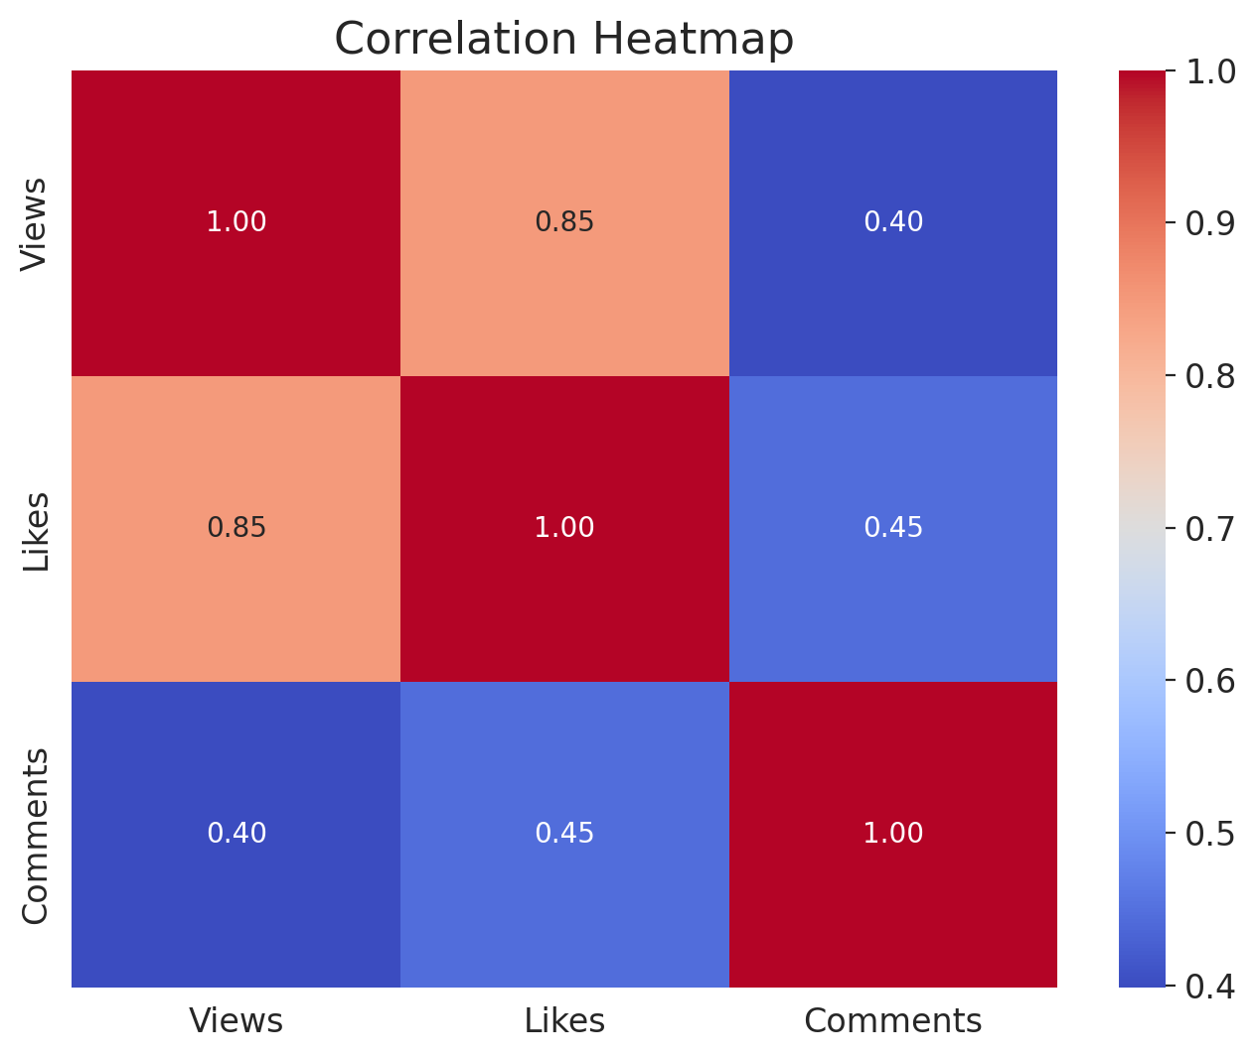
Regression Analysis Results: | Key Insights:

R-squared: 0.722 → The model explains 72.2% of the variance in views. | Likes strongly correlate with views: The scatter plot and regression line indicate that more likes generally lead to higher views.
Likes (p < 0.001, coef = 62.24): Strong positive correlation with views. | Comments have a weak correlation with views: The plot shows no strong trend, and the regression analysis confirms that comments do not significantly impact viewership.
Comments (p = 0.675, coef = 81.74): Weak and statistically insignificant impact on views. | Heatmap findings: Likes and views show a high positive correlation, reinforcing the regression results.

Conclusion: Likes significantly predict views, while comments do not. Next, I'll create visualizations to further explore patterns. ​

