Responsive Sheet
Responsive Testing Login Functionality Site: http://automationpractice.pl Date: 24/07/24 Prepared By: Piyush Dabhi

Functionality ID | Functionality Name | Screen Resolution | Screen Shot | Status
Login: Web Based Responsive Testing
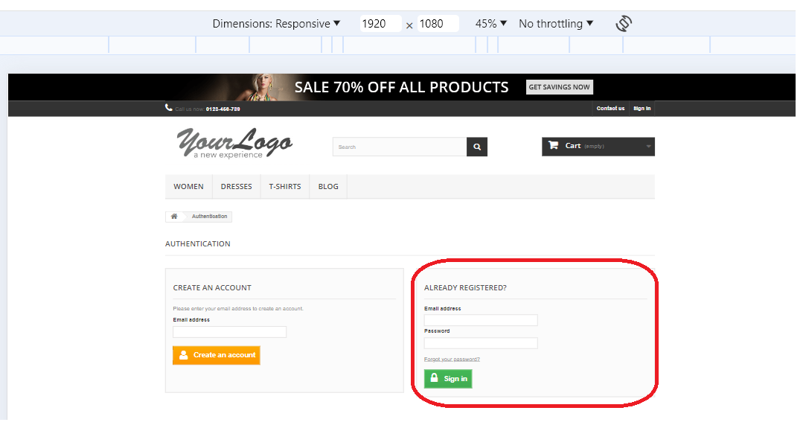
 |  |  |  | PASS
1 | Verify to check the Login page whether the screen is user friendly or not | 1920*1080

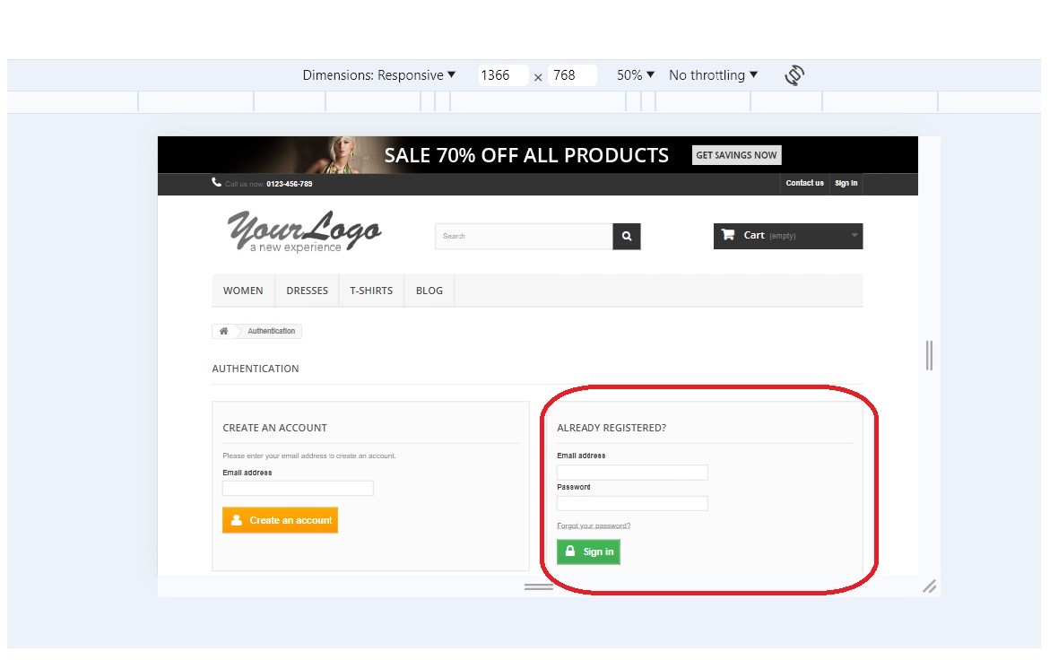
2 | Verify to check the Login page whether the screen is user friendly or not | 1366×768
 |  |  |  | PASS

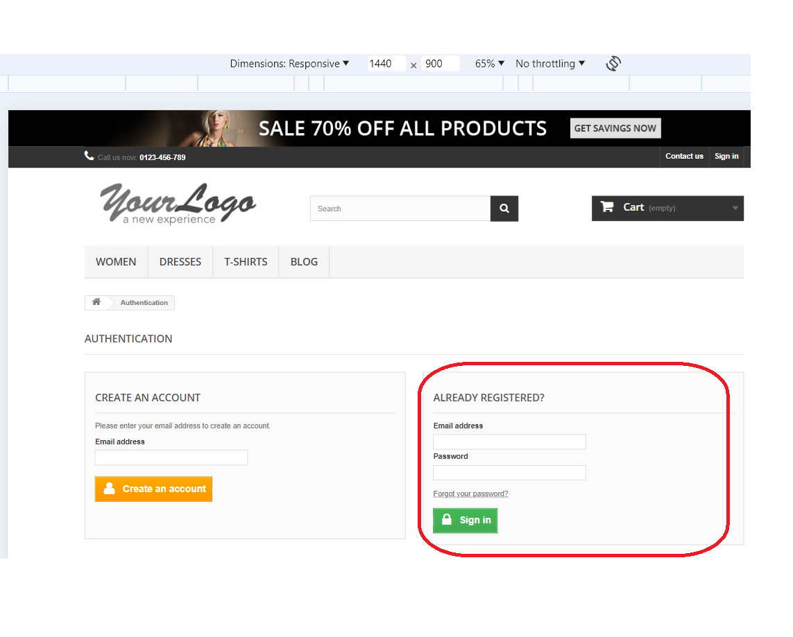
3 | Verify to check the Login page whether the screen is user friendly or not | 1440×900 |  | PASS

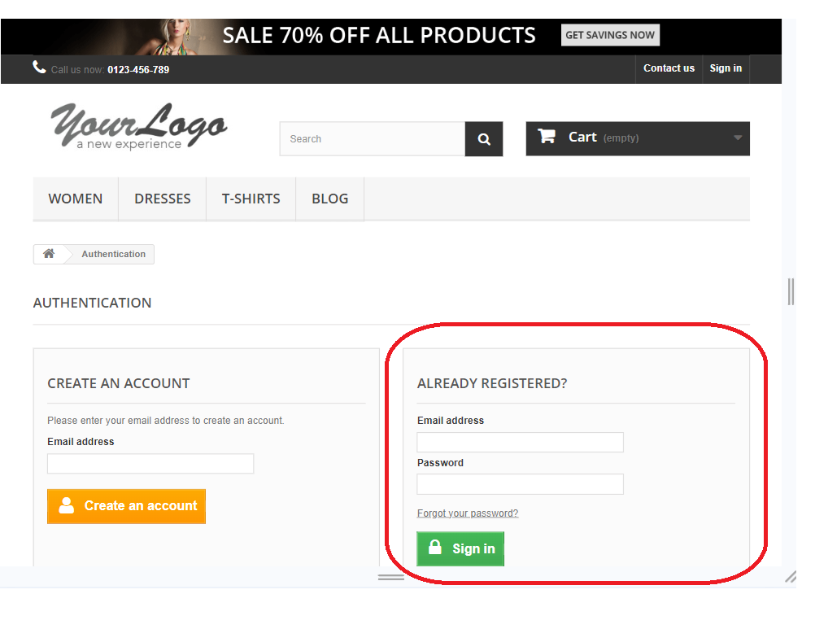
 |  |  |  | PASS
4 | Verify to check the Login page whether the screen is user friendly or not | 1280×720

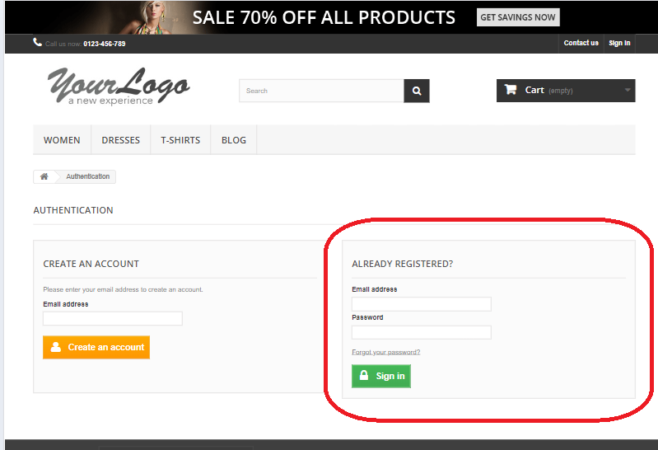
5 | Verify to check the Login page whether the screen is user friendly or not | 1280×1024 |  | PASS

Login: Mobile Based Responsive Testing

 |  |  |  | PASS
1 | Verify to check the Login page whether the screen is user friendly or not | 360×800 | 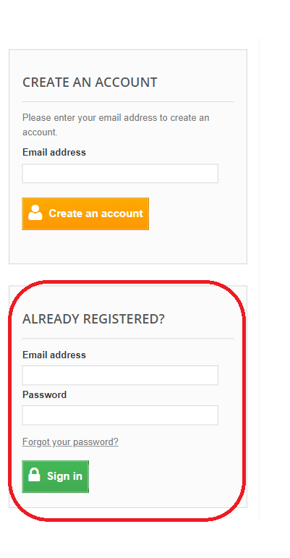

 |  |  | 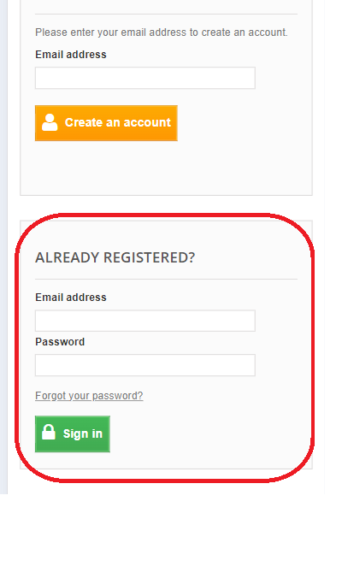
2 | Verify to check the Login page whether the screen is user friendly or not | 390×844 |  | PASS

3 | Verify to check the Login page whether the screen is user friendly or not | 414×896 | 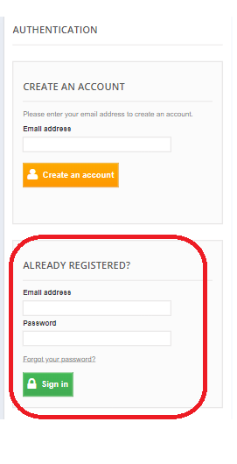 | PASS

4 | Verify to check the Login page whether the screen is user friendly or not | 393×873 | 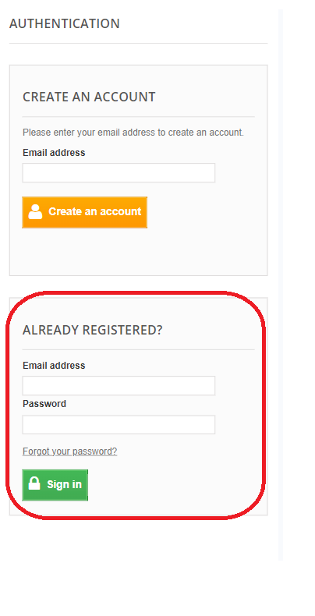 | PASS

5 | Verify to check the Login page whether the screen is user friendly or not | 412×915 | 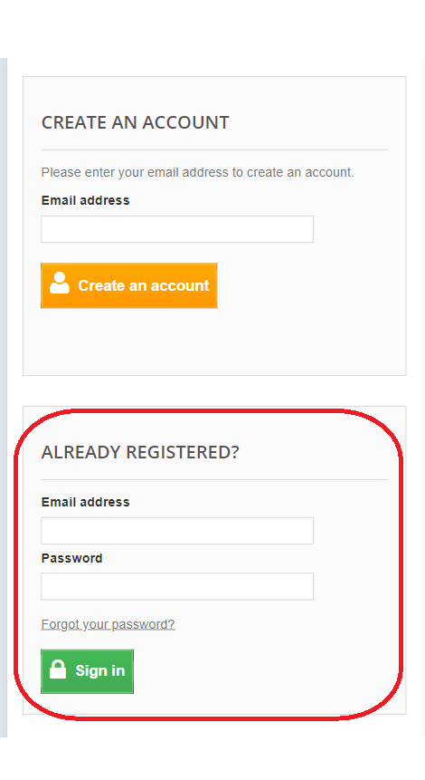 | PASS

Add to Cart: Web Based Responsive Testing

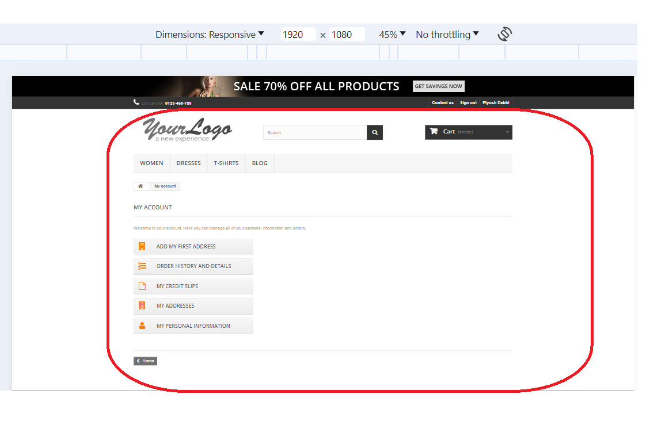
1 | Verify to check the Add to Cart page whether the screen is user friendly or not | 1920×1080 |  | PASS

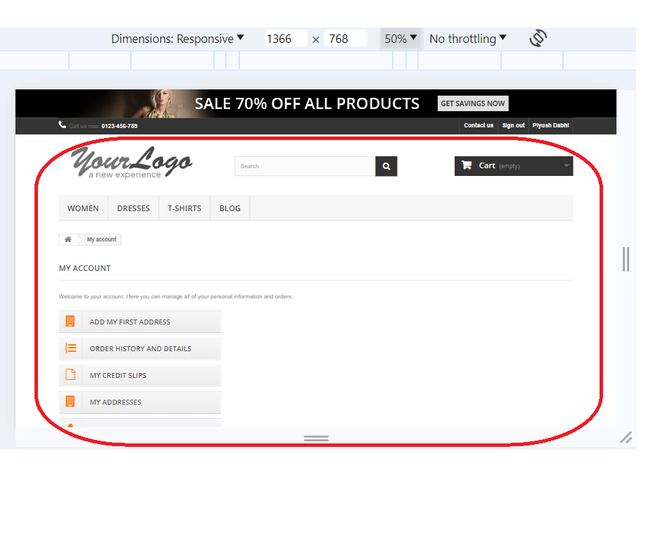

2 | Verify to check the Add to Cart page whether the screen is user friendly or not | 1366×768 |  | PASS

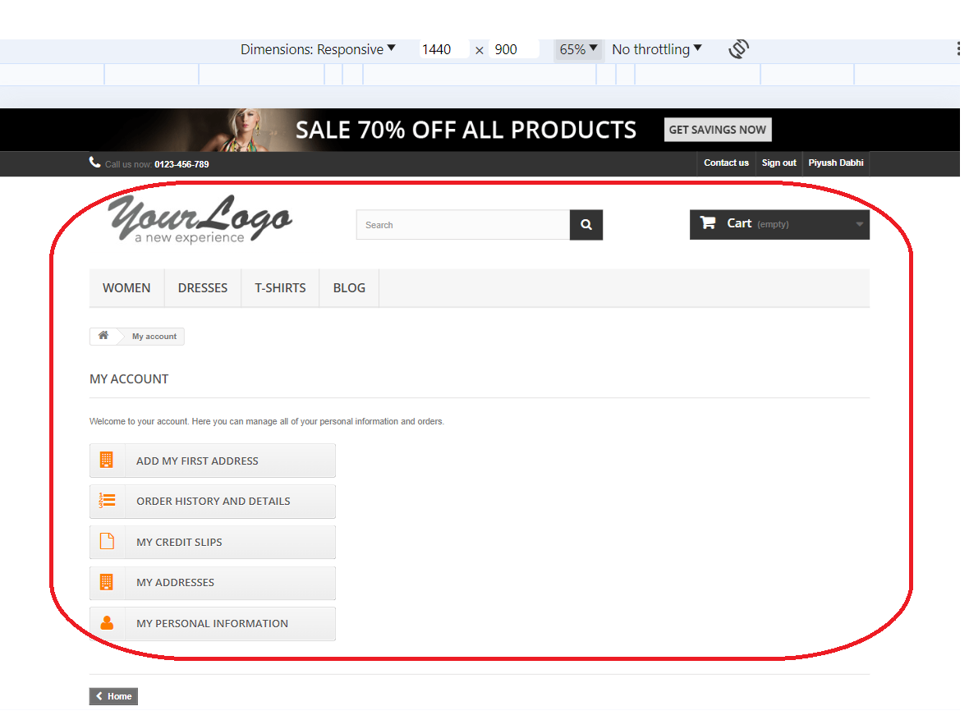
3 | Verify to check the Add to Cart page whether the screen is user friendly or not | 1440×900 |  | PASS

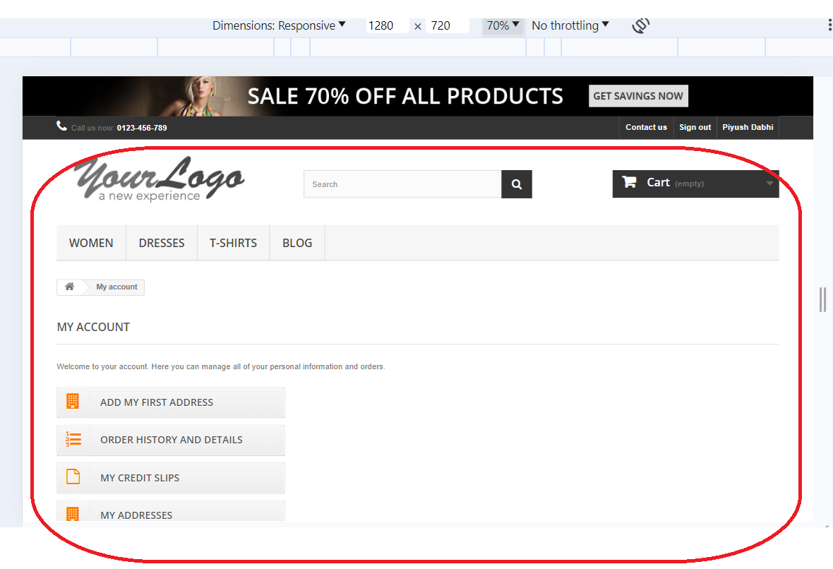
4 | Verify to check the Add to Cart page whether the screen is user friendly or not | 1280×720 |  | PASS

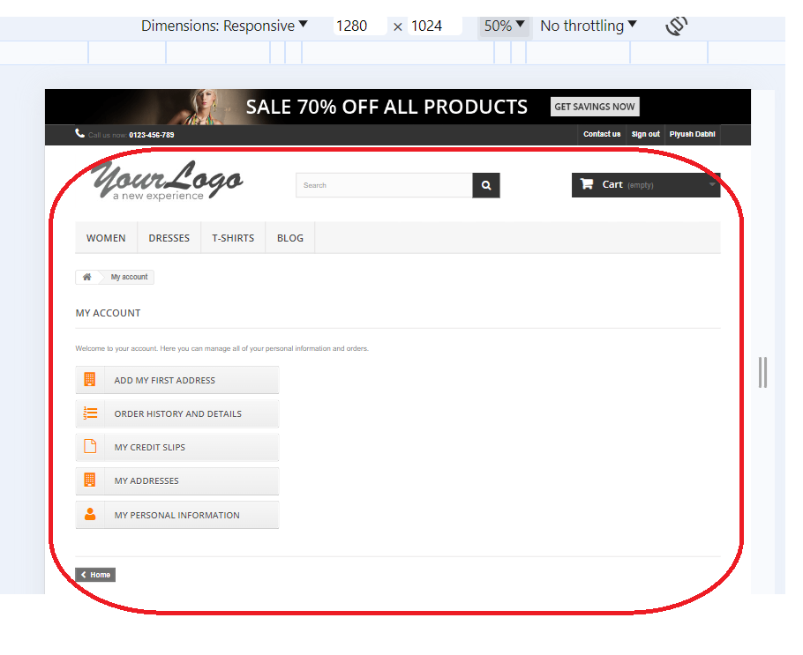

5 | Verify to check the Add to Cart page whether the screen is user friendly or not | 1280×1024 |  | PASS

Add to Cart: Mobile Based Responsive Testing

1 | Verify to check the Add to Cart page whether the screen is user friendly or not | 360×800 | 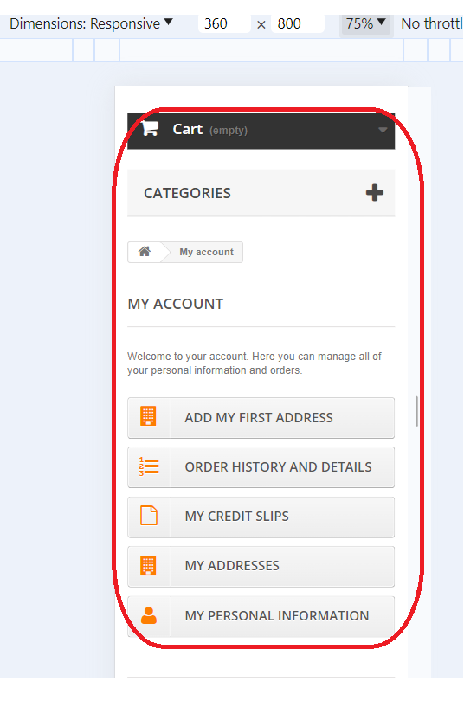 | PASS

2 | Verify to check the Add to Cart page whether the screen is user friendly or not | 390×844 | 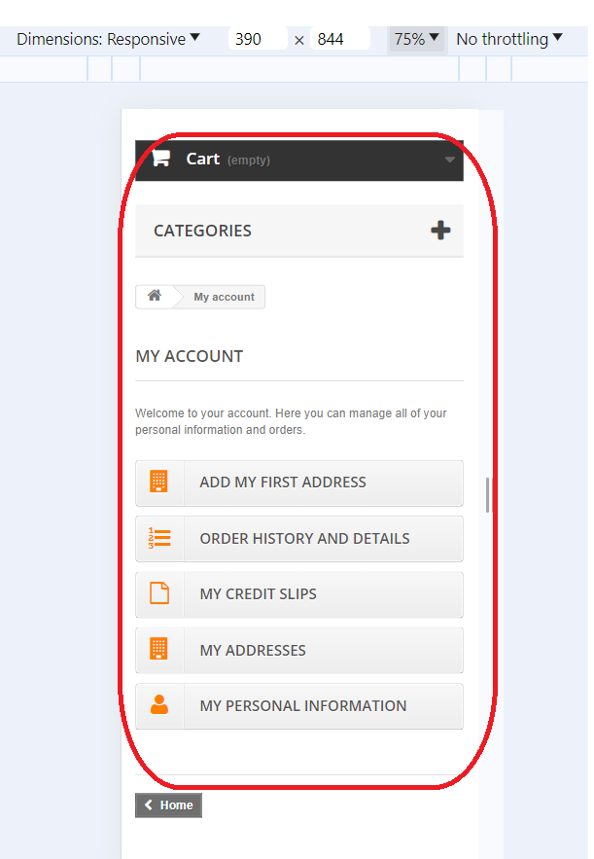 | PASS

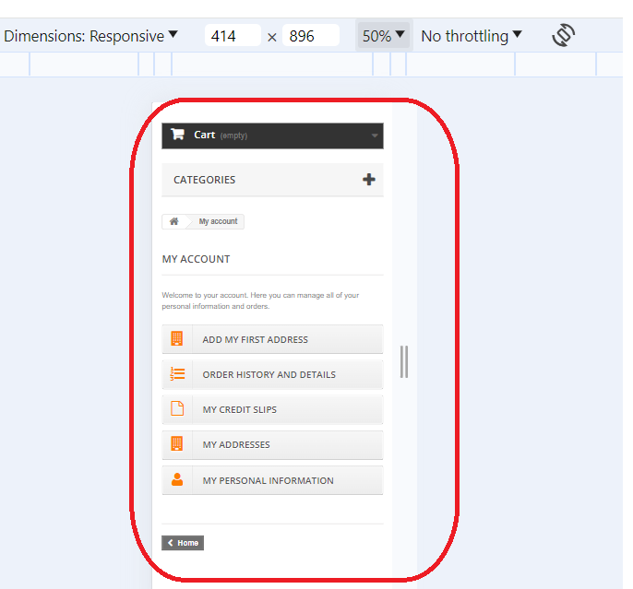
3 | Verify to check the Add to Cart page whether the screen is user friendly or not | 414×896 |  | PASS

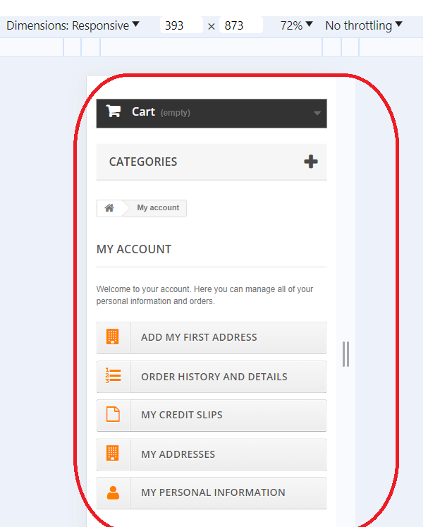
4 | Verify to check the Add to Cart page whether the screen is user friendly or not | 393×873 |  | PASS

5 | Verify to check the Add to Cart page whether the screen is user friendly or not | 412×915 | 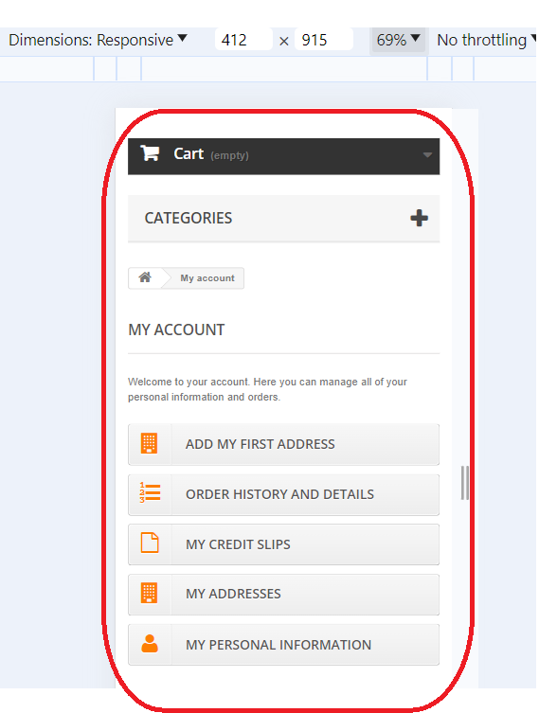 | PASS

