Charts for dash
Row Labels | Count of Against
Afganistan | 1
Australia | 15
CENTURIES IN SENA (Yes:1)
Bangladesh | 5
England | 8
New Zealand | 8 | Row Labels | Count of score_range
Pakistan | 2 | 100 to 150 | 57 |  |  |  |  |  |  |  |  | Row Labels | Count of Score
SCORE RANGE
South Africa | 7 | 150 to 200 | 8 |  | Count of Score | Column Labels |  |  |  |  |  | 2009 | 1
Sri Lanka | 13 | 200+ | 6 |  | Row Labels | Away | Home | Grand Total |  |  |  | 2010 | 3
West Indies | 11 | Grand Total | 71 |  | ODI | 24 | 19 | 43 |  |  |  | 2011 | 4
Zimbabwe | 1 |  |  |  | T20I | 1 |  | 1 |  |  |  | 2012 | 8
Grand Total | 71 |  |  |  | Test | 14 | 13 | 27 |  |  |  | 2013 | 6
 |  |  |  |  | Grand Total | 39 | 32 | 71 |  |  |  | 2014 | 8
 |  |  |  |  |  |  |  |  |  |  |  | 2015 | 4
 |  |  |  |  |  |  |  |  |  |  |  | 2016 | 7
 |  |  |  |  |  |  |  | Column Labels |  |  |  | 2017 | 11
 |  |  |  |  |  |  |  | 0 | 1 | Grand Total |  | 2018 | 11
 |  |  | Row Labels | Sum of Score |  |  | Count of Score | 52 | 19 | 71 |  | 2019 | 7
 |  |  | No | 4138 |  |  |  |  |  |  |  | 2022 | 1
Centuries against each opponent
Year-wise centuries
 |  |  | Yes | 5244 |  |  |  |  |  |  |  | Grand Total | 71
 | Away | Home
ODI | 24 | 19
T20I | 1
Test | 14 | 13
 |  |  | Grand Total | 9382

Match results
 |  |  |  |  |  |  |  |  |  | Row Labels | Sum of Score
 |  |  |  |  |  |  |  |  |  | Drawn | 990
 |  |  |  |  |  |  |  |  |  | Lost | 1597
 |  |  |  |  |  |  |  |  |  | Lost (D/L) | 107
 |  |  |  |  |  |  |  |  |  | Tied | 157
 |  |  |  |  |  |  |  |  |  | Won | 6429
 |  |  |  |  |  |  |  |  |  | Won (D/L) | 102
 |  |  |  |  |  |  |  |  |  | Grand Total | 9382
Man of match awards in the games (century scored)

DASHBOARD
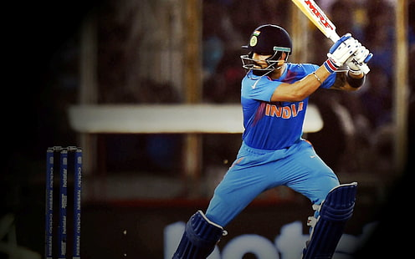
TOTAL CENTUIRES SCORED
Centuries against each opponent
 | Total
Afganistan | 1
Australia | 15
Bangladesh | 5
England | 8
New Zealand | 8
Pakistan | 2
South Africa | 7
Sri Lanka | 13
West Indies | 11
Zimbabwe | 1
Match results
 | Total
Drawn | 990
Lost | 1597
Lost (D/L) | 107
Tied | 157
Won | 6429
Won (D/L) | 102
71
SUMMARY OF VIRAT KOHLI'S CENTURIES

AVG SR. ( IN CENTUIRES SCORED)
114.01954545

SCORE RANGE
 | Total
100 to 150 | 57
150 to 200 | 8
200+ | 6
 | Away | Home
ODI | 24 | 19
T20I | 1
Test | 14 | 13

CENTURIES IN SENA (Yes:1)
 | 0 | 1
Total | 52 | 19
Man of match awards in the games (century scored)
 | Total
No | 4138
Yes | 5244

Year-wise centuries
 | Total
2009 | 1
2010 | 3
2011 | 4
2012 | 8
2013 | 6
2014 | 8
2015 | 4
2016 | 7
2017 | 11
2018 | 11
2019 | 7
2022 | 1

