Charts for dash
Row Labels | Count of Against
Afganistan | 1
Australia | 17
CENTURIES IN SENA (Yes:1)
Bangladesh | 7
England | 8
New Zealand | 10 | Row Labels | Count of score_range
Pakistan | 4 | 100 to 150 | 69 |  |  |  |  |  |  |  |  | Row Labels | Count of Score
SCORE RANGE
South Africa | 10 | 150 to 200 | 10 |  | Count of Score | Column Labels |  |  |  |  |  | 2009 | 1
Sri Lanka | 15 | 200+ | 6 |  | Row Labels | Away | Home | Grand Total |  |  |  | 2010 | 3
West Indies | 12 | Grand Total | 85 |  | ODI | 27 | 27 | 54 |  |  |  | 2011 | 4
Zimbabwe | 1 |  |  |  | T20I | 1 |  | 1 |  |  |  | 2012 | 8
Grand Total | 85 |  |  |  | Test | 16 | 14 | 30 |  |  |  | 2013 | 6
 |  |  |  |  | Grand Total | 44 | 41 | 85 |  |  |  | 2014 | 8
 |  |  |  |  |  |  |  |  |  |  |  | 2015 | 4
 |  |  |  |  |  |  |  |  |  |  |  | 2016 | 7
 |  |  |  |  |  |  |  | Column Labels |  |  |  | 2017 | 11
 |  |  |  |  |  |  |  | IN SENA | IN ASIA | Grand Total |  | 2018 | 11
 |  |  | Row Labels | Sum of Score |  |  | Count of Score | 20 | 65 | 85 |  | 2019 | 7
 |  |  | No | 4547 |  |  |  |  |  |  |  | 2022 | 2
Centuries against each opponent
Year-wise centuries
 |  |  | Yes | 6538 |  |  |  |  |  |  |  | 2023 | 8
 | Away | Home
ODI | 27 | 27
T20I | 1
Test | 16 | 14
 |  |  | Grand Total | 11085 |  |  |  |  |  |  |  | 2024 | 1
 |  |  |  |  |  |  |  |  |  |  |  | 2025 | 3
Match results
 |  |  |  |  |  |  |  |  |  | Row Labels | Sum of Score | 2026 | 1
 |  |  |  |  |  |  |  |  |  | Drawn | 1297 | Grand Total | 85
 |  |  |  |  |  |  |  |  |  | Lost | 1699
 |  |  |  |  |  |  |  |  |  | Lost (D/L) | 107
 |  |  |  |  |  |  |  |  |  | Tied | 157
 |  |  |  |  |  |  |  |  |  | Won | 7723
 |  |  |  |  |  |  |  |  |  | Won (D/L) | 102
 |  |  |  |  |  |  |  |  |  | Grand Total | 11085
Man of match awards in the games (century scored)

DASHBOARD
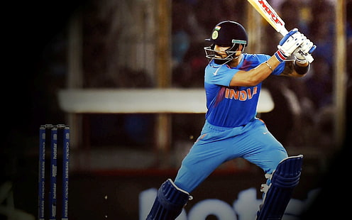
TOTAL CENTUIRES SCORED
Centuries against each opponent
 | Total
Afganistan | 1
Australia | 17
Bangladesh | 7
England | 8
New Zealand | 10
Pakistan | 4
South Africa | 10
Sri Lanka | 15
West Indies | 12
Zimbabwe | 1
Match results
 | Total
Drawn | 1297
Lost | 1699
Lost (D/L) | 107
Tied | 157
Won | 7723
Won (D/L) | 102
85
SUMMARY OF VIRAT KOHLI'S CENTURIES

AVG SR. ( IN CENTUIRES SCORED)
92.848352941

CENTURIES IN SENA
 | IN SENA | IN ASIA
Total | 20 | 65
SCORE RANGE
 | Total
100 to 150 | 69
150 to 200 | 10
200+ | 6
 | Away | Home
ODI | 27 | 27
T20I | 1
Test | 16 | 14

Man of match awards in the games (century scored)
 | Total
No | 4547
Yes | 6538
Year-wise centuries
 | Total
2009 | 1
2010 | 3
2011 | 4
2012 | 8
2013 | 6
2014 | 8
2015 | 4
2016 | 7
2017 | 11
2018 | 11
2019 | 7
2022 | 2
2023 | 8
2024 | 1
2025 | 3
2026 | 1

