Sheet6
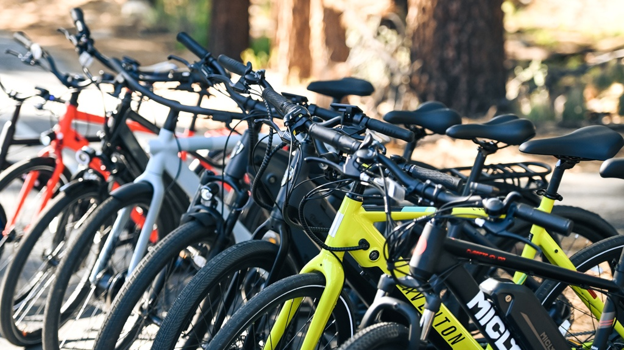
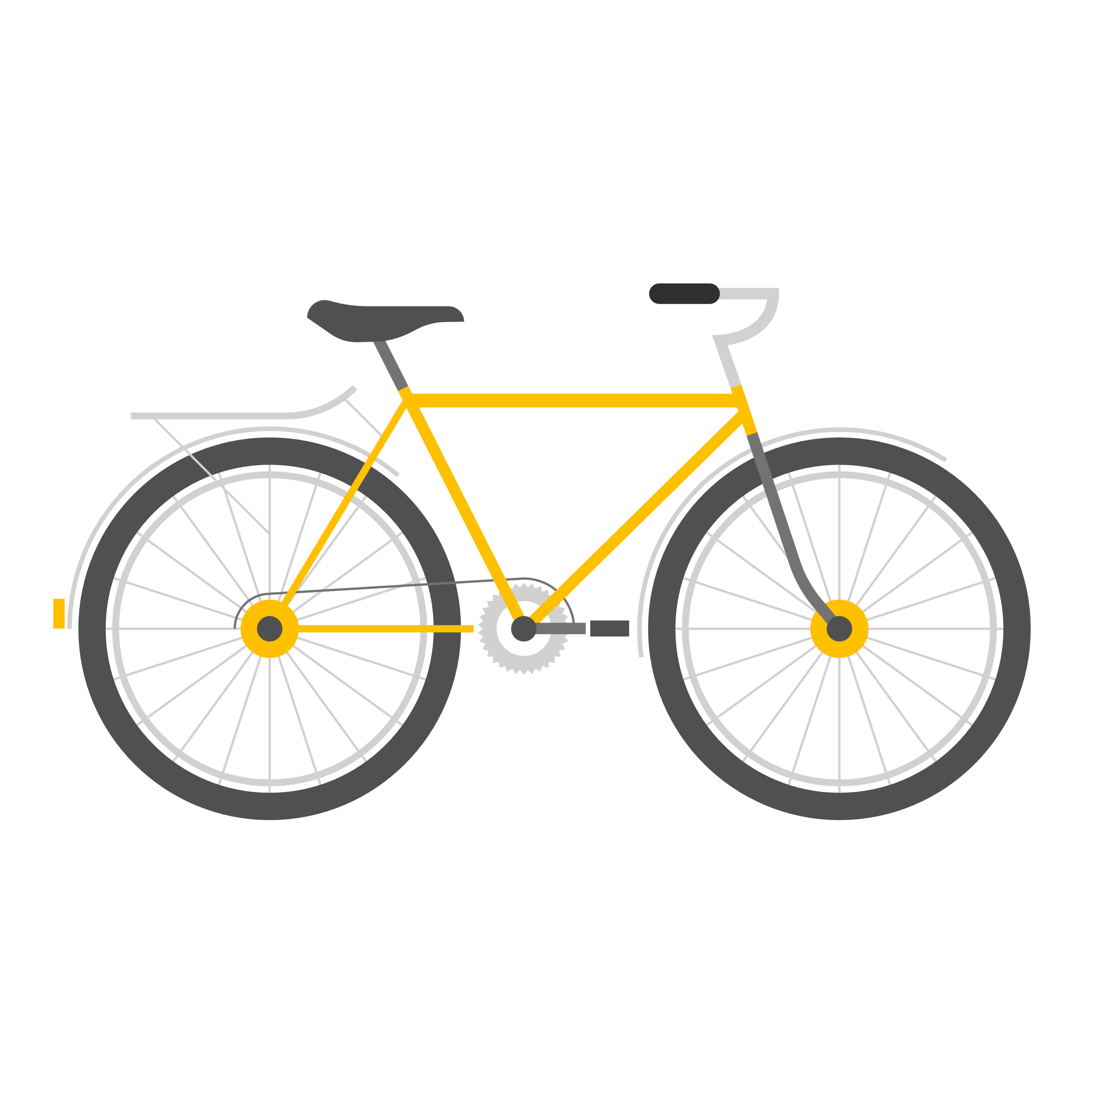
BIKES SALES CUSTOMER OVERVIEW

Average income of customers
 | No | Yes
Female | 53440 | 55774.058577
Male | 56208.178439 | 60123.966942
Customers commute
 | No | Yes
0-1 Miles | 166 | 200
1-2 Miles | 92 | 77
2-5 Miles | 67 | 95
5-10 Miles | 116 | 76
10 Miles + | 78 | 33

Costumers Age
 | No | Yes
Adolescent | 48 | 35
Middle Age | 305 | 336
Old | 166 | 110
Cars Owners vs Non Owners
 | No | Yes
No | 96 | 151
yes | 423 | 330

