TR1
 | Functional-Positve | Contract duration 6th April 2023 - 31st December 2025 AFUD - Depreciation - First payment date - under the lease accounting readiness window as 1st of April 2023 Sync Reject the deal in core and change the contract structure Contract duration 6th May 2023 - 31st December 2025 First payment date - under the lease accounting readiness window as 1st of May 2023. The commencement date of the contract in REM will be 6th May 2023 where as in LAM the commencement date will be 1st May 2023. Sync | Verify that after rejecting deal from Core, the user then updates the commencement date to a later date but the first payment date is earlier than the lease start date under commence lease accounting review. | LA-62896 | LA-61199-41

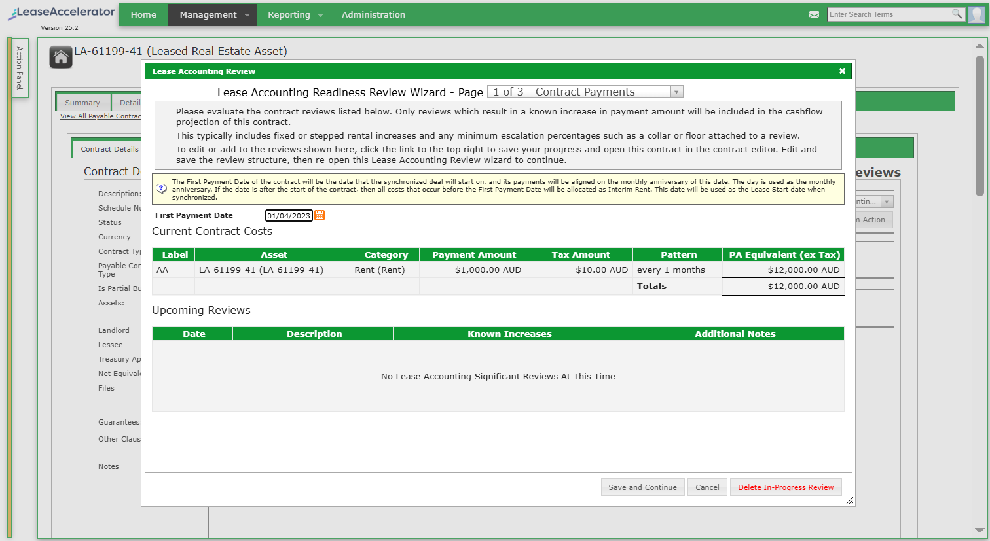
1

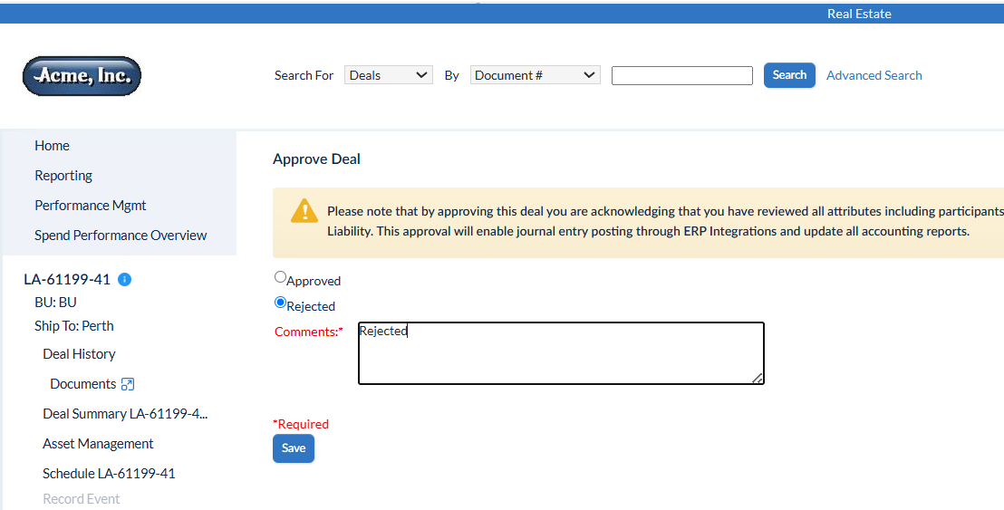
2

3 | Mark lease as in-abstract

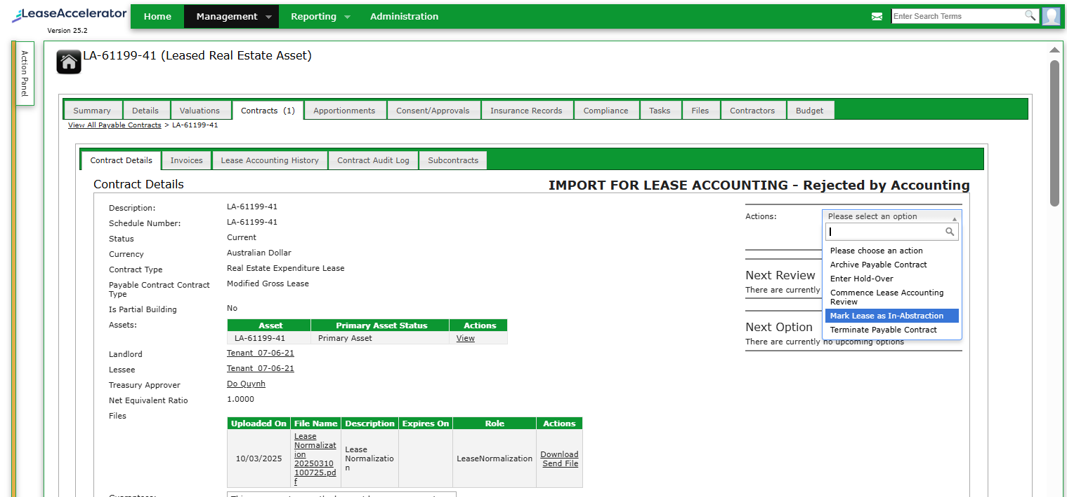

4 | Contract duration 6th May 2023 - 31st December 2025

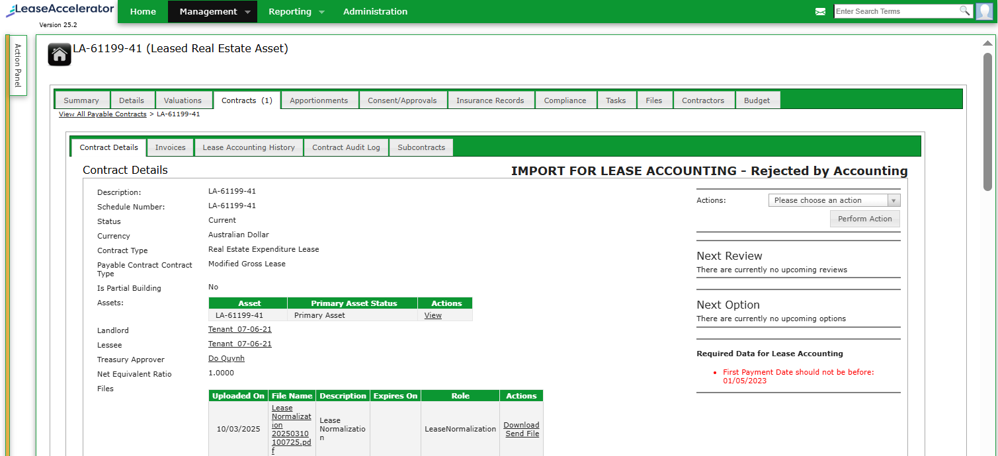

5 | First payment date - under the lease accounting readiness window as 1st of May 2023.

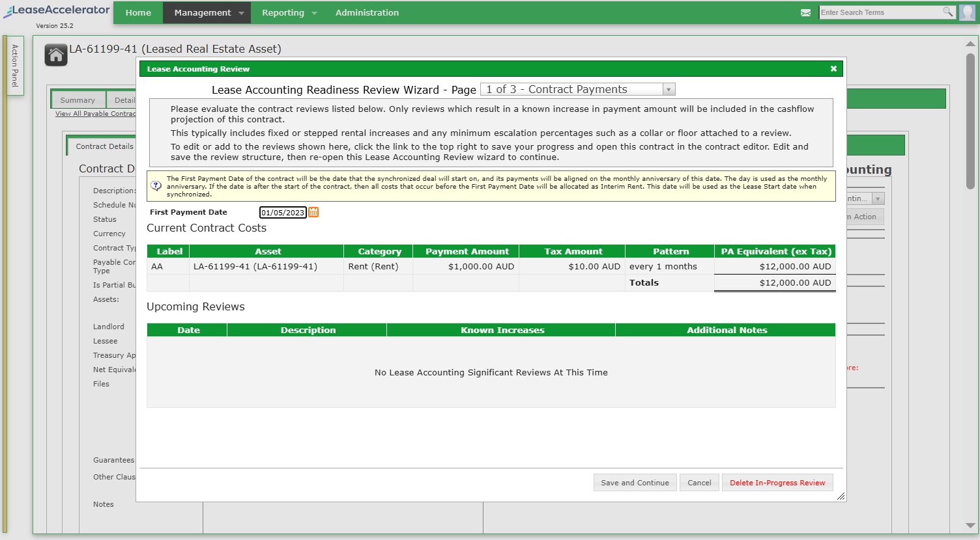

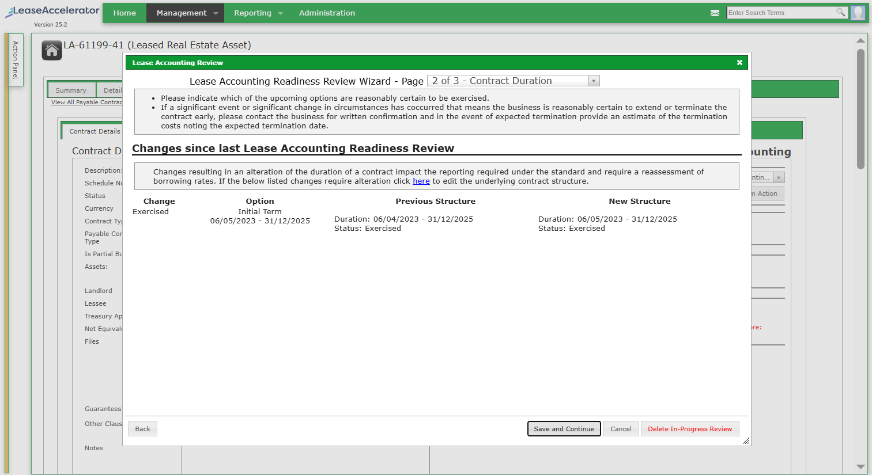
6

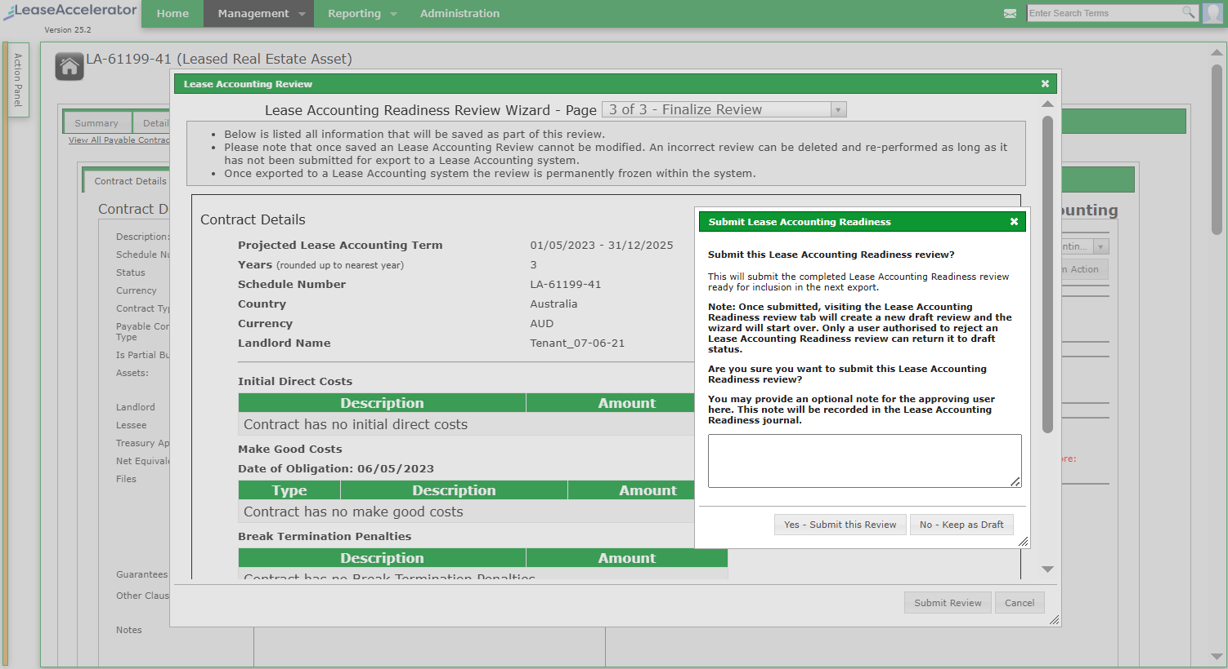
7

8

