ENTRIES
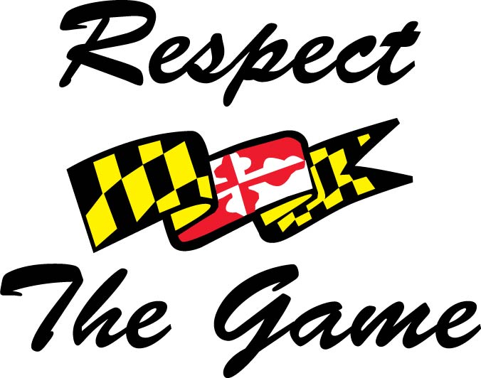 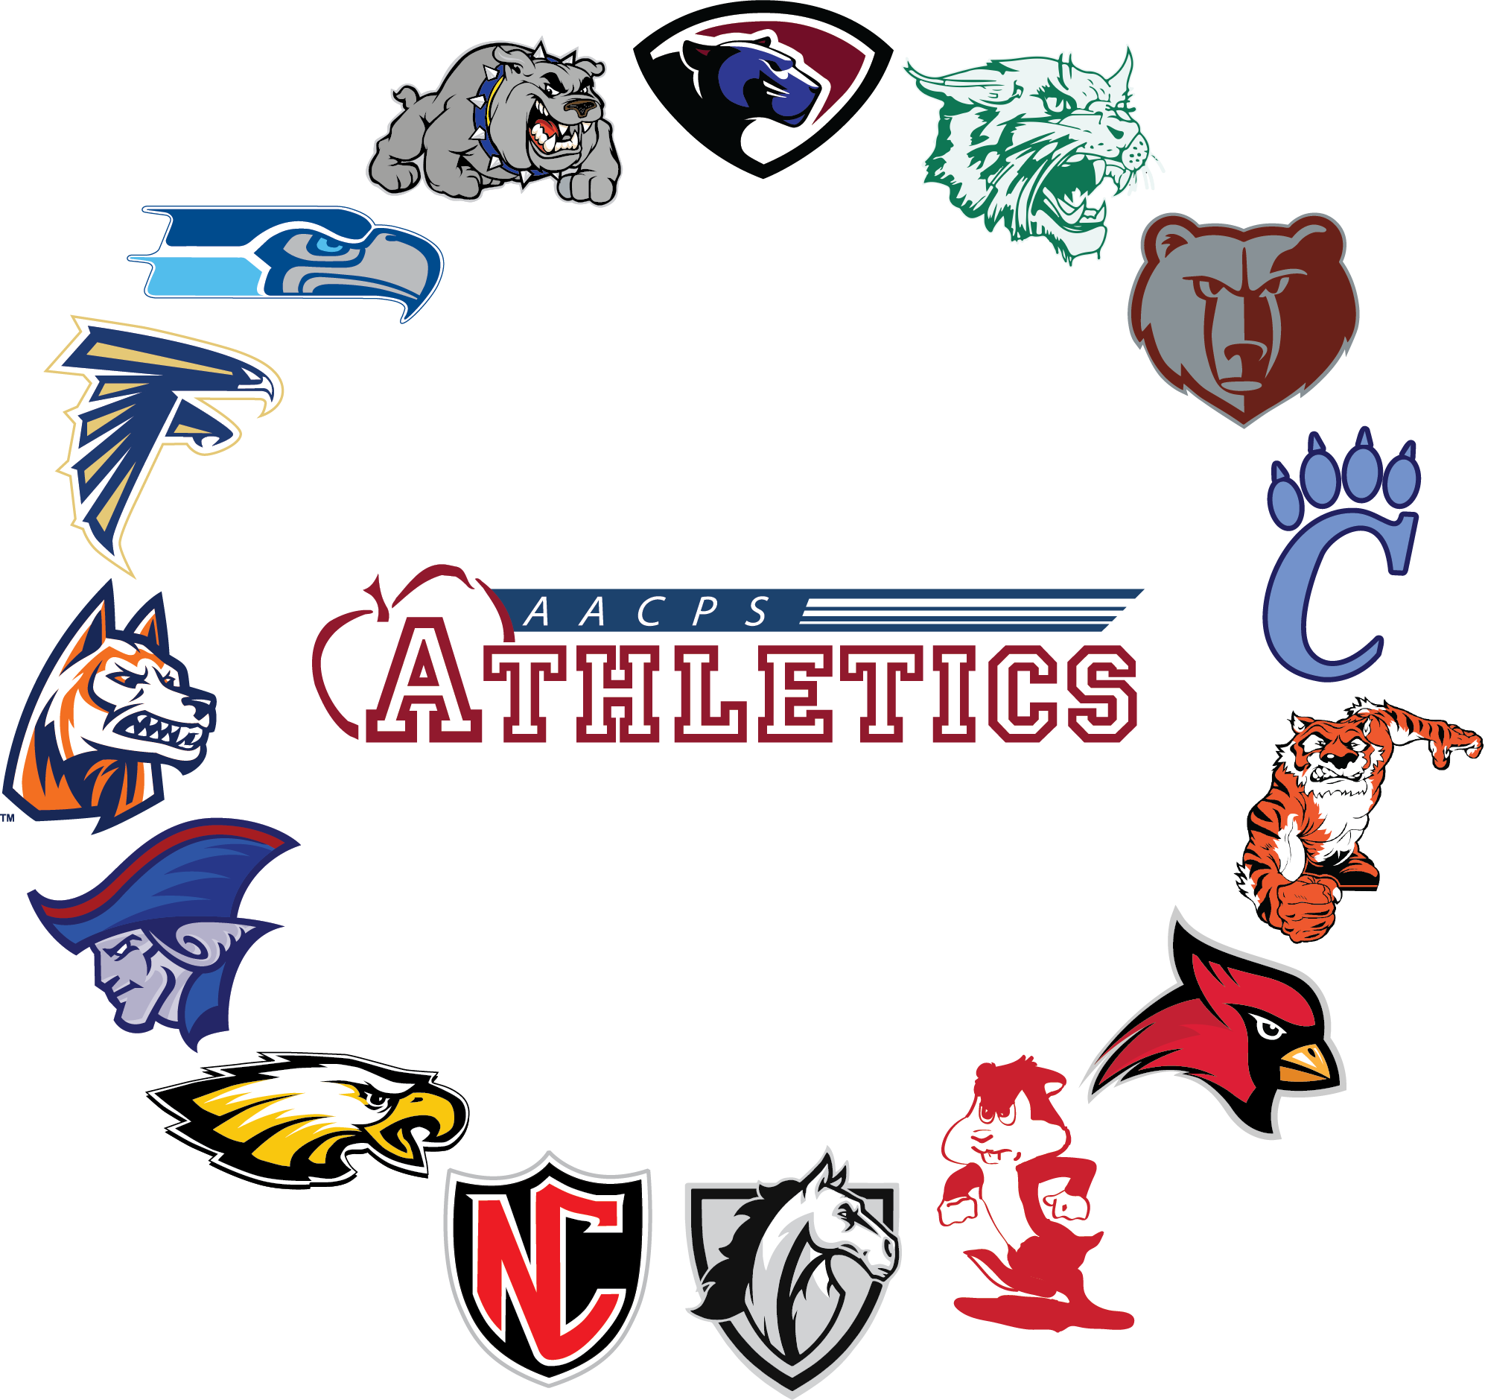 AACPS County Championships 9/29 @ Compass Pointe 8:30am PAIRINGS
First and Last Name | Grade | School | M/F
William Meyer | 11 | Annapolis | M
Evan Lyman | 11 | Annapolis | M
Drew Shallcross | 12 | Annapolis | M
Daniel Capo | 12 | Annapolis | M
Colt Jett | 12 | Annapolis | M
Lizzy Thibodeau | 9 | Annapolis | F
Chase Fortescue | 12 | Arundel | M
Aidan Pelkey | 11 | Arundel | M
Devin Crabbe | 11 | Arundel | M
Luke Gamble | 12 | Arundel | M
Maxwell Morgan | 11 | Arundel | M
Ava Shay | 12 | Arundel | F
Paige Morgan | 12 | Arundel | F
James Jonker | 12 | Broadneck | M
Michael Peterson | 11 | Broadneck | M
Micah Gossard | 10 | Broadneck | M
Max Harada | 12 | Broadneck | M
Alex Kapikian | 11 | Broadneck | M
Jack Smith | 10 | Broadneck | M
Caroline Viscardi | 12 | Broadneck | F
Natalie Coe | 11 | Broadneck | F
Lila Pietromica | 11 | Broadneck | F
Claire Pierpoint | 9 | Broadneck | F
Gavin Allison | 12 | Chesapeake | M
Alan Higgins | 12 | Chesapeake | M
Nathan Reil | 12 | Chesapeake | M
Liam Finnegan | 10 | Chesapeake | M
Cooper Barnes | 12 | Chesapeake | M
Mason Bombard | 12 | Chesapeake | M
Bryn Calicoat | 11 | Chesapeake | F
 |  | Chesapeake
Ty Swann | 11 | Crofton | M
Ben Cunningham | 12 | Crofton | M
Gianni Gallow | 12 | Crofton | M
Charlie Ward | 9 | Crofton | M
Nate Fine | 12 | Crofton | M
Ethan Kelly | 12 | Crofton | M
Marissa Liverpool | 11 | Crofton | F
Claire Kerley | 10 | Crofton | F
Molly Boyle | 9 | Crofton | F
Emily Huus | 12 | Crofton | F
Rhyan Arciaga | 10 | Chesapeake Science | M
Dylan Morgan | 11 | Chesapeake Science
Devon Myers | 9 | Glen Burnie | M
Liam Hontz | 12 | North County | M
James Posey | 10 | North County | M
Griffin Boritz | 9 | North County | M
Ethan Price | 10 | North County | M
Alec Behegan | 12 | North County | M
Nate Alimo | 12 | North County | M
Kaden Wyatt | 11 | Northeast | M
Mason Kolodziejski | 12 | Northeast | M
Ethan Goughenour | 11 | Old Mill | M
Reece Miguel | 12 | Severn Run | M
Garrett James | 10 | Severn Run | M
Chris Mahnke | 10 | Severn Run | M
Connor Giest | 12 | Severn Run | M
Cam Kellner | 10 | Severn Run | M
Brandon Rochon | 10 | Severn Run | M
Davis Balderston | 9th | Severna Park | M
Chase Connell | 10th | Severna Park | M
Colin Barry | 9th | Severna Park | M
Jack Peery | 11th | Severna Park | M
Chris Jenkins | 11th | Severna Park | M
KJ Flanagan | 11th | Severna Park | M
Zoe Port | 11th | Severna Park | F
CJ Burke |  | South River
Sarah Valencia |  | South River
Paolo Maggio |  | South River
Jaden Thompson |  | South River
Ethan Berry |  | South River
Brooks Bailey |  | South River
Audrey Nicely |  | South River
Elizabeth Schlossberg |  | South River
Lauren Finn |  | South River
Ewan Ivey | 11 | Southern
Chase Youmans | 12 | Southern | M
Bryce Crandell | 11 | Southern | M
Brody McCafferty | 11 | Southern | M
Luca Vendemia | 9 | Southern | M
Owen Moon | 12 | Southern | M
Reagan Norfolk | 9 | Southern | F

