ENTRIES
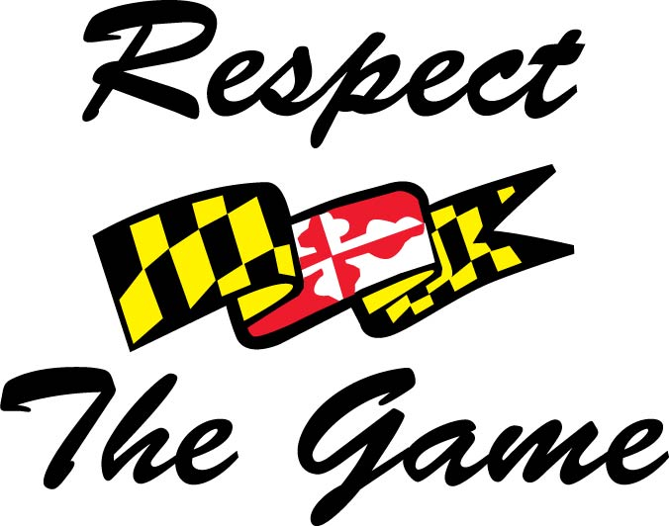 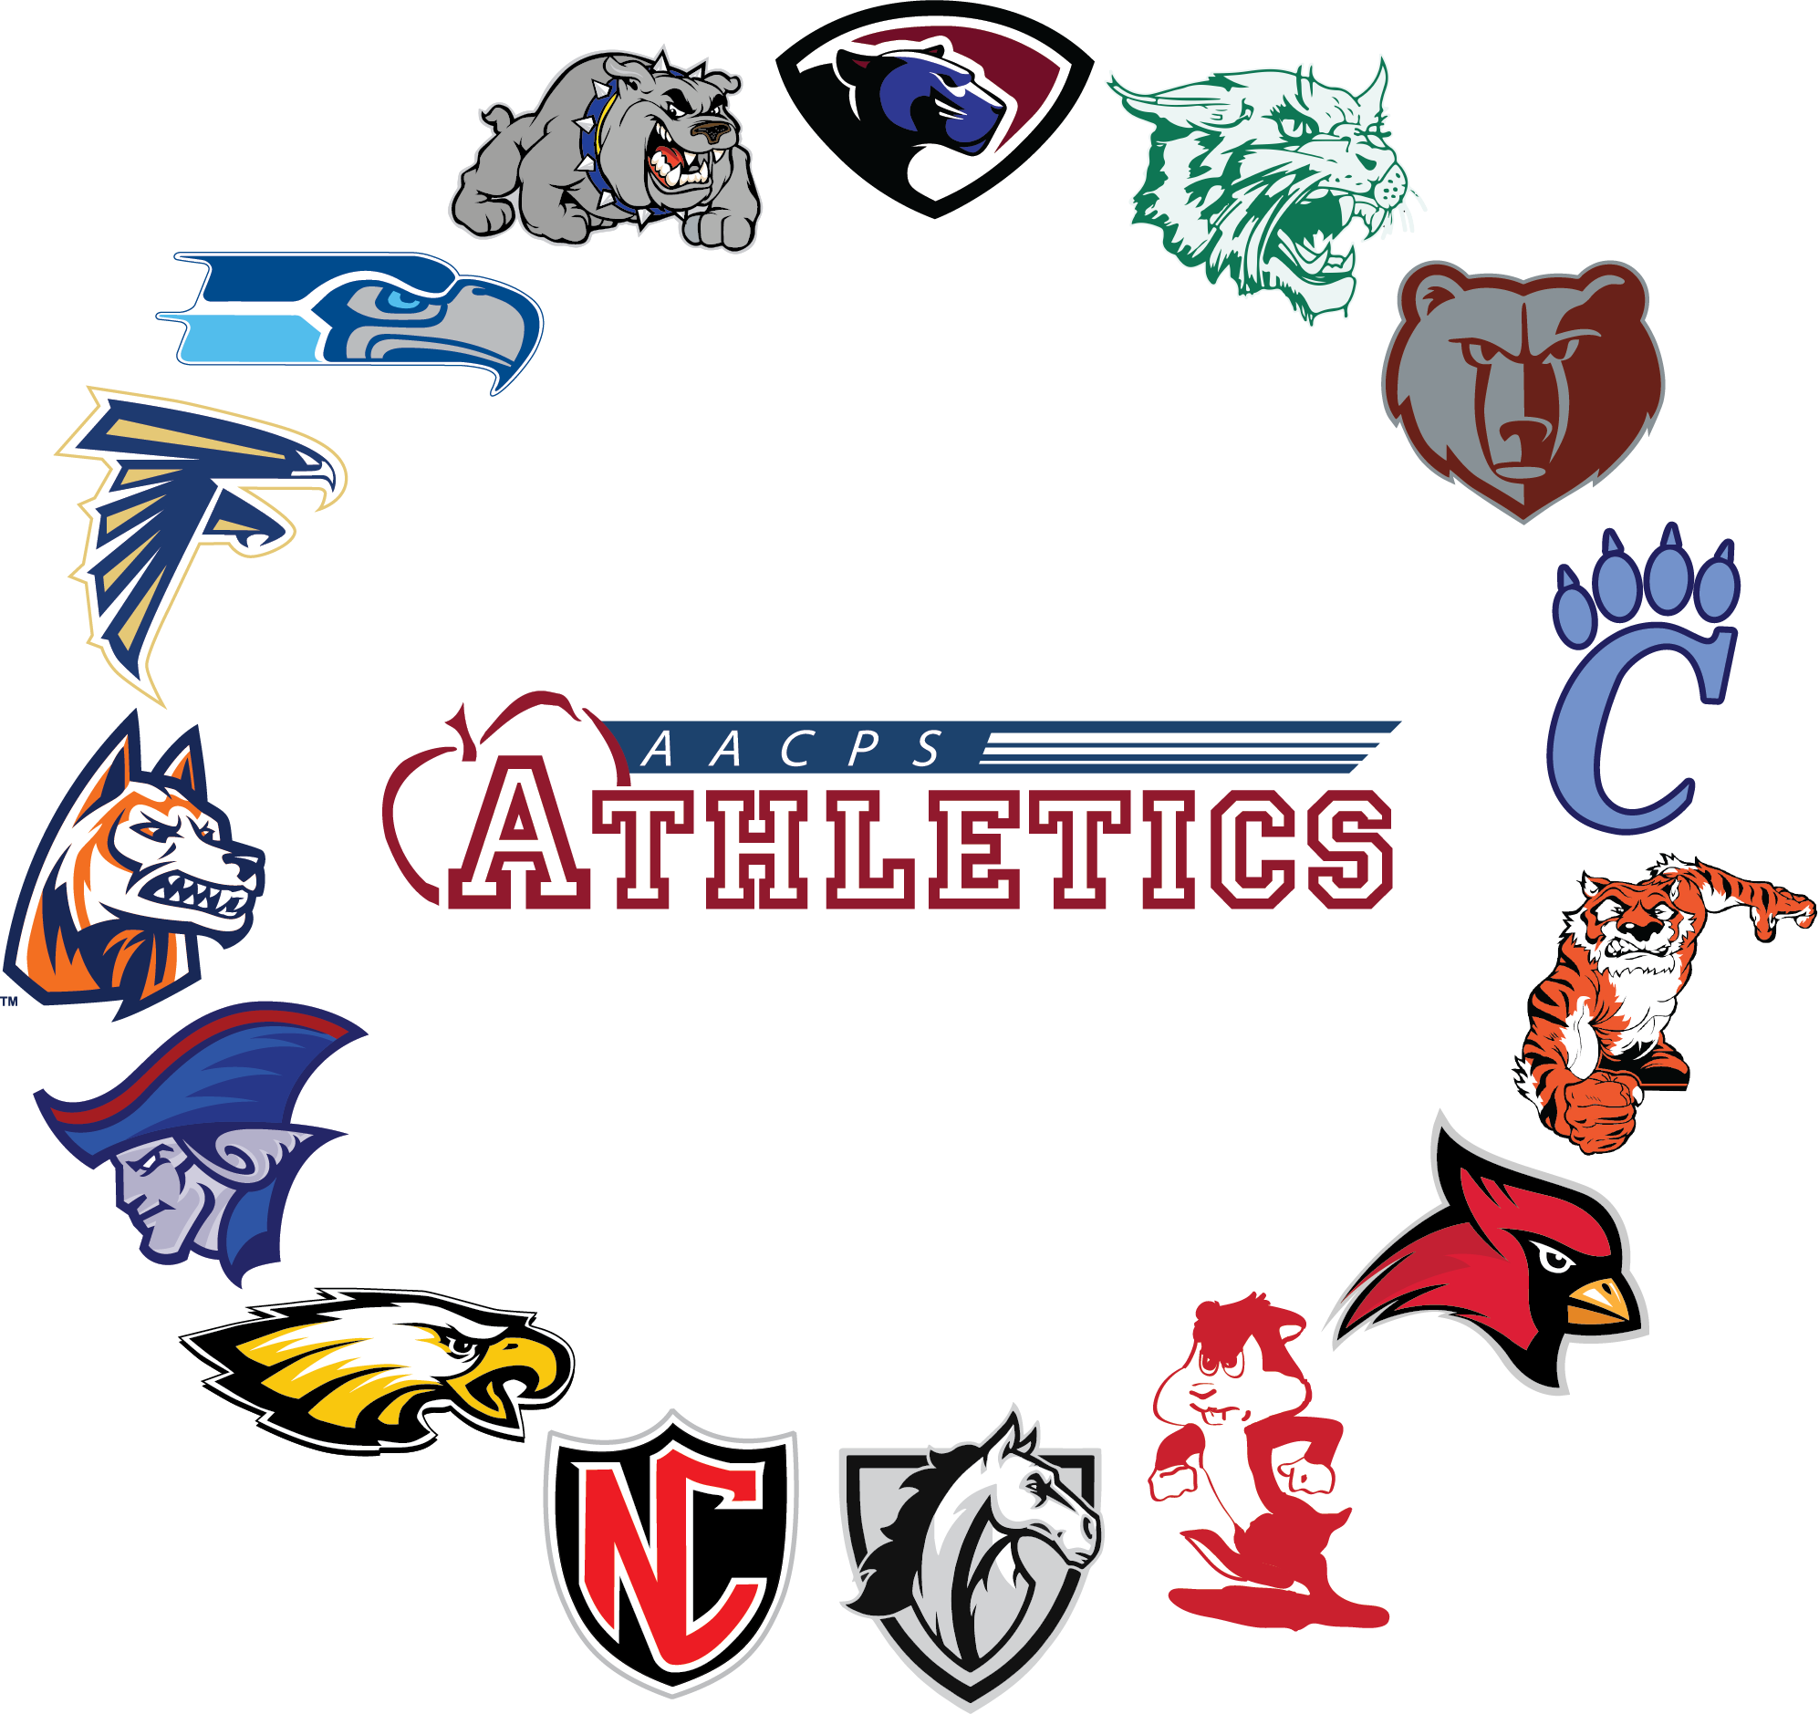 40s Invite 9/15 @ Compass Pointe 2:30pm ENTRIES
First and Last Name | Grade | School | M/F | Qualifing Score
Daniel Capo | 12 | Annapolis | M | 44
Evan Lyman | 11 | Annapolis | M | 46
Drew Shallcross | 12 | Annapolis | M | 47
Chase Fortescue | 12 | Arundel | M | 40
Devin Crabbe | 11 | Arundel | M | 40
Aidan Pelkey | 11 | Arundel | M | 46
Ava Shay | 12 | Arundel | F | 44
Gavin Monaco | 12 | Broadneck | M | 44
Christian Rubino | 10 | Broadneck | M | 45
Liam Finnegan | 10 | Chesapeake | M | 42
Brayden Parker | 10 | Chesapeake | M | 44
Eli Harley | 11 | Chesapeake | M | 46
Jaden Broadie | 11 | Chesapeake | M | 46
Mason Bombard | 12 | Chesapeake | M | 47
Rhyan Archiaha | 10 | Chesapeake Science | M | 46
Marissa Liverpool | 11 | Crofton | F | 46
Charlie Ward | 9 | Crofton | M | 39
Gianni Gallow | 12 | Crofton | M | 39
Dylan Miller | 12 | Crofton | M | 46
Aaryan Sripada | 9 | Crofton | M | 47
Joseph Lopez | 12 | North County | M | 46
Kaden Wyatt | 11 | Northeast | M | 39
Brian Hyde | 12 | Northeast | M | 47
Mason Kolodziejski | 12 | Northeast | M | 46
Brandon Rochon | 10 | Severn Run | M | 45
Kevin Flanagan | 11 | Severna park | M | 40
Leo Sobocinski | 11 | Severna Park | M | 45
Max Knoepfle | 11 | Severna Park | M | 41
Sarah Valencia | 12 | South River | F | 45
Brooks Bailey | 10 | South River | M | 41
Ethan Berry | 11 | South River | M | 44
Nate Adkins | 10 | South River | M | 44
Marick Norton | 11 | South River | M | 45
Mason Lomax | 10 | South River | M | 45
Luca Vendemia | 9 | Southern | M | 40
Julian Figueroa | 10 | Southern | M | 44
Colton Sutherland | 11 | Southern | M | 44
Ryan Abell | 11 | Southern | M | 44
Justin Fowler | 9 | Southern | M | 44

