Fernandez-2014
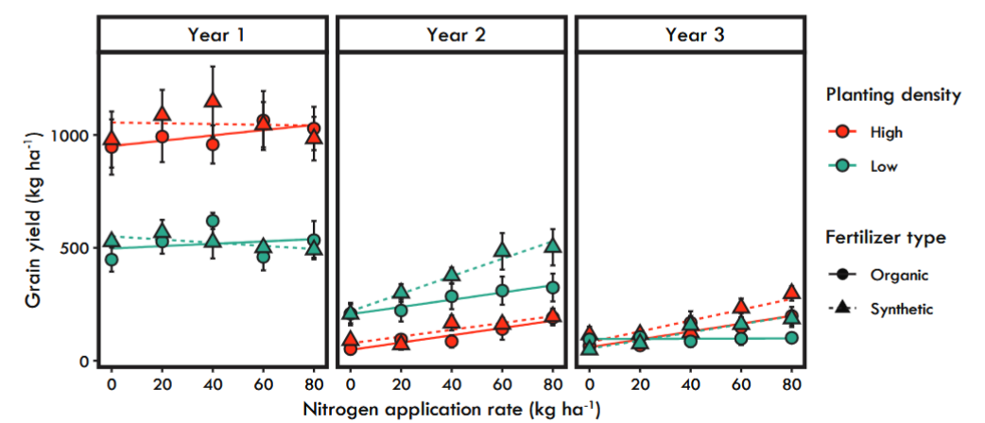
grain | N40 | N80 | N40LD | Biomass | N40 | N80 | N40LD
y1 | 1150 | 975 | 550 | y1 | 8000 | 8500 | 4250
y2 | 200 | 250 | 350 | y2 | 8500 | 9500 | 4750
y3 | 125 | 250 | 150 | y3 | 3500 | 7250 | 2750

19.08x32.88

Jungers 2018
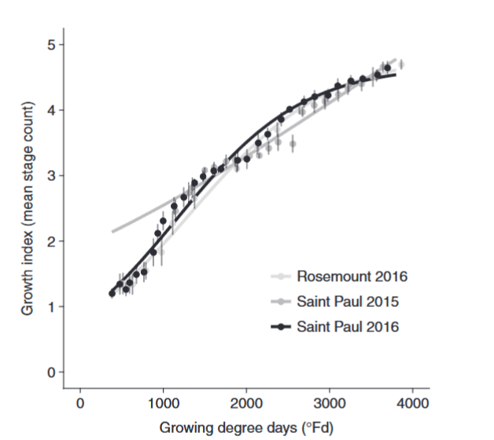

jungers |  |  |  |  | apsim
Stage | GDD-F | GDD-C |  | target | Phase | start stage | end stage
1.2 | 400 | 222 | 0.5-1.5 | 194 | vernalising | emergence | induction
1.5 | 750 | 417 | 1.5-2.0 | 139 | inducing | induction | stemElongation
2 | 1000 | 556 | 2.0-3.7 | 694 | reproductive | stemElongation | flowering
3.7 | 2250 | 1250 | 3.7-4.3 | 417 | grainFilling | flowering | ripening
4.3 | 3000 | 1667 | 4.3-4.9 | 417 | maturing | ripening | mature
4.9 | 3750 | 2083 |  |  | harvest | mature | rewind

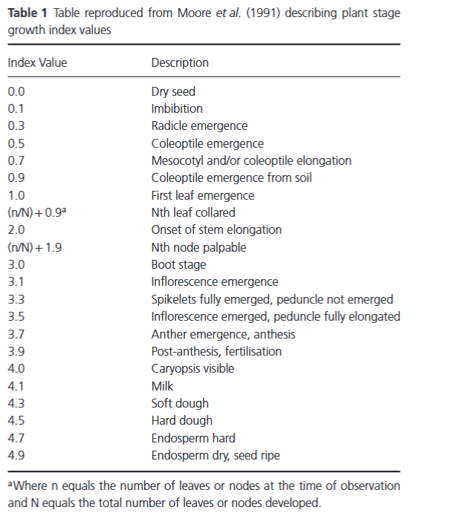
 |  |  |  |  |  |  |  | 0.1
 |  |  |  |  |  |  |  | 0.5
 |  |  |  |  |  |  |  | 1
 |  |  |  |  |  |  |  | 1.5
 |  |  |  |  |  |  |  | 2
 |  |  |  |  |  |  |  | 4
 |  |  |  |  |  |  |  | 4.5
 |  |  |  |  |  |  |  | 4.9

Hunter2020
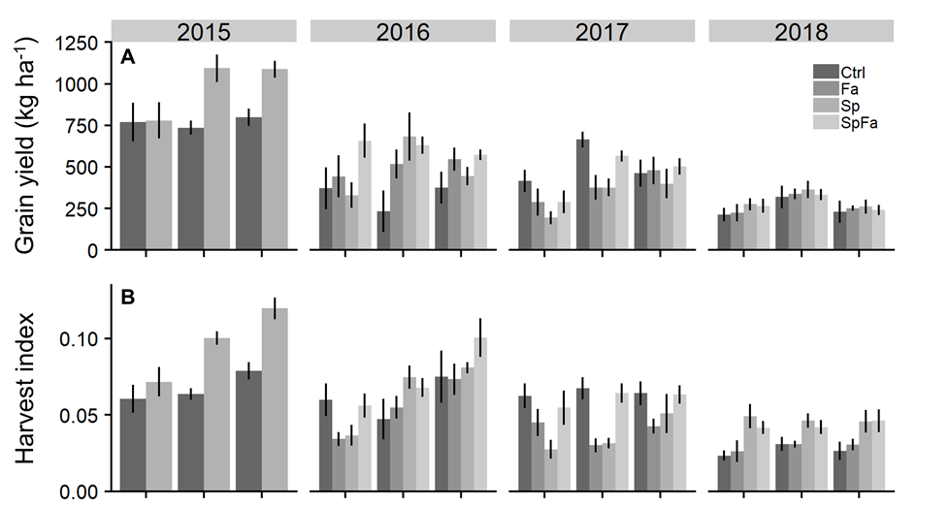

 | 2015 |  |  | 2016
 | cm
15 | 30 | 61
yields
760 | 730 | 780 | 320 | 230 | 370 | 410 | 660 | 460 | 220 | 320 | 230
hi
0.06 | 0.062 | 0.075 | 0.06 | 0.05 | 0.07 | 0.063 | 0.066 | 0.065 | 0.02 | 0.03 | 0.022

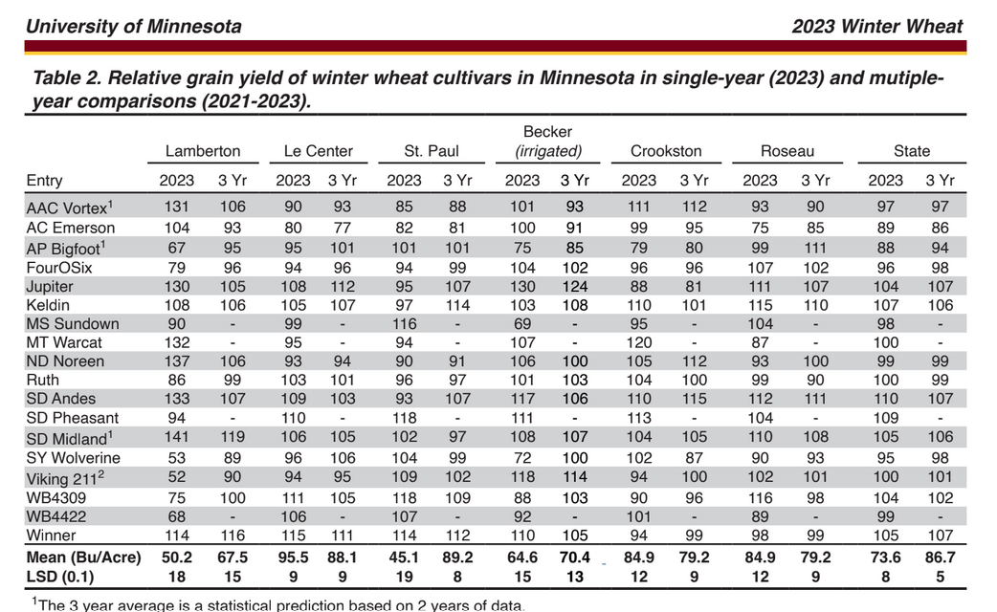
 |  |  |  |  |  |  |  |  |  |  |  |  |  | St Paul

 |  |  |  |  |  |  |  |  |  |  |  |  |  | kg/ha

 |  |  |  |  |  |  |  |  |  |  |  |  | 85 | 2578
 |  |  |  |  |  |  |  |  |  |  |  |  | 82 | 2487
 |  |  |  |  |  |  |  |  |  |  |  |  | 101 | 3063
 |  |  |  |  |  |  |  |  |  |  |  |  | 94 | 2851
 |  |  |  |  |  |  |  |  |  |  |  |  | 95 | 2881
 |  |  |  |  |  |  |  |  |  |  |  |  | 97 | 2942
 |  |  |  |  |  |  |  |  |  |  |  |  | 116 | 3518
 |  |  |  |  |  |  |  |  |  |  |  |  | 94 | 2851
 |  |  |  |  |  |  |  |  |  |  |  |  | 90 | 2730
 |  |  |  |  |  |  |  |  |  |  |  |  | 96 | 2912
 |  |  |  |  |  |  |  |  |  |  |  |  | 93 | 2821
 |  |  |  |  |  |  |  |  |  |  |  |  | 118 | 3579
 |  |  |  |  |  |  |  |  |  |  |  |  | 102 | 3094
 |  |  |  |  |  |  |  |  |  |  |  |  | 104 | 3154
 |  |  |  |  |  |  |  |  |  |  |  |  | 109 | 3306
 |  |  |  |  |  |  |  |  |  |  |  |  | 118 | 3579
 |  |  |  |  |  |  |  |  |  |  |  |  | 107 | 3245
 |  |  |  |  |  |  |  |  |  |  |  |  | 114 | 3458
 |  |  |  |  |  |  |  |  |  |  |  |  | 73 | 2214
 |  |  |  |  |  |  |  |  |  |  |  |  |  | 3058 | av

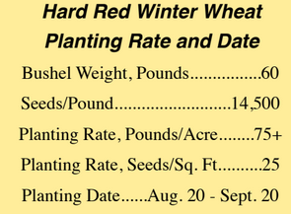
 |  |  |  |  |  |  |  |  |  |  |  | St Paul 2014 two year mean | 73 | 2214

 |  |  |  |  |  |  |  |  |  |  | seed/sqm
 |  |  |  |  |  |  |  |  |  |  | 269

Culman2010Wheat
AXE | SimulationName | Clock.Today | SimulationName | Predicted Biomass (kg/ha) | Observed Biomass (kg/ha) | Predicted Yield (kg/ha) | Observed Yield (kg/ha) | Predicted Anthesis DAS | Observed Anthesis DAS | Predicted Anthesis GDD | Observed Anthesis GDD
 | Culman2010ConventionalMidN | 2010-07-09 | Culman2010MidN | 6051 | 6967 | 2704 | 2946 | 192 | 201 | 1022 | 1233
 | Culman2010ConventionalHiN | 2010-07-09 | Culman2010HiN | 6084 | 6277 | 2716 | 2807 | 192 | 201 | 1022 | 1233
 | Culman2011ConventionalMidN | 2011-07-21 | Culman2011MidN | 7604 | 8284 | 3221 | 4248 | 235 | 227 | 1186 | 1408
 | Culman2011ConventionalHiN | 2011-07-21 | Culman2011HiN | 10019 | 9651 | 4721 | 5017 | 235 | 227 | 1186 | 1408

Culman (2013) Annual Wheat Michigan Grain Yield
Culman (2013) Annual Wheat Michigan Biomass

 |  |  |  |  |  |  |  |  | Axe | Organic C
 |  |  |  |  |  |  |  |  |  | 2.5
 |  |  |  |  |  |  |  |  |  | 2.5
 |  |  |  |  |  |  |  |  |  | 1.5
 |  |  |  |  |  |  |  |  |  | 0.2
 |  |  |  |  |  |  |  |  |  | 0.2

Culman (2013) Annual Wheat Michigan DAS to Flowering
 | Predicted Anthesis DAS | Observed Anthesis DAS
Culman2010MidN | 192 | 201
Culman2010HiN | 192 | 201
Culman2011MidN | 235 | 227
Culman2011HiN | 235 | 227
Culman (2013) Annual Wheat Michigan GDD to Flowering
 | Predicted Anthesis GDD | Observed Anthesis GDD
Culman2010MidN | 1022 | 1233
Culman2010HiN | 1022 | 1233
Culman2011MidN | 1186 | 1408
Culman2011HiN | 1186 | 1408

Culman2010IWG
AXE | SimulationName | Clock.Today | SimulationName | Predicted Biomass (kg/ha) | Observed Biomass (kg/ha) | Predicted Yield (kg/ha) | Observed Yield (kg/ha) | Predicted Anthesis DAS | Observed Anthesis DAS | Predicted Anthesis GDD | Observed Anthesis GDD
 | Culman2010ConventionalMidN | 2010-07-09 | Culman2010MidN | 2653 | 3881 | 341 | 112
 | Culman2010ConventionalHiN | 2010-07-09 | Culman2010HiN | 2561 | 4984 | 341 | 157
 | Culman2011ConventionalMidN | 2011-07-21 | Culman2011MidN | 3888 | 17131 | 350 | 1662
 | Culman2011ConventionalHiN | 2011-07-21 | Culman2011HiN | 5141 | 13083 | 596 | 1428
 |  |  |  |  |  |  |  |  |  |  |  | #very high 2011 biomass
Culman (2013) Annual Wheat Michigan Grain Yield
 |  |  |  |  |  |  |  |  |  |  |  | 2011 maybe was not harvested in 2010?
Culman (2013) Annual Wheat Michigan Biomass
 |  |  |  |  |  |  |  |  |  |  |  | model doesn't account for seeding or rhizomes from previous years
 |  |  |  |  |  |  |  |  |  |  |  | ie inter-row growth

 |  |  |  |  |  |  |  |  | IWG | Organic C
 |  |  |  |  |  |  |  |  |  | 2.5
 |  |  |  |  |  |  |  |  |  | 2.5
 |  |  |  |  |  |  |  |  |  | 1.5
 |  |  |  |  |  |  |  |  |  | 0.2
 |  |  |  |  |  |  |  |  |  | 0.2

Culman (2013) Annual Wheat Michigan DAS to Flowering
 | Predicted Anthesis DAS | Observed Anthesis DAS
Culman (2013) Annual Wheat Michigan GDD to Flowering
 | Predicted Anthesis GDD | Observed Anthesis GDD

Martensson2022
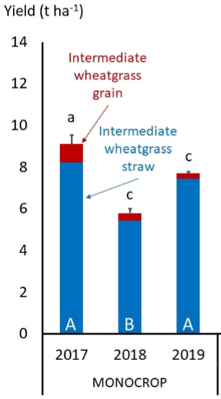
 | straw | totalbiomass | grain
2017 | 8200 | 9100 | 880
2018 | 5400 | 5800 | 400
2019 | 7400 | 7800 | 260

Pugliese2019
 | grain | biomass root
 | grain | biomass root | 16kg/ha=
2015-08-12 | 600 | 5200
2016-08-02 | 200 | 3600
2017-08-09 | 300 | 6700

 |  | Plant biomass allocation component means at summer grain harvest for three forage harvest treatments for all years. Error bars
 |  | represent one standard error of the mean (n = 4)
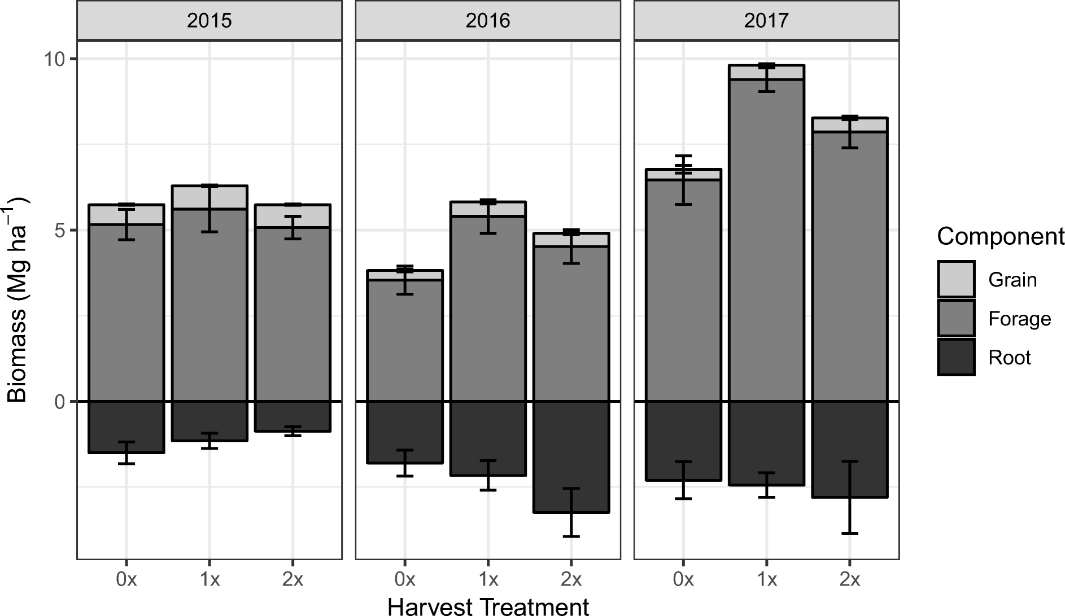

 |  |  |  | div=0.2

