Images
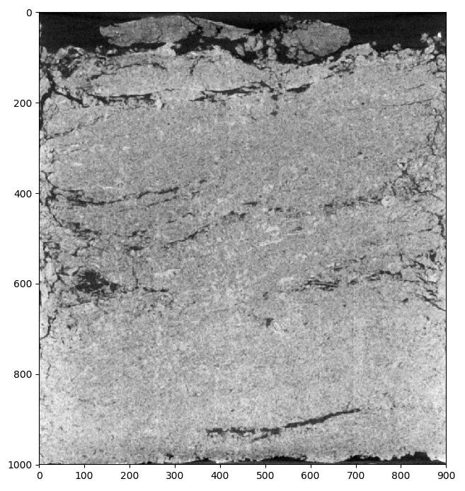
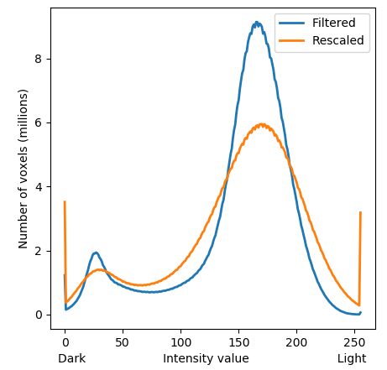
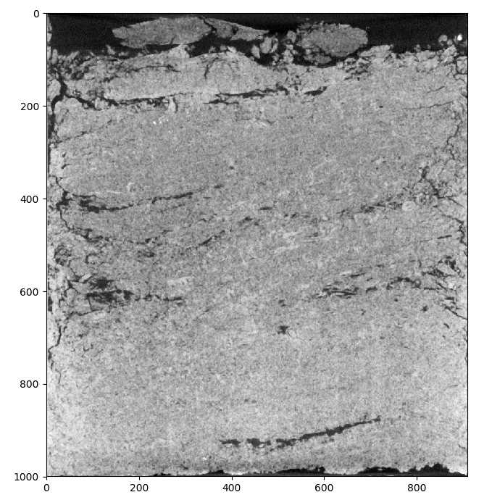
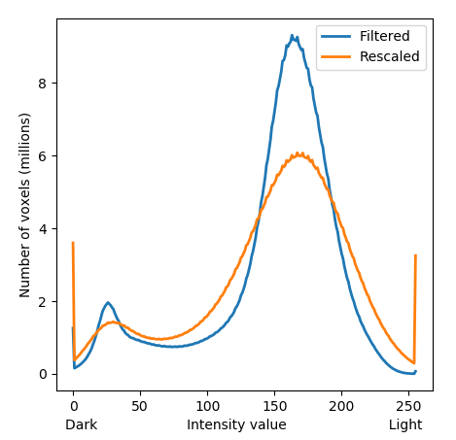
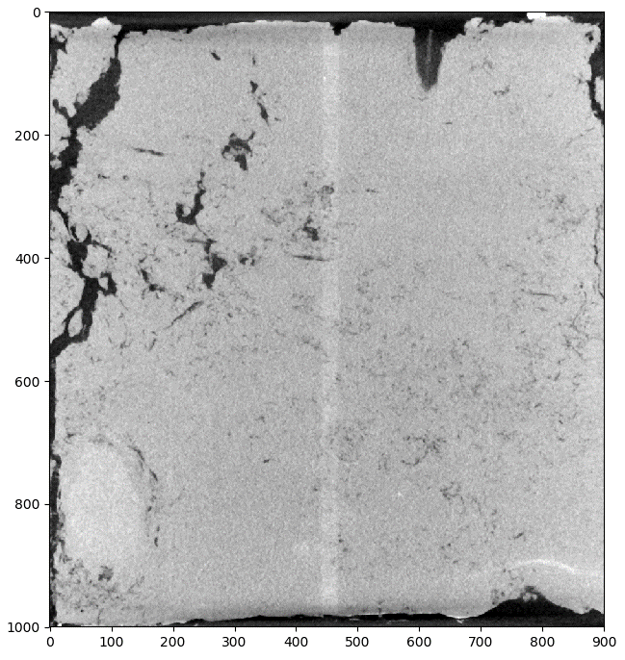
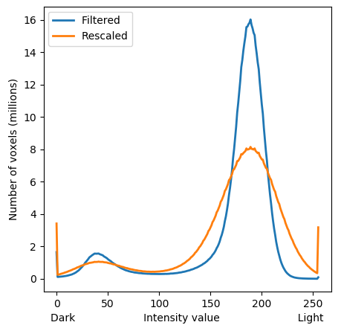
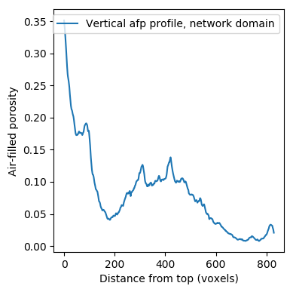
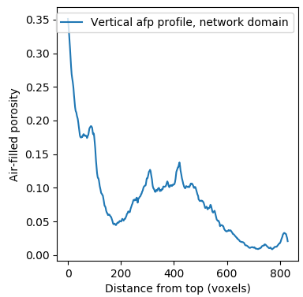
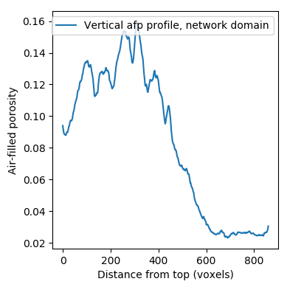
5A |  |  |  |  |  | 3A |  |  |  | Outer diameters of |  | 7A
 |  |  | Solid-void threshold value |  |  |  |  |  |  | the cylinder
Porosity | 100:950 | 0.027377 | val = 113 |  |  | Porosity | 140:940 | 0.1007930875 | val = 115 | vertical | 1004 | Porosity | 160:970 | 0.016490329075 | val = 109 | vertical | 1006
 |  |  |  |  |  |  |  |  |  | horizontal | 1006 |  |  |  |  | horizontal | 1008
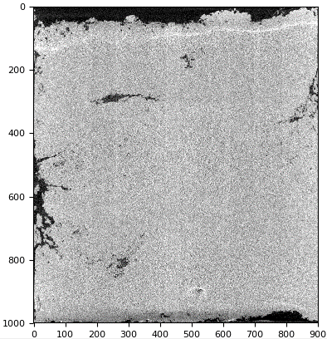
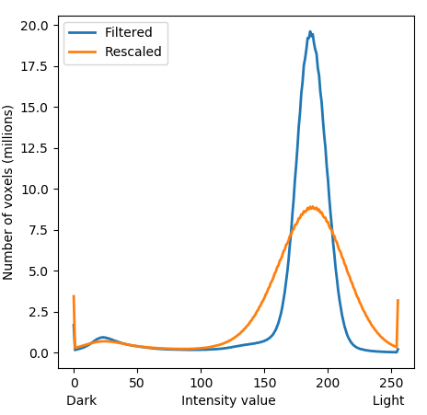
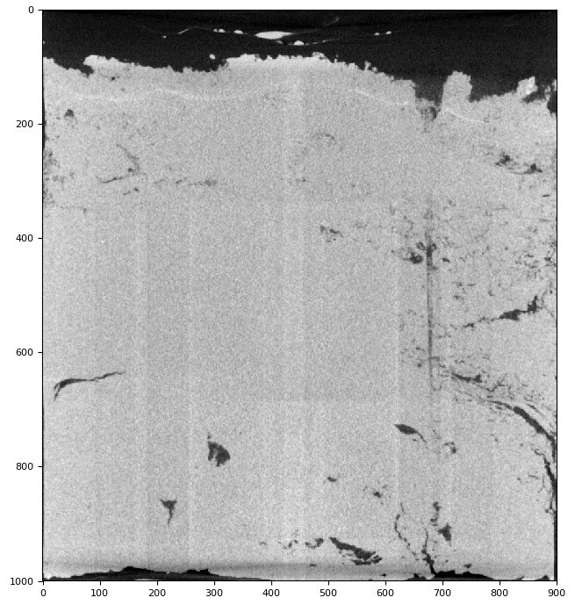
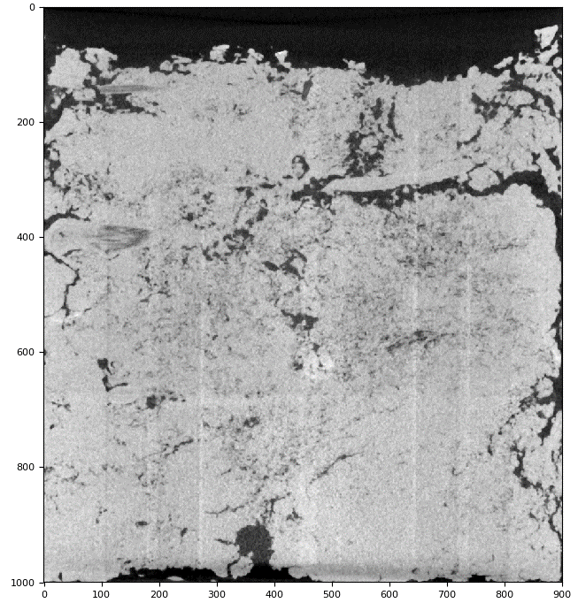
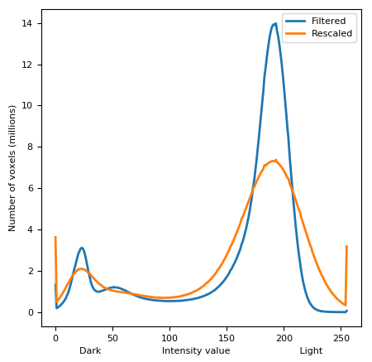
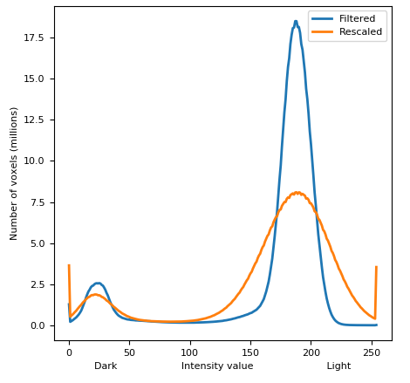

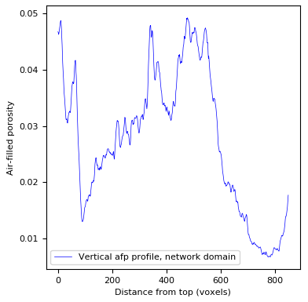
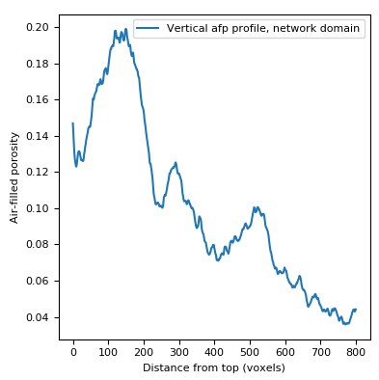
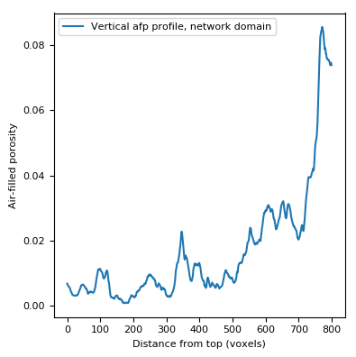

3B |  |  |  |  |  | 6A |  |  |  |  |  | 1A

Porosity | 50:950 | 0.0647 | val = 122 | vertical | 1010 | Porosity | 130:970 | 0.03698 | val = 120 | vertical | 1005 | Porosity | 110:970 | 0.06102 | val = 117
 |  |  |  | horizontal | 1005 |  |  |  |  | horizontal | 1007
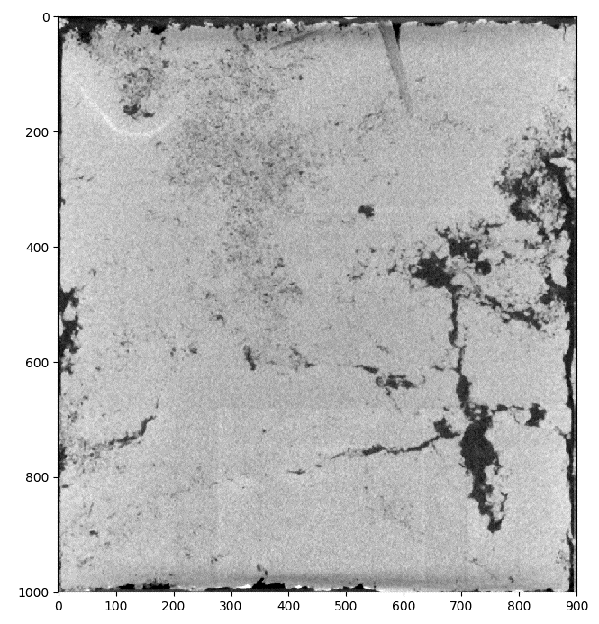
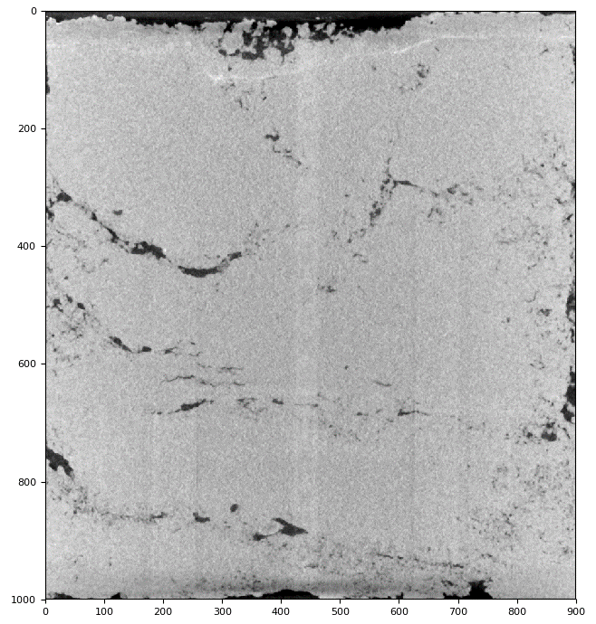
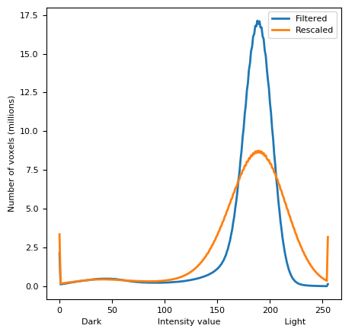
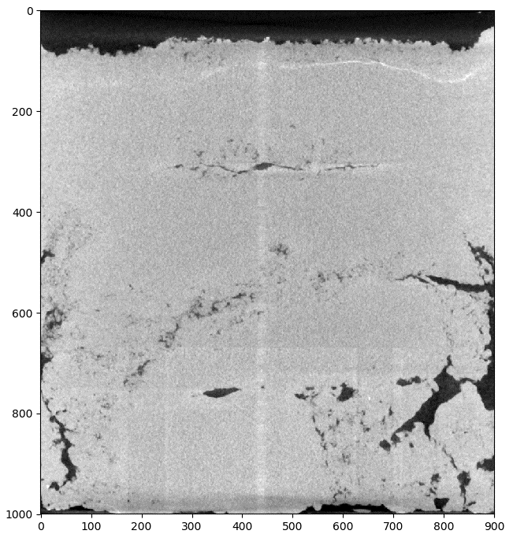
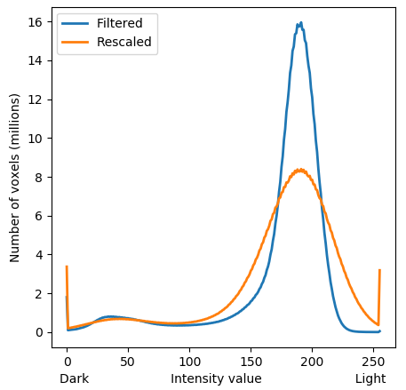
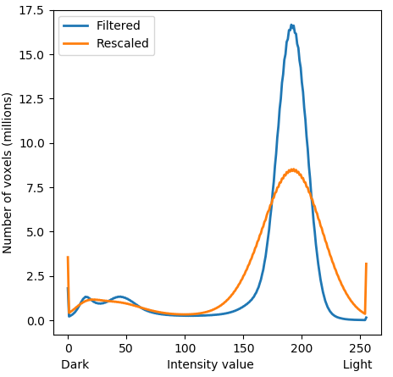

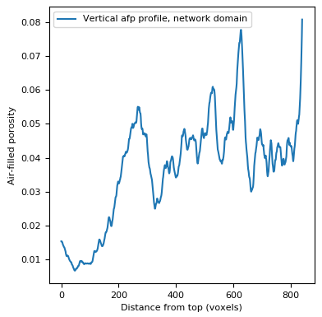
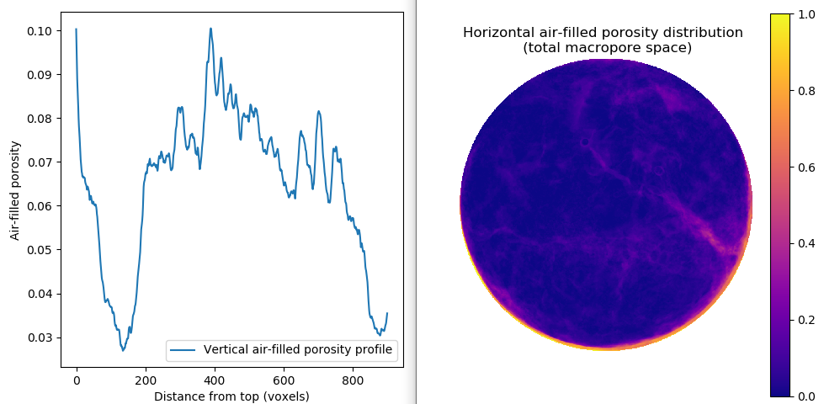
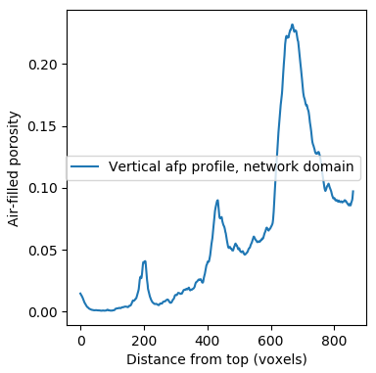

5B |  |  |  |  |  | False 7A |  |  |  |  |  | 2A
 |  |  |  |  |  |  |  |  |  |  |  |  |  |  |  |  |  | inner diameters
Porosity | 50:950 | 0.0438 | val = 113 | vertical | 1002 | Porosity | 200:950 | 0.028897224393 | val = 114 | vertical | 1009 | Porosity | 110:970 | 0.040196 | val = 117 | vertical | 1007 | 905
 | 200:950 | 0.0101 |  | horizontal | 1002 |  |  |  |  | horizontal | 1009 |  |  |  |  | horizontal | 1008 | 907
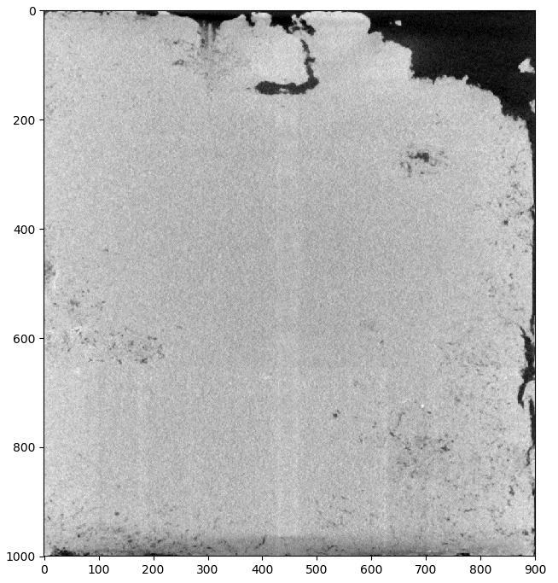
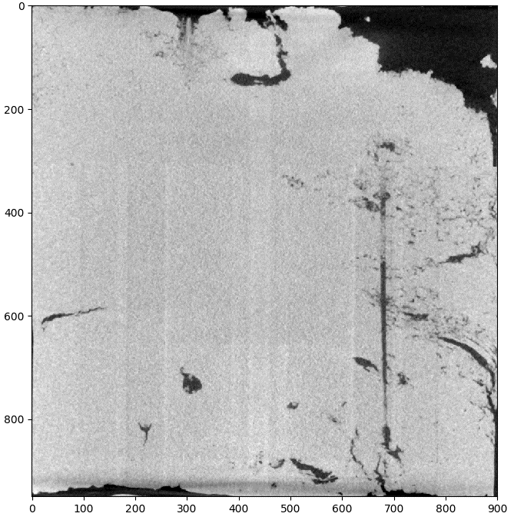
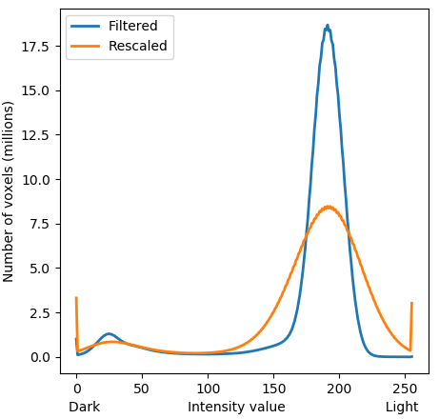
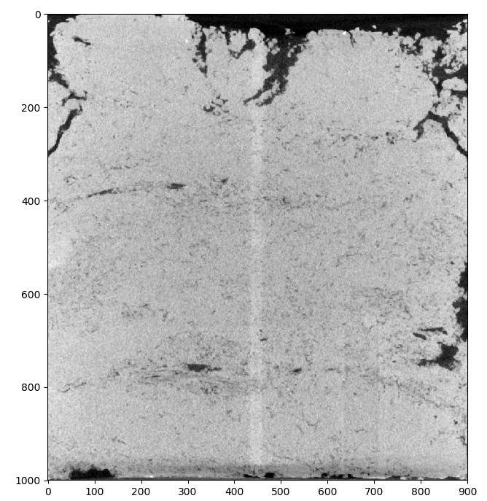
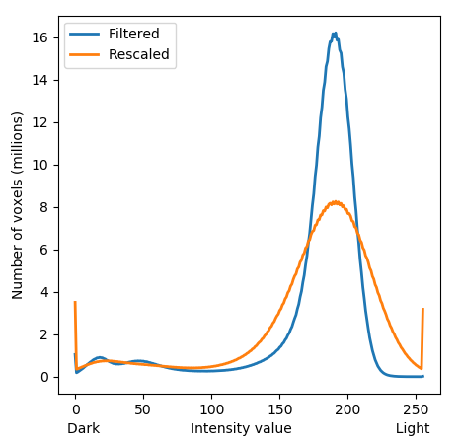
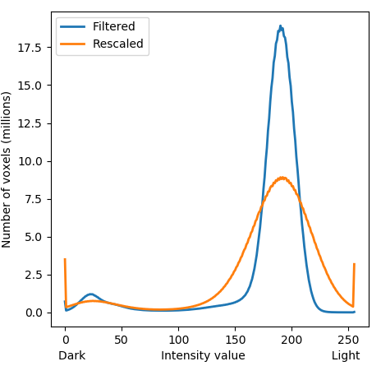

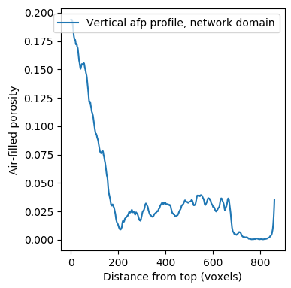
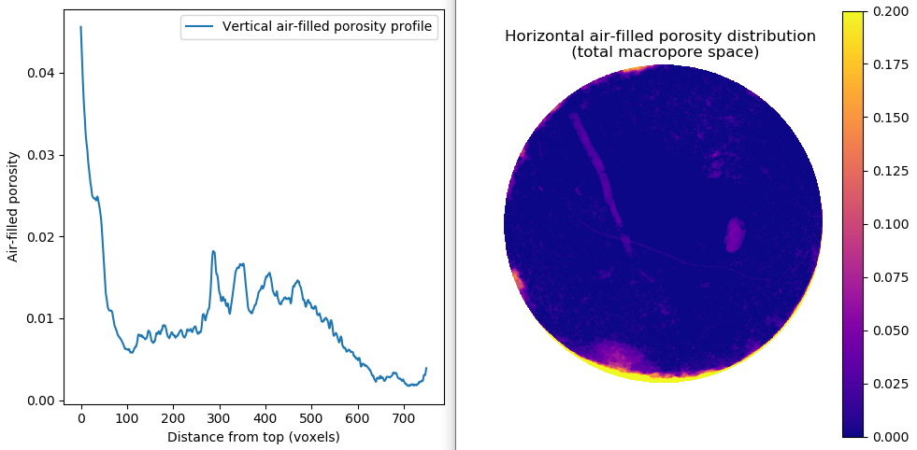
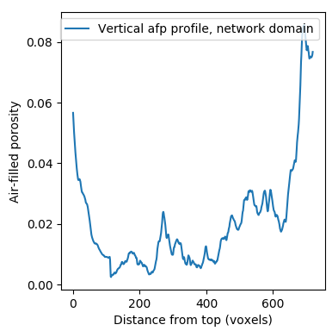

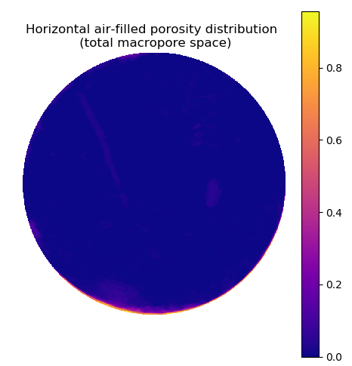

1B |  |  |  |  |  | 8A |  |  |  |  |  | 6B

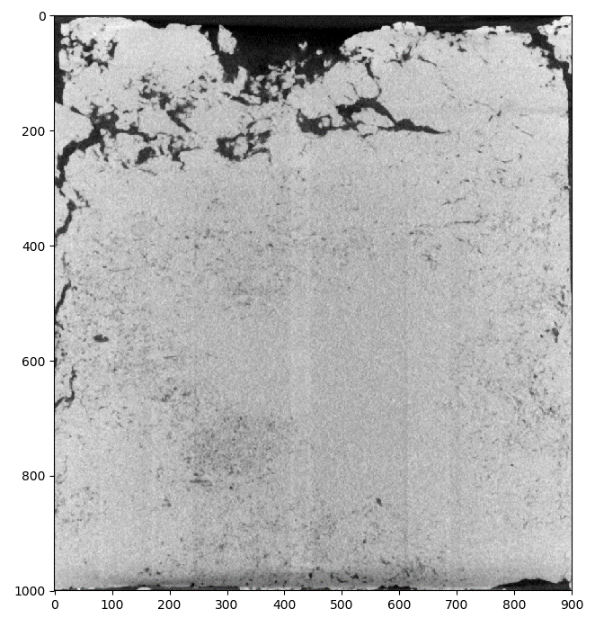
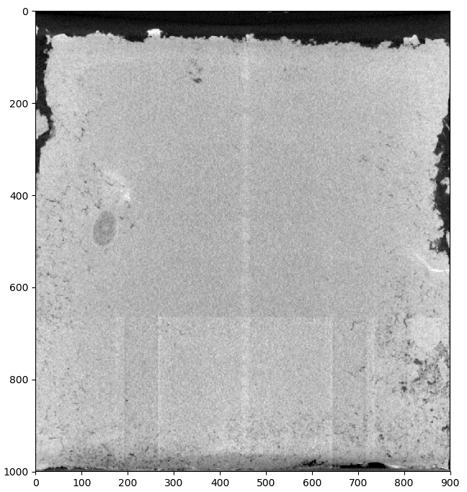
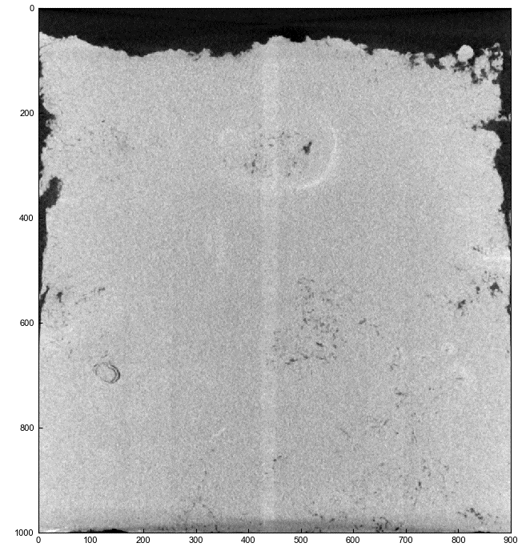
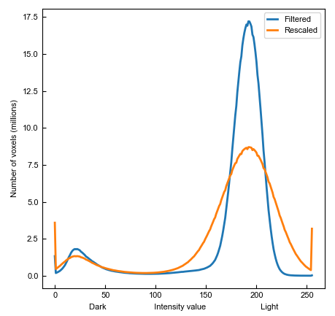
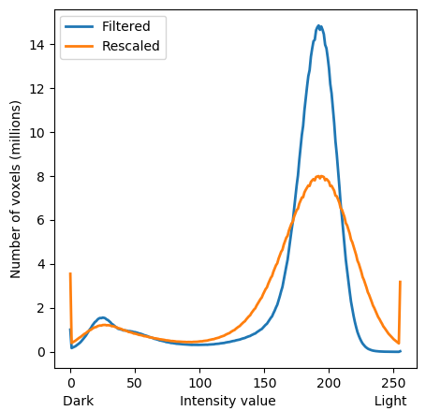
Porosity | 120:970 | 0.03235 | val = 111 | vertical | 1008 | Porosity | 200:970 | 0.037440968749 | val = 117 | vertical | 1004 | Porosity | 130:970 | 0.040169 | val = 112 | vertical | 1005
 |  |  |  | horizontal | 1008 |  |  |  |  | horizontal | 1005 |  |  |  |  | horizontal | 1007
 |  |  |  |  |  |  |  |  |  |  |  |  |  |  |  | height | 994
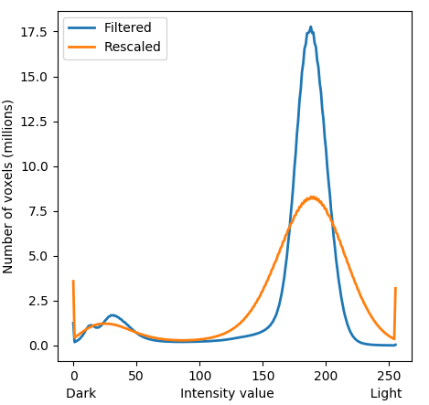

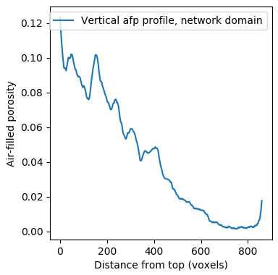
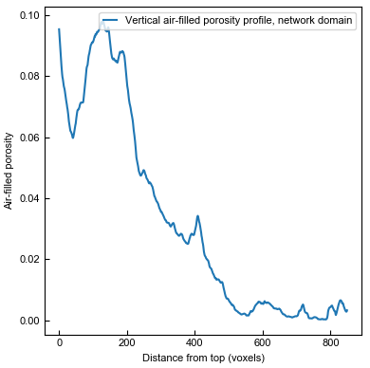
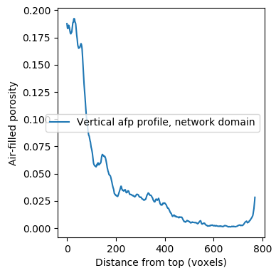

2B |  |  |  |  |  | 4Anew |  |  |  |  |  | 7B
 |  |  |  |  |  |  |  |  |  |  |  |  |  |  |  |  |  | inner diameters
Porosity | 220:970 | 0.074844210799 | val = 114 | vertical | 996 | Porosity | 328:868 | 0.081865 | val = 110 | vertical | 1005 | Porosity | 100:960 | 0.032089 | val = 117 | vertical | 1005 | 901
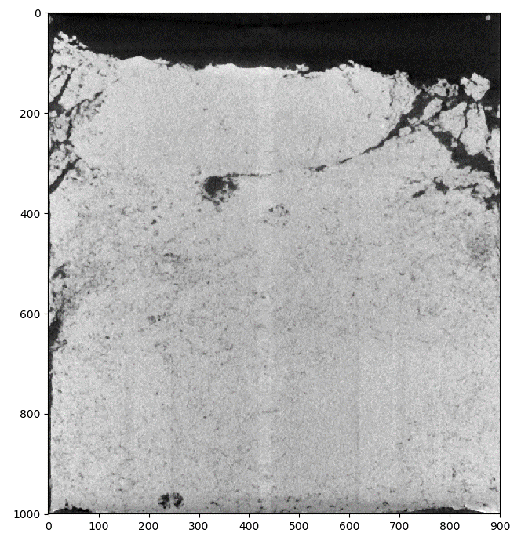
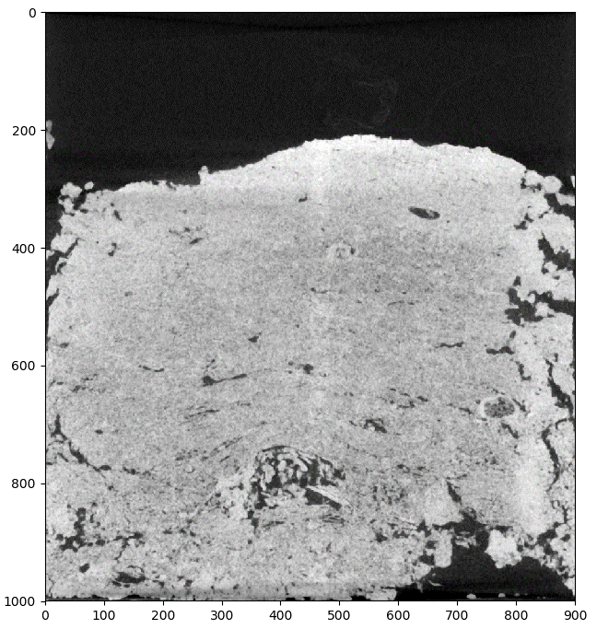
 |  |  |  | horizontal | 996 |  |  |  |  | horizontal | 1006 |  |  |  |  | horizontal | 1007 | 905
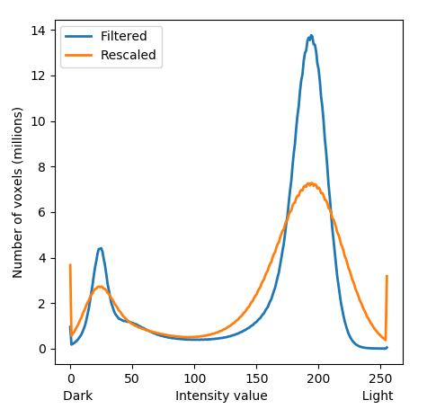
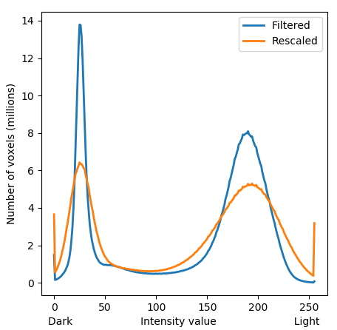







4B |  |  |  |  |  | 4B with a horizontal crop of 910 voxels |  |  |  |  |  | 8B

Porosity | 110:940 | 0.08091 | val = 111 | vertical | 1004 | Porosity | 110:940 | 0.0818939 | val = 110 | vertical | 1004 | Porosity | 70:930 | 0.08325 | val = 118
 |  |  |  | horizontal | 1010 |  |  |  |  | horizontal | 1010

Sheet2
 | 4A_new |  | 4A
 | p_p | p_p_a | p_p |  | 4A_new | 4A | ero
0 | 16.0893 | 99.9888 | 17.3412 | 0 | 16.0893 | 16.5392 | 0.4499
1 | 15.7407 | 99.9888 | 16.9776 | 1 | 15.7407 | 16.0719 | 0.3312
2 | 15.3933 | 99.9888 | 16.5392 | 2 | 15.3933 | 15.7916 | 0.3983
3 | 15.0456 | 99.9888 | 16.0719 | 3 | 15.0456 | 15.6124 | 0.5668
4 | 14.7928 | 99.9888 | 15.7916 | 4 | 14.7928 | 15.4668 | 0.674
5 | 14.6764 | 99.9888 | 15.6124 | 5 | 14.6764 | 15.3022 | 0.6258
6 | 14.5061 | 99.9888 | 15.4668 | 6 | 14.5061 | 15.1219 | 0.6158
7 | 14.3238 | 99.9888 | 15.3022 | 7 | 14.3238 | 14.9614 | 0.6376
8 | 14.2507 | 99.9888 | 15.1219 | 8 | 14.2507 | 14.9165 | 0.6658
9 | 14.1569 | 99.9888 | 14.9614 | 9 | 14.1569 | 14.787 | 0.6301
10 | 14.049 | 99.9888 | 14.9165 | 10 | 14.049 | 14.6954 | 0.6464
11 | 13.8876 | 99.9888 | 14.787 | 11 | 13.8876 | 14.5994 | 0.7118
12 | 13.734 | 99.9888 | 14.6954 | 12 | 13.734 | 14.4989 | 0.7649
13 | 13.6285 | 99.9888 | 14.5994 | 13 | 13.6285 | 14.3828 | 0.7543
14 | 13.5304 | 99.9888 | 14.4989 | 14 | 13.5304 | 14.2615 | 0.7311
15 | 13.5117 | 99.9888 | 14.3828 | 15 | 13.5117 | 14.2078 | 0.6961
16 | 13.5457 | 99.9888 | 14.2615 | 16 | 13.5457 | 14.2218 | 0.6761
17 | 13.5488 | 99.9884 | 14.2078 | 17 | 13.5488 | 14.299 | 0.7502
18 | 13.5488 | 99.9883 | 14.2218 | 18 | 13.5488 | 14.3359 | 0.7871
19 | 13.494 | 99.9886 | 14.299 | 19 | 13.494 | 14.3342 | 0.8402
20 | 13.5304 | 99.9878 | 14.3359 | 20 | 13.5304 | 14.3284 | 0.798
21 | 13.5336 | 99.9878 | 14.3342 | 21 | 13.5336 | 14.3311 | 0.7975
22 | 13.5114 | 99.9875 | 14.3284 | 22 | 13.5114 | 14.3723 | 0.8609
23 | 13.4784 | 99.9873 | 14.3311 | 23 | 13.4784 | 14.4238 | 0.9454
24 | 13.4454 | 99.9869 | 14.3723 | 24 | 13.4454 | 14.434 | 0.9886
25 | 13.3561 | 99.9875 | 14.4238 | 25 | 13.3561 | 14.3723 | 1.0162
26 | 13.2881 | 99.9884 | 14.434 | 26 | 13.2881 | 14.2932 | 1.0051
27 | 13.2794 | 99.9883 | 14.3723 | 27 | 13.2794 | 14.2038 | 0.9244
28 | 13.2513 | 99.9877 | 14.2932 | 28 | 13.2513 | 14.2147 | 0.9634
29 | 13.3061 | 99.9872 | 14.2038 | 29 | 13.3061 | 14.311 | 1.0049
30 | 13.3767 | 99.9867 | 14.2147 | 30 | 13.3767 | 14.4203 | 1.0436
31 | 13.4284 | 99.9855 | 14.311 | 31 | 13.4284 | 14.4355 | 1.0071
32 | 13.4262 | 99.9845 | 14.4203 | 32 | 13.4262 | 14.4363 | 1.0101
33 | 13.3921 | 99.9842 | 14.4355 | 33 | 13.3921 | 14.4037 | 1.0116
34 | 13.3363 | 99.9853 | 14.4363 | 34 | 13.3363 | 14.3387 | 1.0024
35 | 13.3635 | 99.9844 | 14.4037 | 35 | 13.3635 | 14.344 | 0.9805
36 | 13.3896 | 99.9836 | 14.3387 | 36 | 13.3896 | 14.371 | 0.9814
37 | 13.4707 | 99.9826 | 14.344 | 37 | 13.4707 | 14.4938 | 1.0231
38 | 13.5859 | 99.9809 | 14.371 | 38 | 13.5859 | 14.5711 | 0.9852
39 | 13.6847 | 99.9804 | 14.4938 | 39 | 13.6847 | 14.7218 | 1.0371
40 | 13.7776 | 99.9814 | 14.5711 | 40 | 13.7776 | 14.8731 | 1.0955
41 | 13.844 | 99.9823 | 14.7218 | 41 | 13.844 | 14.9964 | 1.1524
42 | 13.9395 | 99.9834 | 14.8731 | 42 | 13.9395 | 15.1623 | 1.2228
43 | 14.0407 | 99.9831 | 14.9964 | 43 | 14.0407 | 15.2366 | 1.1959
44 | 14.0023 | 99.9822 | 15.1623 | 44 | 14.0023 | 15.2438 | 1.2415
45 | 13.8903 | 99.9796 | 15.2366 | 45 | 13.8903 | 15.18 | 1.2897
46 | 13.8206 | 99.9792 | 15.2438 | 46 | 13.8206 | 14.9812 | 1.1606
47 | 13.7554 | 99.9803 | 15.18 | 47 | 13.7554 | 14.8691 | 1.1137
48 | 13.6955 | 99.9815 | 14.9812 | 48 | 13.6955 | 14.7972 | 1.1017
49 | 13.6664 | 99.9834 | 14.8691 | 49 | 13.6664 | 14.7417 | 1.0753
50 | 13.5482 | 99.9845 | 14.7972 | 50 | 13.5482 | 14.6519 | 1.1037
51 | 13.3575 | 99.9839 | 14.7417 | 51 | 13.3575 | 14.4137 | 1.0562
52 | 13.2283 | 99.9828 | 14.6519 | 52 | 13.2283 | 14.188 | 0.9597
53 | 13.103 | 99.9811 | 14.4137 | 53 | 13.103 | 14.077 | 0.974
54 | 13.0722 | 99.9796 | 14.188 | 54 | 13.0722 | 14.0146 | 0.9424
55 | 12.9721 | 99.9789 | 14.077 | 55 | 12.9721 | 13.9952 | 1.0231
56 | 12.8321 | 99.9771 | 14.0146 | 56 | 12.8321 | 13.8823 | 1.0502
57 | 12.6747 | 99.9763 | 13.9952 | 57 | 12.6747 | 13.7805 | 1.1058
58 | 12.5713 | 99.9785 | 13.8823 | 58 | 12.5713 | 13.7213 | 1.15
59 | 12.4919 | 99.9807 | 13.7805 | 59 | 12.4919 | 13.6724 | 1.1805
60 | 12.5131 | 99.98 | 13.7213 | 60 | 12.5131 | 13.6139 | 1.1008
61 | 12.5306 | 99.9776 | 13.6724 | 61 | 12.5306 | 13.5345 | 1.0039
62 | 12.5282 | 99.9765 | 13.6139 | 62 | 12.5282 | 13.5608 | 1.0326
63 | 12.6197 | 99.9767 | 13.5345 | 63 | 12.6197 | 13.6196 | 0.9999
64 | 12.7388 | 99.9776 | 13.5608 | 64 | 12.7388 | 13.6744 | 0.9356
65 | 12.6934 | 99.9782 | 13.6196 | 65 | 12.6934 | 13.6106 | 0.9172
66 | 12.5493 | 99.9784 | 13.6744 | 66 | 12.5493 | 13.4903 | 0.941
67 | 12.4375 | 99.9807 | 13.6106 | 67 | 12.4375 | 13.3465 | 0.909
68 | 12.318 | 99.9861 | 13.4903 | 68 | 12.318 | 13.2284 | 0.9104
69 | 12.1736 | 99.9884 | 13.3465 | 69 | 12.1736 | 13.0722 | 0.8986
70 | 11.9667 | 99.9884 | 13.2284 | 70 | 11.9667 | 12.9177 | 0.951
71 | 11.8089 | 99.987 | 13.0722 | 71 | 11.8089 | 12.7227 | 0.9138
72 | 11.7133 | 99.9847 | 12.9177 | 72 | 11.7133 | 12.6409 | 0.9276
73 | 11.6527 | 99.9842 | 12.7227 | 73 | 11.6527 | 12.5614 | 0.9087
74 | 11.5481 | 99.9845 | 12.6409 | 74 | 11.5481 | 12.473 | 0.9249
75 | 11.4263 | 99.9858 | 12.5614 | 75 | 11.4263 | 12.3924 | 0.9661
76 | 11.3103 | 99.9862 | 12.473 | 76 | 11.3103 | 12.2839 | 0.9736
77 | 11.2363 | 99.9875 | 12.3924 | 77 | 11.2363 | 12.1827 | 0.9464
78 | 11.1404 | 99.9872 | 12.2839 | 78 | 11.1404 | 12.0494 | 0.909
79 | 11.0522 | 99.9851 | 12.1827 | 79 | 11.0522 | 11.9218 | 0.8696
80 | 11.0035 | 99.9828 | 12.0494 | 80 | 11.0035 | 11.8409 | 0.8374
81 | 10.9563 | 99.9814 | 11.9218 | 81 | 10.9563 | 11.8276 | 0.8713
82 | 10.8805 | 99.9806 | 11.8409 | 82 | 10.8805 | 11.834 | 0.9535
83 | 10.8184 | 99.9798 | 11.8276 | 83 | 10.8184 | 11.7791 | 0.9607
84 | 10.7384 | 99.9807 | 11.834 | 84 | 10.7384 | 11.721 | 0.9826
85 | 10.6327 | 99.982 | 11.7791 | 85 | 10.6327 | 11.6789 | 1.0462
86 | 10.5952 | 99.9817 | 11.721 | 86 | 10.5952 | 11.6131 | 1.0179
87 | 10.6029 | 99.9839 | 11.6789 | 87 | 10.6029 | 11.5928 | 0.9899
88 | 10.6303 | 99.9829 | 11.6131 | 88 | 10.6303 | 11.5792 | 0.9489
89 | 10.6765 | 99.9837 | 11.5928 | 89 | 10.6765 | 11.5414 | 0.8649
90 | 10.7578 | 99.9834 | 11.5792 | 90 | 10.7578 | 11.568 | 0.8102
91 | 10.8431 | 99.9829 | 11.5414 | 91 | 10.8431 | 11.6409 | 0.7978
92 | 10.9926 | 99.9828 | 11.568 | 92 | 10.9926 | 11.7482 | 0.7556
93 | 11.0869 | 99.9825 | 11.6409 | 93 | 11.0869 | 11.8458 | 0.7589
94 | 11.1877 | 99.9773 | 11.7482 | 94 | 11.1877 | 11.8827 | 0.695
95 | 11.2179 | 99.9737 | 11.8458 | 95 | 11.2179 | 11.9283 | 0.7104
96 | 11.2257 | 99.9729 | 11.8827 | 96 | 11.2257 | 11.9449 | 0.7192
97 | 11.152 | 99.973 | 11.9283 | 97 | 11.152 | 11.9092 | 0.7572
98 | 11.0599 | 99.9688 | 11.9449 | 98 | 11.0599 | 11.8841 | 0.8242
99 | 10.9943 | 99.9674 | 11.9092 | 99 | 10.9943 | 11.8717 | 0.8774
100 | 10.9172 | 99.9649 | 11.8841 | 100 | 10.9172 | 11.8296 | 0.9124
101 | 10.8478 | 99.9639 | 11.8717 | 101 | 10.8478 | 11.8129 | 0.9651
102 | 10.7284 | 99.9642 | 11.8296 | 102 | 10.7284 | 11.7338 | 1.0054
103 | 10.5347 | 99.9664 | 11.8129 | 103 | 10.5347 | 11.5466 | 1.0119
104 | 10.3489 | 99.966 | 11.7338 | 104 | 10.3489 | 11.4067 | 1.0578
105 | 10.2956 | 99.965 | 11.5466 | 105 | 10.2956 | 11.2931 | 0.9975
106 | 10.1883 | 99.9657 | 11.4067 | 106 | 10.1883 | 11.2359 | 1.0476
107 | 10.083 | 99.9661 | 11.2931 | 107 | 10.083 | 11.1735 | 1.0905
108 | 10.0081 | 99.9627 | 11.2359 | 108 | 10.0081 | 11.1317 | 1.1236
109 | 9.90376 | 99.962 | 11.1735 | 109 | 9.90376 | 11.1103 | 1.20654
110 | 9.73808 | 99.9573 | 11.1317 | 110 | 9.73808 | 10.9953 | 1.25722
111 | 9.54788 | 99.948 | 11.1103 | 111 | 9.54788 | 10.8202 | 1.27232
112 | 9.3209 | 99.9397 | 10.9953 | 112 | 9.3209 | 10.5479 | 1.227
113 | 9.01894 | 99.9388 | 10.8202 | 113 | 9.01894 | 10.2542 | 1.23526
114 | 8.73757 | 99.9405 | 10.5479 | 114 | 8.73757 | 9.911 | 1.17343
115 | 8.49895 | 99.9444 | 10.2542 | 115 | 8.49895 | 9.57105 | 1.0721
116 | 8.31677 | 99.9501 | 9.911 | 116 | 8.31677 | 9.35318 | 1.03641
117 | 8.20516 | 99.9562 | 9.57105 | 117 | 8.20516 | 9.24417 | 1.03901
118 | 8.13254 | 99.9598 | 9.35318 | 118 | 8.13254 | 9.17852 | 1.04598
119 | 8.05096 | 99.965 | 9.24417 | 119 | 8.05096 | 9.15653 | 1.10557
120 | 7.97802 | 99.966 | 9.17852 | 120 | 7.97802 | 9.08734 | 1.10932
121 | 7.92568 | 99.968 | 9.15653 | 121 | 7.92568 | 9.07596 | 1.15028
122 | 7.88733 | 99.9707 | 9.08734 | 122 | 7.88733 | 9.09472 | 1.20739
123 | 7.90006 | 99.9752 | 9.07596 | 123 | 7.90006 | 9.08519 | 1.18513
124 | 7.87695 | 99.9779 | 9.09472 | 124 | 7.87695 | 9.08504 | 1.20809
125 | 7.82759 | 99.9759 | 9.08519 | 125 | 7.82759 | 8.98817 | 1.16058
126 | 7.73344 | 99.9712 | 9.08504 | 126 | 7.73344 | 8.91099 | 1.17755
127 | 7.62891 | 99.9671 | 8.98817 | 127 | 7.62891 | 8.83057 | 1.20166
128 | 7.53113 | 99.9639 | 8.91099 | 128 | 7.53113 | 8.7274 | 1.19627
129 | 7.47486 | 99.9619 | 8.83057 | 129 | 7.47486 | 8.65283 | 1.17797
130 | 7.38825 | 99.9603 | 8.7274 | 130 | 7.38825 | 8.55612 | 1.16787
131 | 7.31908 | 99.9581 | 8.65283 | 131 | 7.31908 | 8.48647 | 1.16739
132 | 7.20213 | 99.9583 | 8.55612 | 132 | 7.20213 | 8.39345 | 1.19132
133 | 7.0888 | 99.9598 | 8.48647 | 133 | 7.0888 | 8.31119 | 1.22239
134 | 6.96462 | 99.9605 | 8.39345 | 134 | 6.96462 | 8.22632 | 1.2617
135 | 6.89388 | 99.9625 | 8.31119 | 135 | 6.89388 | 8.14022 | 1.24634
136 | 6.85019 | 99.963 | 8.22632 | 136 | 6.85019 | 8.02767 | 1.17748
137 | 6.79753 | 99.9635 | 8.14022 | 137 | 6.79753 | 7.97754 | 1.18001
138 | 6.71453 | 99.9638 | 8.02767 | 138 | 6.71453 | 7.95325 | 1.23872
139 | 6.64395 | 99.9598 | 7.97754 | 139 | 6.64395 | 7.94064 | 1.29669
140 | 6.61676 | 99.9487 | 7.95325 | 140 | 6.61676 | 7.82948 | 1.21272
141 | 6.56614 | 99.9334 | 7.94064 | 141 | 6.56614 | 7.76459 | 1.19845
142 | 6.48079 | 99.9169 | 7.82948 | 142 | 6.48079 | 7.65943 | 1.17864
143 | 6.3706 | 99.9028 | 7.76459 | 143 | 6.3706 | 7.53857 | 1.16797
144 | 6.27078 | 99.8968 | 7.65943 | 144 | 6.27078 | 7.3962 | 1.12542
145 | 6.14519 | 99.8888 | 7.53857 | 145 | 6.14519 | 7.29318 | 1.14799
146 | 6.07933 | 99.8723 | 7.3962 | 146 | 6.07933 | 7.34454 | 1.26521
147 | 6.07823 | 99.8599 | 7.29318 | 147 | 6.07823 | 7.45324 | 1.37501
148 | 6.06895 | 99.8548 | 7.34454 | 148 | 6.06895 | 7.49645 | 1.4275
149 | 6.05182 | 99.85 | 7.45324 | 149 | 6.05182 | 7.49229 | 1.44047
150 | 6.03531 | 99.8506 | 7.49645 | 150 | 6.03531 | 7.51182 | 1.47651
151 | 6.06518 | 99.8523 | 7.49229 | 151 | 6.06518 | 7.49522 | 1.43004
152 | 6.03736 | 99.8567 | 7.51182 | 152 | 6.03736 | 7.49245 | 1.45509
153 | 6.01173 | 99.8696 | 7.49522 | 153 | 6.01173 | 7.50598 | 1.49425
154 | 5.95939 | 99.8691 | 7.49245 | 154 | 5.95939 | 7.43433 | 1.47494
155 | 5.95483 | 99.8614 | 7.50598 | 155 | 5.95483 | 7.40788 | 1.45305
156 | 5.9344 | 99.8523 | 7.43433 | 156 | 5.9344 | 7.39712 | 1.46272
157 | 5.96458 | 99.8459 | 7.40788 | 157 | 5.96458 | 7.42818 | 1.4636
158 | 5.9957 | 99.8452 | 7.39712 | 158 | 5.9957 | 7.43218 | 1.43648
159 | 6.00796 | 99.846 | 7.42818 | 159 | 6.00796 | 7.40773 | 1.39977
160 | 6.04097 | 99.8418 | 7.43218 | 160 | 6.04097 | 7.38513 | 1.34416
161 | 6.15415 | 99.839 | 7.40773 | 161 | 6.15415 | 7.43279 | 1.27864
162 | 6.24532 | 99.8298 | 7.38513 | 162 | 6.24532 | 7.46016 | 1.21484
163 | 6.34796 | 99.8228 | 7.43279 | 163 | 6.34796 | 7.54964 | 1.20168
164 | 6.41304 | 99.8229 | 7.46016 | 164 | 6.41304 | 7.63544 | 1.2224
165 | 6.51804 | 99.8229 | 7.54964 | 165 | 6.51804 | 7.74891 | 1.23087
166 | 6.68042 | 99.8221 | 7.63544 | 166 | 6.68042 | 7.80534 | 1.12492
167 | 6.73968 | 99.8209 | 7.74891 | 167 | 6.73968 | 7.78289 | 1.04321
168 | 6.68074 | 99.8184 | 7.80534 | 168 | 6.68074 | 7.7629 | 1.08216
169 | 6.63625 | 99.8041 | 7.78289 | 169 | 6.63625 | 7.68372 | 1.04747
170 | 6.6023 | 99.791 | 7.7629 | 170 | 6.6023 | 7.58962 | 0.98732
171 | 6.56111 | 99.789 | 7.68372 | 171 | 6.56111 | 7.47815 | 0.91704
172 | 6.46507 | 99.7822 | 7.58962 | 172 | 6.46507 | 7.32363 | 0.85856
173 | 6.38427 | 99.7596 | 7.47815 | 173 | 6.38427 | 7.22107 | 0.8368
174 | 6.32549 | 99.7418 | 7.32363 | 174 | 6.32549 | 7.12451 | 0.79902
175 | 6.24532 | 99.7124 | 7.22107 | 175 | 6.24532 | 7.04456 | 0.79924
176 | 6.14126 | 99.6829 | 7.12451 | 176 | 6.14126 | 6.93955 | 0.79829
177 | 6.06864 | 99.667 | 7.04456 | 177 | 6.06864 | 6.85129 | 0.78265
178 | 5.95703 | 99.6576 | 6.93955 | 178 | 5.95703 | 6.8147 | 0.85767
179 | 5.90374 | 99.6401 | 6.85129 | 179 | 5.90374 | 6.83546 | 0.93172
180 | 5.85203 | 99.6198 | 6.8147 | 180 | 5.85203 | 6.86959 | 1.01756
181 | 5.84967 | 99.5849 | 6.83546 | 181 | 5.84967 | 6.88666 | 1.03699
182 | 5.85816 | 99.5351 | 6.86959 | 182 | 5.85816 | 6.92494 | 1.06678
183 | 5.82704 | 99.4788 | 6.88666 | 183 | 5.82704 | 6.958 | 1.13096
184 | 5.82373 | 99.4191 | 6.92494 | 184 | 5.82373 | 6.97537 | 1.15164
185 | 5.78066 | 99.3834 | 6.958 | 185 | 5.78066 | 6.99628 | 1.21562
186 | 5.6502 | 99.3405 | 6.97537 | 186 | 5.6502 | 6.92233 | 1.27213
187 | 5.47792 | 99.2852 | 6.99628 | 187 | 5.47792 | 6.74382 | 1.2659
188 | 5.24292 | 99.2111 | 6.92233 | 188 | 5.24292 | 6.58391 | 1.34099
189 | 5.08416 | 99.1382 | 6.74382 | 189 | 5.08416 | 6.45215 | 1.36799
190 | 5.00619 | 99.0756 | 6.58391 | 190 | 5.00619 | 6.28102 | 1.27483
191 | 4.88468 | 98.998 | 6.45215 | 191 | 4.88468 | 6.05039 | 1.16571
192 | 4.73315 | 98.835 | 6.28102 | 192 | 4.73315 | 5.8093 | 1.07615
193 | 4.54468 | 98.6089 | 6.05039 | 193 | 4.54468 | 5.63002 | 1.08534
194 | 4.48432 | 98.3691 | 5.8093 | 194 | 4.48432 | 5.5553 | 1.07098
195 | 4.46153 | 98.1179 | 5.63002 | 195 | 4.46153 | 5.52778 | 1.06625
196 | 4.46451 | 97.915 | 5.5553 | 196 | 4.46451 | 5.50917 | 1.04466
197 | 4.52236 | 97.682 | 5.52778 | 197 | 4.52236 | 5.56483 | 1.04247
198 | 4.60174 | 97.4321 | 5.50917 | 198 | 4.60174 | 5.69075 | 1.08901
199 | 4.67373 | 97.2313 | 5.56483 | 199 | 4.67373 | 5.74811 | 1.07438
200 | 4.75987 | 97.0246 | 5.69075 | 200 | 4.75987 | 5.8133 | 1.05343
201 | 4.73802 | 96.7855 | 5.74811 | 201 | 4.73802 | 5.83436 | 1.09634
202 | 4.72592 | 96.526 | 5.8133 | 202 | 4.72592 | 5.80653 | 1.08061
203 | 4.74981 | 96.2847 | 5.83436 | 203 | 4.74981 | 5.77363 | 1.02382
204 | 4.75563 | 96.0063 | 5.80653 | 204 | 4.75563 | 5.75918 | 1.00355
205 | 4.68756 | 95.6289 | 5.77363 | 205 | 4.68756 | 5.73073 | 1.04317
206 | 4.58995 | 95.1467 | 5.75918 | 206 | 4.58995 | 5.64755 | 1.0576
207 | 4.46781 | 94.6317 | 5.73073 | 207 | 4.46781 | 5.545 | 1.07719
208 | 4.41767 | 94.0264 | 5.64755 | 208 | 4.41767 | 5.41492 | 0.99725
209 | 4.33216 | 93.453 | 5.545 | 209 | 4.33216 | 5.30329 | 0.97113
210 | 4.1954 | 92.9444 | 5.41492 | 210 | 4.1954 | 5.20335 | 1.00795
211 | 4.16318 | 92.4754 | 5.30329 | 211 | 4.16318 | 5.15861 | 0.99543
212 | 4.10738 | 92.0195 | 5.20335 | 212 | 4.10738 | 5.16968 | 1.0623
213 | 4.08899 | 91.6332 | 5.15861 | 213 | 4.08899 | 5.15 | 1.06101
214 | 4.05095 | 91.2795 | 5.16968 | 214 | 4.05095 | 5.15415 | 1.1032
215 | 4.04057 | 90.942 | 5.15 | 215 | 4.04057 | 5.16599 | 1.12542
216 | 4.00992 | 90.5786 | 5.15415 | 216 | 4.00992 | 5.1317 | 1.12178
217 | 3.96826 | 90.1494 | 5.16599 | 217 | 3.96826 | 5.15431 | 1.18605
218 | 3.93352 | 89.637 | 5.1317 | 218 | 3.93352 | 5.13832 | 1.2048
219 | 3.90775 | 89.1475 | 5.15431 | 219 | 3.90775 | 5.06175 | 1.154
220 | 3.8499 | 88.6931 | 5.13832 | 220 | 3.8499 | 4.97118 | 1.12128
221 | 3.76046 | 88.2666 | 5.06175 | 221 | 3.76046 | 4.81851 | 1.05805
222 | 3.68281 | 87.809 | 4.97118 | 222 | 3.68281 | 4.69089 | 1.00808
223 | 3.58063 | 87.3145 | 4.81851 | 223 | 3.58063 | 4.62739 | 1.04676
224 | 3.50204 | 86.7648 | 4.69089 | 224 | 3.50204 | 4.57481 | 1.07277
225 | 3.47201 | 86.2077 | 4.62739 | 225 | 3.47201 | 4.5642 | 1.09219
226 | 3.4805 | 85.5966 | 4.57481 | 226 | 3.4805 | 4.56374 | 1.08324
227 | 3.50927 | 84.9274 | 4.5642 | 227 | 3.50927 | 4.6051 | 1.09583
228 | 3.52247 | 84.1383 | 4.56374 | 228 | 3.52247 | 4.58465 | 1.06218
229 | 3.44891 | 83.3302 | 4.6051 | 229 | 3.44891 | 4.57296 | 1.12405
230 | 3.40568 | 82.5367 | 4.58465 | 230 | 3.40568 | 4.53514 | 1.12946
231 | 3.41653 | 81.6811 | 4.57296 | 231 | 3.41653 | 4.49824 | 1.08171
232 | 3.41338 | 80.6729 | 4.53514 | 232 | 3.41338 | 4.50715 | 1.09377
233 | 3.40379 | 79.5665 | 4.49824 | 233 | 3.40379 | 4.52699 | 1.1232
234 | 3.42722 | 78.5102 | 4.50715 | 234 | 3.42722 | 4.56912 | 1.1419
235 | 3.44183 | 77.4758 | 4.52699 | 235 | 3.44183 | 4.66967 | 1.22784
236 | 3.48255 | 76.4873 | 4.56912 | 236 | 3.48255 | 4.77807 | 1.29552
237 | 3.56036 | 75.5503 | 4.66967 | 237 | 3.56036 | 4.88262 | 1.32226
238 | 3.65876 | 74.5518 | 4.77807 | 238 | 3.65876 | 5.04007 | 1.38131
239 | 3.82271 | 73.5783 | 4.88262 | 239 | 3.82271 | 5.11064 | 1.28793
240 | 3.92755 | 72.6839 | 5.04007 | 240 | 3.92755 | 5.1317 | 1.20415
241 | 3.97251 | 71.8219 | 5.11064 | 241 | 3.97251 | 5.03115 | 1.05864
242 | 3.91733 | 70.9685 | 5.1317 | 242 | 3.91733 | 4.97826 | 1.06093
243 | 3.90224 | 70.0437 | 5.03115 | 243 | 3.90224 | 4.90815 | 1.00591
244 | 3.8587 | 69.2485 | 4.97826 | 244 | 3.8587 | 4.83742 | 0.97872
245 | 3.95254 | 68.4874 | 4.90815 | 245 | 3.95254 | 4.81512 | 0.86258
246 | 4.04796 | 67.764 | 4.83742 | 246 | 4.04796 | 4.93613 | 0.88817
247 | 4.12262 | 67.0708 | 4.81512 | 247 | 4.12262 | 5.03207 | 0.90945
248 | 4.1462 | 66.4436 | 4.93613 | 248 | 4.1462 | 5.10387 | 0.95767
249 | 4.11492 | 65.8277 | 5.03207 | 249 | 4.11492 | 5.23856 | 1.12364
250 | 4.1701 | 65.237 | 5.10387 | 250 | 4.1701 | 5.36372 | 1.19362
251 | 4.31424 | 64.726 | 5.23856 | 251 | 4.31424 | 5.53915 | 1.22491
252 | 4.52927 | 64.2269 | 5.36372 | 252 | 4.52927 | 5.71659 | 1.18732
253 | 4.70187 | 63.7412 | 5.53915 | 253 | 4.70187 | 5.83821 | 1.13634
254 | 4.79996 | 63.2074 | 5.71659 | 254 | 4.79996 | 5.88956 | 1.0896
255 | 4.83375 | 62.6376 | 5.83821 | 255 | 4.83375 | 5.88279 | 1.04904
256 | 4.87494 | 62.1254 | 5.88956 | 256 | 4.87494 | 5.91247 | 1.03753
257 | 4.89065 | 61.636 | 5.88279 | 257 | 4.89065 | 5.92216 | 1.03151
258 | 4.87289 | 61.1188 | 5.91247 | 258 | 4.87289 | 5.90263 | 1.02974
259 | 4.87273 | 60.5664 | 5.92216 | 259 | 4.87273 | 5.9037 | 1.03097
260 | 4.96029 | 59.985 | 5.90263 | 260 | 4.96029 | 5.95229 | 0.992
261 | 5.02364 | 59.4359 | 5.9037 | 261 | 5.02364 | 6.11389 | 1.09025
262 | 5.08321 | 58.9103 | 5.95229 | 262 | 5.08321 | 6.23997 | 1.15676
263 | 5.13791 | 58.367 | 6.11389 | 263 | 5.13791 | 6.35036 | 1.21245
264 | 5.23223 | 57.8166 | 6.23997 | 264 | 5.23223 | 6.49535 | 1.26312
265 | 5.23254 | 57.2287 | 6.35036 | 265 | 5.23254 | 6.53394 | 1.3014
266 | 5.24135 | 56.6739 | 6.49535 | 266 | 5.24135 | 6.51918 | 1.27783
267 | 5.24983 | 56.1477 | 6.53394 | 267 | 5.24983 | 6.47705 | 1.22722
268 | 5.25298 | 55.6304 | 6.51918 | 268 | 5.25298 | 6.45184 | 1.19886
269 | 5.25706 | 55.0778 | 6.47705 | 269 | 5.25706 | 6.50458 | 1.24752
270 | 5.4361 | 54.5522 | 6.45184 | 270 | 5.4361 | 6.61144 | 1.17534
271 | 5.62127 | 53.942 | 6.50458 | 271 | 5.62127 | 6.76734 | 1.14607
272 | 5.74058 | 53.2574 | 6.61144 | 272 | 5.74058 | 6.90265 | 1.16207
273 | 5.717 | 52.6393 | 6.76734 | 273 | 5.717 | 6.97322 | 1.25622
274 | 5.7596 | 51.9817 | 6.90265 | 274 | 5.7596 | 7.1156 | 1.356
275 | 5.79135 | 51.2664 | 6.97322 | 275 | 5.79135 | 7.14112 | 1.34977
276 | 5.71323 | 50.5006 | 7.1156 | 276 | 5.71323 | 7.16926 | 1.45603
277 | 5.64627 | 49.8241 | 7.14112 | 277 | 5.64627 | 7.24091 | 1.59464
278 | 5.60508 | 49.197 | 7.16926 | 278 | 5.60508 | 7.32639 | 1.72131
279 | 5.54331 | 48.6632 | 7.24091 | 279 | 5.54331 | 7.23768 | 1.69437
280 | 5.48845 | 48.2124 | 7.32639 | 280 | 5.48845 | 7.12006 | 1.63161
281 | 5.43375 | 47.7565 | 7.23768 | 281 | 5.43375 | 6.99059 | 1.55684
282 | 5.38832 | 47.2738 | 7.12006 | 282 | 5.38832 | 6.89065 | 1.50233
283 | 5.3627 | 46.7934 | 6.99059 | 283 | 5.3627 | 6.86036 | 1.49766
284 | 5.482 | 46.2889 | 6.89065 | 284 | 5.482 | 7.00397 | 1.52197
285 | 5.72785 | 45.7849 | 6.86036 | 285 | 5.72785 | 7.20462 | 1.47677
286 | 5.95986 | 45.2481 | 7.00397 | 286 | 5.95986 | 7.4331 | 1.47324
287 | 6.12664 | 44.6237 | 7.20462 | 287 | 6.12664 | 7.52904 | 1.4024
288 | 6.22268 | 43.922 | 7.4331 | 288 | 6.22268 | 7.7526 | 1.52992
289 | 6.35629 | 43.1142 | 7.52904 | 289 | 6.35629 | 7.84209 | 1.4858
290 | 6.50641 | 42.1788 | 7.7526 | 290 | 6.50641 | 7.92173 | 1.41532
291 | 6.59947 | 41.2456 | 7.84209 | 291 | 6.59947 | 7.99092 | 1.39145
292 | 6.63185 | 40.3945 | 7.92173 | 292 | 6.63185 | 7.99692 | 1.36507
293 | 6.58532 | 39.4585 | 7.99092 | 293 | 6.58532 | 7.92511 | 1.33979
294 | 6.46554 | 38.4735 | 7.99692 | 294 | 6.46554 | 8.00814 | 1.5426
295 | 6.34859 | 37.5008 | 7.92511 | 295 | 6.34859 | 8.03489 | 1.6863
296 | 6.34089 | 36.505 | 8.00814 | 296 | 6.34089 | 7.83178 | 1.49089
297 | 6.34262 | 35.5262 | 8.03489 | 297 | 6.34262 | 7.6605 | 1.31788
298 | 6.28242 | 34.6015 | 7.83178 | 298 | 6.28242 | 7.5664 | 1.28398
299 | 6.2219 | 33.6325 | 7.6605 | 299 | 6.2219 | 7.57455 | 1.35265
300 | 6.18276 | 32.6514 | 7.5664 | 300 | 6.18276 | 7.49153 | 1.30877
301 | 6.11658 | 31.6996 | 7.57455 | 301 | 6.11658 | 7.35007 | 1.23349
302 | 6.05496 | 30.7945 | 7.49153 | 302 | 6.05496 | 7.28688 | 1.23192
303 | 6.04553 | 29.8627 | 7.35007 | 303 | 6.04553 | 7.19662 | 1.15109
304 | 5.98265 | 29.0605 | 7.28688 | 304 | 5.98265 | 7.23337 | 1.25072
305 | 5.92874 | 28.3409 | 7.19662 | 305 | 5.92874 | 7.27212 | 1.34338
306 | 5.91789 | 27.6144 | 7.23337 | 306 | 5.91789 | 7.2283 | 1.31041
307 | 5.94587 | 26.9627 | 7.27212 | 307 | 5.94587 | 7.2835 | 1.33763
308 | 5.96096 | 26.3257 | 7.2283 | 308 | 5.96096 | 7.37652 | 1.41556
309 | 6.00497 | 25.762 | 7.2835 | 309 | 6.00497 | 7.47292 | 1.46795
310 | 6.08829 | 25.2521 | 7.37652 | 310 | 6.08829 | 7.5518 | 1.46351
311 | 6.20995 | 24.7067 | 7.47292 | 311 | 6.20995 | 7.65158 | 1.44163
312 | 6.33665 | 24.0842 | 7.5518 | 312 | 6.33665 | 7.82825 | 1.4916
313 | 6.49132 | 23.4241 | 7.65158 | 313 | 6.49132 | 7.92188 | 1.43056
314 | 6.52905 | 22.7605 | 7.82825 | 314 | 6.52905 | 7.88591 | 1.35686
315 | 6.54319 | 22.1314 | 7.92188 | 315 | 6.54319 | 7.79396 | 1.25077
316 | 6.53392 | 21.4825 | 7.88591 | 316 | 6.53392 | 7.75245 | 1.21853
317 | 6.52606 | 20.8833 | 7.79396 | 317 | 6.52606 | 7.73861 | 1.21255
318 | 6.45375 | 20.3756 | 7.75245 | 318 | 6.45375 | 7.722 | 1.26825
319 | 6.36258 | 19.874 | 7.73861 | 319 | 6.36258 | 7.60899 | 1.24641
320 | 6.31684 | 19.429 | 7.722 | 320 | 6.31684 | 7.60254 | 1.2857
321 | 6.33696 | 19.1003 | 7.60899 | 321 | 6.33696 | 7.55549 | 1.21853
322 | 6.36085 | 18.7614 | 7.60254 | 322 | 6.36085 | 7.60008 | 1.23923
323 | 6.45344 | 18.3953 | 7.55549 | 323 | 6.45344 | 7.65804 | 1.2046
324 | 6.48095 | 17.9891 | 7.60008 | 324 | 6.48095 | 7.68772 | 1.20677
325 | 6.46381 | 17.5759 | 7.65804 | 325 | 6.46381 | 7.74614 | 1.28233
326 | 6.51553 | 16.9913 | 7.68772 | 326 | 6.51553 | 7.86592 | 1.35039
327 | 6.55938 | 16.4135 | 7.74614 | 327 | 6.55938 | 7.92373 | 1.36435
328 | 6.55986 | 16.0893 | 7.86592 | 328 | 6.55986 | 7.87745 | 1.31759
329 | 6.47482 | 15.7407 | 7.92373 | 329 | 6.47482 | 7.89513 | 1.42031
330 | 6.38553 | 15.3933 | 7.87745 | 330 | 6.38553 | 7.91143 | 1.5259
331 | 6.32297 | 15.0456 | 7.89513 | 331 | 6.32297 | 7.88775 | 1.56478
332 | 6.27361 | 14.7928 | 7.91143 | 332 | 6.27361 | 7.95786 | 1.68425
333 | 6.33743 | 14.6764 | 7.88775 | 333 | 6.33743 | 8.01106 | 1.67363
334 | 6.39905 | 14.5061 | 7.95786 | 334 | 6.39905 | 8.05227 | 1.65322
335 | 6.48645 | 14.3238 | 8.01106 | 335 | 6.48645 | 8.11331 | 1.62686
336 | 6.60198 | 14.2507 | 8.05227 | 336 | 6.60198 | 8.15082 | 1.54884
337 | 6.57369 | 14.1569 | 8.11331 | 337 | 6.57369 | 8.10055 | 1.52686
338 | 6.49934 | 14.049 | 8.15082 | 338 | 6.49934 | 8.00968 | 1.51034
339 | 6.43678 | 13.8876 | 8.10055 | 339 | 6.43678 | 7.93634 | 1.49956
340 | 6.36148 | 13.734 | 8.00968 | 340 | 6.36148 | 7.87653 | 1.51505
341 | 6.30851 | 13.6285 | 7.93634 | 341 | 6.30851 | 7.76598 | 1.45747
342 | 6.30568 | 13.5304 | 7.87653 | 342 | 6.30568 | 7.67665 | 1.37097
343 | 6.33649 | 13.5117 | 7.76598 | 343 | 6.33649 | 7.68572 | 1.34923
344 | 6.36007 | 13.5457 | 7.67665 | 344 | 6.36007 | 7.70955 | 1.34948
345 | 6.40958 | 13.5488 | 7.68572 | 345 | 6.40958 | 7.70801 | 1.29843
346 | 6.41556 | 13.5488 | 7.70955 | 346 | 6.41556 | 7.73907 | 1.32351
347 | 6.32344 | 13.494 | 7.70801 | 347 | 6.32344 | 7.71309 | 1.38965
348 | 6.12035 | 13.5304 | 7.73907 | 348 | 6.12035 | 7.62591 | 1.50556
349 | 6.01959 | 13.5336 | 7.71309 | 349 | 6.01959 | 7.51274 | 1.49315
350 | 5.89054 | 13.5114 | 7.62591 | 350 | 5.89054 | 7.47507 | 1.58453
351 | 5.84307 | 13.4784 | 7.51274 | 351 | 5.84307 | 7.49276 | 1.64969
352 | 5.88598 | 13.4454 | 7.47507 | 352 | 5.88598 | 7.5026 | 1.61662
353 | 5.92056 | 13.3561 | 7.49276 | 353 | 5.92056 | 7.37267 | 1.45211
354 | 5.87734 | 13.2881 | 7.5026 | 354 | 5.87734 | 7.30687 | 1.42953
355 | 5.84936 | 13.2794 | 7.37267 | 355 | 5.84936 | 7.21892 | 1.36956
356 | 5.79041 | 13.2513 | 7.30687 | 356 | 5.79041 | 7.11221 | 1.3218
357 | 5.78884 | 13.3061 | 7.21892 | 357 | 5.78884 | 7.1239 | 1.33506
358 | 5.84668 | 13.3767 | 7.11221 | 358 | 5.84668 | 7.1239 | 1.27722
359 | 5.78365 | 13.4284 | 7.1239 | 359 | 5.78365 | 7.05948 | 1.27583
360 | 5.73052 | 13.4262 | 7.1239 | 360 | 5.73052 | 7.05932 | 1.3288
361 | 5.64045 | 13.3921 | 7.05948 | 361 | 5.64045 | 7.02011 | 1.37966
362 | 5.56359 | 13.3363 | 7.05932 | 362 | 5.56359 | 7.02181 | 1.45822
363 | 5.52696 | 13.3635 | 7.02011 | 363 | 5.52696 | 6.99598 | 1.46902
364 | 5.53828 | 13.3896 | 7.02181 | 364 | 5.53828 | 6.94324 | 1.40496
365 | 5.56893 | 13.4707 | 6.99598 | 365 | 5.56893 | 6.7924 | 1.22347
366 | 5.46487 | 13.5859 | 6.94324 | 366 | 5.46487 | 6.72952 | 1.26465
367 | 5.2841 | 13.6847 | 6.7924 | 367 | 5.2841 | 6.67555 | 1.39145
368 | 5.19387 | 13.7776 | 6.72952 | 368 | 5.19387 | 6.56685 | 1.37298
369 | 5.23003 | 13.844 | 6.67555 | 369 | 5.23003 | 6.49873 | 1.2687
370 | 5.18098 | 13.9395 | 6.56685 | 370 | 5.18098 | 6.41448 | 1.2335
371 | 5.13021 | 14.0407 | 6.49873 | 371 | 5.13021 | 6.36128 | 1.23107
372 | 5.11371 | 14.0023 | 6.41448 | 372 | 5.11371 | 6.35082 | 1.23711
373 | 5.13603 | 13.8903 | 6.36128 | 373 | 5.13603 | 6.37896 | 1.24293
374 | 5.16825 | 13.8206 | 6.35082 | 374 | 5.16825 | 6.3602 | 1.19195
375 | 5.16511 | 13.7554 | 6.37896 | 375 | 5.16511 | 6.33314 | 1.16803
376 | 5.11355 | 13.6955 | 6.3602 | 376 | 5.11355 | 6.3682 | 1.25465
377 | 5.11434 | 13.6664 | 6.33314 | 377 | 5.11434 | 6.49212 | 1.37778
378 | 5.13257 | 13.5482 | 6.3682 | 378 | 5.13257 | 6.56254 | 1.42997
379 | 5.20645 | 13.3575 | 6.49212 | 379 | 5.20645 | 6.46414 | 1.25769
380 | 5.24763 | 13.2283 | 6.56254 | 380 | 5.24763 | 6.38403 | 1.1364
381 | 5.21981 | 13.103 | 6.46414 | 381 | 5.21981 | 6.32638 | 1.10657
382 | 5.21305 | 13.0722 | 6.38403 | 382 | 5.21305 | 6.3336 | 1.12055
383 | 5.18067 | 12.9721 | 6.32638 | 383 | 5.18067 | 6.27702 | 1.09635
384 | 5.06765 | 12.8321 | 6.3336 | 384 | 5.06765 | 6.18246 | 1.11481
385 | 4.94174 | 12.6747 | 6.27702 | 385 | 4.94174 | 6.03378 | 1.09204
386 | 4.81017 | 12.5713 | 6.18246 | 386 | 4.81017 | 5.8093 | 0.99913
387 | 4.53902 | 12.4919 | 6.03378 | 387 | 4.53902 | 5.57821 | 1.03919
388 | 4.36863 | 12.5131 | 5.8093 | 388 | 4.36863 | 5.36387 | 0.99524
389 | 4.20028 | 12.5306 | 5.57821 | 389 | 4.20028 | 5.24241 | 1.04213
390 | 4.17874 | 12.5282 | 5.36387 | 390 | 4.17874 | 5.24471 | 1.06597
391 | 4.2248 | 12.6197 | 5.24241 | 391 | 4.2248 | 5.28838 | 1.06358
392 | 4.34788 | 12.7388 | 5.24471 | 392 | 4.34788 | 5.3731 | 1.02522
393 | 4.4686 | 12.6934 | 5.28838 | 393 | 4.4686 | 5.50932 | 1.04072
394 | 4.51371 | 12.5493 | 5.3731 | 394 | 4.51371 | 5.60742 | 1.09371
395 | 4.53179 | 12.4375 | 5.50932 | 395 | 4.53179 | 5.71551 | 1.18372
396 | 4.64025 | 12.318 | 5.60742 | 396 | 4.64025 | 5.91216 | 1.27191
397 | 4.75138 | 12.1736 | 5.71551 | 397 | 4.75138 | 6.12649 | 1.37511
398 | 4.93718 | 11.9667 | 5.91216 | 398 | 4.93718 | 6.33868 | 1.4015
399 | 5.01169 | 11.8089 | 6.12649 | 399 | 5.01169 | 6.46598 | 1.45429
400 | 5.02694 | 11.7133 | 6.33868 | 400 | 5.02694 | 6.49289 | 1.46595
401 | 5.06136 | 11.6527 | 6.46598 | 401 | 5.06136 | 6.4972 | 1.43584
402 | 5.11339 | 11.5481 | 6.49289 | 402 | 5.11339 | 6.46199 | 1.3486
403 | 5.1049 | 11.4263 | 6.4972 | 403 | 5.1049 | 6.46952 | 1.36462
404 | 5.02458 | 11.3103 | 6.46199 | 404 | 5.02458 | 6.3685 | 1.34392
405 | 4.90464 | 11.2363 | 6.46952 | 405 | 4.90464 | 6.22075 | 1.31611
406 | 4.81363 | 11.1404 | 6.3685 | 406 | 4.81363 | 6.19553 | 1.3819
407 | 4.75516 | 11.0522 | 6.22075 | 407 | 4.75516 | 6.28732 | 1.53216
408 | 4.78612 | 11.0035 | 6.19553 | 408 | 4.78612 | 6.34252 | 1.5564
409 | 4.82243 | 10.9563 | 6.28732 | 409 | 4.82243 | 6.33299 | 1.51056
410 | 4.8938 | 10.8805 | 6.34252 | 410 | 4.8938 | 6.40694 | 1.51314
411 | 4.98748 | 10.8184 | 6.33299 | 411 | 4.98748 | 6.3725 | 1.38502
412 | 5.01059 | 10.7384 | 6.40694 | 412 | 5.01059 | 6.2907 | 1.28011
413 | 5.06859 | 10.6327 | 6.3725 | 413 | 5.06859 | 6.19814 | 1.12955
414 | 4.9628 | 10.5952 | 6.2907 | 414 | 4.9628 | 6.10189 | 1.13909
415 | 4.85183 | 10.6029 | 6.19814 | 415 | 4.85183 | 5.98104 | 1.12921
416 | 4.82935 | 10.6303 | 6.10189 | 416 | 4.82935 | 5.88818 | 1.05883
417 | 4.85151 | 10.6765 | 5.98104 | 417 | 4.85151 | 5.90493 | 1.05342
418 | 4.95667 | 10.7578 | 5.88818 | 418 | 4.95667 | 6.049 | 1.09233
419 | 5.08761 | 10.8431 | 5.90493 | 419 | 5.08761 | 6.20629 | 1.11868
420 | 5.17045 | 10.9926 | 6.049 | 420 | 5.17045 | 6.30608 | 1.13563
421 | 5.2382 | 11.0869 | 6.20629 | 421 | 5.2382 | 6.37788 | 1.13968
422 | 5.35279 | 11.1877 | 6.30608 | 422 | 5.35279 | 6.55455 | 1.20176
423 | 5.49316 | 11.2179 | 6.37788 | 423 | 5.49316 | 6.79763 | 1.30447
424 | 5.68965 | 11.2257 | 6.55455 | 424 | 5.68965 | 6.99136 | 1.30171
425 | 5.86429 | 11.152 | 6.79763 | 425 | 5.86429 | 7.09576 | 1.23147
426 | 5.977 | 11.0599 | 6.99136 | 426 | 5.977 | 7.1977 | 1.2207
427 | 6.05936 | 10.9943 | 7.09576 | 427 | 6.05936 | 7.34285 | 1.28349
428 | 6.19077 | 10.9172 | 7.1977 | 428 | 6.19077 | 7.5355 | 1.34473
429 | 6.37704 | 10.8478 | 7.34285 | 429 | 6.37704 | 7.68895 | 1.31191
430 | 6.46806 | 10.7284 | 7.5355 | 430 | 6.46806 | 7.84116 | 1.3731
431 | 6.62792 | 10.5347 | 7.68895 | 431 | 6.62792 | 8.01491 | 1.38699
432 | 6.79423 | 10.3489 | 7.84116 | 432 | 6.79423 | 8.21602 | 1.42179
433 | 6.9478 | 10.2956 | 8.01491 | 433 | 6.9478 | 8.42036 | 1.47256
434 | 7.17981 | 10.1883 | 8.21602 | 434 | 7.17981 | 8.627 | 1.44719
435 | 7.51101 | 10.083 | 8.42036 | 435 | 7.51101 | 8.86424 | 1.35323
436 | 7.76645 | 10.0081 | 8.627 | 436 | 7.76645 | 9.07596 | 1.30951
437 | 7.99799 | 9.90376 | 8.86424 | 437 | 7.99799 | 9.28661 | 1.28862
438 | 8.19479 | 9.73808 | 9.07596 | 438 | 8.19479 | 9.5363 | 1.34151
439 | 8.34789 | 9.54788 | 9.28661 | 439 | 8.34789 | 9.78016 | 1.43227
440 | 8.55994 | 9.3209 | 9.5363 | 440 | 8.55994 | 10.0136 | 1.45366
441 | 8.7984 | 9.01894 | 9.78016 | 441 | 8.7984 | 10.2792 | 1.4808
442 | 8.94584 | 8.73757 | 10.0136 | 442 | 8.94584 | 10.5811 | 1.63526
443 | 9.07081 | 8.49895 | 10.2792 | 443 | 9.07081 | 10.8832 | 1.81239
444 | 9.15113 | 8.31677 | 10.5811 | 444 | 9.15113 | 11.1563 | 2.00517
445 | 9.26337 | 8.20516 | 10.8832 | 445 | 9.26337 | 11.2863 | 2.02293
446 | 9.32263 | 8.13254 | 11.1563 | 446 | 9.32263 | 11.384 | 2.06137
447 | 9.45938 | 8.05096 | 11.2863 | 447 | 9.45938 | 11.4287 | 1.96932
448 | 9.71655 | 7.97802 | 11.384 | 448 | 9.71655 | 11.6469 | 1.93035
449 | 9.88411 | 7.92568 | 11.4287 | 449 | 9.88411 | 11.7605 | 1.87639
450 | 9.86085 | 7.88733 | 11.6469 | 450 | 9.86085 | 11.7679 | 1.90705
451 | 9.90423 | 7.90006 | 11.7605 | 451 | 9.90423 | 11.8146 | 1.91037
452 | 9.96223 | 7.87695 | 11.7679 | 452 | 9.96223 | 11.8823 | 1.92007
453 | 10.1201 | 7.82759 | 11.8146 | 453 | 10.1201 | 11.9967 | 1.8766
454 | 10.2273 | 7.73344 | 11.8823 | 454 | 10.2273 | 12.2064 | 1.9791
455 | 10.267 | 7.62891 | 11.9967 | 455 | 10.267 | 12.4292 | 2.1622
456 | 10.4316 | 7.53113 | 12.2064 | 456 | 10.4316 | 12.5893 | 2.1577
457 | 10.5698 | 7.47486 | 12.4292 | 457 | 10.5698 | 12.632 | 2.0622
458 | 10.7527 | 7.38825 | 12.5893 | 458 | 10.7527 | 12.7399 | 1.9872
459 | 10.9392 | 7.31908 | 12.632 | 459 | 10.9392 | 12.8242 | 1.885
460 | 11.1064 | 7.20213 | 12.7399 | 460 | 11.1064 | 12.8858 | 1.7794
461 | 11.1665 | 7.0888 | 12.8242 | 461 | 11.1665 | 12.9716 | 1.8051
462 | 11.1322 | 6.96462 | 12.8858 | 462 | 11.1322 | 12.9575 | 1.8253
463 | 11.1715 | 6.89388 | 12.9716 | 463 | 11.1715 | 12.995 | 1.8235
464 | 11.3106 | 6.85019 | 12.9575 | 464 | 11.3106 | 13.1185 | 1.8079
465 | 11.3546 | 6.79753 | 12.995 | 465 | 11.3546 | 13.2279 | 1.8733
466 | 11.359 | 6.71453 | 13.1185 | 466 | 11.359 | 13.2705 | 1.9115
467 | 11.4276 | 6.64395 | 13.2279 | 467 | 11.4276 | 13.3406 | 1.913
468 | 11.5737 | 6.61676 | 13.2705 | 468 | 11.5737 | 13.5082 | 1.9345
469 | 11.6777 | 6.56614 | 13.3406 | 469 | 11.6777 | 13.6735 | 1.9958
470 | 11.7817 | 6.48079 | 13.5082 | 470 | 11.7817 | 13.7346 | 1.9529
471 | 11.9128 | 6.3706 | 13.6735 | 471 | 11.9128 | 13.7549 | 1.8421
472 | 12.0593 | 6.27078 | 13.7346 | 472 | 12.0593 | 13.8563 | 1.797
473 | 12.2508 | 6.14519 | 13.7549 | 473 | 12.2508 | 14.1005 | 1.8497
474 | 12.3638 | 6.07933 | 13.8563 | 474 | 12.3638 | 14.3614 | 1.9976
475 | 12.4188 | 6.07823 | 14.1005 | 475 | 12.4188 | 14.5387 | 2.1199
476 | 12.4072 | 6.06895 | 14.3614 | 476 | 12.4072 | 14.654 | 2.2468
477 | 12.3903 | 6.05182 | 14.5387 | 477 | 12.3903 | 14.6925 | 2.3022
478 | 12.2989 | 6.03531 | 14.654 | 478 | 12.2989 | 14.5447 | 2.2458
479 | 12.1066 | 6.06518 | 14.6925 | 479 | 12.1066 | 14.3968 | 2.2902
480 | 11.9648 | 6.03736 | 14.5447 | 480 | 11.9648 | 14.1388 | 2.174
481 | 11.8452 | 6.01173 | 14.3968 | 481 | 11.8452 | 14.0047 | 2.1595
482 | 11.7254 | 5.95939 | 14.1388 | 482 | 11.7254 | 13.7705 | 2.0451
483 | 11.5495 | 5.95483 | 14.0047 | 483 | 11.5495 | 13.6054 | 2.0559
484 | 11.4288 | 5.9344 | 13.7705 | 484 | 11.4288 | 13.5665 | 2.1377
485 | 11.4744 | 5.96458 | 13.6054 | 485 | 11.4744 | 13.5994 | 2.125
486 | 11.5557 | 5.9957 | 13.5665 | 486 | 11.5557 | 13.5962 | 2.0405
487 | 11.6404 | 6.00796 | 13.5994 | 487 | 11.6404 | 13.7538 | 2.1134
488 | 11.7419 | 6.04097 | 13.5962 | 488 | 11.7419 | 13.856 | 2.1141
489 | 11.7713 | 6.15415 | 13.7538 | 489 | 11.7713 | 13.9504 | 2.1791
490 | 11.846 | 6.24532 | 13.856 | 490 | 11.846 | 14.0082 | 2.1622
491 | 11.9054 | 6.34796 | 13.9504 | 491 | 11.9054 | 14.0882 | 2.1828
492 | 11.957 | 6.41304 | 14.0082 | 492 | 11.957 | 14.1179 | 2.1609
493 | 12.0189 | 6.51804 | 14.0882 | 493 | 12.0189 | 14.1732 | 2.1543
494 | 12.0661 | 6.68042 | 14.1179 | 494 | 12.0661 | 14.1938 | 2.1277
495 | 12.0326 | 6.73968 | 14.1732 | 495 | 12.0326 | 14.0522 | 2.0196
496 | 11.8759 | 6.68074 | 14.1938 | 496 | 11.8759 | 13.9512 | 2.0753
497 | 11.7545 | 6.63625 | 14.0522 | 497 | 11.7545 | 13.9384 | 2.1839
498 | 11.661 | 6.6023 | 13.9512 | 498 | 11.661 | 13.8419 | 2.1809
499 | 11.6333 | 6.56111 | 13.9384 | 499 | 11.6333 | 13.8356 | 2.2023
500 | 11.6126 | 6.46507 | 13.8419 | 500 | 11.6126 | 13.9275 | 2.3149
501 | 11.7401 | 6.38427 | 13.8356 | 501 | 11.7401 | 14.1199 | 2.3798
502 | 11.8779 | 6.32549 | 13.9275 | 502 | 11.8779 | 14.2317 | 2.3538
503 | 11.8985 | 6.24532 | 14.1199 | 503 | 11.8985 | 14.2738 | 2.3753
504 | 11.8743 | 6.14126 | 14.2317 | 504 | 11.8743 | 14.2612 | 2.3869
505 | 11.7864 | 6.06864 | 14.2738 | 505 | 11.7864 | 14.291 | 2.5046
506 | 11.7518 | 5.95703 | 14.2612 | 506 | 11.7518 | 14.3627 | 2.6109
507 | 11.9477 | 5.90374 | 14.291 | 507 | 11.9477 | 14.4458 | 2.4981
508 | 12.0371 | 5.85203 | 14.3627 | 508 | 12.0371 | 14.6711 | 2.634
509 | 12.1409 | 5.84967 | 14.4458 | 509 | 12.1409 | 14.7992 | 2.6583
510 | 12.1956 | 5.85816 | 14.6711 | 510 | 12.1956 | 14.7749 | 2.5793
511 | 12.1994 | 5.82704 | 14.7992 | 511 | 12.1994 | 14.7773 | 2.5779
512 | 12.1954 | 5.82373 | 14.7749 | 512 | 12.1954 | 14.775 | 2.5796
513 | 12.1651 | 5.78066 | 14.7773 | 513 | 12.1651 | 14.7987 | 2.6336
514 | 12.192 | 5.6502 | 14.775 | 514 | 12.192 | 14.8762 | 2.6842
515 | 12.2657 | 5.47792 | 14.7987 | 515 | 12.2657 | 14.9372 | 2.6715
516 | 12.3814 | 5.24292 | 14.8762 | 516 | 12.3814 | 15.0083 | 2.6269
517 | 12.4966 | 5.08416 | 14.9372 | 517 | 12.4966 | 15.1855 | 2.6889
518 | 12.6808 | 5.00619 | 15.0083 | 518 | 12.6808 | 15.3132 | 2.6324
519 | 12.907 | 4.88468 | 15.1855 | 519 | 12.907 | 15.4145 | 2.5075
520 | 13.0746 | 4.73315 | 15.3132 | 520 | 13.0746 | 15.555 | 2.4804
521 | 13.1796 | 4.54468 | 15.4145 | 521 | 13.1796 | 15.8029 | 2.6233
522 | 13.2255 | 4.48432 | 15.555 | 522 | 13.2255 | 15.9419 | 2.7164
523 | 13.0829 | 4.46153 | 15.8029 | 523 | 13.0829 | 15.8538 | 2.7709
524 | 12.8688 | 4.46451 | 15.9419 | 524 | 12.8688 | 15.7896 | 2.9208
525 | 12.6617 | 4.52236 | 15.8538 | 525 | 12.6617 | 15.6988 | 3.0371
526 | 12.6384 | 4.60174 | 15.7896 | 526 | 12.6384 | 15.5848 | 2.9464
527 | 12.8003 | 4.67373 | 15.6988 | 527 | 12.8003 | 15.5732 | 2.7729
 | ero
0 | 0.4499
1 | 0.3312
2 | 0.3983
3 | 0.5668
4 | 0.674
5 | 0.6258
6 | 0.6158
7 | 0.6376
8 | 0.6658
9 | 0.6301
10 | 0.6464
11 | 0.7118
12 | 0.7649
13 | 0.7543
14 | 0.7311
15 | 0.6961
16 | 0.6761
17 | 0.7502
18 | 0.7871
19 | 0.8402
20 | 0.798
21 | 0.7975
22 | 0.8609
23 | 0.9454
24 | 0.9886
25 | 1.0162
26 | 1.0051
27 | 0.9244
28 | 0.9634
29 | 1.0049
30 | 1.0436
31 | 1.0071
32 | 1.0101
33 | 1.0116
34 | 1.0024
35 | 0.9805
36 | 0.9814
37 | 1.0231
38 | 0.9852
39 | 1.0371
40 | 1.0955
41 | 1.1524
42 | 1.2228
43 | 1.1959
44 | 1.2415
45 | 1.2897
46 | 1.1606
47 | 1.1137
48 | 1.1017
49 | 1.0753
...
528 | 13.0447 | 4.75987 | 15.5848 | 528 | 13.0447 | 15.8012 | 2.7565
529 | 13.2271 | 4.73802 | 15.5732 | 529 | 13.2271 | 15.9225 | 2.6954
530 | 13.3627 | 4.72592 | 15.8012 | 530 | 13.3627 | 16.1101 | 2.7474
531 | 13.3398 | 4.74981 | 15.9225 | 531 | 13.3398 | 16.1745 | 2.8347
532 | 13.2524 | 4.75563 | 16.1101 | 532 | 13.2524 | 16.1685 | 2.9161
533 | 13.0719 | 4.68756 | 16.1745 | 533 | 13.0719 | 15.9732 | 2.9013
534 | 12.9712 | 4.58995 | 16.1685 | 534 | 12.9712 | 15.7324 | 2.7612
535 | 12.8616 | 4.46781 | 15.9732 | 535 | 12.8616 | 15.5675 | 2.7059
536 | 12.8132 | 4.41767 | 15.7324 | 536 | 12.8132 | 15.5544 | 2.7412
537 | 12.8434 | 4.33216 | 15.5675 | 537 | 12.8434 | 15.5233 | 2.6799
538 | 12.8998 | 4.1954 | 15.5544 | 538 | 8.167617342 | 9.5300937732 | 1.3624764312
539 | 13.1269 | 4.16318 | 15.5233 | 539
540 |  | 4.10738
541 |  | 4.08899
542 |  | 4.05095
543 |  | 4.04057
544 |  | 4.00992
545 |  | 3.96826
546 |  | 3.93352
547 |  | 3.90775
548 |  | 3.8499
549 |  | 3.76046
550 |  | 3.68281
551 |  | 3.58063
552 |  | 3.50204
553 |  | 3.47201
554 |  | 3.4805
555 |  | 3.50927
556 |  | 3.52247
557 |  | 3.44891
558 |  | 3.40568
559 |  | 3.41653
560 |  | 3.41338
561 |  | 3.40379
562 |  | 3.42722
563 |  | 3.44183
564 |  | 3.48255
565 |  | 3.56036
566 |  | 3.65876
567 |  | 3.82271
568 |  | 3.92755
569 |  | 3.97251
570 |  | 3.91733
571 |  | 3.90224
572 |  | 3.8587
573 |  | 3.95254
574 |  | 4.04796
575 |  | 4.12262
576 |  | 4.1462
577 |  | 4.11492
578 |  | 4.1701
579 |  | 4.31424
580 |  | 4.52927
581 |  | 4.70187
582 |  | 4.79996
583 |  | 4.83375
584 |  | 4.87494
585 |  | 4.89065
586 |  | 4.87289
587 |  | 4.87273
588 |  | 4.96029
589 |  | 5.02364
590 |  | 5.08321
591 |  | 5.13791
592 |  | 5.23223
593 |  | 5.23254
594 |  | 5.24135
595 |  | 5.24983
596 |  | 5.25298
597 |  | 5.25706
598 |  | 5.4361
599 |  | 5.62127
600 |  | 5.74058
601 |  | 5.717
602 |  | 5.7596
603 |  | 5.79135
604 |  | 5.71323
605 |  | 5.64627
606 |  | 5.60508
607 |  | 5.54331
608 |  | 5.48845
609 |  | 5.43375
610 |  | 5.38832
611 |  | 5.3627
612 |  | 5.482
613 |  | 5.72785
614 |  | 5.95986
615 |  | 6.12664
616 |  | 6.22268
617 |  | 6.35629
618 |  | 6.50641
619 |  | 6.59947
620 |  | 6.63185
621 |  | 6.58532
622 |  | 6.46554
623 |  | 6.34859
624 |  | 6.34089
625 |  | 6.34262
626 |  | 6.28242
627 |  | 6.2219
628 |  | 6.18276
629 |  | 6.11658
630 |  | 6.05496
631 |  | 6.04553
632 |  | 5.98265
633 |  | 5.92874
634 |  | 5.91789
635 |  | 5.94587
636 |  | 5.96096
637 |  | 6.00497
638 |  | 6.08829
639 |  | 6.20995
640 |  | 6.33665
641 |  | 6.49132
642 |  | 6.52905
643 |  | 6.54319
644 |  | 6.53392
645 |  | 6.52606
646 |  | 6.45375
647 |  | 6.36258
648 |  | 6.31684
649 |  | 6.33696
650 |  | 6.36085
651 |  | 6.45344
652 |  | 6.48095
653 |  | 6.46381
654 |  | 6.51553
655 |  | 6.55938
656 |  | 6.55986
657 |  | 6.47482
658 |  | 6.38553
659 |  | 6.32297
660 |  | 6.27361
661 |  | 6.33743
662 |  | 6.39905
663 |  | 6.48645
664 |  | 6.60198
665 |  | 6.57369
666 |  | 6.49934
667 |  | 6.43678
668 |  | 6.36148
669 |  | 6.30851
670 |  | 6.30568
671 |  | 6.33649
672 |  | 6.36007
673 |  | 6.40958
674 |  | 6.41556
675 |  | 6.32344
676 |  | 6.12035
677 |  | 6.01959
678 |  | 5.89054
679 |  | 5.84307
680 |  | 5.88598
681 |  | 5.92056
682 |  | 5.87734
683 |  | 5.84936
684 |  | 5.79041
685 |  | 5.78884
686 |  | 5.84668
687 |  | 5.78365
688 |  | 5.73052
689 |  | 5.64045
690 |  | 5.56359
691 |  | 5.52696
692 |  | 5.53828
693 |  | 5.56893
694 |  | 5.46487
695 |  | 5.2841
696 |  | 5.19387
697 |  | 5.23003
698 |  | 5.18098
699 |  | 5.13021
700 |  | 5.11371
701 |  | 5.13603
702 |  | 5.16825
703 |  | 5.16511
704 |  | 5.11355
705 |  | 5.11434
706 |  | 5.13257
707 |  | 5.20645
708 |  | 5.24763
709 |  | 5.21981
710 |  | 5.21305
711 |  | 5.18067
712 |  | 5.06765
713 |  | 4.94174
714 |  | 4.81017
715 |  | 4.53902
716 |  | 4.36863
717 |  | 4.20028
718 |  | 4.17874
719 |  | 4.2248
720 |  | 4.34788
721 |  | 4.4686
722 |  | 4.51371
723 |  | 4.53179
724 |  | 4.64025
725 |  | 4.75138
726 |  | 4.93718
727 |  | 5.01169
728 |  | 5.02694
729 |  | 5.06136
730 |  | 5.11339
731 |  | 5.1049
732 |  | 5.02458
733 |  | 4.90464
734 |  | 4.81363
735 |  | 4.75516
736 |  | 4.78612
737 |  | 4.82243
738 |  | 4.8938
739 |  | 4.98748
740 |  | 5.01059
741 |  | 5.06859
742 |  | 4.9628
743 |  | 4.85183
744 |  | 4.82935
745 |  | 4.85151
746 |  | 4.95667
747 |  | 5.08761
748 |  | 5.17045
749 |  | 5.2382
750 |  | 5.35279
751 |  | 5.49316
752 |  | 5.68965
753 |  | 5.86429
754 |  | 5.977
755 |  | 6.05936
756 |  | 6.19077
757 |  | 6.37704
758 |  | 6.46806
759 |  | 6.62792
760 |  | 6.79423
761 |  | 6.9478
762 |  | 7.17981
763 |  | 7.51101
764 |  | 7.76645
765 |  | 7.99799
766 |  | 8.19479
767 |  | 8.34789
768 |  | 8.55994
769 |  | 8.7984
770 |  | 8.94584
771 |  | 9.07081
772 |  | 9.15113
773 |  | 9.26337
774 |  | 9.32263
775 |  | 9.45938
776 |  | 9.71655
777 |  | 9.88411
778 |  | 9.86085
779 |  | 9.90423
780 |  | 9.96223
781 |  | 10.1201
782 |  | 10.2273
783 |  | 10.267
784 |  | 10.4316
785 |  | 10.5698
786 |  | 10.7527
787 |  | 10.9392
788 |  | 11.1064
789 |  | 11.1665
790 |  | 11.1322
791 |  | 11.1715
792 |  | 11.3106
793 |  | 11.3546
794 |  | 11.359
795 |  | 11.4276
796 |  | 11.5737
797 |  | 11.6777
798 |  | 11.7817
799 |  | 11.9128
800 |  | 12.0593
801 |  | 12.2508
802 |  | 12.3638
803 |  | 12.4188
804 |  | 12.4072
805 |  | 12.3903
806 |  | 12.2989
807 |  | 12.1066
808 |  | 11.9648
809 |  | 11.8452
810 |  | 11.7254
811 |  | 11.5495
812 |  | 11.4288
813 |  | 11.4744
814 |  | 11.5557
815 |  | 11.6404
816 |  | 11.7419
817 |  | 11.7713
818 |  | 11.846
819 |  | 11.9054
820 |  | 11.957
821 |  | 12.0189
822 |  | 12.0661
823 |  | 12.0326
824 |  | 11.8759
825 |  | 11.7545
826 |  | 11.661
827 |  | 11.6333
828 |  | 11.6126
829 |  | 11.7401
830 |  | 11.8779
831 |  | 11.8985
832 |  | 11.8743
833 |  | 11.7864
834 |  | 11.7518
835 |  | 11.9477
836 |  | 12.0371
837 |  | 12.1409
838 |  | 12.1956
839 |  | 12.1994
840 |  | 12.1954
841 |  | 12.1651
842 |  | 12.192
843 |  | 12.2657
844 |  | 12.3814
845 |  | 12.4966
846 |  | 12.6808
847 |  | 12.907
848 |  | 13.0746
849 |  | 13.1796
850 |  | 13.2255
851 |  | 13.0829
852 |  | 12.8688
853 |  | 12.6617
854 |  | 12.6384
855 |  | 12.8003
856 |  | 13.0447
857 |  | 13.2271
858 |  | 13.3627
859 |  | 13.3398
860 |  | 13.2524
861 |  | 13.0719
862 |  | 12.9712
863 |  | 12.8616
864 |  | 12.8132
865 |  | 12.8434
866 |  | 12.8998
867 |  | 13.1269
868 |  | 13.3123
869 |  | 13.5133
870 |  | 13.7871
871 |  | 14.014
872 |  | 14.4126
873 |  | 14.8966
874 |  | 15.2999
875 |  | 15.7041
876 |  | 16.0252
877 |  | 16.2564
878 |  | 16.4095
879 |  | 16.5622
880 |  | 16.5648
881 |  | 16.5391
882 |  | 16.3706
883 |  | 16.3141
884 |  | 16.1609
885 |  | 16.0041
886 |  | 15.89
887 |  | 15.8759
888 |  | 15.8289
889 |  | 15.7343
890 |  | 15.6335
891 |  | 15.4931
892 |  | 15.2929
893 |  | 15.1421
894 |  | 15.1338
895 |  | 15.1841
896 |  | 15.2099
897 |  | 15.395
898 |  | 15.6126
899 |  | 15.7734
900 |  | 15.9953
901 |  | 16.1508
902 |  | 16.2858
903 |  | 16.2824
904 |  | 16.305
905 |  | 16.4451
906 |  | 16.5587
907 |  | 16.5185
908 |  | 16.5017
909 |  | 16.5568
910 |  | 16.6299
911 |  | 16.6684
912 |  | 16.6645
913 |  | 16.5378
914 |  | 16.389
915 |  | 16.2528
916 |  | 16.1271
917 |  | 16.1461
918 |  | 16.2116
919 |  | 16.2355
920 |  | 16.2215
921 |  | 16.2827
922 |  | 16.3629
923 |  | 16.509
924 |  | 16.7346
925 |  | 16.7939
926 |  | 16.8656
927 |  | 17.0238
928 |  | 17.1807
929 |  | 17.297
930 |  | 17.45
931 |  | 17.5726
932 |  | 17.6281
933 |  | 17.8104
934 |  | 17.9849
935 |  | 18.1825
936 |  | 18.3211
937 |  | 18.4175
938 |  | 18.5877
939 |  | 18.7092
940 |  | 18.8845
941 |  | 19.1109
942 |  | 19.3565
943 |  | 19.5211
944 |  | 19.6689
945 |  | 19.9196
946 |  | 20.1337
947 |  | 20.4009
948 |  | 20.7199
949 |  | 21.1667
950 |  | 21.6064
951 |  | 21.984
952 |  | 22.5488
953 |  | 23.15
954 |  | 23.858
955 |  | 24.6373
956 |  | 25.4995
957 |  | 26.2311
958 |  | 26.8141
959 |  | 27.3245
960 |  | 27.6801
961 |  | 28.0498
962 |  | 28.3574
963 |  | 28.5613
964 |  | 28.6565
965 |  | 28.7493
966 |  | 28.9099
967 |  | 29.1628
968 |  | 29.3218
969 |  | 29.3015
970 |  | 29.2276
971 |  | 29.1948
972 |  | 29.1828
973 |  | 29.2328
974 |  | 29.216
975 |  | 29.1353
976 |  | 29.1316
977 |  | 29.1116
978 |  | 29.1385
979 |  | 29.2289
980 |  | 29.2911
981 |  | 29.4771
982 |  | 29.6902
983 |  | 29.89
984 |  | 30.1209
985 |  | 30.4267
986 |  | 30.8641
987 |  | 31.5056
988 |  | 32.4844
989 |  | 33.7052
990 |  | 34.8574
991 |  | 35.9967
992 |  | 37.0519
993 |  | 38.4498
994 |  | 40.5454
995 |  | 43.248
996 |  | 46.5701
997 |  | 50.5844
998 |  | 55.2143
999 |  | 58.6756

