Sheet1
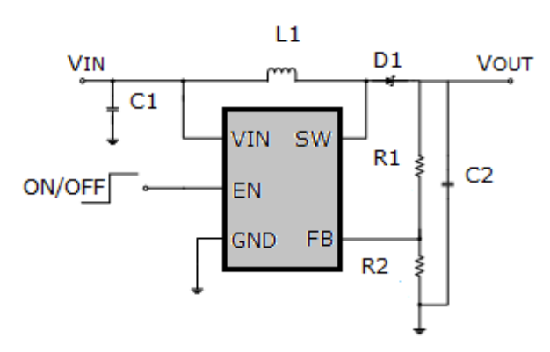
MT3608 BOOST |  |  |  |  |  |  |  |  | RISET

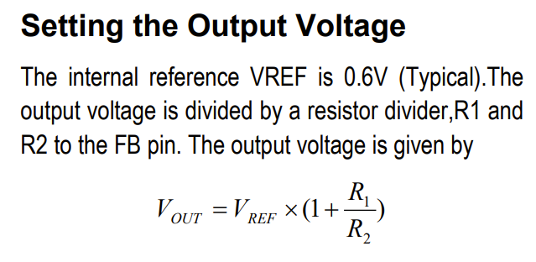

 | Vref | 0.6 | V
 | R2 (fixed) | 2.2 | kOhm
 | Vout | 0.6 | 5.5 | 12
 | R1 | 0.00 | 17.97 | 41.80
 |  |  |  |  |  |  |  |  | Kset | 540
 | R1 | 50 | 20.00 | 16.70 | 10.00 | 60.00 |  |  | Riset | 1500
 | R2 | 2.2 | 2.2 | 2.2 | 2.2 | 2.2 |  |  | Iout | 0.36 | A
 | Vout | 14.24 | 6.05 | 5.15 | 3.33 | 16.96

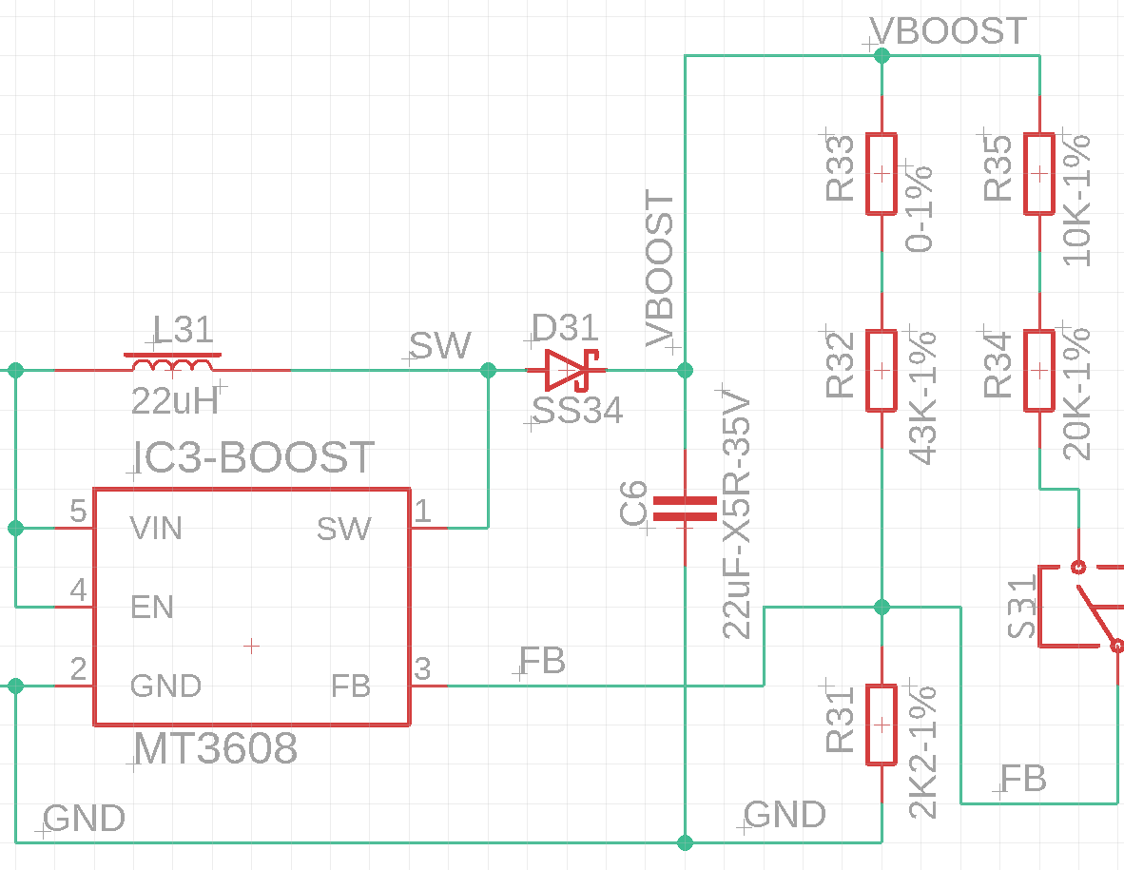

E-FUSE
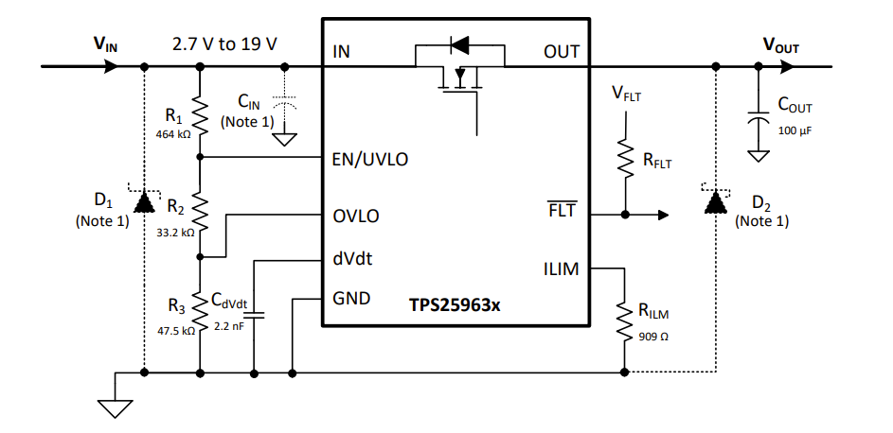

 |  |  |  |  |  |  | Vin(min) | 3 | (input)
 |  |  |  |  |  |  | Vin(max) | 15.8 | (input)
 |  |  |  |  |  |  | Vuvlo(f) | 1.1
 |  |  |  |  |  |  | Vovlo(r) | 1.2
 |  |  |  |  |  |  | R3 | 10.00 | (input)
 |  |  |  |  |  |  | R1+R2 | 121.67 |  | Used
 |  |  |  |  |  |  | R2 | 38.28 |  | 38.30 | 33+5.1
 |  |  |  |  |  |  | R1 | 83.39 |  | 82.50 | 43+43
 |  |  |  |  |  |  | R1+R2+R3 | 131.67 |  | 130.80

 |  |  |  |  |  |  |  |  | Check:
 |  |  |  |  |  |  |  |  | Vuvlo(c) | 1.11
 |  |  |  |  |  |  |  |  | Vovlo(c) | 1.21

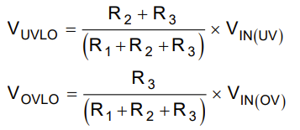
 |  |  |  |  |  |  |  |  | Set V:
 |  |  |  |  |  |  |  |  | Vin(min) | 2.98
 |  |  |  |  |  |  |  |  | Vin(max) | 15.70

 |  |  |  |  | ILIM | RLIM
 |  |  |  |  | 0.5 | 1,847.38
 |  |  |  |  | 1.5 | 606.53

 |  |  |  |  | Rlim | Ilim
 |  |  |  |  | 1800 | 0.51
 |  |  |  |  | 560 | 1.62

