Sheet1
 |  | V_in_mV | 1480

V_BATT MEASURE
SOFTWARE |  | V_in_V | 1.48
 |  | R1 | 10000
 |  | R2 | 3300
 |  |  | 5.96
 |  | offset | 290
 |  | V_Batt | 6.25

 | IB
10 | 80
5 | 160
1.2 | 580
0.75 | 900
0.68 | 1000

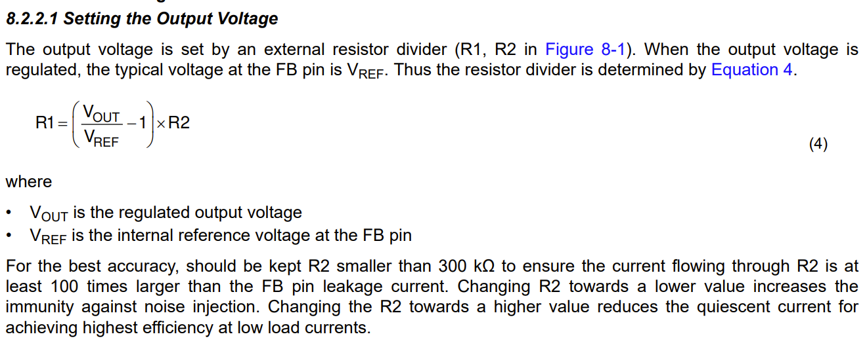
Switching Boost Circuit: |  |  |  |  |  |  |  | RPROG | IB
 |  |  |  |  |  |  |  | 10 | 80
 |  |  |  |  |  |  |  | 5 | 160
 |  |  |  |  |  |  |  | 1.2 | 580
 |  |  |  |  |  |  |  | 0.75 | 900
 |  |  |  |  |  |  |  | 0.68 | 1000
 |  |  |  |  | R1 | 803.01003344
 |  |  |  |  |  |  |  | Ibat | 250 | 216.72
 |  |  |  |  |  |  |  | Rprog | 2.8 | 3.23
 |  |  |  |  |  |  |  |  | 0.68
 |  |  |  |  |  |  |  |  | 2.12

 |  |  |  |  |  |  |  |  | 0.68 | 2.55

 | R1 | 806 | 801.97 | 810.03 | 0.50%
 | R2 | 100 | 99.5 | 100.5 | 0.50%
 | Vref | 0.598 | 0.596 | 0.60
 | Vo | 5.42 | 5.35 | 5.48 | V

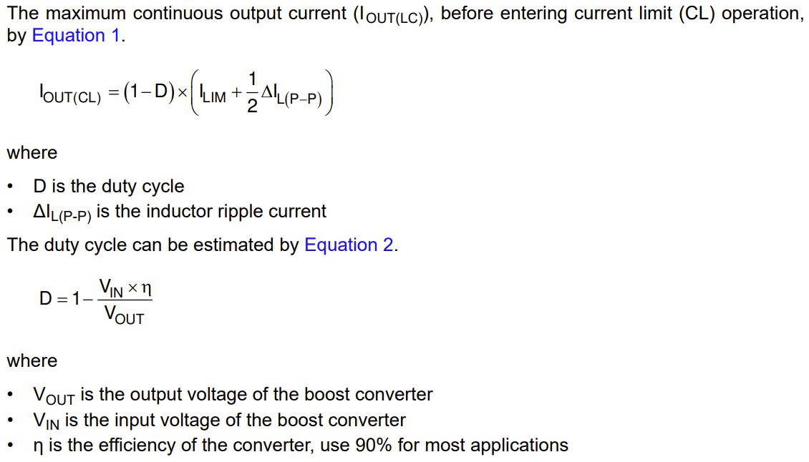
 |  |  |  | I_Lim_sw | 3.7 | A | Valley current limit

 |  |  |  | Iout(CL) | 2.6453793741 | A

 |  |  |  | Vin | 3.60 | 3 | 4.2
 |  |  |  | efficiency | 0.90
 |  |  |  | Vout | 5.42

 |  |  |  | D | 0.4019801103

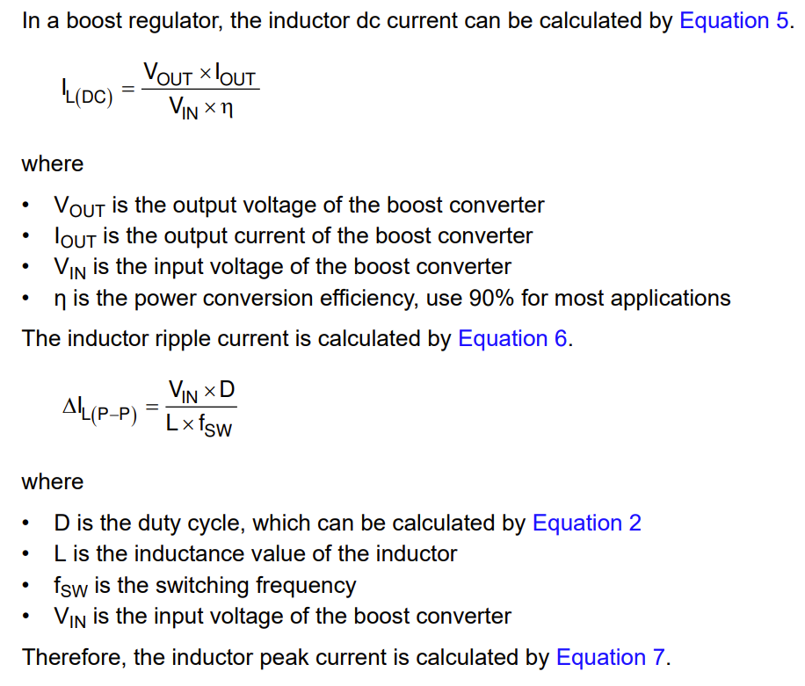
 |  |  |  |  |  |  |  |  |  | capacity | 550 | mAhr
 |  |  |  |  |  |  |  |  |  | discharge rate | 0.1 | mA
 |  |  |  |  |  |  |  |  |  | hours | 5500 | hr
 |  |  |  |  |  |  |  |  |  | days | 229.16666667 | days

 |  |  |  | Iout | 0.050

 |  |  |  | IL(DC) | 0.0836 | A

 |  |  |  | L | 1.00E-06 | H
 |  |  |  | fSW | 1.00E+06 | Hz

 |  |  |  | I_L(P-P)_ripple | 1.4471283971 | A

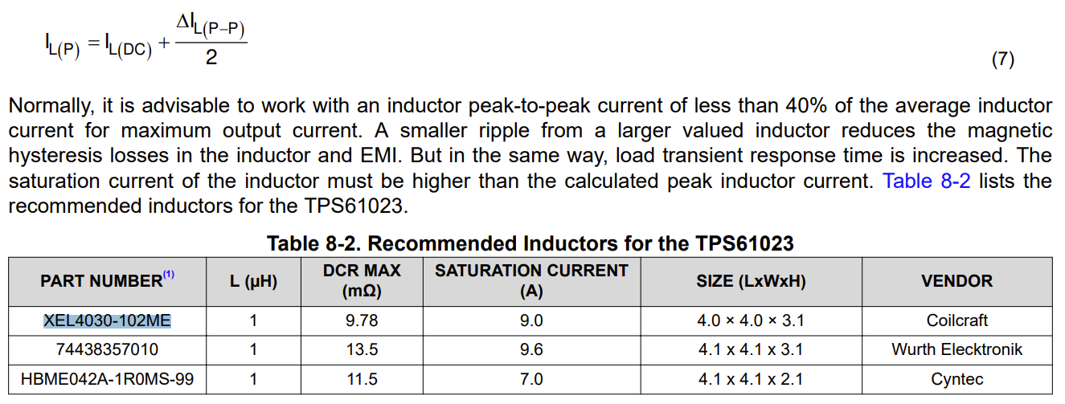
 |  |  |  | IL(P) | 1.5307376563 | A

 |  |  |  | L | 8.3470163645E-07 | H
 |  |  |  | = | 0.83 | uH
 |  |  |  | Required | 1.09 | uH
 |  |  |  | Selected | 1 | uH

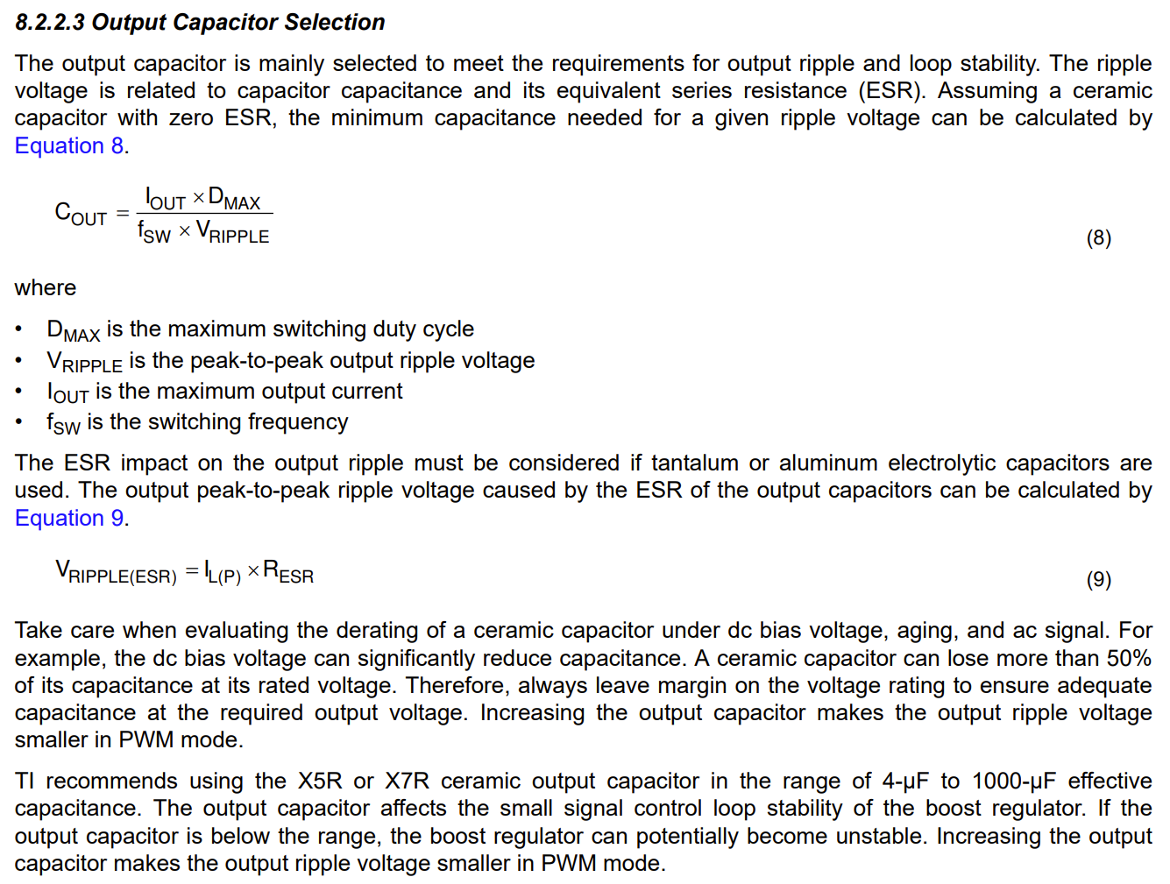
 |  |  |  | Vout_ripple | 0.001 | V
 |  |  |  | = | 1 | mV | Designed

 |  |  |  | Cout | 2.0099005515E-05 | F
 |  |  |  | = | 20.10 | uF

