frequancy distribution
LET'S CONSIDER AGES OF EMPLOYEES

EMPLOYEES | AGES
1 | 28 |  | (FREQUENCY DISTRIBUTION TABLE FOR THE AGES)
2 | 32 |  | AGE | FREQUENCY
3 | 35 |  | 28 | 3
4 | 40 |  | 32 | 2 |  | MEAN | 35.125
5 | 42 |  | 35 | 4 |  | MODE | 35 | (THE MODE AMONG THE EMPLOYEES)
6 | 28 |  | 40 | 3 |  | MEDIAN | 35 | (THE MEDIAN AGE OF THE EMPLOYEES)
7 | 33 |  | 42 | 2 |  | RANGE | 18 | (THE RANGE OF AGES AMONG THE EMPLOYEES)
8 | 38 |  | 33 | 4 |  | MAX | 45
9 | 30 |  | 38 | 2 |  | MIN | 27
10 | 41 |  | 30 | 2 |  | VARIANCE | 23.643617021
11 | 37 |  | 41 | 3 |  | STANDARD DEVIATION | 4.8624702592
12 | 31 |  | 37 | 3
13 | 34 |  | 31 | 4
14 | 29 |  | 34 | 2
15 | 36 |  | 29 | 4
16 | 43 |  | 36 | 3
17 | 39 |  | 43 | 1
18 | 27 |  | 39 | 3
19 | 35 |  | 27 | 1
20 | 31 |  | 45 | 1
21 | 39 |  | 44 | 1
22 | 45 |  |  | 0
23 | 29
24 | 33 |  |  |  |  | fr
25 | 37
26 | 40
27 | 36
28 | 29
29 | 31
30 | 38
31 | 35
32 | 44
33 | 32
34 | 39
35 | 36
36 | 30
37 | 33
38 | 28
39 | 41
40 | 35
41 | 41
42 | 37
43 | 42
44 | 29
45 | 34
46 | 40
47 | 31
48 | 33

 | LET'S CONSIDER THE MONTHLY SALES FIGURES(IN THOUSANDS OF DOLLARS)FOR A SAMPLE OF 50 PRODUCT:

 | PRODUCT | SALES
 | 1 | 35
 | 2 | 28
monthly sales
 | 3 | 32 |  | SALES | FREQUANCY
 | 4 | 45 |  | 35 | 3
 | 5 | 38 |  | 28 | 4
 | 6 | 29 |  | 32 | 2
 | 7 | 42 |  | 45 | 2
 | 8 | 30 |  | 38 | 3
 | 9 | 36 |  | 29 | 3
 | 10 | 41 |  | 42 | 3
 | 11 | 47 |  | 30 | 3
 | 12 | 31 |  | 36 | 3
 | 13 | 39 |  | 41 | 2
 | 14 | 43 |  | 47 | 1
 | 15 | 37 |  | 31 | 3
 | 16 | 30 |  | 39 | 4
 | 17 | 34 |  | 43 | 3
 | 18 | 39 |  | 37 | 3
 | 19 | 28 |  | 34 | 2
 | 20 | 33 |  | 33 | 3
 | 21 | 36 |  | 40 | 2
 | 22 | 40 |  | 46 | 1
 | 23 | 42 |  |  | 0
 | 24 | 29
 | 25 | 31
 | 26 | 45
 | 27 | 38
 | 28 | 33
 | 29 | 41
 | 30 | 35
 | 31 | 37
 | 32 | 34
 | 33 | 46
 | 34 | 30
 | 35 | 39
 | 36 | 43
 | 37 | 28
 | 38 | 32
 | 39 | 36
 | 40 | 29
 | 41 | 31
 | 42 | 37
 | 43 | 40
 | 44 | 42
 | 45 | 33
 | 46 | 39
 | 47 | 28
 | 48 | 35
 | 49 | 38
 | 50 | 43

skewnwss and kurtosis
positively skewed bell curve
student marks |  |  |  |  | physics
student id | physics | chemistry | Bin
1 | 30 | 17 | 20.666790038 |  |  |  | Histogram
2 | 35 | 20 | 26.882026692 |  | summary statistics |  | Bin | Frequency
3 | 35 | 29 | 33.097263346 |  |  |  | 20.666790038 | 0
4 | 36 | 32 | 39.3125 |  | Mean | 39.3125 | 26.882026692 | 0
5 | 36 | 39 | 45.527736654 |  | Standard Error | 1.5538091635 | 33.097263346 | 1
6 | 36 | 40 | 51.742973308 |  | Median | 37 | 39.3125 | 9
7 | 36 | 45 |  |  | Mode | 36 | 45.527736654 | 4
8 | 36 | 45 |  |  | Standard Deviation | 6.2152366541 | 51.742973308 | 1
9 | 38 | 45 |  |  | Sample Variance | 38.629166667 | More | 1
10 | 38 | 45 |  |  | Kurtosis | 1.8342948516
11 | 40 | 46 |  |  | Skewness | 1.2913566995
12 | 42 | 46 |  |  | Range | 25
13 | 42 | 48 |  |  | Minimum | 30
14 | 44 | 50 |  |  | Maximum | 55
15 | 50 | 50 |  |  | Sum | 629
16 | 55 | 55 |  |  | Count | 16
 |  |  |  |  |  |  |  |  | sk>0 positively skewed (skewed to the right)
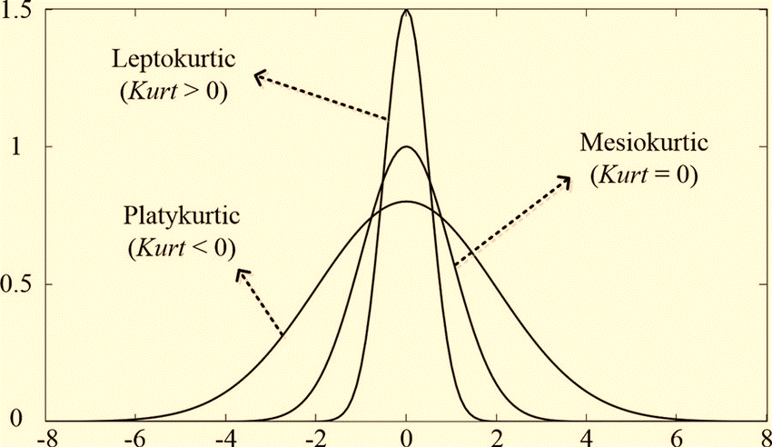
 |  |  |  | chemistry |  |  |  |  | k>0 leptokurtic (more extrem values)

nagatively skewed bell curve
 |  |  |  |  |  |  | histogram
 |  |  | bin |  | summery statistics |  | Bin | Frequency
 |  |  | 8.1892874771 |  |  |  | 8.1892874771 | 0
 |  |  | 19.042858318 |  | Mean | 40.75 | 19.042858318 | 1
 |  |  | 29.896429159 |  | Standard Error | 2.7133927102 | 29.896429159 | 2
 |  |  | 40.75 |  | Median | 45 | 40.75 | 3
 |  |  | 51.603570841 |  | Mode | 45 | 51.603570841 | 9
 |  |  | 62.457141682 |  | Standard Deviation | 10.853570841 | 62.457141682 | 1
 |  |  |  |  | Sample Variance | 117.8 | More | 0
 |  |  |  |  | Kurtosis | 0.52694138714
 |  |  |  |  | Skewness | -1.1426330989
 |  |  |  |  | Range | 38
 |  |  |  |  | Minimum | 17
 |  |  |  |  | Maximum | 55
 |  |  |  |  | Sum | 652
 |  |  |  |  | Count | 16
 |  |  |  |  |  |  |  |  | sk<0 nagatively skewed (skewed to the left)
 |  |  |  |  |  |  |  |  | k>0 leptokurtic (more extrem values)

correlation and covariance
 | LET'S CONSIDER THE MONTHLY ADVERTISING AXPENDITURE (IN THOUSAND OF DOLLER) AND CORRESPONDING SELES REVANUE (IN THOUSAND OF DOLLARS)
 | FOR A SAMPLE OF 12 MONTHS:

 | ADVERTISING EXPENDITURE | SALES REVENUE
 | 10 | 50 |  | CORRELATION | 0.99921031004
 | 12 | 55 |  | COVARIANCE | 150.20833333
 | 15 | 60
 | 18 | 65
 | 20 | 70
 | 22 | 75
 | 25 | 80
 | 28 | 85 | corr
 | 30 | 90
 | 32 | 95
 | 35 | 100
 | 38 | 105

SINCE CORRELATION COEFFICIENT IS VERY CLOSE TO 1
THERE IS A STRONG POSITIVE LINEAR CORRELATION BETWEEN ADVERTISING EXPERNDITURE
ANDSALES REVENUE

THE COVARIENCE THE NUMBER IS A POSITIVE NUMBER
THE TWO VARIABLE DO HAVE A POSITIVE RELATIONSHIP

t test
 | the 2 weeks diet offered to patients effective.collect the following weights in the first visit and then after two weeks

patients | weights(kg) |  | α=0.05
 | 1st visit | 2nd visit |  | t-Test: Paired Two Sample for Means
1 | 95 | 94
2 | 89 | 85 |  |  | 1st visit | 2nd visit
3 | 75 | 73 |  | Mean | 84.7 | 81.4
4 | 77 | 72 |  | Variance | 59.122222222 | 77.155555556
5 | 74 | 69 |  | Observations | 10 | 10
6 | 80 | 75 |  | Pearson Correlation | 0.98740314358
7 | 92 | 90 |  | Hypothesized Mean Difference | 0
8 | 85 | 82 |  | df | 9
9 | 92 | 91 |  | t Stat | 6.1279461598
10 | 88 | 83 |  | P(T<=t) one-tail | 8.6638618439E-05
 |  |  |  | t Critical one-tail | 1.8331129327
 |  |  |  | P(T<=t) two-tail | 0.00017327723688
 |  |  |  | t Critical two-tail | 2.2621571628

 |  |  | t critical <t stat
 |  |  | H0 REJECTED THE NULL HYPOTHESIS

 | Q-2
 |  | the subject economics was taught by two different method in the two section the marks scored provided below. Significance level 1%,test weithe the result present evidence of a difference on the effectiveness of
 |  | of the methods?
 |  |  | H0 M1=M2 |  |  |  | T STAT <T CRITICAL
 | section A | section B | H1 M1#M2 |  |  |  | NULL HYPOTHESIS ACCEPTED
 | 74 | 78
 | 97 | 92 |  | t-Test: Two-Sample Assuming Equal Variances
 | 79 | 94
 | 88 | 78 |  |  | section A | section B
 | 78 | 71 |  | Mean | 85.166666667 | 81.75
 | 93 | 85 |  | Variance | 83.606060606 | 67.659090909
 | 76 | 79 |  | Observations | 12 | 12
 | 75 | 76 |  | Pooled Variance | 75.632575758
 | 82 | 93 |  | Hypothesized Mean Difference | 0
 | 86 | 82 |  | df | 22
 | 100 | 69 |  | t Stat | 0.96232948035
 | 94 | 84 |  | P(T<=t) one-tail | 0.17317150348
 |  |  |  | t Critical one-tail | 2.5083245529
 |  |  |  | P(T<=t) two-tail | 0.34634300695
 |  |  |  | t Critical two-tail | 2.8187560606

Q-3 | TEST THE HYPOTHESIS THAT THE MEAN FROM POPULATION 1 IS DIFFERENT THAN THE MEAN FROM POPULATION 2
 | ASSUME THE POPULATIONS ARE APROX.NORMALY DISTRIBUTED WITH UNEQUAL VARIANCE
 |  |  | α=0.05
 | DATA 1 | DATA2 | H0 M1=M2
 | 1 | 10 | H1 M1#M2
 | 3 | 13 |  | t-Test: Two-Sample Assuming Unequal Variances
 | 8 | 10
 | 3 | 8 |  |  | DATA 1 | DATA2
 | 6 | 14 |  | Mean | 5.3333333333 | 10.411764706
 | 4 | 14 |  | Variance | 6.380952381 | 8.6323529412
 | 7 | 9 |  | Observations | 15 | 17
 | 5 | 9 |  | Hypothesized Mean Difference | 0
 | 2 | 12 |  | df | 30
 | 5 | 7 |  | t Stat | -5.2571012726
 | 7 | 13 |  | P(T<=t) one-tail | 5.6351774287E-06
 | 10 | 9 |  | t Critical one-tail | 1.6972608866
 | 4 | 15 |  | P(T<=t) two-tail | 1.1270354857E-05
 | 8 | 12 |  | t Critical two-tail | 2.0422724563
 | 7 | 6 |  |  |  |  |  | t
 |  | 5 | REJECT H0 (NULL HYPOTHESIS)
 |  | 11 | THERE IS SUGGEST THAT THE POP MEAN 1 IS DIFFERENT THAN POP MEAN 2.

