Sheet1
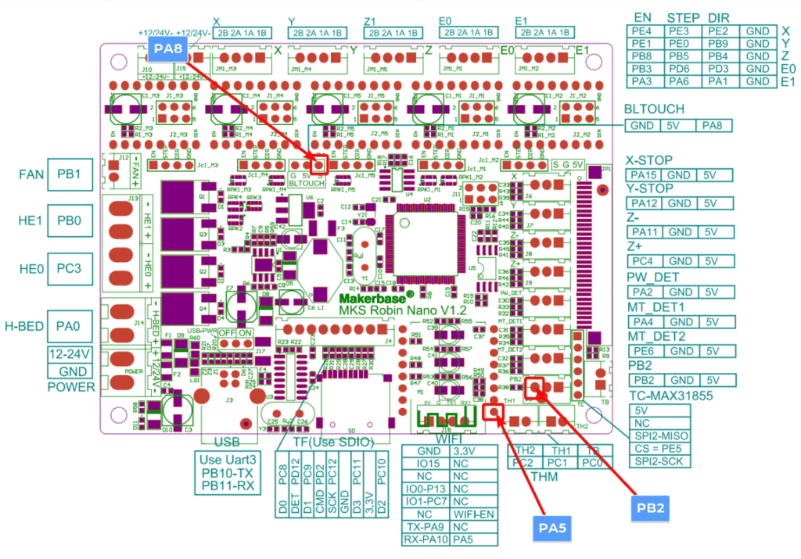
 |  |  |  |  | socket side (male) |  |  |  |  |  |  |  |  |  |  |  |  |  |  |  |  |  |  |  |  |  |  |  |  | male 34 pin connector as seen on cetus board
 |  |  |  |  | 1 | 2 | 3 | 4 | 5 | 6 | 7 | 8 | 9 | 10 | 11 | 12 | 13 | 14 | 15 | 16 | 17 |  |  |  |  |  |  |  |  | (PA3)

 |  | mks robin | Description |  | 18 | 19 | 20 | 21 | 22 | 23 | 24 | 25 | 26 | 27 | 28 | 29 | 30 | 31 | 32 | 33 | 34
PA3 | 1 |  | stepperX- |  |  |  |  |  |  |  |  |  |  |  |  |  |  |  |  |  |  |  |  |  |  |  |  |  |  | PB5
 | 2 |  | stepperX- |  |  |  |  |  |  |  |  |  |  |  |  |  |  | 1 | 2 | 3
 | 3 |  | x-endstop-nc
 | 4 |  | x-endstop-common
 | 5 |  |  |  |  |  |  |  |  |  |  |  |  |  |  |  |  |  |  |  |  |  | 1 | 2
 | 6 |  | heatsinkfans-red |  |  |  |  |  |  |  |  |  |  |  |  |  |  |  |  |  |  |  |  |  |  |  |  |  |  | 5v
 | 7 |  | nozzlefan-blk
 | 8 |  |  |  |  |  |  |  |  |  |  |  |  |  |  |  |  |  |  |  |  |  |  |  |  |  | cetus |  | stepperonline
 | 9 |  |  |  |  |  |  |  |  |  |  |  |  |  |  |  |  |  |  |  |  |  |  |  |  |  | stepper | extruder
 | 10 |  | heatsinkfan-blk |  |  |  |  |  |  |  |  |  |  |  |  |  |  |  |  |  |  | 4 |  |  |  |  |  |  |  | Ps
 | 11 |  |  |  |  |  |  |  |  |  |  |  |  |  |  |  |  |  |  |  |  | 3
 | 12 |  |  |  |  |  |  |  |  |  |  |  |  |  |  |  |  |  |  |  |  | 2
 | 13 |  | heater2- |  |  |  |  |  |  |  |  |  |  |  |  |  |  |  |  |  |  | 1
 | 14 | ext2-1b | extruder2-wht |  |  |  |  |  |  |  |  |  |  |  |  |  |  |  |  |  |  |  |  |  |  |  |  |  |  | MZ
 | 15 | ext2-1a | extruder2-blk
 | 16 | ext2-2b | extruder2-red |  |  |  |  |  |  |  |  |  |  |  |  |  |  |  |  |  |  |  |  |  | 1 | 2 | 3 | 4
 | 17 | ext2-2a | extruder2-yellow
 | 18 |  | stepperY-red
 | 19 |  | stepperY-yellow
 | 20 |  | stepperY-orange
 | 21 |  | stepperY-blue
 | 22 |  | stepperX- |  |  |  |  |  |  |  |  |  |  |  |  |  |  |  |  |  |  |  | 2 |  |  |  |  |  |  | Tb
 | 23 |  |  |  |  |  |  |  |  |  |  |  |  |  |  |  |  |  |  |  |  |  | 1
 | 24
 | 25
 | 26
 | 27 |  | stepperX-????? |  |  |  |  |  |  |  |  |  |  |  |  |  |  |  |  |  |  |  |  |  |  |  |  |  |  | TH2
 | 28 |  | heater2+
 | 29 |  | heater1+
 | 30 |  | heater1-
 | 31 | ext1- | extruder1-wht
 | 32 | ext1- | extruder1-blk
 | 33 | ext1- | extruder1-red |  |  |  |  |  |  |  |  |  |  |  |  | ??? |  |  | 24v
 | 34 | ext1- | extruder1-yellow |  |  |  |  |  |  |  |  |  |  |  |  |  | 1
 |  |  |  |  |  |  |  |  |  |  |  |  |  |  |  |  | 2

 |  | Connector Map for Dario Comico toolhead board
 |  | CON1 | Toolhead connector | MKS Robin connector |  |  |  | CON2 |  |  | Toolhead Connector |  |  |  |  | MKS Robin connector
 |  | con1-14 | aux2-3 |  |  |  |  | con2-1 |  |  | hot1-1 |  |  |  |  | HE0
 |  | con1-13 | aux2-2 |  |  |  |  | con2-2 |  |  | hot1-2
 |  | con1-12 | aux2-1 |  |  |  |  | con2-3 |  |  | hot1-3 |  |  |  |  | TH1
 |  | con1-11 | aux1-1 |  |  |  |  | con2-4 |  |  | hot1-4
 |  | con1-10 | aux1-2 |  |  |  |  | con2-5 |  |  | hot2-4 |  |  |  |  | TH2
 |  | con1-9 | aux1-3 |  |  |  |  | con2-6 |  |  | hot2-3
 |  | con1-8 | ext2-4 | E1 |  |  |  | con2-7 |  |  | hot2-2 |  |  |  |  | HE1
 |  | con1-7 | ext2-3 |  |  |  |  | con2-8 |  |  | hot2-1
 |  | con1-6 | ext2-2 |  |  |  |  | con2-9 |  |  | fan1-2 |  |  |  |  | FAN
 |  | con1-5 | ext2-1 |  |  |  |  | con2-10 |  |  | fan1-1
 |  | con1-4 | ext1-4 | E0 |  |  |  | con2-11 |  |  | fan2-2 |  |  |  |  | J10+
 |  | con1-3 | ext1-3 |  |  |  |  | con2-12 |  |  | fan2-1 |  |  |  |  | J10-
 |  | con1-2 | ext1-2 |  |  |  |  | con2-13 |  |  | fan3-2 |  |  |  |  | J10+
 |  | con1-1 | ext1-1 |  |  |  |  | con2-14 |  |  | fan3-1 |  |  |  |  | J10-

