estimates
IF_FR_100 | IF_FR_475 | IF_FR_975 | IF_FR_2475 | IF_FR_4975 | RT_FR_100 | RT_FR_475 | RT_FR_975 | RT_FR_2475 | RT_FR_4975
298.06 | 41.00 | 387.68 | 239.99 | 329.87 | 30.00 | 5.44 | 125.33 | 210.36 | 290.73
149.38 | 140.31 | 115.47 | 375.61 | 357.36 | 0.53 | 82.86 | 132.75 | 234.16 | 309.30 | SA_avg1 | SA_avg2 | SA_avg
68.89 | 91.34 | 145.94 | 566.85 | 300.63 | 51.33 | 48.27 | 125.07 | 198.47 | 350.60 | 0.07 | 0.107 | 0.08
141.89 | 99.67 | 166.56 | 219.27 | 234.85 | 1.37 | 77.53 | 120.34 | 275.06 | 375.02 | 50.00 | 140.00 | 74.324324324
51.13 | 89.79 | 357.11 | 321.03 | 224.22 | 3.56 | 91.15 | 76.37 | 200.88 | 361.90
315.44 | 107.93 | 151.18 | 315.76 | 284.32 | 0.49 | 146.87 | 117.63 | 190.70 | 353.34
220.43 | 90.38 | 106.32 | 348.00 | 367.81 | 88.42 | 84.02 | 120.60 | 271.27 | 278.80 |  | 4.2360287337 | 69.132761368
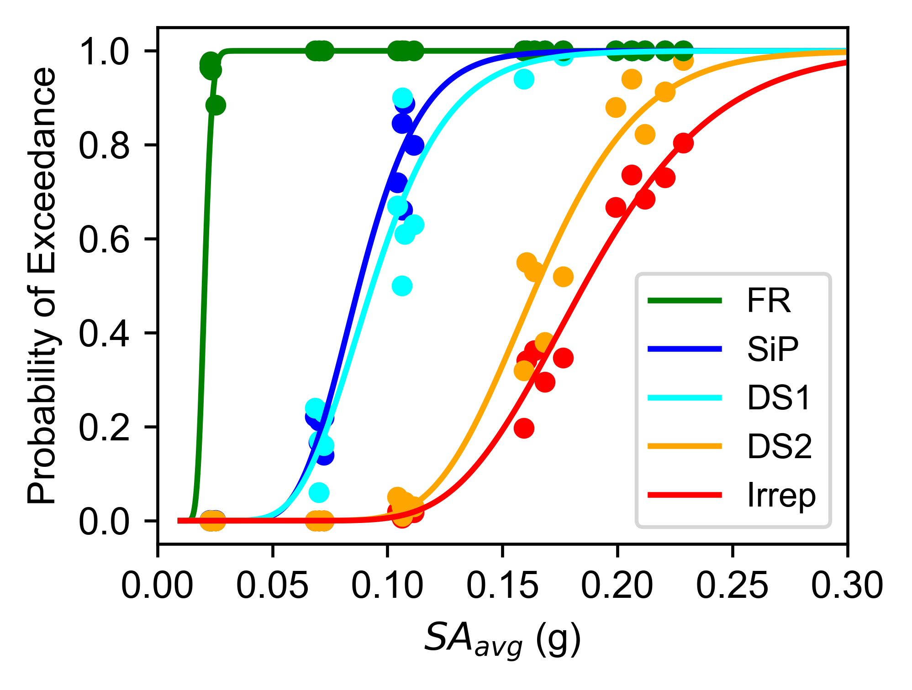
48.52 | 52.79 | 203.93 | 452.22 | 371.55 | 0.01 | 84.20 | 123.60 | 124.97 | 298.18
46.41 | 82.70 | 169.83 | 265.30 | 774.68 | 1.68 | 74.37 | 125.31 | 286.39 | 328.05
92.29 | 129.58 | 164.84 | 205.81 | 207.18 | 0.13 | 20.95 | 123.36 | 259.60 | 295.54
187.48 | 128.70 | 111.16 | 296.27 | 1003.37 | 67.44 | 68.94 | 108.83 | 247.31 | 283.12
57.85 | 80.86 | 228.40 | 544.48 | 408.65 | 2.40 | 76.87 | 173.02 | 264.08 | 253.20
28.33 | 54.01 | 148.22 | 168.50 | 183.84 | 3.80 | 74.84 | 184.29 | 273.32 | 284.29
100.61 | 173.93 | 232.57 | 315.15 | 233.82 | 62.05 | 108.37 | 109.92 | 282.01 | 328.52
217.37 | 50.11 | 353.04 | 279.75 | 483.23 | 1.47 | 84.13 | 106.70 | 200.59 | 335.72
43.60 | 44.84 | 488.69 | 508.80 | 374.54 | 0.02 | 26.00 | 165.90 | 244.29 | 258.88
48.13 | 75.78 | 186.75 | 197.88 | 207.39 | 12.32 | 95.51 | 84.28 | 218.24 | 294.89
74.80 | 53.76 | 126.45 | 171.92 | 344.69 | 0.55 | 49.26 | 151.89 | 259.75 | 274.04
215.58 | 65.92 | 101.59 | 308.40 | 450.72 | 73.40 | 82.78 | 131.65 | 169.66 | 357.20
57.04 | 82.32 | 220.58 | 570.18 | 394.32 | 15.61 | 57.42 | 134.14 | 217.71 | 142.79
94.93 | 35.10 | 310.65 | 266.09 | 240.28 | 0.14 | 56.32 | 127.73 | 248.59 | 351.12
191.18 | 43.94 | 243.45 | 316.16 | 207.93 | 58.37 | 65.26 | 122.37 | 270.04 | 354.85
42.12 | 44.57 | 179.04 | 254.24 | 355.65 | 38.94 | 85.41 | 120.59 | 240.04 | 306.74
105.70 | 106.25 | 154.04 | 152.63 | 342.62 | 46.66 | 34.86 | 115.25 | 192.57 | 298.08
54.48 | 74.19 | 98.42 | 316.86 | 141.73 | 56.64 | 87.92 | 171.47 | 208.74 | 308.76
87.15 | 92.34 | 327.17 | 340.08 | 250.55 | 48.81 | 65.70 | 94.45 | 196.59 | 274.72
28.56 | 210.82 | 143.46 | 436.35 | 181.94 | 1.87 | 37.73 | 77.04 | 296.31 | 294.66
49.96 | 82.39 | 218.79 | 280.70 | 319.98 | 105.80 | 85.03 | 132.34 | 277.85 | 339.89
231.80 | 101.83 | 112.86 | 214.14 | 365.88 | 0.01 | 51.13 | 93.35 | 305.36 | 362.90
292.38 | 35.25 | 125.67 | 174.82 | 436.05 | 111.06 | 80.05 | 109.33 | 242.36 | 340.94
122.68 | 38.82 | 162.57 | 221.26 | 446.81 | 5.49 | 70.85 | 86.88 | 268.97 | 341.63
49.44 | 383.50 | 83.59 | 207.45 | 285.49 | 76.32 | 45.64 | 123.83 | 224.14 | 231.49
43.20 | 93.10 | 206.47 | 331.69 | 314.97 | 0.01 | 72.31 | 94.85 | 256.26 | 287.66
110.64 | 67.53 | 117.28 | 214.93 | 166.29 | 1.46 | 87.98 | 129.91 | 214.41 | 268.39
122.13 | 43.22 | 488.36 | 216.77 | 197.69 | 2.57 | 69.47 | 112.60 | 237.26 | 297.28
168.21 | 56.12 | 119.46 | 247.28 | 247.80 | 35.64 | 82.74 | 123.44 | 270.56 | 372.81
110.79 | 67.29 | 188.91 | 204.95 | 313.63 | 0.01 | 75.78 | 104.56 | 227.99 | 291.78
54.91 | 61.24 | 164.49 | 251.25 | 275.02 | 0.73 | 50.23 | 134.83 | 194.16 | 277.27
56.07 | 109.36 | 164.65 | 252.38 | 283.46 | 5.78 | 54.19 | 92.74 | 205.97 | 246.51
523.51 | 48.60 | 215.19 | 257.06 | 270.68 | 119.08 | 41.69 | 136.04 | 253.55 | 358.82
62.15 | 123.31 | 150.46 | 651.85 | 339.12 | 0.04 | 27.49 | 74.11 | 209.00 | 272.49
283.82 | 203.02 | 245.03 | 297.27 | 192.66 | 0.12 | 68.26 | 110.50 | 223.54 | 355.93
56.63 | 60.97 | 137.04 | 279.06 | 281.89 | 0.08 | 61.85 | 144.67 | 249.61 | 246.67
233.21 | 93.01 | 127.73 | 242.64 | 485.69 | 41.14 | 73.42 | 86.51 | 239.66 | 303.15
330.72 | 135.08 | 235.84 | 252.61 | 905.27 | 37.42 | 83.49 | 98.77 | 214.19 | 278.70
262.86 | 45.27 | 418.93 | 324.30 | 304.25 | 15.12 | 62.93 | 118.66 | 258.09 | 264.36
61.77 | 36.78 | 307.73 | 247.51 | 140.77 | 10.49 | 37.05 | 141.86 | 180.80 | 333.30
146.55 | 84.06 | 123.58 | 225.44 | 219.72 | 4.93 | 44.58 | 105.56 | 223.96 | 328.87
313.72 | 45.05 | 135.75 | 150.35 | 302.27 | 0.90 | 58.41 | 120.14 | 243.18 | 323.94
67.90 | 61.57 | 205.11 | 275.37 | 352.79 | 24.71 | 40.80 | 96.31 | 237.15 | 345.87
41.92 | 99.74 | 163.54 | 370.59 | 329.82 | 107.94 | 45.31 | 111.85 | 249.09 | 385.44
52.00 | 61.43 | 180.96 | 355.12 | 359.69 | 80.06 | 65.05 | 119.11 | 268.01 | 270.46
56.23 | 66.76 | 157.65 | 198.78 | 365.26 | 35.10 | 77.30 | 99.53 | 197.20 | 310.03
82.61 | 69.47 | 130.82 | 274.02 | 289.61 | 1.04 | 52.59 | 106.02 | 240.24 | 288.31
75.82 | 41.07 | 276.21 | 258.35 | 258.00 | 119.57 | 56.55 | 108.87 | 148.77 | 349.75
67.72 | 62.39 | 352.93 | 236.96 | 366.94 | 29.64 | 74.20 | 79.28 | 244.77 | 316.96
88.01 | 39.18 | 252.09 | 209.20 | 222.92 | 14.78 | 46.98 | 115.41 | 231.88 | 272.94
171.45 | 50.41 | 231.50 | 297.96 | 199.91 | 35.84 | 69.16 | 82.84 | 179.31 | 343.76
133.79 | 40.41 | 216.62 | 277.34 | 280.63 | 0.89 | 46.62 | 137.75 | 229.70 | 359.45
49.41 | 65.37 | 575.72 | 150.88 | 742.22 | 28.06 | 55.57 | 109.09 | 297.42 | 266.99
35.16 | 104.21 | 170.42 | 153.98 | 300.19 | 67.20 | 87.21 | 95.53 | 233.60 | 350.93
68.25 | 57.26 | 149.48 | 364.59 | 259.41 | 0.47 | 37.68 | 128.76 | 279.76 | 308.92
104.81 | 36.92 | 123.14 | 303.17 | 316.02 | 117.58 | 56.61 | 80.03 | 224.81 | 305.67
169.09 | 55.74 | 437.10 | 206.34 | 674.56 | 5.20 | 36.21 | 107.02 | 295.00 | 280.07
96.66 | 30.26 | 156.55 | 143.34 | 308.72 | 1.25 | 39.49 | 137.18 | 236.96 | 275.24
103.65 | 84.74 | 232.53 | 171.69 | 284.61 | 11.00 | 65.76 | 95.67 | 303.34 | 316.92
32.66 | 24.83 | 98.06 | 150.24 | 363.15 | 1.03 | 65.49 | 143.43 | 259.17 | 327.53
237.05 | 59.72 | 221.09 | 331.37 | 265.61 | 31.22 | 84.38 | 96.32 | 233.95 | 221.12
33.24 | 202.07 | 314.58 | 179.67 | 385.77 | 4.53 | 71.89 | 94.85 | 239.83 | 253.48
375.07 | 88.80 | 149.97 | 251.80 | 305.41 | 36.93 | 80.89 | 111.16 | 194.01 | 307.68
64.10 | 54.93 | 112.36 | 232.55 | 192.73 | 0.15 | 89.71 | 150.73 | 221.54 | 360.21
47.87 | 31.24 | 92.80 | 303.74 | 260.15 | 22.04 | 55.24 | 95.81 | 225.12 | 297.91
52.88 | 45.33 | 90.36 | 299.29 | 227.89 | 0.27 | 66.66 | 97.99 | 239.82 | 369.60
111.85 | 100.89 | 164.57 | 253.95 | 411.15 | 1.90 | 35.03 | 118.54 | 187.76 | 335.53
92.03 | 54.67 | 404.12 | 285.13 | 692.14 | 4.34 | 59.22 | 100.49 | 261.49 | 305.47
59.08 | 89.62 | 448.64 | 547.79 | 234.47 | 1.07 | 79.91 | 113.19 | 255.03 | 338.95
37.55 | 76.75 | 405.30 | 340.48 | 226.22 | 77.50 | 73.70 | 92.01 | 260.44 | 280.08
61.09 | 161.55 | 284.10 | 173.46 | 293.61 | 4.71 | 69.86 | 119.28 | 182.67 | 327.93
118.63 | 112.77 | 156.59 | 246.00 | 402.49 | 24.20 | 93.88 | 118.31 | 241.41 | 270.62
62.24 | 57.24 | 213.35 | 217.22 | 327.02 | 13.06 | 46.45 | 80.66 | 246.35 | 344.51
39.97 | 41.16 | 141.25 | 283.07 | 229.73 | 81.47 | 82.92 | 67.89 | 287.11 | 336.64
32.69 | 40.68 | 221.24 | 263.43 | 507.90 | 7.18 | 58.70 | 134.22 | 276.37 | 333.86
186.05 | 44.71 | 157.40 | 425.67 | 591.07 | 26.71 | 47.92 | 109.36 | 216.33 | 279.81
110.17 | 84.05 | 267.18 | 278.18 | 236.24 | 3.07 | 87.21 | 142.06 | 201.43 | 233.58
138.89 | 59.69 | 168.24 | 257.47 | 437.37 | 0.05 | 63.86 | 111.87 | 249.46 | 307.81
1420.21 | 56.29 | 420.63 | 165.99 | 368.95 | 57.59 | 64.47 | 106.42 | 227.44 | 372.55
42.37 | 47.98 | 193.25 | 367.87 | 187.31 | 20.51 | 58.18 | 119.05 | 253.10 | 374.53
299.79 | 40.44 | 109.15 | 247.35 | 504.73 | 0.60 | 31.39 | 106.26 | 228.01 | 280.33
49.11 | 73.57 | 152.66 | 328.38 | 310.92 | 1.93 | 46.49 | 75.99 | 228.20 | 378.05
900.21 | 69.33 | 91.76 | 302.42 | 181.02 | 14.73 | 26.55 | 124.34 | 270.84 | 294.12
133.70 | 47.32 | 123.86 | 223.76 | 400.04 | 78.42 | 61.88 | 117.44 | 277.52 | 339.98
267.74 | 104.86 | 101.26 | 344.42 | 1040.79 | 53.22 | 69.39 | 108.15 | 214.00 | 326.75
110.53 | 66.51 | 147.93 | 296.69 | 314.29 | 54.76 | 50.43 | 127.54 | 234.47 | 248.48
31.31 | 70.30 | 228.44 | 232.87 | 271.69 | 35.65 | 69.72 | 138.30 | 197.99 | 297.09
199.85 | 37.63 | 137.72 | 187.17 | 844.16 | 51.09 | 50.22 | 84.76 | 206.22 | 327.08
164.46 | 50.73 | 223.59 | 231.23 | 215.38 | 20.27 | 37.41 | 113.46 | 260.55 | 359.76
52.94 | 97.12 | 215.32 | 427.88 | 448.58 | 107.45 | 61.14 | 108.43 | 267.31 | 247.05
72.88 | 33.46 | 193.24 | 407.70 | 563.01 | 6.95 | 48.35 | 131.01 | 251.32 | 308.41
235.89 | 111.14 | 142.40 | 224.85 | 622.50 | 5.56 | 81.72 | 108.25 | 255.30 | 285.67
182.48 | 91.14 | 329.33 | 654.00 | 422.34 | 1.30 | 57.78 | 117.15 | 161.18 | 229.26
58.79 | 40.76 | 175.56 | 209.42 | 233.92 | 0.01 | 35.31 | 91.46 | 226.38 | 267.42
168.97 | 41.01 | 574.08 | 376.72 | 465.20 | 131.92 | 62.98 | 133.33 | 175.19 | 331.76
207.11 | 70.02 | 106.56 | 254.99 | 502.20 | 49.50 | 47.15 | 194.81 | 192.96 | 210.66
25.98 | 83.63 | 543.42 | 193.88 | 337.74 | 24.30 | 32.78 | 112.39 | 265.91 | 285.31
341.21 | 107.07 | 108.91 | 233.29 | 563.20 | 58.58 | 60.61 | 150.51 | 284.09 | 301.53
34.11 | 42.80 | 161.86 | 193.53 | 205.57 | 2.90 | 26.86 | 123.27 | 277.33 | 307.22
60.31 | 90.96 | 127.22 | 564.01 | 200.03 | 103.75 | 60.48 | 121.40 | 241.67 | 294.13
54.24 | 45.90 | 113.98 | 270.63 | 326.04 | 9.35 | 58.46 | 141.73 | 190.15 | 401.61
105.27 | 104.70 | 758.24 | 156.68 | 249.87 | 0.02 | 80.86 | 159.67 | 234.29 | 320.34
495.89 | 69.60 | 144.33 | 478.68 | 219.70 | 1.24 | 99.35 | 90.97 | 224.70 | 330.40
198.53 | 94.38 | 222.60 | 425.04 | 251.02 | 0.23 | 74.37 | 137.68 | 266.05 | 322.84
381.07 | 49.71 | 512.08 | 237.18 | 385.26 | 13.39 | 78.77 | 149.61 | 186.25 | 268.11
167.09 | 95.22 | 243.17 | 170.24 | 330.66 | 1.88 | 51.28 | 144.92 | 258.64 | 312.47
247.16 | 94.93 | 183.43 | 510.36 | 279.89 | 13.97 | 45.81 | 160.18 | 266.68 | 249.21
58.06 | 54.08 | 183.84 | 353.13 | 184.76 | 4.36 | 54.69 | 117.52 | 208.17 | 280.63
71.77 | 273.06 | 207.90 | 211.19 | 385.13 | 0.77 | 45.94 | 71.99 | 178.77 | 274.89
135.70 | 41.68 | 143.96 | 230.85 | 362.61 | 2.15 | 40.33 | 108.99 | 290.65 | 315.90
154.75 | 99.76 | 465.90 | 124.90 | 299.55 | 0.52 | 73.28 | 126.19 | 285.66 | 285.91
94.64 | 48.25 | 150.90 | 686.20 | 284.86 | 1.10 | 28.65 | 80.14 | 189.89 | 222.52
670.34 | 166.54 | 173.50 | 456.02 | 337.26 | 63.59 | 79.35 | 75.85 | 245.08 | 272.32
46.67 | 72.54 | 241.21 | 367.86 | 221.81 | 3.87 | 32.97 | 58.28 | 198.56 | 237.29
46.55 | 83.67 | 199.33 | 687.36 | 1140.67 | 5.18 | 51.00 | 99.85 | 277.21 | 211.85
41.73 | 57.87 | 90.33 | 126.03 | 393.43 | 1.76 | 91.80 | 105.75 | 265.14 | 326.71
58.35 | 55.74 | 118.22 | 228.88 | 267.27 | 41.85 | 69.69 | 113.81 | 267.30 | 268.99
57.29 | 79.05 | 287.28 | 370.68 | 278.97 | 79.49 | 53.85 | 109.31 | 179.68 | 365.42
169.84 | 58.53 | 162.10 | 220.73 | 284.98 | 2.15 | 67.13 | 107.46 | 204.10 | 336.93
68.39 | 87.68 | 261.46 | 329.47 | 253.70 | 121.96 | 85.12 | 142.58 | 262.23 | 305.92
82.46 | 148.34 | 194.95 | 311.27 | 413.20 | 4.28 | 55.03 | 110.02 | 305.94 | 291.32
55.08 | 119.59 | 231.70 | 207.21 | 336.40 | 2.65 | 56.91 | 94.20 | 261.02 | 265.13
113.37 | 40.55 | 84.66 | 212.33 | 562.73 | 16.64 | 46.25 | 177.48 | 249.38 | 288.65
42.24 | 55.92 | 119.04 | 293.01 | 310.81 | 15.11 | 58.61 | 113.68 | 269.12 | 325.15
261.41 | 44.83 | 95.38 | 231.54 | 221.72 | 0.28 | 54.50 | 133.48 | 310.35 | 370.79
57.31 | 79.04 | 179.30 | 787.81 | 637.39 | 42.09 | 51.55 | 125.69 | 214.56 | 362.89
42.90 | 72.00 | 282.19 | 356.01 | 305.08 | 0.81 | 75.36 | 92.15 | 182.65 | 242.28
71.38 | 27.68 | 107.24 | 240.58 | 296.41 | 60.99 | 70.93 | 125.69 | 246.88 | 327.68
336.37 | 79.58 | 171.45 | 362.05 | 296.22 | 0.34 | 58.66 | 115.50 | 215.95 | 333.75
40.31 | 46.50 | 360.60 | 460.60 | 339.58 | 12.77 | 61.14 | 126.01 | 261.23 | 267.72
125.95 | 1664.85 | 147.25 | 224.59 | 272.85 | 21.96 | 65.67 | 129.37 | 173.38 | 250.39
80.15 | 46.63 | 317.36 | 230.08 | 653.51 | 2.84 | 95.72 | 149.01 | 224.34 | 305.51
176.60 | 43.55 | 218.47 | 193.89 | 395.28 | 57.04 | 37.55 | 87.72 | 313.21 | 320.55
353.93 | 67.84 | 108.29 | 153.83 | 409.68 | 70.05 | 37.48 | 89.82 | 166.86 | 239.99
200.41 | 45.76 | 108.84 | 191.72 | 215.44 | 9.65 | 77.76 | 75.36 | 228.04 | 345.87
138.99 | 90.30 | 210.92 | 224.60 | 362.27 | 14.63 | 61.47 | 120.06 | 206.18 | 298.60
289.81 | 58.11 | 150.03 | 149.78 | 503.93 | 5.74 | 49.67 | 113.46 | 266.53 | 294.52
...

