Sheet1
data |  |  |  | sample variance | sample standard dev | standard error | Population variance unknown | Confidence % | alpha/2 | Reliability factor | ME- | ME+
169.0866421 | 0.62194435566 | mean | 169.87527659 | 3.5582301833 | 1.8863271676 | 0.18863271676 | Choose T distribution | 0.99 | 0.0050 | 2.617 | 169.38162477 | 170.36892841
169.6790683 | 0.03849769228 | sample size n: | 100 |  |  |  |  | 0.95 | 0.0250 | 1.98 | 169.50178381 | 170.24876937
169.9179534 | 0.0018213102825
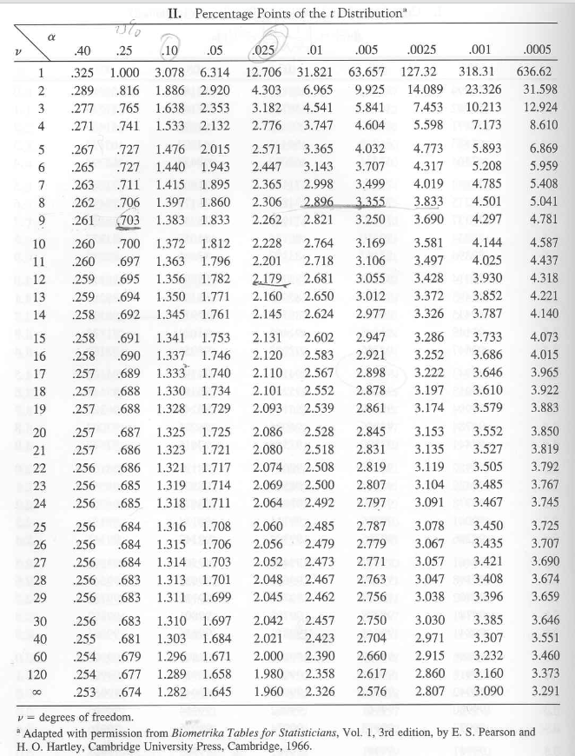
169.4925723 | 0.14646257205
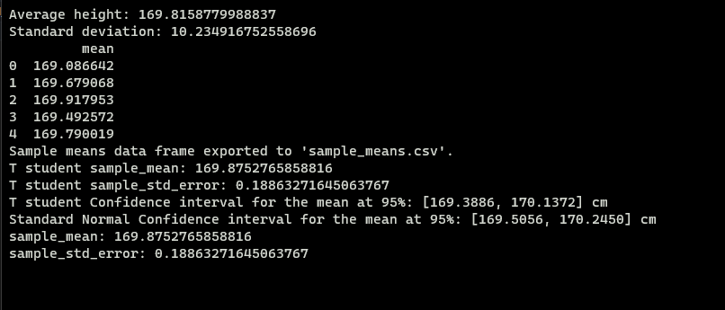
169.7900191 | 0.0072688392601
169.6149603 | 0.067764569798
172.1010543 | 4.9540864232
168.0227466 | 3.4318673564
169.5538988 | 0.10328368262
169.3078292 | 0.32199653815
168.8907874 | 0.96921896129
169.6506973 | 0.050435856599
171.7468116 | 3.5026433011
172.4590372 | 6.6758189001
169.8510328 | 0.00058776125659
173.1138515 | 10.488367461
170.6621404 | 0.61915465864
168.987534 | 0.78808690255
168.1570063 | 2.9524527826
168.0626908 | 3.2854672389
170.0426441 | 0.028011884073
169.5131005 | 0.13117151872
167.8979785 | 3.9097077288
170.4860059 | 0.37299029254
171.7406899 | 3.4797668246
170.5490763 | 0.45400605189
174.4276606 | 20.724200193
165.3793954 | 20.212947657
168.5669232 | 1.7117885879
169.6125291 | 0.06903624245
167.066893 | 7.8870183773
170.0121419 | 0.018732113629
165.9554369 | 15.36514318
169.3844651 | 0.24089591675
168.1371622 | 3.0210416258
172.4531653 | 6.6455102115
170.7542448 | 0.77258511771
169.3315401 | 0.29564936838
168.3489744 | 2.3295983691
171.5622915 | 2.8460193133
172.2955001 | 5.857481848
170.5695364 | 0.48199668656
169.5006482 | 0.1403464291
169.6669443 | 0.043402342223
168.8138515 | 1.1266232174
169.8581609 | 0.00029294677571
172.9466416 | 9.4332830369
171.8345532 | 3.8387648423
169.5949721 | 0.078570605993
169.0866007 | 0.62200965631
169.750435 | 0.015585422094
172.187119 | 5.3446153379
169.3321331 | 0.29500484856
166.703049 | 10.06302787
169.5745658 | 0.09042697802
172.1348 | 5.1054460494
167.4220739 | 6.0182034284
168.3435831 | 2.3460849412
169.3371189 | 0.28961369715
168.2573622 | 2.6176469669
169.3213163 | 0.30687200068
171.5726889 | 2.8812085569
167.0449042 | 8.0110078548
168.9406153 | 0.87359172329
174.7135437 | 23.408828647
170.8576755 | 0.9651076223
168.7708286 | 1.2198053582
169.7614787 | 0.012949959313
169.776914 | 0.0096751987181
168.1038462 | 3.1379656195
170.4779554 | 0.36322175043
174.0356977 | 17.309103829
170.7695035 | 0.79964177015
169.6790777 | 0.038494003652
168.6927166 | 1.3984481252
169.4261973 | 0.20167220691
174.7503321 | 23.766166245
166.9456729 | 8.5825777687
172.97641 | 9.617028439
168.2795741 | 2.5462664302
169.1018899 | 0.59812696918
172.7858156 | 8.4712373404
169.8869778 | 0.00013691836227
168.4995635 | 1.8925865005
167.2951829 | 6.6568834389
169.7583523 | 0.013671289124
170.8299795 | 0.91145765018
171.192015 | 1.7338000456
167.8850986 | 3.9608084239
167.4087125 | 6.0839384002
172.3508843 | 6.1286335437
171.388751 | 2.2906047958
169.6371396 | 0.056709225054
170.9566123 | 1.169286922
171.467502 | 2.5351817626
165.361124 | 20.377573588
170.5323129 | 0.43169671529
170.2186315 | 0.11789259559
169.7309751 | 0.020822919439
169.7628884 | 0.012631104802

