Data Explotion
1. ทำ Histrogram
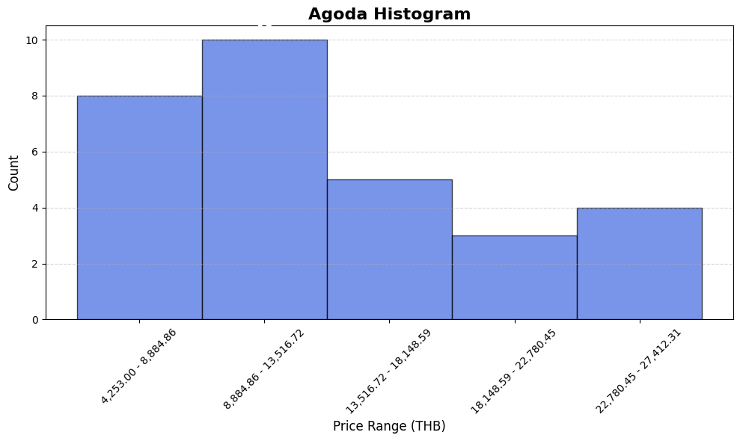
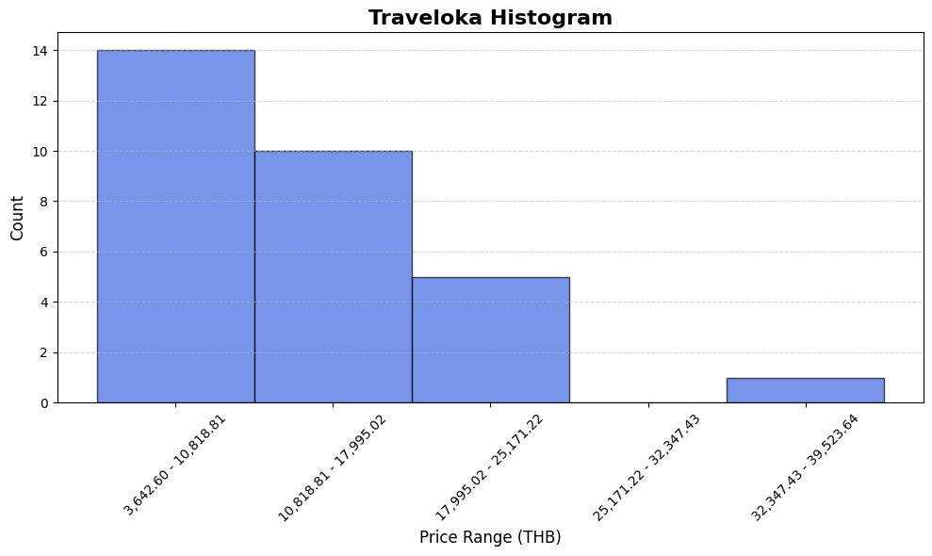
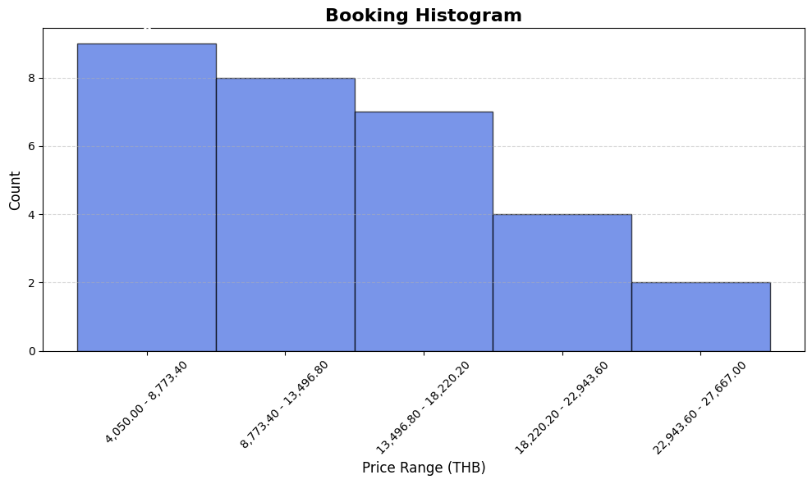

2.histrogram normal dis
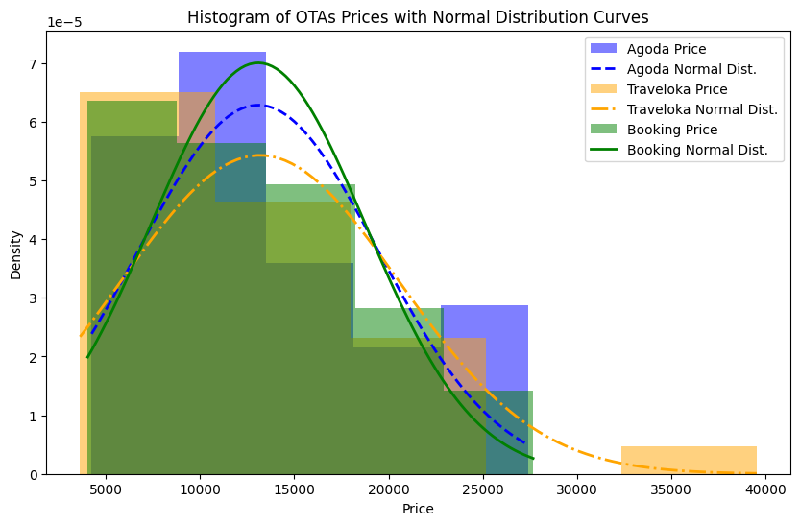

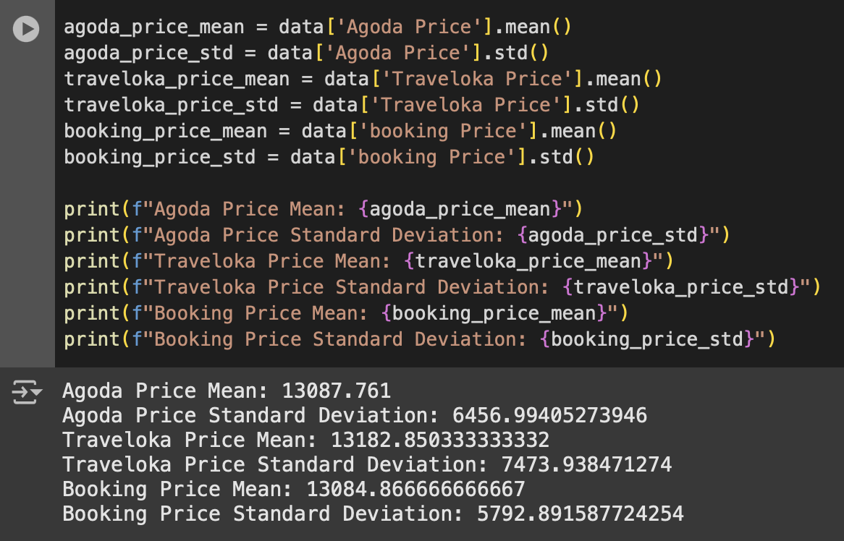
3. std and mean

4. Chi square

Q-Q Plot
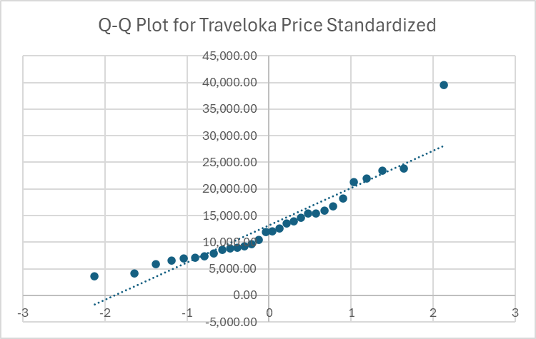
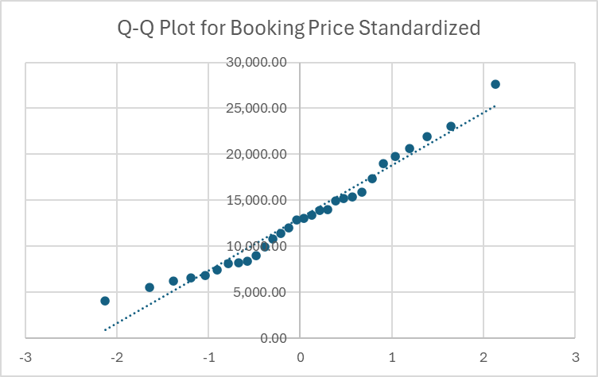
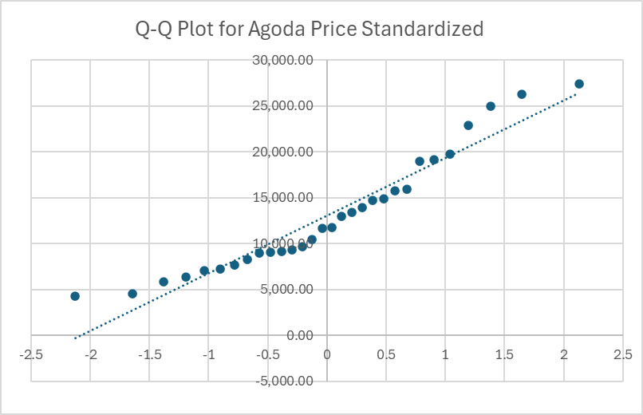
Q-Q Plot Agoda |  |  |  |  | Q-Q Plot Traveloka |  |  |  | Q-Q Plot Booking
Agoda Price | RANK | Percentile | Z-Score | Agoda Price | Z-Score | Traveloka Price | RANK | Percentile | Z-Score | Booking Price | RANK | Percentile
4,253.00 | 1 | 0.0166666667 | -2.128045232 | 4,253.00 | -2.128045232 | 3,642.60 | 1 | 0.0166666667 | -2.128045232 | 4,050.00 | 1 | 0.01666666667
4,520.00 | 2 | 0.0500000000 | -1.644853625 | 4,520.00 | -1.644853625 | 4,182.98 | 2 | 0.0500000000 | -1.644853625 | 5,564.00 | 2 | 0.05
5,899.43 | 3 | 0.0833333333 | -1.382994127 | 5,899.43 | -1.382994127 | 5,900.43 | 3 | 0.0833333333 | -1.382994127 | 6,210.00 | 3 | 0.08333333333
6,399.87 | 4 | 0.1166666667 | -1.191816171 | 6,399.87 | -1.191816171 | 6,590.53 | 4 | 0.1166666667 | -1.191816171 | 6,560.00 | 4 | 0.1166666667
7,085.63 | 5 | 0.1500000000 | -1.036433391 | 7,085.63 | -1.036433391 | 6,887.20 | 5 | 0.1500000000 | -1.036433391 | 6,809.00 | 5 | 0.15
7,209.94 | 6 | 0.1833333333 | -0.9027347913 | 7,209.94 | -0.9027347913 | 7,040.68 | 6 | 0.1833333333 | -0.9027347913 | 7,430.00 | 6 | 0.1833333333
7,673.94 | 7 | 0.2166666667 | -0.7835003745 | 7,673.94 | -0.7835003745 | 7,323.12 | 7 | 0.2166666667 | -0.7835003745 | 8,100.00 | 7 | 0.2166666667
8,328.85 | 8 | 0.2500000000 | -0.6744897502 | 8,328.85 | -0.6744897502 | 7,951.89 | 8 | 0.2500000000 | -0.6744897502 | 8,247.00 | 8 | 0.25
9,000.00 | 9 | 0.2833333333 | -0.5729675491 | 9,000.00 | -0.5729675491 | 8,615.88 | 9 | 0.2833333333 | -0.5729675491 | 8,400.00 | 9 | 0.2833333333
9,097.27 | 10 | 0.3166666667 | -0.4770404289 | 9,097.27 | -0.4770404289 | 8,823.63 | 10 | 0.3166666667 | -0.4770404289 | 9,000.00 | 10 | 0.3166666667
9,186.37 | 11 | 0.3500000000 | -0.3853204663 | 9,186.37 | -0.3853204663 | 8,997.62 | 11 | 0.3500000000 | -0.3853204663 | 9,900.00 | 11 | 0.35
9,300.59 | 12 | 0.3833333333 | -0.2967378379 | 9,300.59 | -0.2967378379 | 9,180.00 | 12 | 0.3833333333 | -0.2967378379 | 10,800.00 | 12 | 0.3833333333
9,715.82 | 13 | 0.4166666667 | -0.2104283941 | 9,715.82 | -0.2104283941 | 9,625.52 | 13 | 0.4166666667 | -0.2104283941 | 11,440.00 | 13 | 0.4166666667
10,461.03 | 14 | 0.4500000000 | -0.1256613469 | 10,461.03 | -0.1256613469 | 10,397.25 | 14 | 0.4500000000 | -0.1256613469 | 12,000.00 | 14 | 0.45
11,693.05 | 15 | 0.4833333333 | -0.04178929786 | 11,693.05 | -0.04178929786 | 11,881.59 | 15 | 0.4833333333 | -0.04178929786 | 12,876.00 | 15 | 0.4833333333
11,726.13 | 16 | 0.5166666667 | 0.04178929786 | 11,726.13 | 0.04178929786 | 11,981.97 | 16 | 0.5166666667 | 0.04178929786 | 13,013.00 | 16 | 0.5166666667
13,013.01 | 17 | 0.5500000000 | 0.1256613469 | 13,013.01 | 0.1256613469 | 12,618.89 | 17 | 0.5500000000 | 0.1256613469 | 13,426.00 | 17 | 0.55
13,446.23 | 18 | 0.5833333333 | 0.2104283941 | 13,446.23 | 0.2104283941 | 13,500.00 | 18 | 0.5833333333 | 0.2104283941 | 13,900.00 | 18 | 0.5833333333
13,900.00 | 19 | 0.6166666667 | 0.2967378379 | 13,900.00 | 0.2967378379 | 13,896.33 | 19 | 0.6166666667 | 0.2967378379 | 14,000.00 | 19 | 0.6166666667
14,694.78 | 20 | 0.6500000000 | 0.3853204663 | 14,694.78 | 0.3853204663 | 14,625.62 | 20 | 0.6500000000 | 0.3853204663 | 14,900.00 | 20 | 0.65
14,900.00 | 21 | 0.6833333333 | 0.4770404289 | 14,900.00 | 0.4770404289 | 15,376.49 | 21 | 0.6833333333 | 0.4770404289 | 15,185.00 | 21 | 0.6833333333
15,766.00 | 22 | 0.7166666667 | 0.5729675491 | 15,766.00 | 0.5729675491 | 15,422.59 | 22 | 0.7166666667 | 0.5729675491 | 15,400.00 | 22 | 0.7166666667
15,900.00 | 23 | 0.7500000000 | 0.6744897502 | 15,900.00 | 0.6744897502 | 15,895.80 | 23 | 0.7500000000 | 0.6744897502 | 15,900.00 | 23 | 0.75
18,995.06 | 24 | 0.7833333333 | 0.7835003745 | 18,995.06 | 0.7835003745 | 16,768.68 | 24 | 0.7833333333 | 0.7835003745 | 17,400.00 | 24 | 0.7833333333
19,136.59 | 25 | 0.8166666667 | 0.9027347913 | 19,136.59 | 0.9027347913 | 18,216.41 | 25 | 0.8166666667 | 0.9027347913 | 19,000.00 | 25 | 0.8166666667
19,794.06 | 26 | 0.8500000000 | 1.036433391 | 19,794.06 | 1.036433391 | 21,336.16 | 26 | 0.8500000000 | 1.036433391 | 19,800.00 | 26 | 0.85
22,866.66 | 27 | 0.8833333333 | 1.191816171 | 22,866.66 | 1.191816171 | 21,952.73 | 27 | 0.8833333333 | 1.191816171 | 20,646.00 | 27 | 0.8833333333
24,970.09 | 28 | 0.9166666667 | 1.382994127 | 24,970.09 | 1.382994127 | 23,485.58 | 28 | 0.9166666667 | 1.382994127 | 21,900.00 | 28 | 0.9166666667
26,287.12 | 29 | 0.9500000000 | 1.644853625 | 26,287.12 | 1.644853625 | 23,843.70 | 29 | 0.9500000000 | 1.644853625 | 23,023.00 | 29 | 0.95
27,412.31 | 30 | 0.9833333333 | 2.128045232 | 27,412.31 | 2.128045232 | 39,523.64 | 30 | 0.9833333333 | 2.128045232 | 27,667.00 | 30 | 0.9833333333

Shapiro-wilk test
