page 1
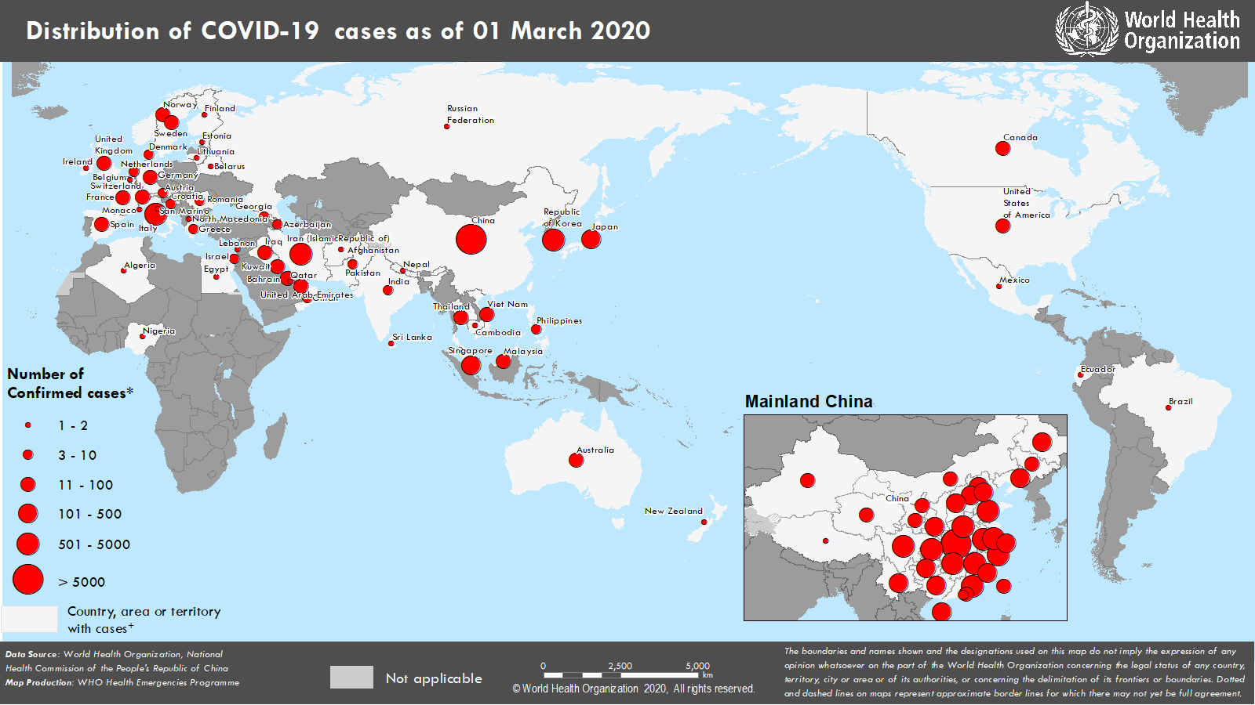
Coronavirus disease 2019 (COVID-19)
Situation Report – 41
Data as reported by 10AM CET 01 March 2020

HIGHLIGHTS • Five new Member States (Azerbaijan, Ecuador, Ireland, Monaco and Qatar) reported cases of COVID-19 in the past 24 hours. • Working with clinicians is crucial to understanding the clinical presentation, natural history and treatment interventions for COVID-19. WHO has published interim clinical guidance, clinical training materials and has launched a global clinical data platform to gather data and improve care for COVID-19 patients. This information is critical to inform the public health response. More information can be found in the Subject in Focus. • The number of confirmed cases in Hubei province, China, has increased for two successive days after a period of decline. WHO is monitoring the situation and working to understand its possible significance. • WHO has published updated recommendations for international traffic in relation to COVID-19 outbreak. They can be found here. | SITUATION IN NUMBERS total and new cases in last 24 hours Globally 87 137 confirmed (1739 new) China 79 968 confirmed (579 new) 2873 deaths (35 new) Outside of China 7169 confirmed (1160 new) 58 countries (5 new) 104 deaths (18 new) WHO RISK ASSESSMENT China Very High Regional Level Very High Global Level Very High

Figure 1. Countries, territories or areas with reported confirmed cases of COVID-19, 01 March 2020

page 5
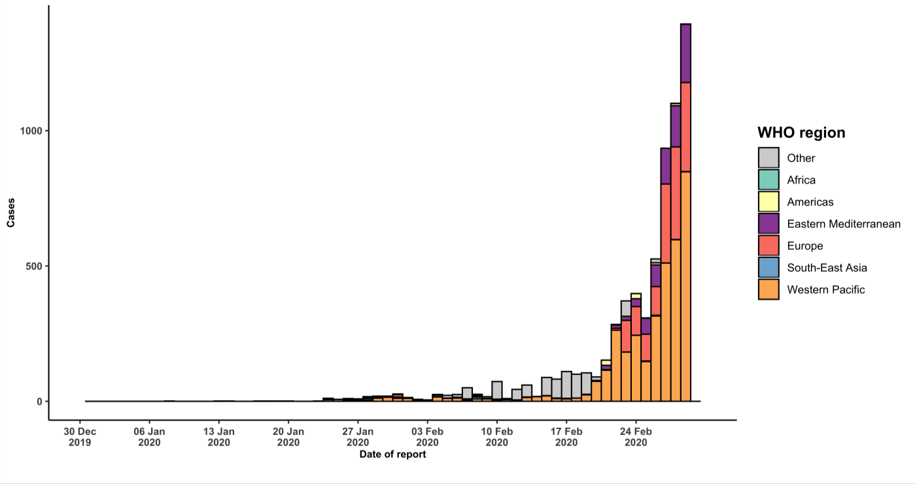
Oman | 6 (0) | 0 (0) | Imported cases only | 2
Pakistan | 4 (2) | 0 (0) | Imported cases only | 0
Lebanon | 2 (0) | 0 (0) | Imported cases only | 4
Afghanistan | 1 (0) | 0 (0) | Imported cases only | 6
Egypt | 1 (0) | 0 (0) | Imported cases only | 16
Qatar | 1 (1) | 0 (0) | Imported cases only | 0
Region of the Americas
United States of America | 62 (0) | 0 (0) | Local transmission | 1
Canada | 19 (5) | 0 (0) | Local transmission | 0
Brazil | 2 (1) | 0 (0) | Imported cases only | 0
Mexico | 2 (0) | 0 (0) | Imported cases only | 1
Ecuador | 1 (1) | 0 (0) | Imported cases only | 0
African Region
Algeria | 1 (0) | 0 (0) | Imported cases only | 5
Nigeria | 1 (0) | 0 (0) | Imported cases only | 2
Subtotal for all regions | 6464 (1160) | 98 (18)
International conveyance (Diamond Princess) ‡ | 705 (0) | 6 (0) | Local transmission | 4
Grand total§ | 7169 (1160) | 104 (18)
*Case classifications are based on WHO case definitions for COVID-19. †Transmission classification is based on WHO analysis of available official data and may be subject to reclassification as additional data become available. Countries/territories/areas experiencing multiple types of transmission are classified in the highest category for which there is evidence; they may be removed from a given category if interruption of transmission can be demonstrated. It should be noted that even within categories, different countries/territories/areas may have differing degrees of transmission as indicated by the differing numbers of cases and other factors. Not all locations within a given country/territory/area are equally affected. Terms: - Community transmission is evidenced by the inability to relate confirmed cases through chains of transmission for a large number of cases, or by increasing positive tests through routine screening of sentinel samples. - Local transmission indicates locations where the source of infection is within the reporting location. - Imported cases only indicates locations where all cases have been acquired outside the location of reporting. - Under investigation indicates locations where type of transmission has not been determined for any cases. - Interrupted transmission indicates locations where interruption of transmission has been demonstrated (details to be determined) ‡Cases identified on a cruise ship currently in Japanese territorial waters. §278 female/393 male/6498 unknown. 31 healthcare workers (7 female/12 male/ 12 unknown). Figure 2. Epidemic curve of confirmed COVID-19 cases (n=6567) reported outside of China, by date of report and WHO region with complete days of reporting through 29 February 2020

