page 1
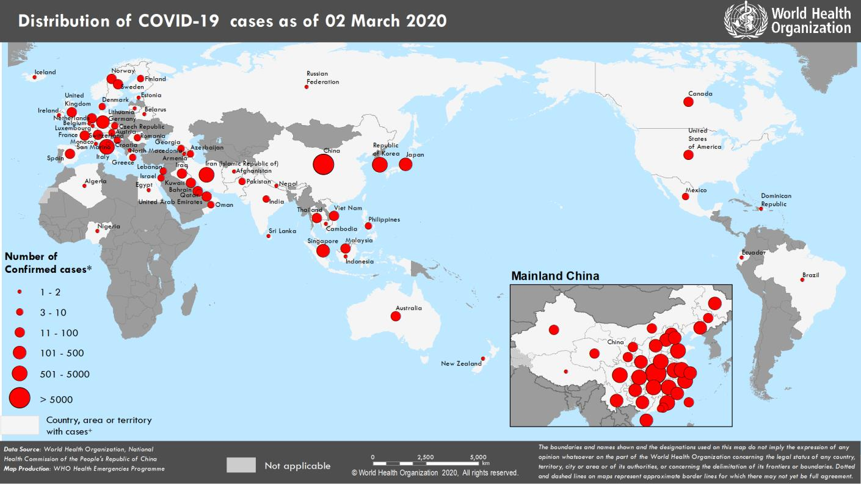
Coronavirus disease 2019 (COVID-19)
Situation Report – 42
Data as reported by 10AM CET 02 March 2020

HIGHLIGHTS • Six new Member States (Armenia, Czechia, Dominican Republic, Luxembourg, Iceland, and Indonesia) reported cases of COVID-19 in the past 24 hours. • A team of WHO experts has arrived in Tehran, Iran to support the COVID-19 response. The objectives are to identify transmission dynamics and at-risk populations, and provide technical guidance. Further information can be found here. • Containment remains the top priority for all countries. Management for COVID-19 globally, however, is not a one-size-fits-all approach and must be tailored to the transmission scenario a country faces. Early robust measures are key to saving lives and halting transmission, notes the WHO Director- General. More information can be found here. • WHO’s Operations Supply and Logistics team are working across numerous areas to support the COVID-19 response. Activities include working to establish a Supply Chain Coordination Cell and providing a technical briefing for G20 members on the personal protective equipment (PPE) market situation. More information can be found in the Subject in Focus. | SITUATION IN NUMBERS total and new cases in last 24 hours Globally 88 948 confirmed (1806 new) China 80 174 confirmed (206 new) 2915 deaths (42 new) Outside of China 8774 confirmed (1600 new) 64 countries (6 new) 128 deaths (24 new) WHO RISK ASSESSMENT China Very High Regional Level Very High Global Level Very High

Figure 1. Countries, territories or areas with reported confirmed cases of COVID-19, 02 March 2020

page 6
Figure 2. Epidemic curve of confirmed COVID-19 cases reported outside of China, by date of report and WHO region with complete days of reporting through 01 March 2020
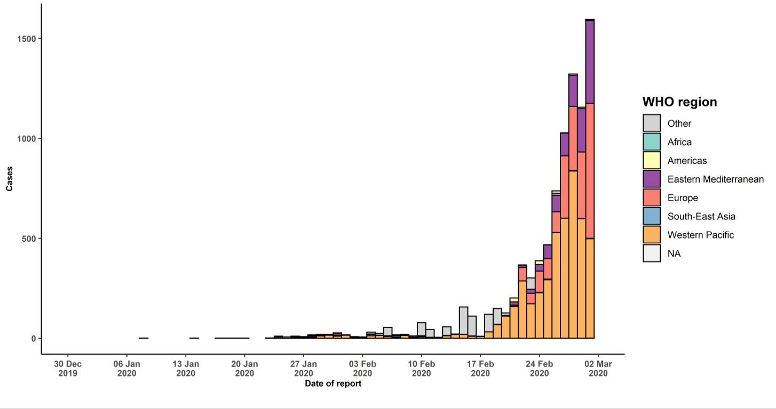

STRATEGIC OBJECTIVES WHO’s strategic objectives for this response are to: • Interrupt human-to-human transmission including reducing secondary infections among close contacts and health care workers, preventing transmission amplification events, and preventing further international spread*; • Identify, isolate and care for patients early, including providing optimized care for infected patients; • Identify and reduce transmission from the animal source; • Address crucial unknowns regarding clinical severity, extent of transmission and infection, treatment options, and accelerate the development of diagnostics, therapeutics and vaccines; • Communicate critical risk and event information to all communities and counter misinformation; • Minimize social and economic impact through multisectoral partnerships. *This can be achieved through a combination of public health measures, such as rapid identification, diagnosis and management of the cases, identification and follow up of the contacts, infection prevention and control in health care settings, implementation of health measures for travelers, awareness-raising in the population and risk communication.
PREPAREDNESS AND RESPONSE • To view all technical guidance documents regarding COVID-19, please go to this webpage. • WHO is working closely with International Air Transport Association (IATA) and have jointly developed a guidance document to provide advice to cabin crew and airport workers, based on country queries. The guidance can be found on the IATA webpage. • WHO has been in regular and direct contact with Member States where cases have been reported. WHO is also informing other countries about the situation and providing support as requested.

