page 1
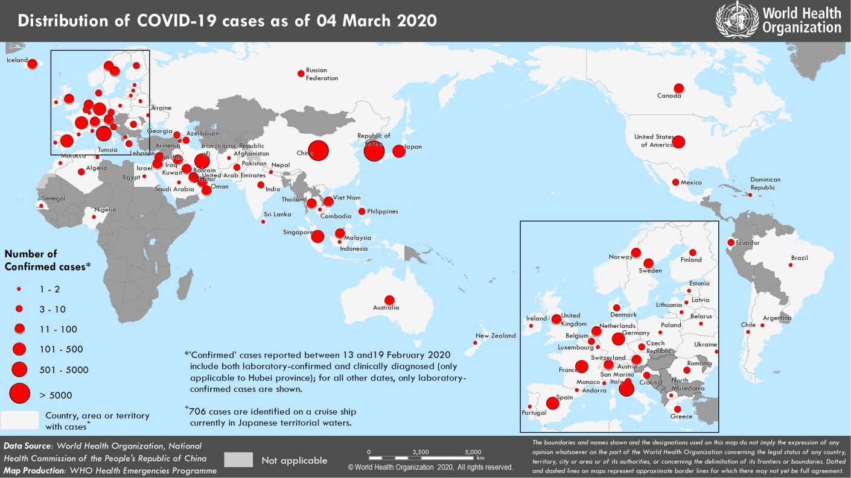
Coronavirus disease 2019 (COVID-19)
Situation Report – 44
Data as reported by national authorities by 10AM CET 04 March 2020

HIGHLIGHTS • Four new Member States (Argentina, Chile, Poland and Ukraine) have reported cases of COVID-19 in the past 24 hours. • The WHO Prequalification Team announced that the Emergency Use Listing (EUL) is now open to candidate in-vitro diagnostic (IVD) laboratory tests to detect COVID-19 virus. The EUL procedure is developed to expedite the availability of IVDs needed in public health emergency situations. Manufacturers are invited to submit an Expression of Interest. Further information can be found here. • Disruptions to the global supply of personal protective equipment (PPE) are leaving healthcare workers ill-equipped to care for patients. WHO is working with governments, industry and the Pandemic Supply Chain Network to boost production and secure allocations for critically affected and at-risk countries. More information can be found here. • The COVID-19 Operational Planning Guidelines and COVID-19 Partners Platform to support country preparedness and response course in English has been added to OpenWHO. Please see all COVID-19 courses on OpenWHO here. | SITUATION IN NUMBERS total and new cases in last 24 hours Globally 93 091 confirmed (2223 new) China 80 422 confirmed (120 new) 2984 deaths (38 new) Outside of China 12 669 confirmed (2103 new) 76 countries (4 new) 214 deaths (48 new) WHO RISK ASSESSMENT China Very High Regional Level Very High Global Level Very High

Figure 1. Countries, territories or areas with reported confirmed cases of COVID-19, 04 March 2020

page 5
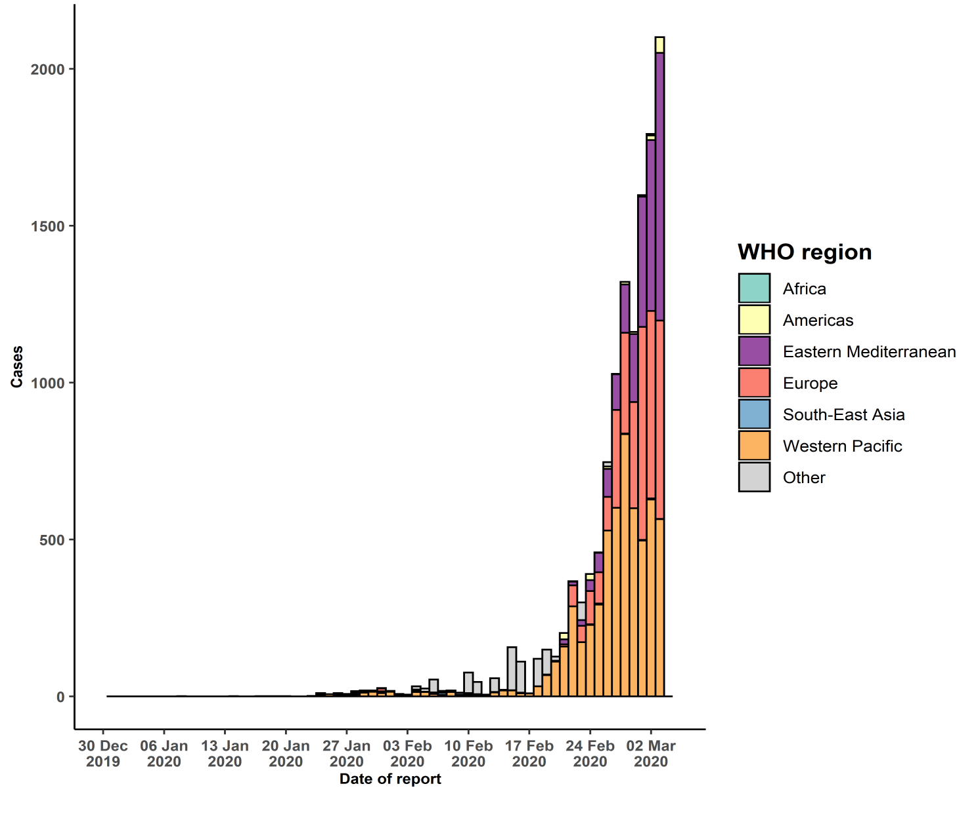
- Interrupted transmission indicates locations where interruption of transmission has been demonstrated (details to be determined) ¶ Includes cases from Gibraltar ‡Cases identified on a cruise ship currently in Japanese territorial waters. ** Days since last report have been adjusted to reflect 10AM-10AM epidemiologic days rather than calendar days §343 female/469 male/11 856 unknown. 38 healthcare workers (10 female/13 male/ 15 unknown). Erratum: Total number of cases for Norway revised and total days since last reported case revised for Czechia to reflect correct data Figure 2. Epidemic curve of confirmed COVID-19 cases reported outside of China, by date of report and WHO region with complete days of reporting through 03 March 2020

