page 1
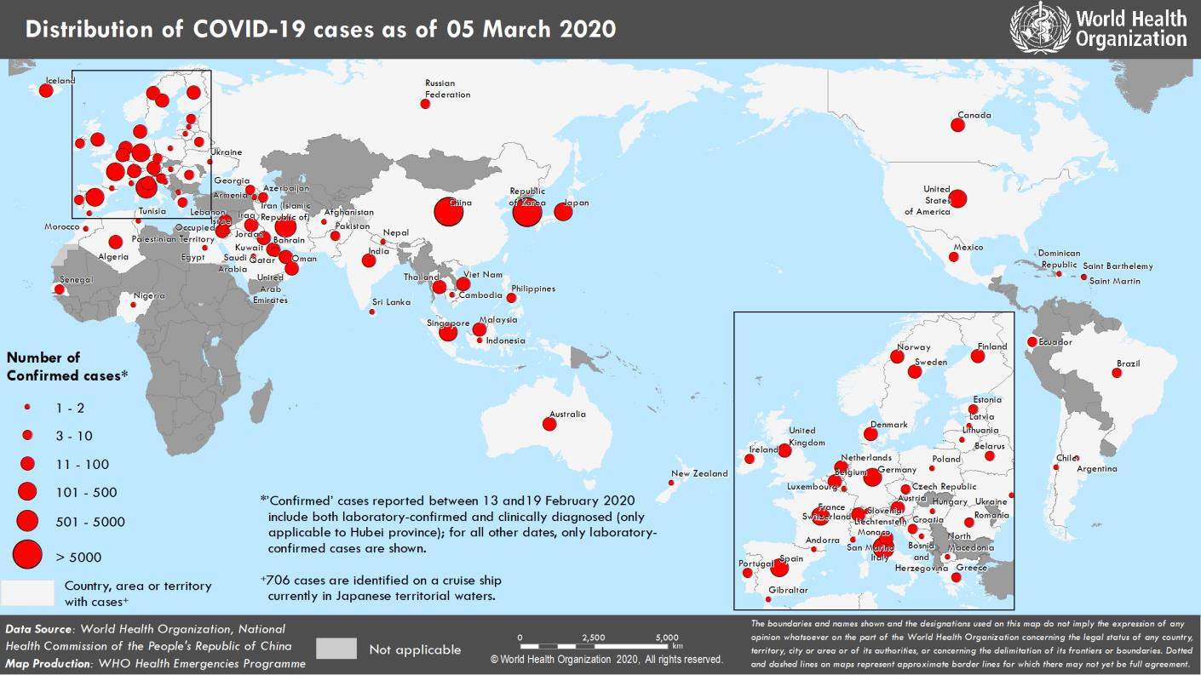
Coronavirus disease 2019 (COVID-19)
Situation Report – 45
Data as reported by national authorities by 10AM CET 05 March 2020

HIGHLIGHTS • Five new countries/territories/areas (Bosnia and Herzegovina, Gibraltar, Hungary, Slovenia, and occupied Palestinian territory) have reported cases of COVID-19 in the past 24 hours. • In anticipation for an increase in the number of COVID-19 cases, the South- East Asia Region is preparing to roll out rapid response activities by engaging with communities, procuring personal protective equipment (PPE), and ensuring laboratories have the capacity to test for COVID-19 or ship samples to global referral laboratories. More information can be found here. • The WHO Director-General emphasized the importance of implementing a comprehensive approach to mitigate the impact of COVID-19. Educating the population, expanding surveillance, caring for patients, and strengthening preparedness systems are key to interrupting transmission. The WHO Director-General’s remarks can be found here. • WHO’s initiative called the WHO Network for Information in Epidemics (EPI- WIN) leverages all communications platforms to amplify evidence-based information. EPI-WIN has identified trusted sources and engaged with these “trust chains”. More information can be found in the Subject in Focus. | SITUATION IN NUMBERS total and new cases in last 24 hours Globally 95 324 confirmed (2232 new) China 80 565 confirmed (143 new) 3015 deaths (31 new) Outside of China 14 759 confirmed (2089 new) 85 Countries/territories/ areas (5 new) 266 deaths (53 new) WHO RISK ASSESSMENT China Very High Regional Level Very High Global Level Very High Erratum: Total cases, new cases and total deaths for Australia have been corrected.

Figure 1. Countries, territories or areas with reported confirmed cases of COVID-19, 05 March 2020

page 2
SUBJECT IN FOCUS: INFODEMICS Infodemics are an excessive amount of information about a problem, which makes it difficult to identify a solution. Infodemics can spread misinformation, disinformation and rumors during a health emergency. Infodemics can hamper an effective public health response and create confusion and distrust among people. To manage infodemics, WHO has developed an innovative communication initiative called the WHO Network for Information in Epidemics (EPI-WIN). During emergencies demand for information is high, there are often many unknowns and people will seek information from sources and individuals and entities they trust. WHO, through EPI-WIN, has identified such trusted sources and engaged them not only as amplifiers of accurate, timely information, but also as advisers on the kind of information that their constituents need and urgently want to see. Information exchange takes place through regular engagement calls with these “trust chains”. EPI-WIN leverages all communications platforms available to it and partners with these trusted channels to amplify evidence-based information tailored to different audiences, answering pertinent questions as the event unfolds and linking them to additional response assets.
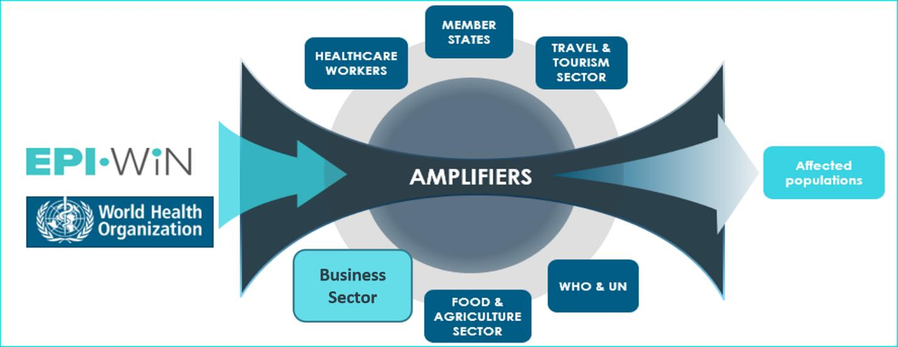
A “trust chain” with employers and employees – the world of work Such a “trust chain” has been established around the world of work. Workers spend approximately one-third of their adult lives at work. Because of this, employers and businesses can serve as amplifiers of trusted information about COVID-19 for employees. Employers in both private and public sector are asking how to protect their staff, contractors and customers from COVID-19. Employees associations and trade unions are also seeking information on how WHO policies, guidance and recommendations can be implemented in their workplace settings. Working with the World Economic Forum, EPI-WIN has established networks with the key business sectors and public enterprises likely to be impacted by COVID-19 and future epidemics. These have been grouped into networks of Healthcare & Health Workers, Travel & Tourism, Food & Agriculture and International Mass Gatherings. Within each network, there are multi-national enterprises, professional associations and UN specialized bodies representing sectors that employ tens of millions of people and account for many billions of dollars in economic activity. EPI-WIN is also working with WHO’s Department of Occupational Safety and Health and their counterpart; global trade unions through the International Labor Organization (ILO)’s Bureau of Workers Activities (ACTRAV) and the International Trade Union Council (ITUC) which brings together affiliated trade union bodies that represent 210 million workers in 163 countries.

page 7
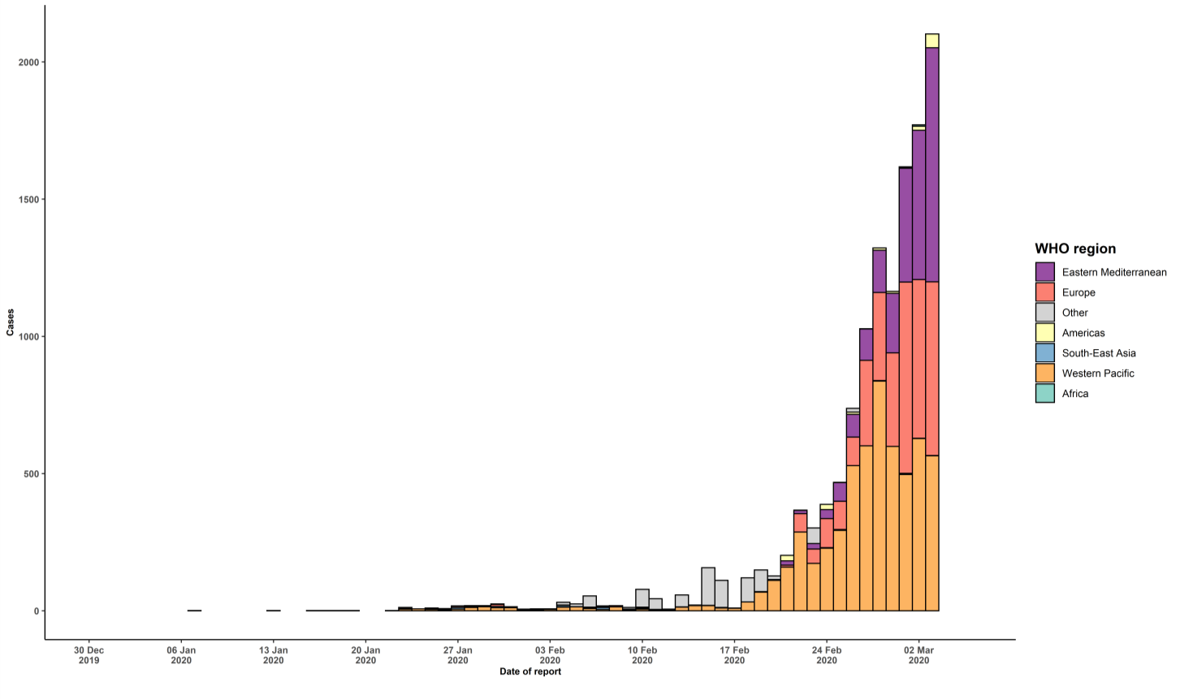
conveyance (Diamond Princess)
Grand total§ | 14759 | 2089 | 266 | 53
^ Numbers include both domestic and repatriated cases *Case classifications are based on WHO case definitions for COVID-19. †Transmission classification is based on WHO analysis of available official data and may be subject to reclassification as additional data become available. Countries/territories/areas experiencing multiple types of transmission are classified in the highest category for which there is evidence; they may be removed from a given category if interruption of transmission can be demonstrated. It should be noted that even within categories, different countries/territories/areas may have differing degrees of transmission as indicated by the differing numbers of cases and other factors. Not all locations within a given country/territory/area are equally affected. Terms: - Community transmission is evidenced by the inability to relate confirmed cases through chains of transmission for a large number of cases, or by increasing positive tests through sentinel samples (routine systematic testing of respiratory samples from established laboratories). - Local transmission indicates locations where the source of infection is within the reporting location. - Imported cases only indicates locations where all cases have been acquired outside the location of reporting. - Under investigation indicates locations where type of transmission has not been determined for any cases. - Interrupted transmission indicates locations where interruption of transmission has been demonstrated (details to be determined) **”Territories” include territories, areas, overseas dependencies and other jurisdictions of similar status ^^Reduced from prior situation reports due to separation of territories, and Liechtenstein from Switzerland Erratum: Total cases, new cases, and total deaths for Australia have been corrected. Figure 2. Epidemic curve of confirmed COVID-19 cases reported outside of China, by date of report and WHO region through 0

