page 1
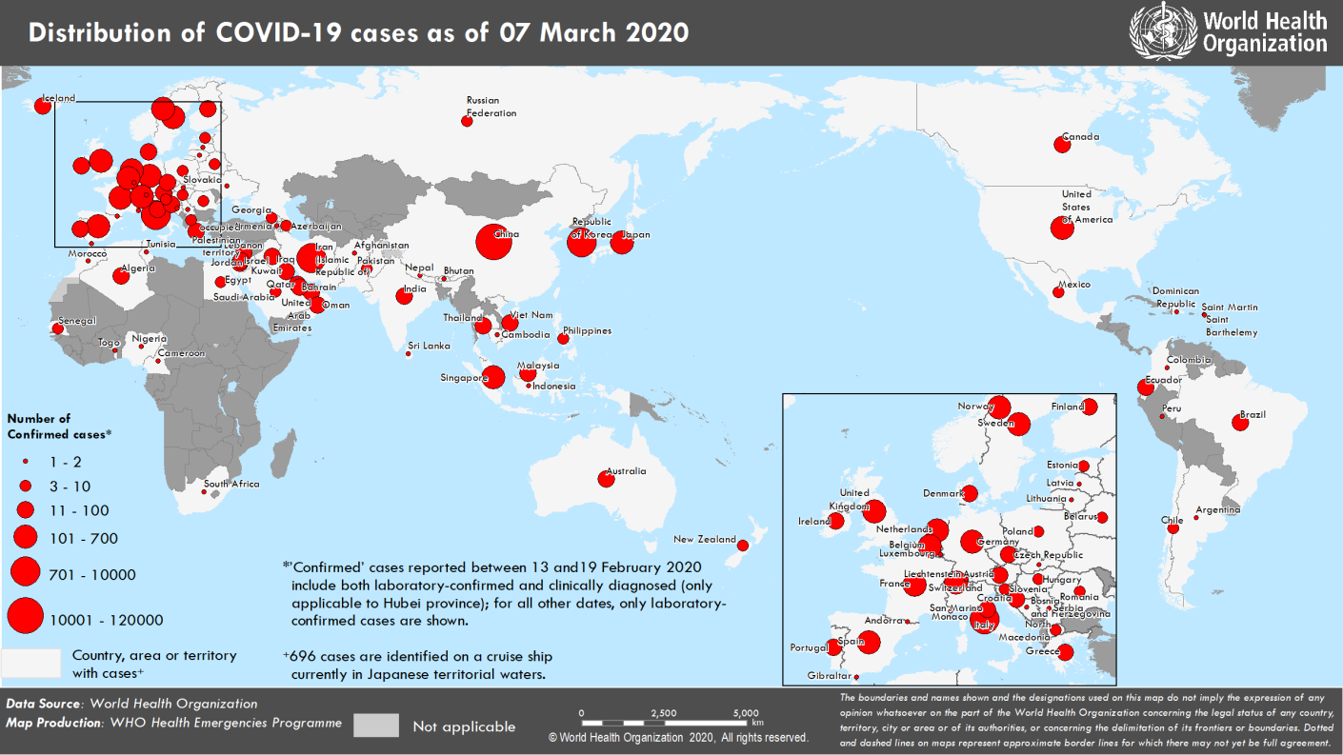
Coronavirus disease 2019 (COVID-19)
Situation Report – 47
Data as reported by national authorities by 10AM CET 07 March 2020

HIGHLIGHTS • 5 new countries/territories/areas (Colombia, Holy See, Peru, Serbia, and Togo) have reported cases of COVID-19 in the past 24 hours. • The global number of reported cases of COVID-19 has surpassed 100,000. • OpenWHO has reached 161, 000 learners in COVID-19 courses. The introductory course on COVID-19 has been partially or fully translated into 17 national languages. For more information, and to enroll in these free courses, please visit OpenWHO’s COVID-19 channel. | SITUATION IN NUMBERS total and new cases in last 24 hours Globally 101 927 confirmed (3735 new) China 80 813 confirmed (102 new) 3073 deaths (28 new) Outside of China 21 110 confirmed (3633 new) 413 deaths (78 new) 93 Countries/territories/ areas (5 new) WHO RISK ASSESSMENT China Very High Regional Level Very High Global Level Very High

Figure 1. Countries, territories or areas with reported confirmed cases of COVID-19, 07 March 2020

page 6
Figure 2. Epidemic curve of confirmed COVID-19 cases reported outside of China (n=21,110), by date of report and WHO region through 07 March 2020
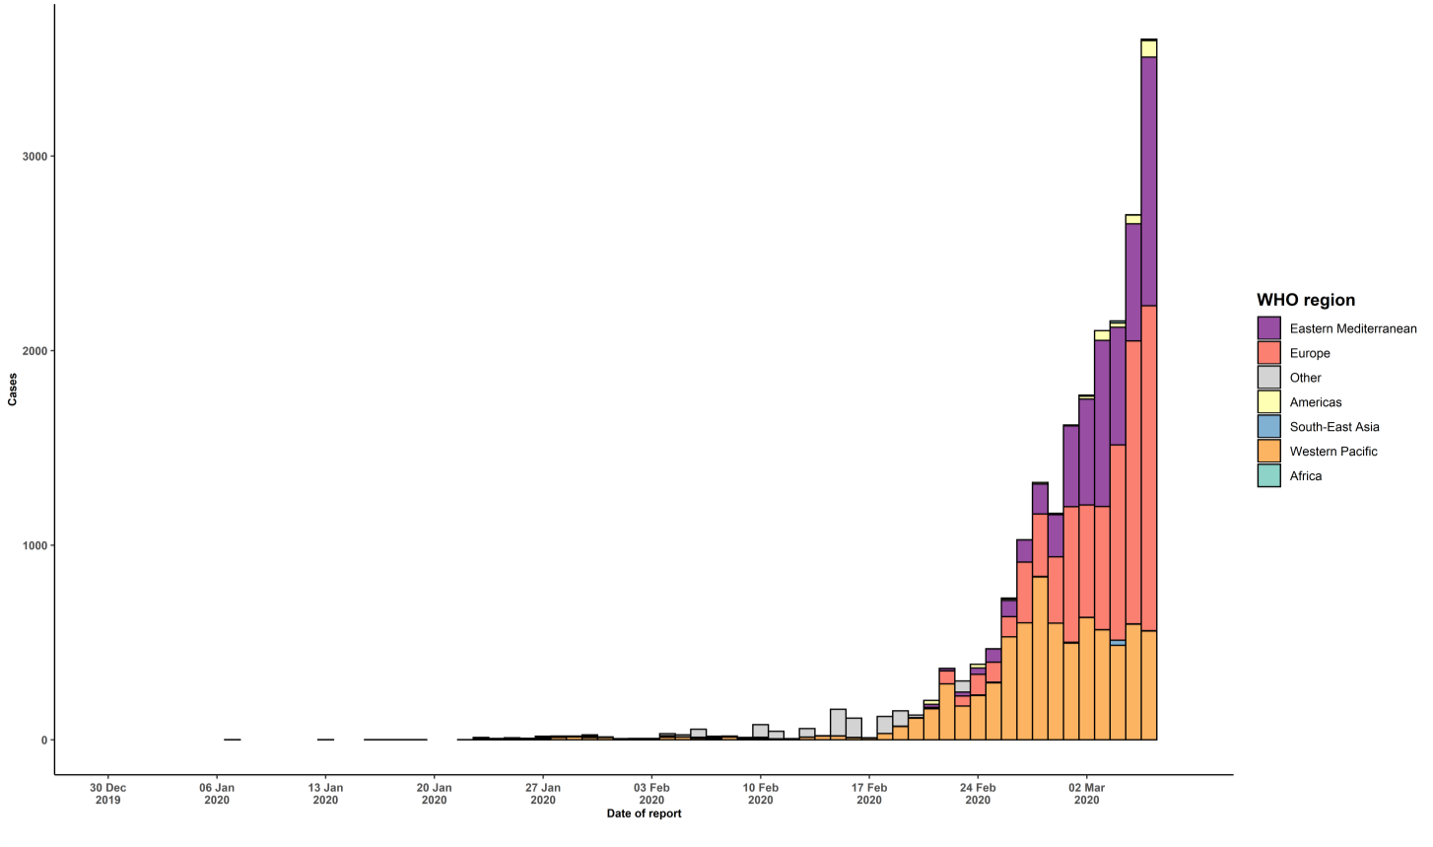

STRATEGIC OBJECTIVES WHO’s strategic objectives for this response are to: • Interrupt human-to-human transmission including reducing secondary infections among close contacts and health care workers, preventing transmission amplification events, and preventing further international spread*; • Identify, isolate and care for patients early, including providing optimized care for infected patients; • Identify and reduce transmission from the animal source; • Address crucial unknowns regarding clinical severity, extent of transmission and infection, treatment options, and accelerate the development of diagnostics, therapeutics and vaccines; • Communicate critical risk and event information to all communities and counter misinformation; • Minimize social and economic impact through multisectoral partnerships. *This can be achieved through a combination of public health measures, such as rapid identification, diagnosis and management of the cases, identification and follow up of the contacts, infection prevention and control in health care settings, implementation of health measures for travelers, awareness-raising in the population and risk communication.

