page 1
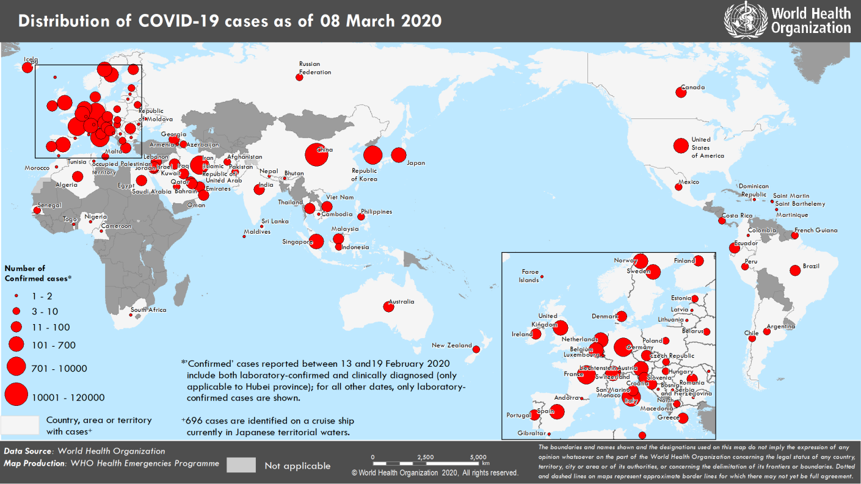
Coronavirus disease 2019 (COVID-19)
Situation Report – 48
Data as reported by national authorities by 10AM CET 08 March 2020

HIGHLIGHTS • 8 new countries/territories/areas (Bulgaria, Costa Rica, Faroe Islands, French Guiana, Maldives, Malta, Martinique, and Republic of Moldova) have reported cases of COVID-19 in the past 24 hours. • Over 100 countries have now reported laboratory-confirmed cases of COVID- 19. • WHO has issued a consolidated package of existing preparedness and response guidance for countries to enable them to slow and stop COVID-19 transmission and save lives. WHO is urging all countries to prepare for the potential arrival of COVID-19 by readying emergency response systems; increasing capacity to detect and care for patients; ensuring hospitals have the space, supplies and necessary personnel; and developing life-saving medical interventions. | SITUATION IN NUMBERS total and new cases in last 24 hours Globally 105 586 confirmed (3656 new) China 80 859 confirmed (46 new) 3100 deaths (27 new) Outside of China 24 727 confirmed (3610 new) 484 deaths (71 new) 101 Countries/territories/ areas (8 new) WHO RISK ASSESSMENT China Very High Regional Level Very High Global Level Very High

Figure 1. Countries, territories or areas with reported confirmed cases of COVID-19, 08 March 2020

page 6
Figure 2. Epidemic curve of confirmed COVID-19 cases reported outside of China (n=24,727), by date of report and WHO region through 08 March 2020
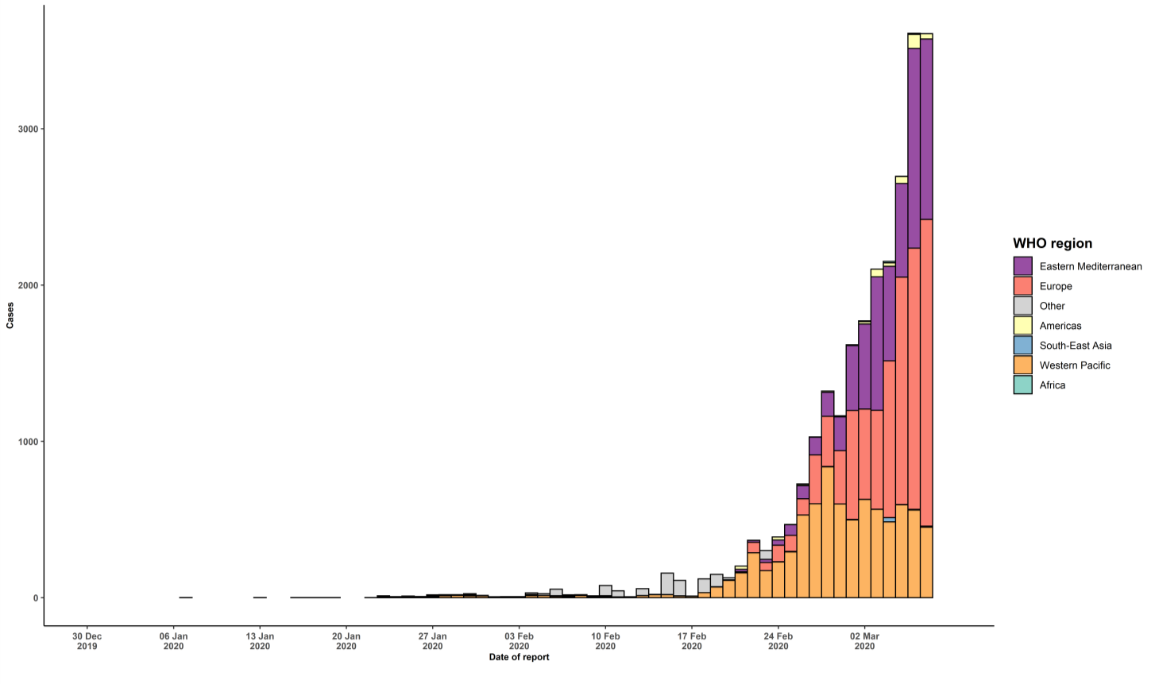

STRATEGIC OBJECTIVES WHO’s strategic objectives for this response are to: • Interrupt human-to-human transmission including reducing secondary infections among close contacts and health care workers, preventing transmission amplification events, and preventing further international spread*; • Identify, isolate and care for patients early, including providing optimized care for infected patients; • Identify and reduce transmission from the animal source; • Address crucial unknowns regarding clinical severity, extent of transmission and infection, treatment options, and accelerate the development of diagnostics, therapeutics and vaccines; • Communicate critical risk and event information to all communities and counter misinformation; • Minimize social and economic impact through multisectoral partnerships. *This can be achieved through a combination of public health measures, such as rapid identification, diagnosis and management of the cases, identification and follow up of the contacts, infection prevention and control in health care settings, implementation of health measures for travelers, awareness-raising in the population and risk communication.

