page 1
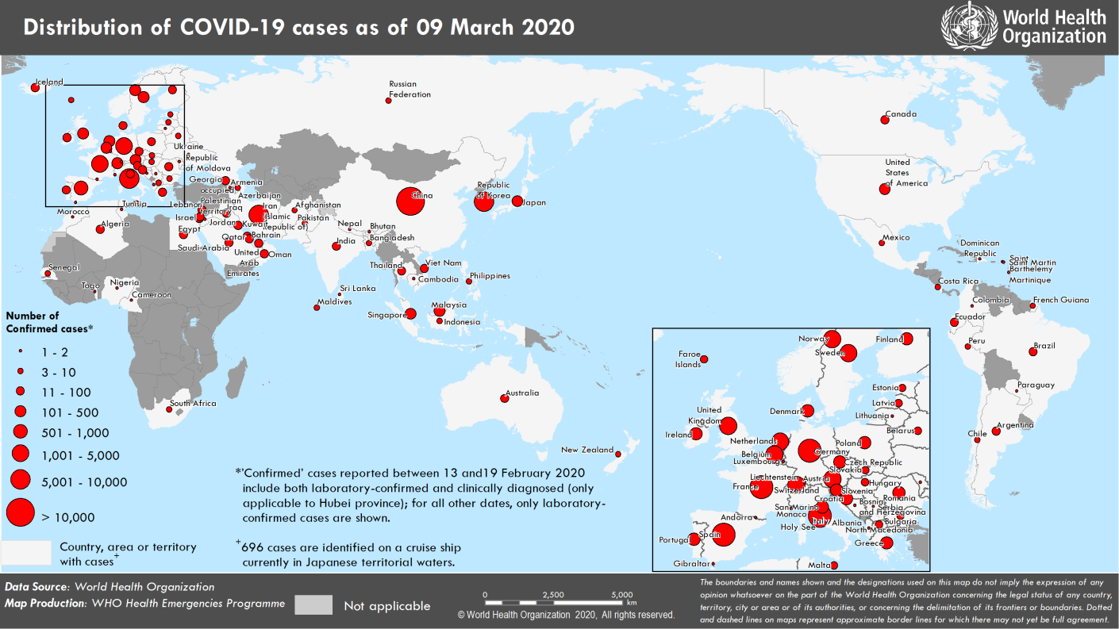
Coronavirus disease 2019 (COVID-19)
Situation Report – 49
Data as reported by national authorities by 10 AM CET 09 March 2020

HIGHLIGHTS • 3 new countries/territories/areas (Bangladesh, Albania and Paraguay) have reported cases of COVID-19 in the past 24 hours. • WHO continues to support Samoa and Tokelau with preparations for COVID- 19. More information can be found here. • WHO Operations Supply and Logistics (OSL) continues to support COVID-19 emergency operations where global demand for critical items continues to outpace global supply availability. Since the beginning of the outbreak, OSL have shipped more than 584,000 surgical masks, 47,000 N95 masks, 620,000 gloves, 72,000 gowns and 11,000 goggles to 57 countries. | SITUATION IN NUMBERS total and new cases in last 24 hours Globally 109 577 confirmed (3993 new) 3809 deaths (225 new) China 80 904 confirmed (45 new) 3123 deaths (23 new) Outside of China 28 673 confirmed (3948 new) 686 deaths (202 new) 104 countries/territories/ areas (3 new) WHO RISK ASSESSMENT China Very High Regional Level Very High Global Level Very High

Figure 1. Countries, territories or areas with reported confirmed cases of COVID-19, 09 March 2020
Erratum: Total cases and new cases for Faroe Islands have been corrected.

page 7
Figure 2. Epidemic curve of confirmed COVID-19 cases reported outside of China (n=28 674), by date of report and WHO region through 09 March 2020
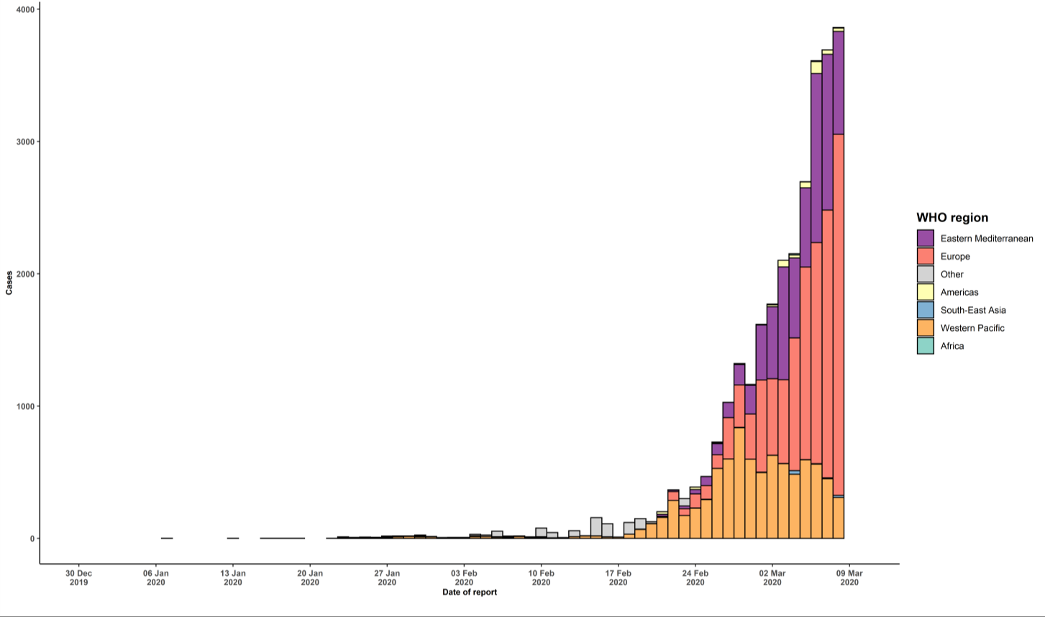

STRATEGIC OBJECTIVES WHO’s strategic objectives for this response are to: • Interrupt human-to-human transmission including reducing secondary infections among close contacts and health care workers, preventing transmission amplification events, and preventing further international spread*; • Identify, isolate and care for patients early, including providing optimized care for infected patients; • Identify and reduce transmission from the animal source; • Address crucial unknowns regarding clinical severity, extent of transmission and infection, treatment options, and accelerate the development of diagnostics, therapeutics and vaccines; • Communicate critical risk and event information to all communities and counter misinformation; • Minimize social and economic impact through multisectoral partnerships. *This can be achieved through a combination of public health measures, such as rapid identification, diagnosis and management of the cases, identification and follow up of the contacts, infection prevention and control in health care settings, implementation of health measures for travelers, awareness-raising in the population and risk communication.

