page 1
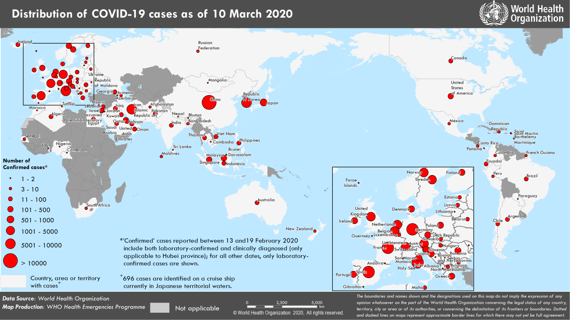
Coronavirus disease 2019 (COVID-19)
Situation Report – 50
Data as reported by national authorities by 10 AM CET 10 March 2020

HIGHLIGHTS • 5 new countries/territories/areas (Brunei Darussalam, Mongolia, Cyprus, Guernsey and Panama) have reported cases of COVID-19 in the past 24 hours. • As of 9 March 2020, a total of 45 States Parties informed WHO of additional health measures they implemented in relation to COVID-19 and provided the public health rationale for these measures. WHO reiterates that measures that restrict the movement of people during this outbreak should be proportionate to the public health risk, short in duration and reviewed regularly as more information about the virus, the disease epidemiology and clinical characteristics becomes available. For more information, please see ‘subject in focus’. • WHO Director- General in his regular media briefing on 9 March stated that the threat of a pandemic has become very real; however, this would be the first pandemic in history that could be controlled. For details, please see here. | SITUATION IN NUMBERS total and new cases in last 24 hours Globally 113 702 confirmed (4125 new) 4012 deaths (203 new) China 80 924 confirmed (20 new) 3140 deaths (17 new) Outside of China 32 778 confirmed (4105 new) 872 deaths (186 new) 109 countries/territories/ areas (5 new) WHO RISK ASSESSMENT China Very High Regional Level Very High Global Level Very High

Figure 1. Countries, territories or areas with reported confirmed cases of COVID-19, 10 March 2020

page 3
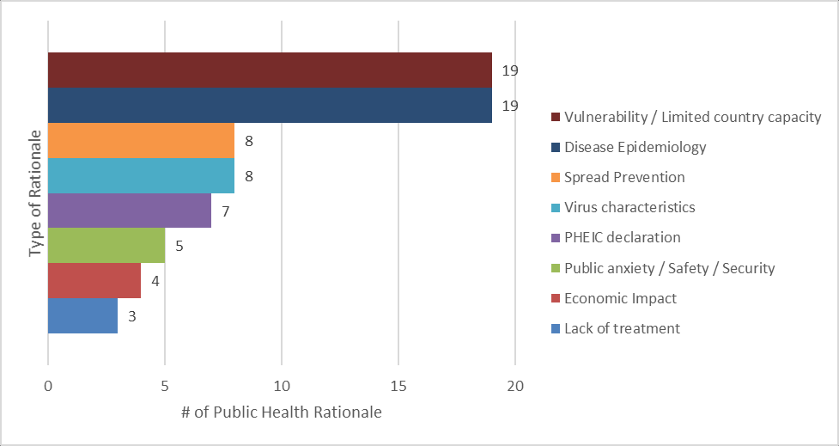
Figure 1. Number of additional health measures by type
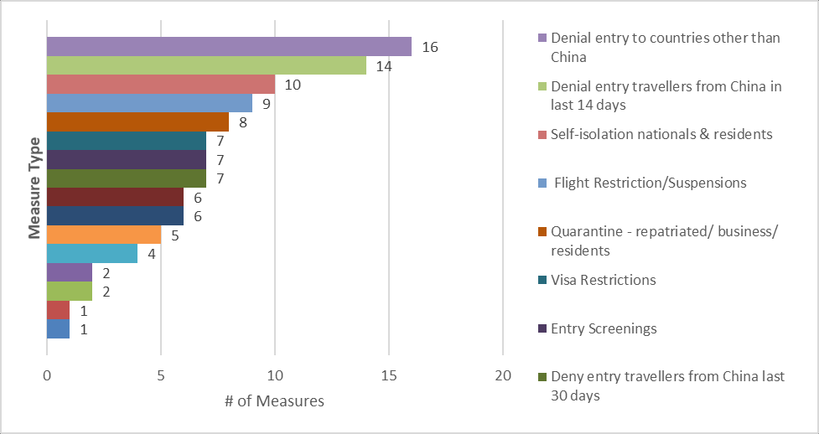
Figure 2. Number and types of public health rationale for implementing additional health measures

page 8
Figure 2. Epidemic curve of confirmed COVID-19 cases reported outside of China (n=32 778), by date of report and WHO region through 10 March 2020
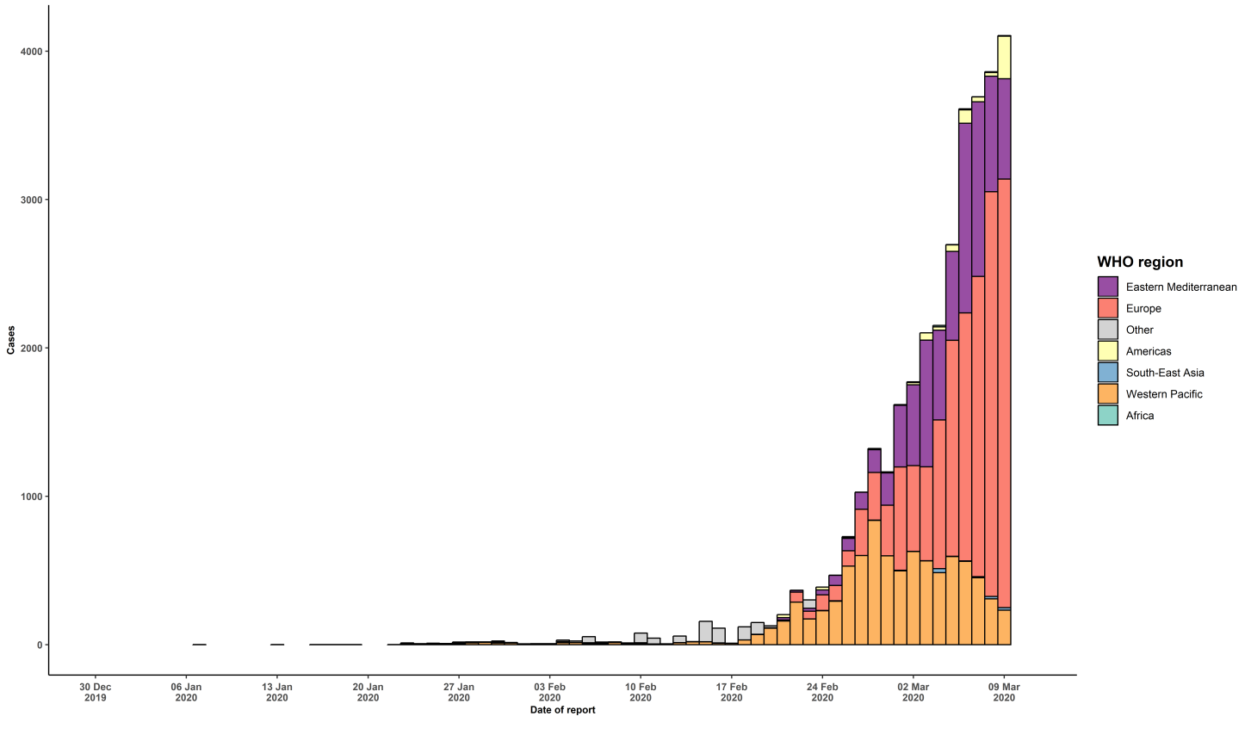

STRATEGIC OBJECTIVES WHO’s strategic objectives for this response are to: • Interrupt human-to-human transmission including reducing secondary infections among close contacts and health care workers, preventing transmission amplification events, and preventing further international spread*; • Identify, isolate and care for patients early, including providing optimized care for infected patients; • Identify and reduce transmission from the animal source; • Address crucial unknowns regarding clinical severity, extent of transmission and infection, treatment options, and accelerate the development of diagnostics, therapeutics and vaccines; • Communicate critical risk and event information to all communities and counter misinformation; • Minimize social and economic impact through multisectoral partnerships. *This can be achieved through a combination of public health measures, such as rapid identification, diagnosis and management of the cases, identification and follow up of the contacts, infection prevention and control in health care settings, implementation of health measures for travelers, awareness-raising in the population and risk communication.

